CSO Summary
May2026 CSO Report
 | Observed
May2026 CSO Report
 | Observed
CSO_06 | 71
May2026 Overflow Summary
81.0 MG Overflow Observed
 | Sensor Type | % of Report with Good Data | Number of Observed Activations | Observed Overflow Volume, MG
CSO_04 | Flow | 100 | 0 | 0
CSO_05 | Flow | 100 | 1 | 0.09
CSO_06 | Flow | 100 | 1 | 71
CSO_07 | Flow | 100 | 1 | 0.05
CSO_09 | Level | 100 | 0 | 0
CSO_10 | Level | 100 | 0 | 0
CSO_11 | Level | 100 | 1 | 0.15
CSO_12 | Flow | 100 | 0 | 0
CSO_14 | Level | 100 | 1 | 0.25
CSO_15 | Flow | 100 | 1 | 0.53
CSO_16 | Level | 100 | 0 | 0
CSO_17 | Level | 100 | 0 | 0
CSO_18 | Level | 100 | 0 | 0
CSO_19 | Level | 100 | 0 | 0
CSO_20 | Flow | 100 | 1 | 0.54
CSO_21 | Flow | 100 | 1 | 1.9
CSO_24 | Level | 100 | 1 | 4.8
CSO_25 | Level | 100 | 0 | 0
CSO_26 | Level | 100 | 0 | 0
CSO_31 | Level | 100 | 1 | 0.3
CSO_33 | Level | 100 | 0 | 0
CSO_34 | Flow | 100 | 1 | 0.87
CSO_35 | Flow | 100 | 2 | 0.35
CSO_39 | Flow | 100 | 1 | 0.35
CSO_40 | Flow | 100 | 1 | 0.04
System | N/A | N/A | 2 | 81

CSO_04-Events
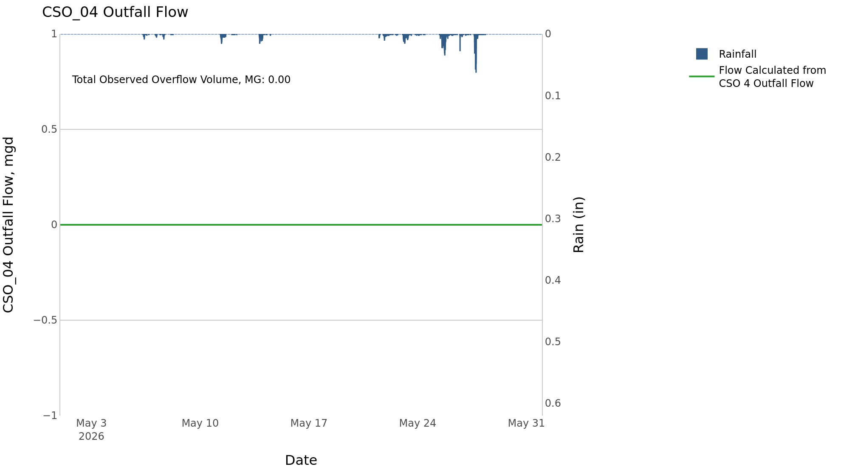
CSO_04 May2026 Overflow Events

No Overflow Events Recorded for CSO_04

Note: Activations are defined by CSO volumes > 0.01 MG and an interevent time of 72 hours
Note: Any observed negative flows could be backflow from James River

CSO_05-Events
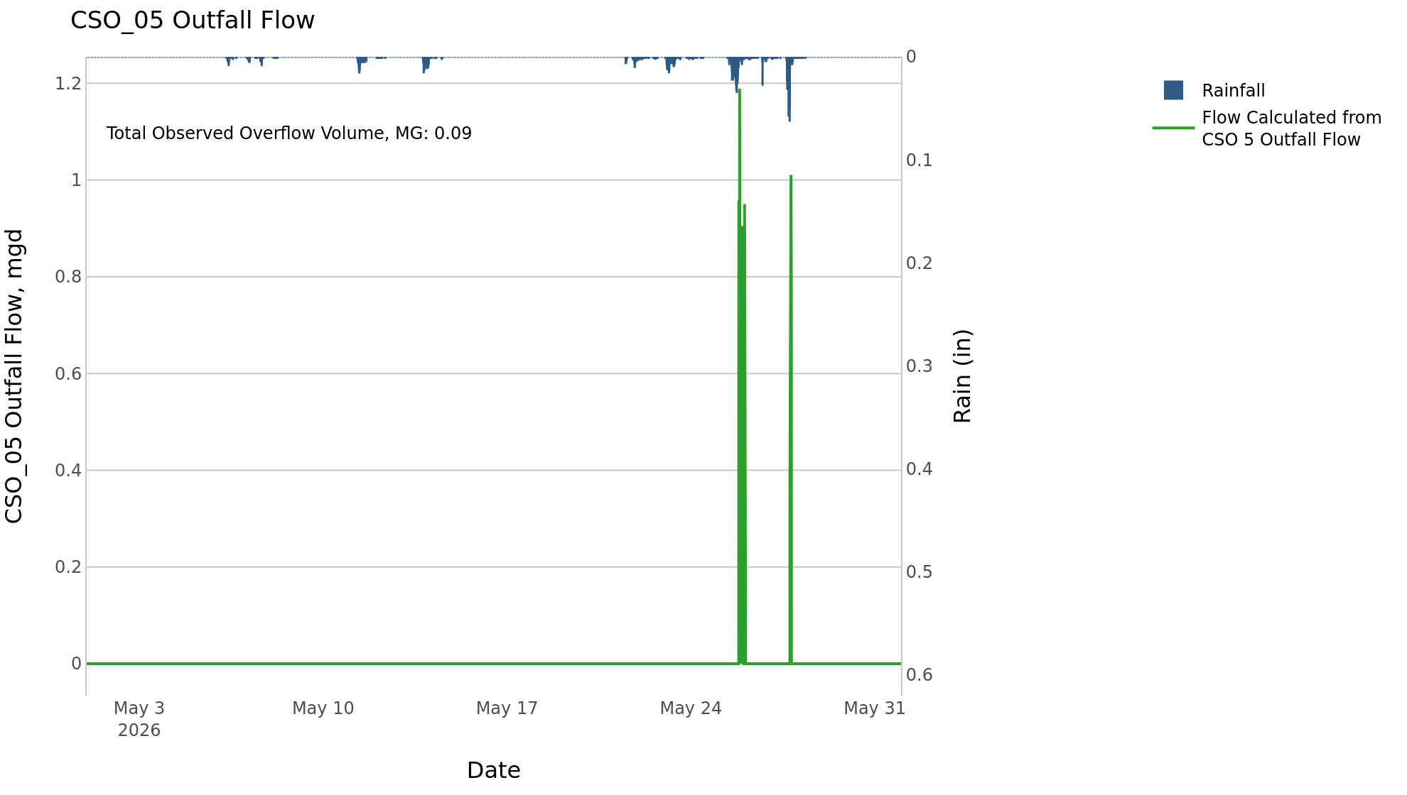
CSO_05 May2026 Overflow Events

 | start | end | Rainfall, in | Observed Overflow Volume, mg | overflow_duration_hours
2026May25 | 2026-05-25 | 2026-05-27 | 3.75 | 0.09 | 2.9

Note: Activations are defined by CSO volumes > 0.01 MG and an interevent time of 72 hours
Note: Any observed negative flows could be backflow from James River

CSO_06-Events
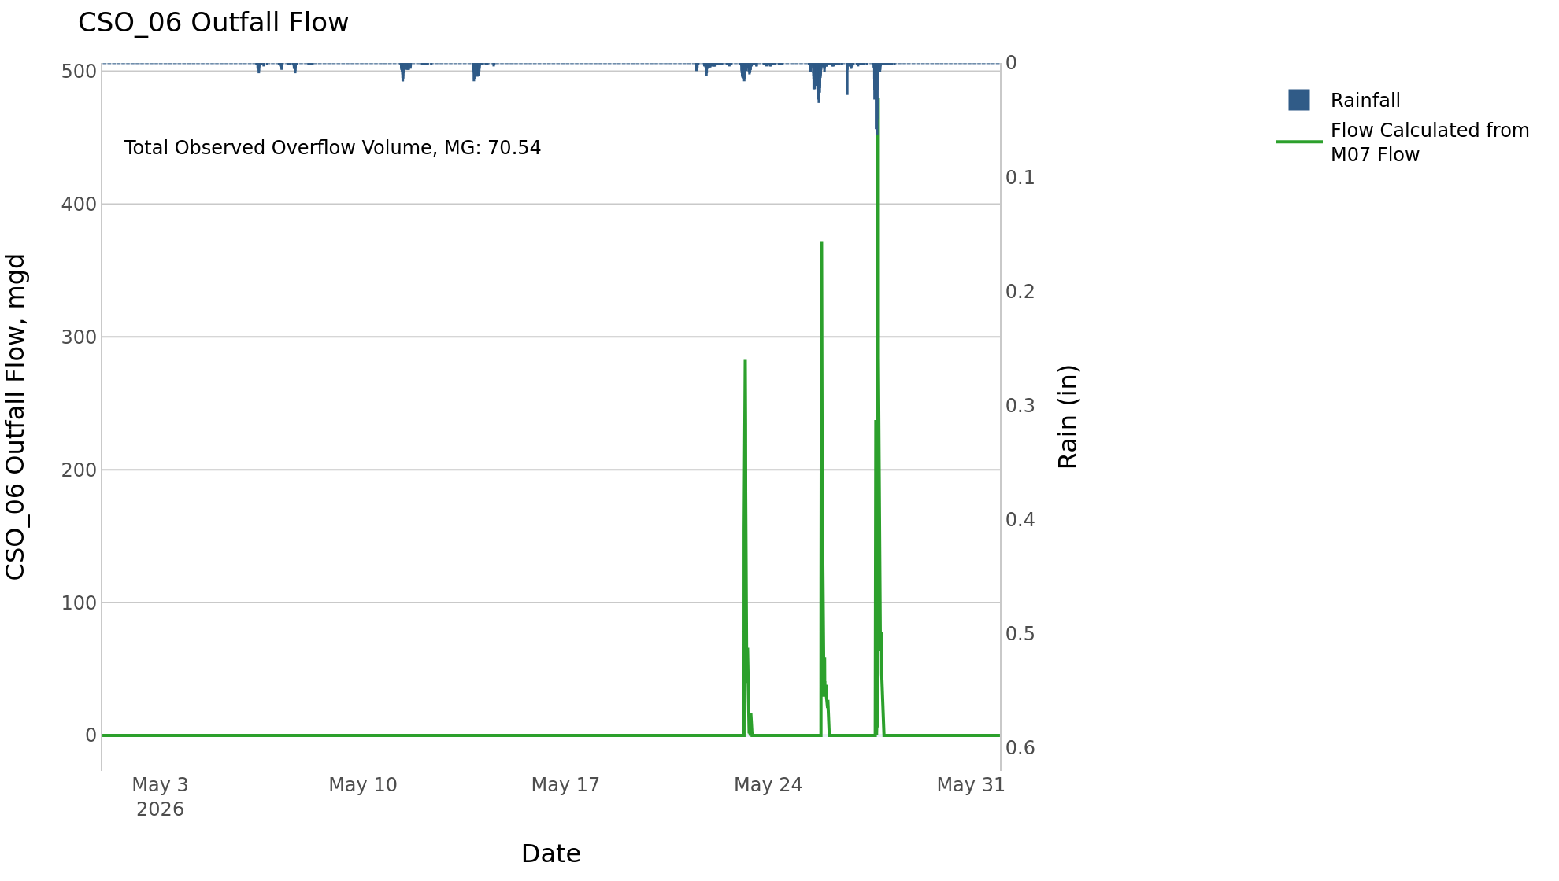
CSO_06 May2026 Overflow Events

 | start | end | Rainfall, in | Observed Overflow Volume, mg | overflow_duration_hours
2026May23 | 2026-05-23 | 2026-05-27 | 3.83 | 71 | 17

Note: Activations are defined by CSO volumes > 0.01 MG and an interevent time of 72 hours
Note: Any observed negative flows could be due to high James River levels and flow eddies within structure

CSO_07-Events

CSO_07 May2026 Overflow Events

 | start | end | Rainfall, in | Observed Overflow Volume, mg | overflow_duration_hours
2026May23 | 2026-05-23 | 2026-05-27 | 3.74 | 0.05 | 1.8

Note: Activations are defined by CSO volumes > 0.01 MG and an interevent time of 72 hours

CSO_09-Events
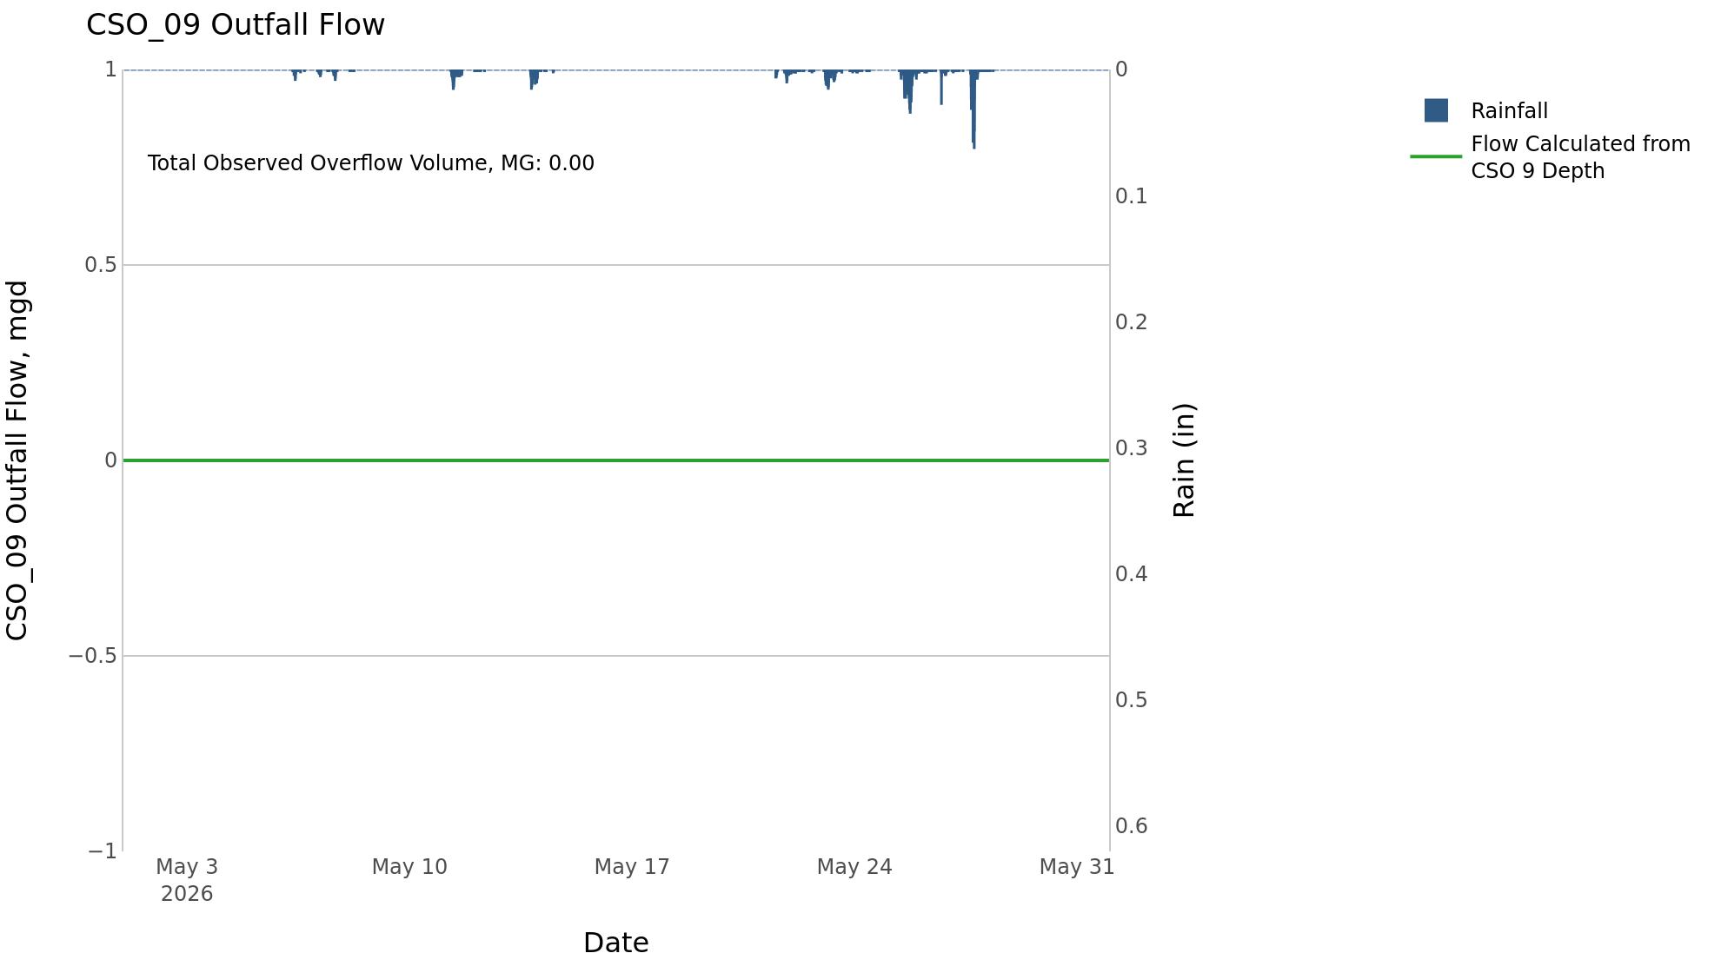
CSO_09 May2026 Overflow Events

No Overflow Events Recorded for CSO_09

Note: Activations are defined by CSO volumes > 0.01 MG and an interevent time of 72 hours

CSO_10-Events

CSO_10 May2026 Overflow Events

No Overflow Events Recorded for CSO_10
CSO_10 Bad Data
error_type | time_first_found | time_last_found
flatline | 2026-03-16 | 2026-05-07
flatline | 2026-05-14 | 2026-05-23
flatline | 2026-05-23 | 2026-05-25
flatline | 2026-05-07 | 2026-05-11
flatline | 2026-05-11 | 2026-05-13
flatline | 2026-05-25 | 2026-05-27
flatline | 2026-05-27 | 2026-06-02
negative | 2026-03-10 | 2026-06-02

Note: Activations are defined by CSO volumes > 0.01 MG and an interevent time of 72 hours

CSO_11-Events
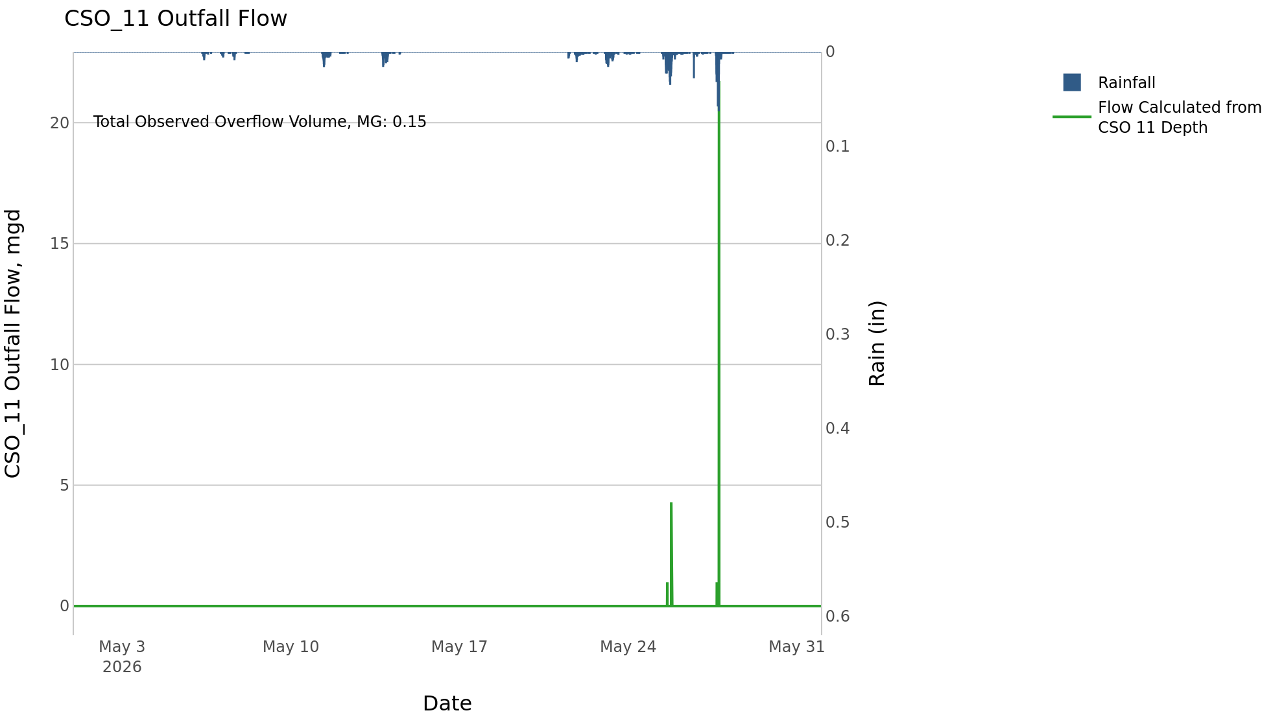
CSO_11 May2026 Overflow Events

 | start | end | Rainfall, in | Observed Overflow Volume, mg | overflow_duration_hours
2026May23 | 2026-05-23 | 2026-05-27 | 3.74 | 0.15 | 1.2

Note: Activations are defined by CSO volumes > 0.01 MG and an interevent time of 72 hours

CSO_12-Events
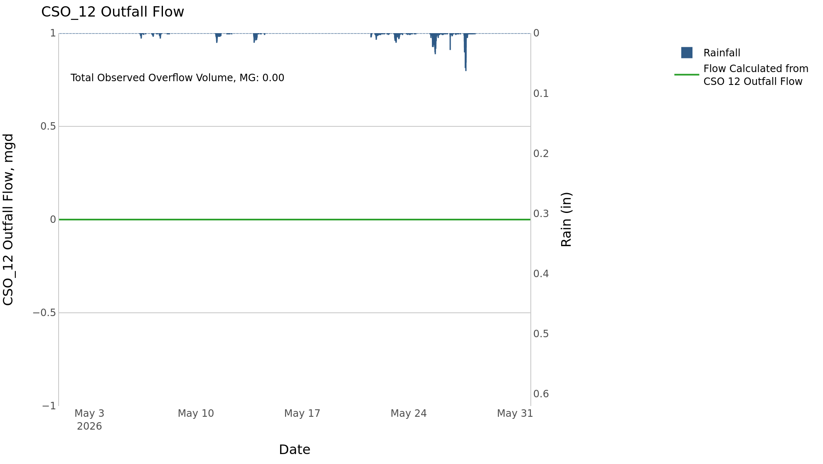
CSO_12 May2026 Overflow Events

No Overflow Events Recorded for CSO_12

Note: Activations are defined by CSO volumes > 0.01 MG and an interevent time of 72 hours

CSO_14-Events
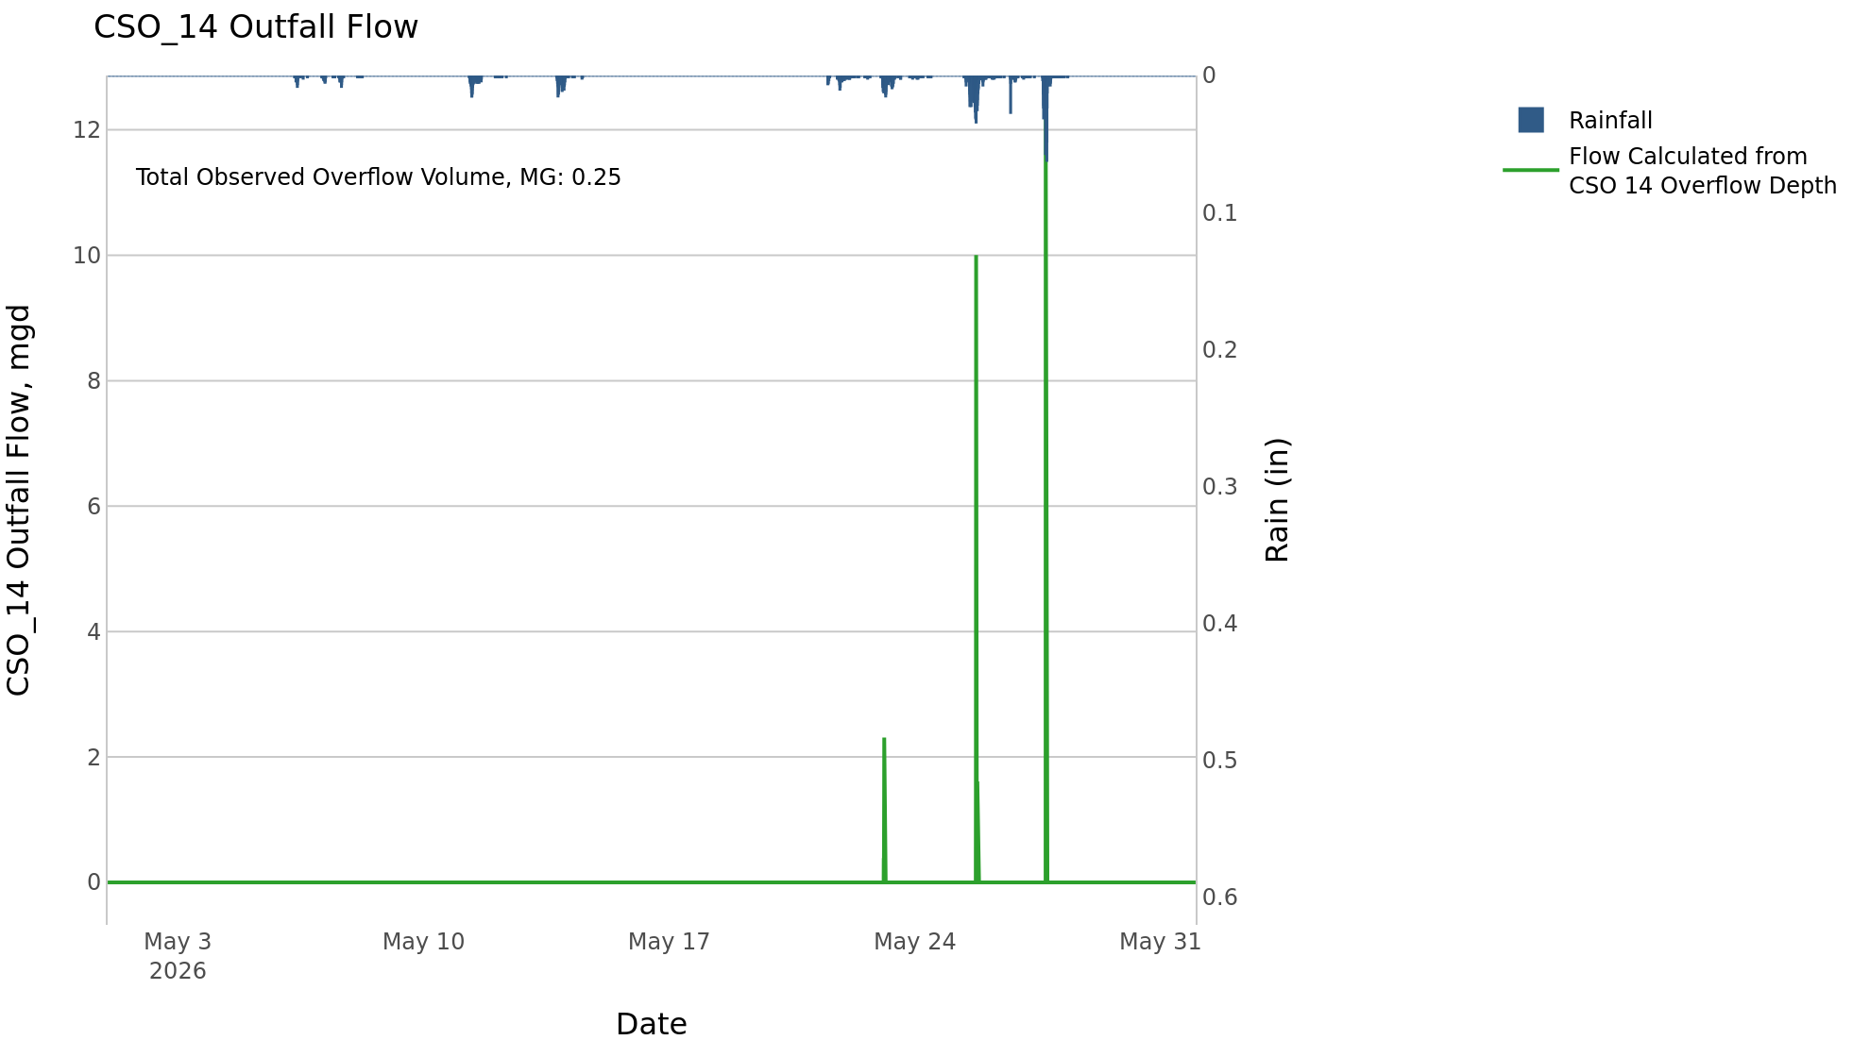
CSO_14 May2026 Overflow Events

 | start | end | Rainfall, in | Observed Overflow Volume, mg | overflow_duration_hours
2026May23 | 2026-05-23 | 2026-05-27 | 3.71 | 0.25 | 2.1

Note: Activations are defined by CSO volumes > 0.01 MG and an interevent time of 72 hours

CSO_15-Events
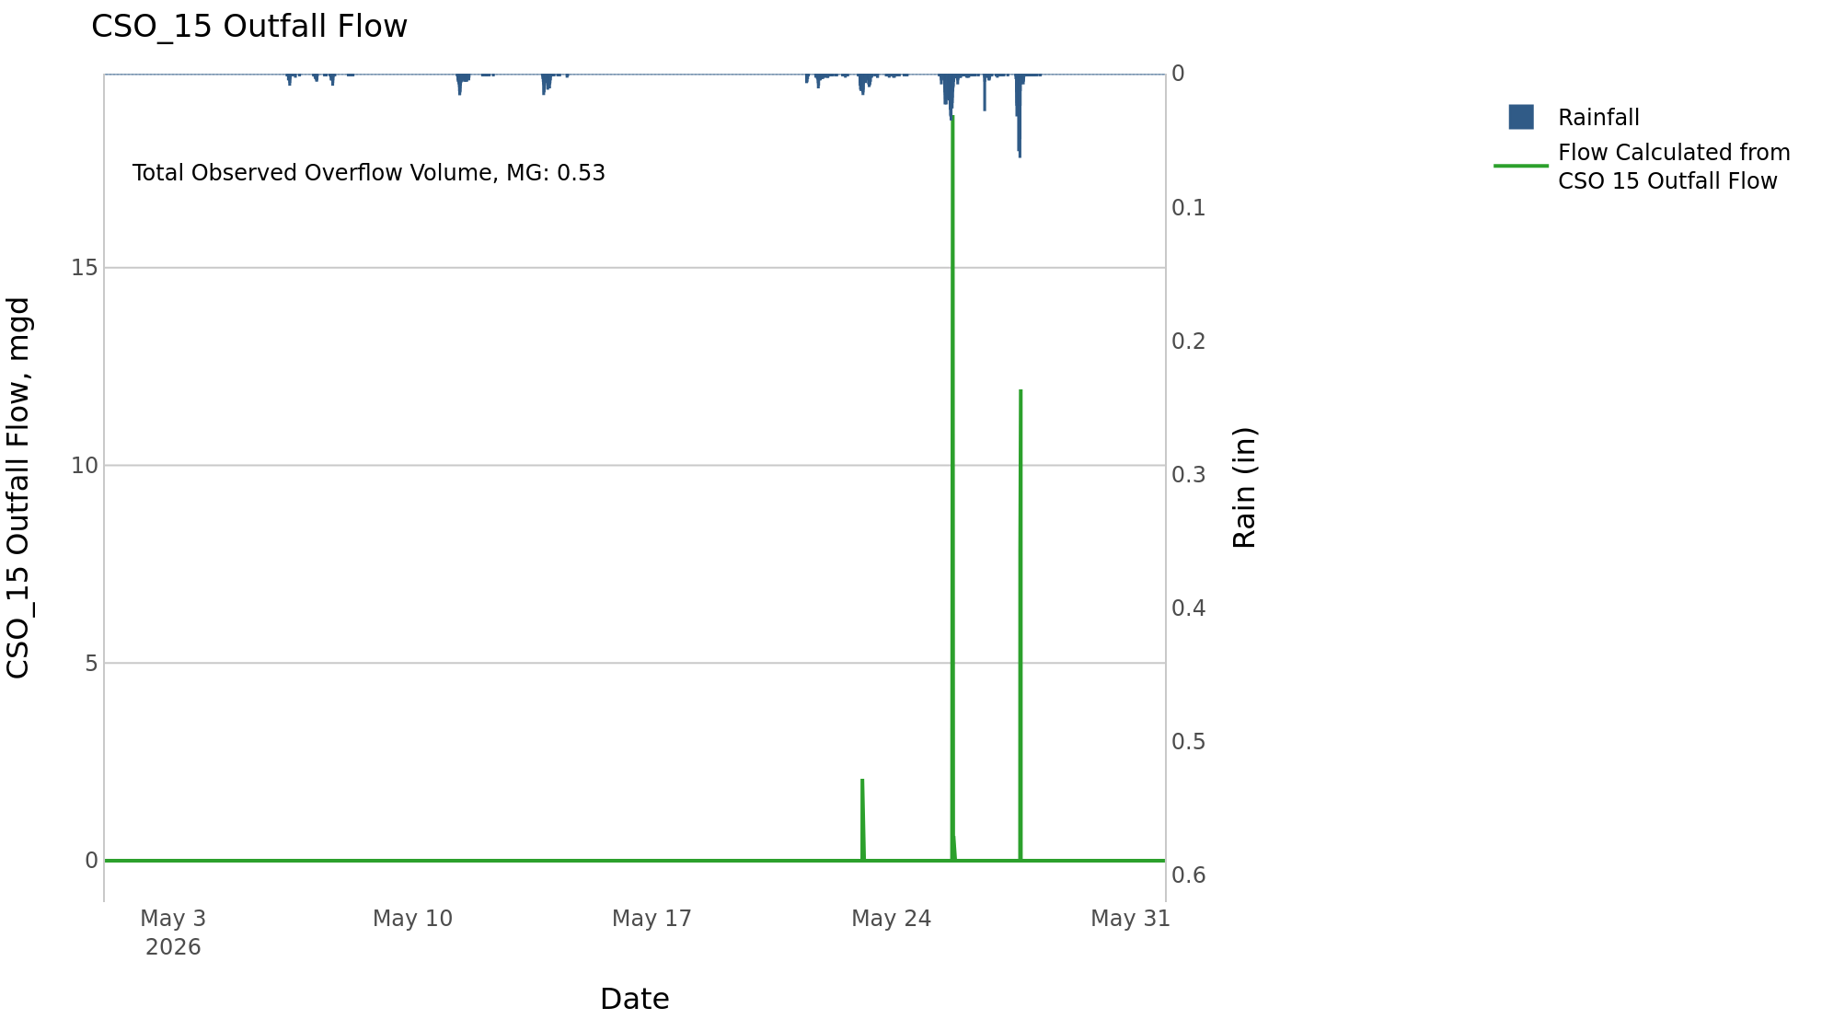
CSO_15 May2026 Overflow Events

 | start | end | Rainfall, in | Observed Overflow Volume, mg | overflow_duration_hours
2026May23 | 2026-05-23 | 2026-05-27 | 3.74 | 0.53 | 2.2

Note: Activations are defined by CSO volumes > 0.01 MG and an interevent time of 72 hours

CSO_16-Events

CSO_16 May2026 Overflow Events

No Overflow Events Recorded for CSO_16

Note: Activations are defined by CSO volumes > 0.01 MG and an interevent time of 72 hours

CSO_17-Events

CSO_17 May2026 Overflow Events

No Overflow Events Recorded for CSO_17
CSO_17 Bad Data
error_type | time_first_found | time_last_found
flatline | 2026-04-30 | 2026-05-04
flatline | 2026-05-10 | 2026-05-11
flatline | 2026-05-20 | 2026-05-22
flatline | 2026-05-25 | 2026-05-27
flatline | 2026-05-27 | 2026-05-30
flatline | 2026-05-30 | 2026-06-01
flatline | 2026-06-01 | 2026-06-02

Note: Activations are defined by CSO volumes > 0.01 MG and an interevent time of 72 hours

CSO_18-Events

CSO_18 May2026 Overflow Events

No Overflow Events Recorded for CSO_18

Note: Activations are defined by CSO volumes > 0.01 MG and an interevent time of 72 hours

CSO_19-Events

CSO_19 May2026 Overflow Events

No Overflow Events Recorded for CSO_19
CSO_19 Bad Data
error_type | time_first_found | time_last_found
flatline | 2026-05-20 | 2026-05-28
flatline | 2026-05-28 | 2026-05-30
flatline | 2026-04-30 | 2026-05-09
flatline | 2026-05-09 | 2026-05-11
flatline | 2026-05-11 | 2026-05-19
flatline | 2026-05-19 | 2026-05-20
flatline | 2026-06-01 | 2026-06-02
negative | 2026-03-11 | 2026-06-02

Note: Activations are defined by CSO volumes > 0.01 MG and an interevent time of 72 hours

CSO_20-Events
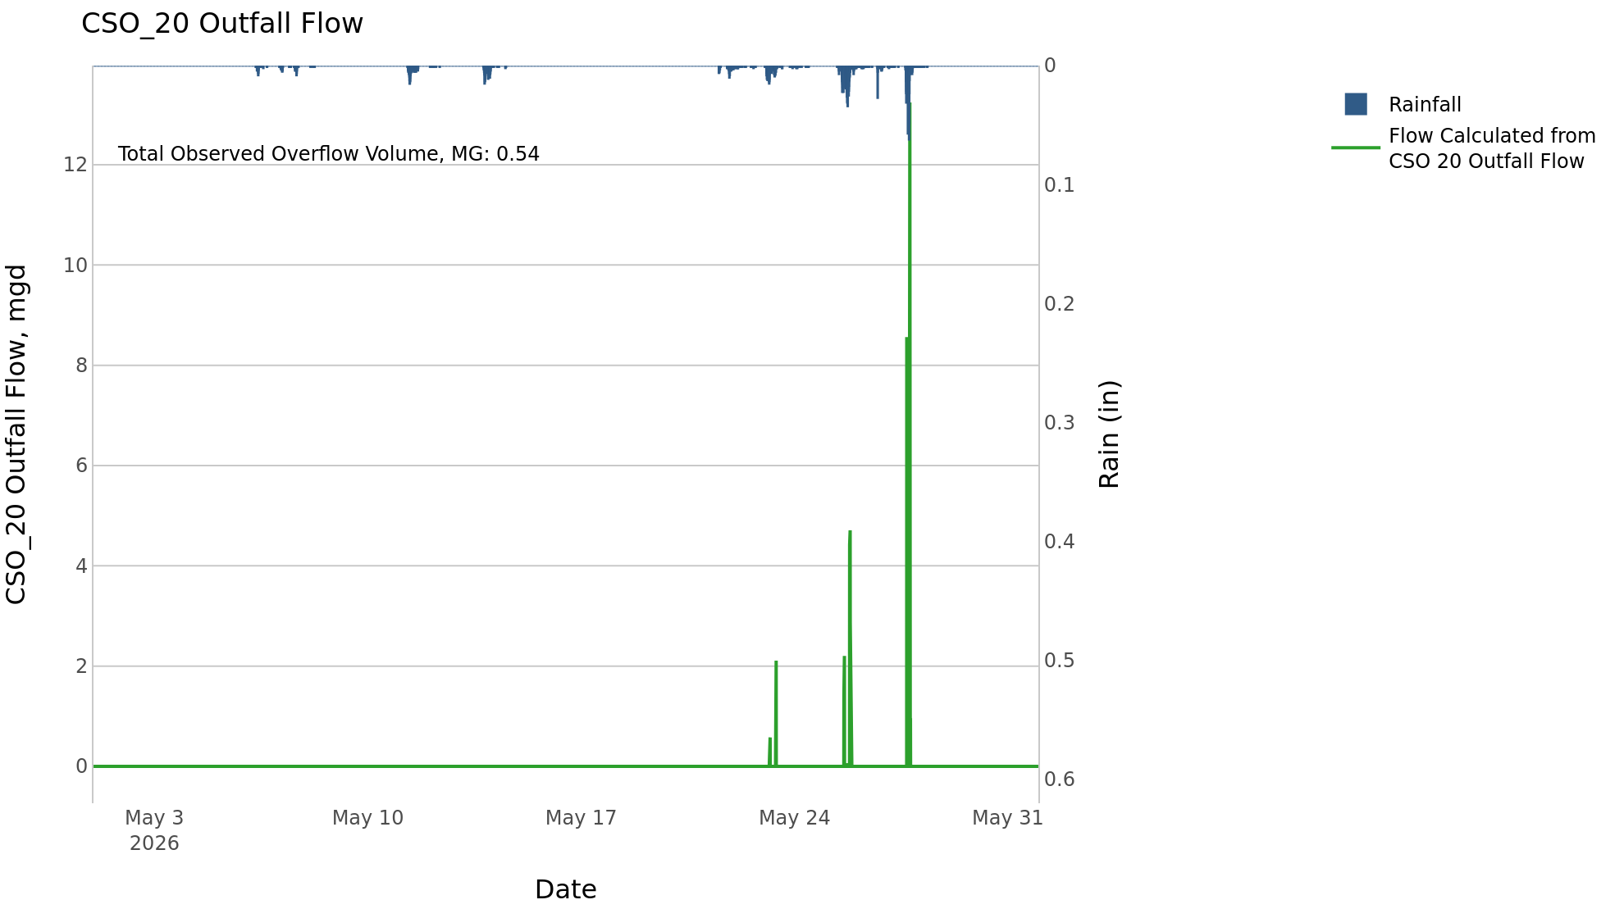
CSO_20 May2026 Overflow Events

 | start | end | Rainfall, in | Observed Overflow Volume, mg | overflow_duration_hours
2026May23 | 2026-05-23 | 2026-05-27 | 3.74 | 0.54 | 4.8

Note: Activations are defined by CSO volumes > 0.01 MG and an interevent time of 72 hours

CSO_21-Events
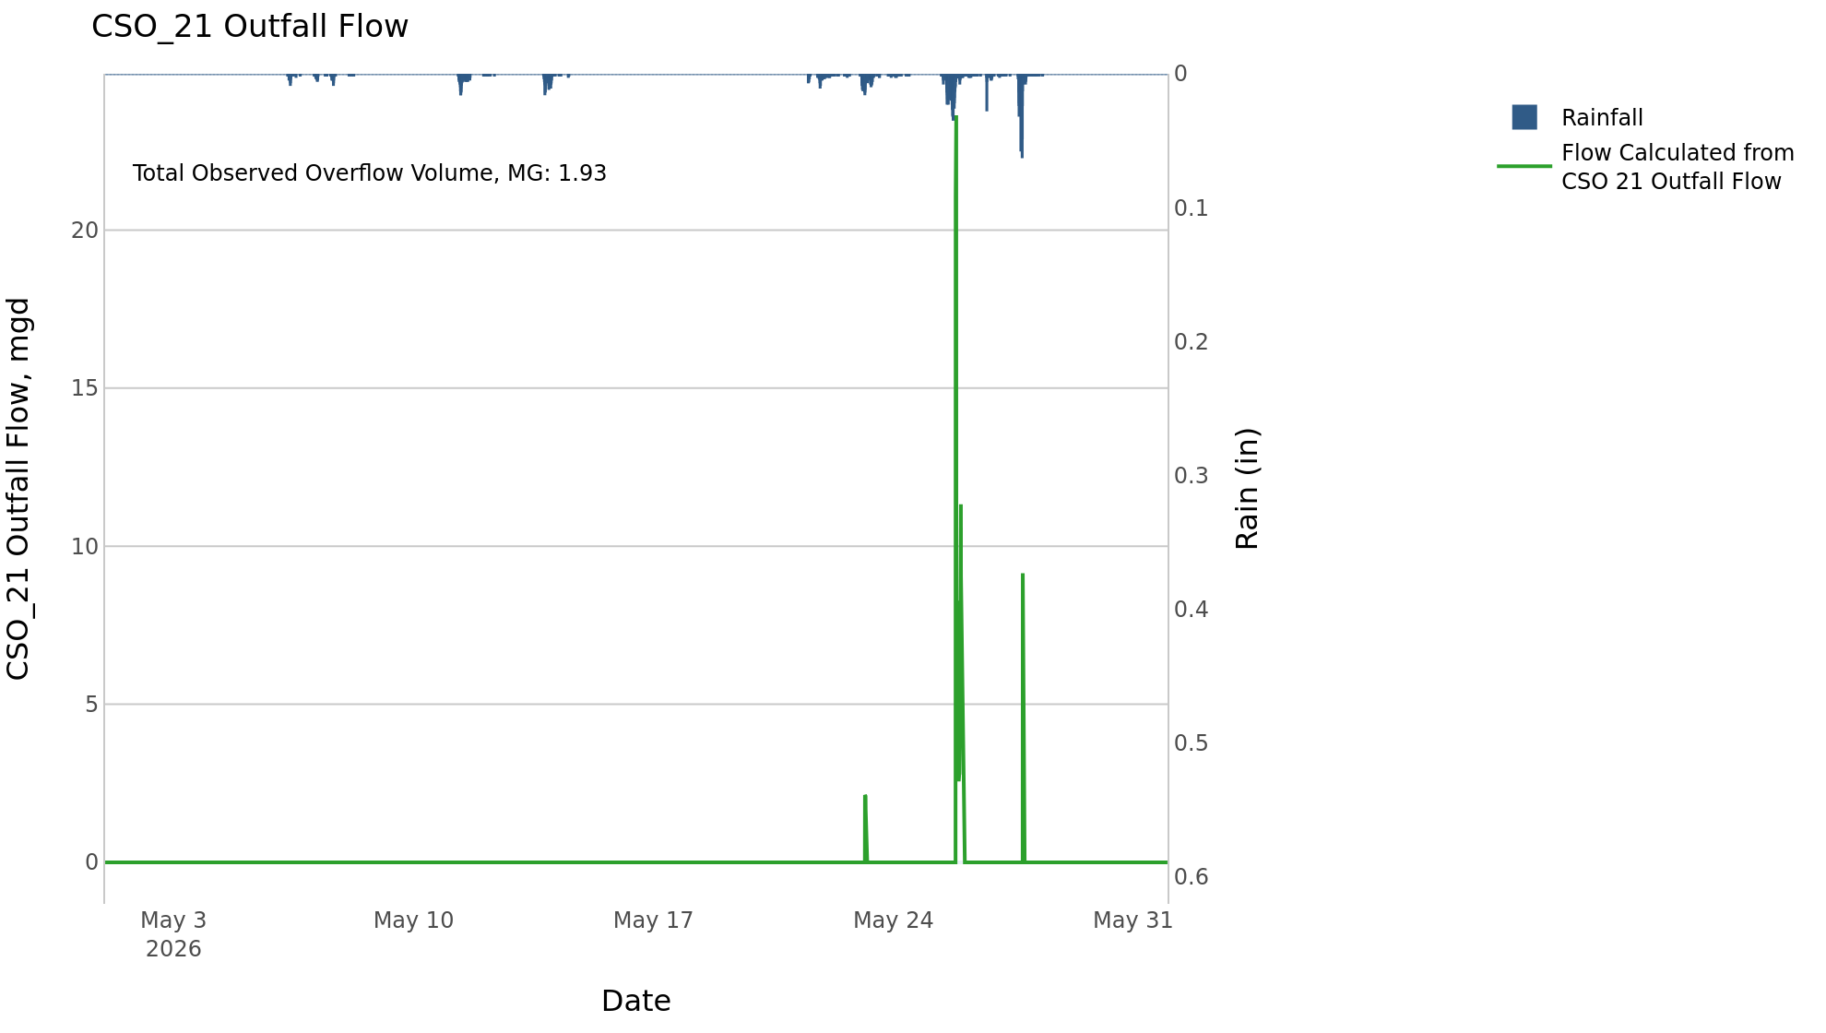
CSO_21 May2026 Overflow Events

 | start | end | Rainfall, in | Observed Overflow Volume, mg | overflow_duration_hours
2026May23 | 2026-05-23 | 2026-05-27 | 3.77 | 1.9 | 7.4

Note: Activations are defined by CSO volumes > 0.01 MG and an interevent time of 72 hours
Note: Any observed negative flows could be backflow from James River

CSO_24-Events
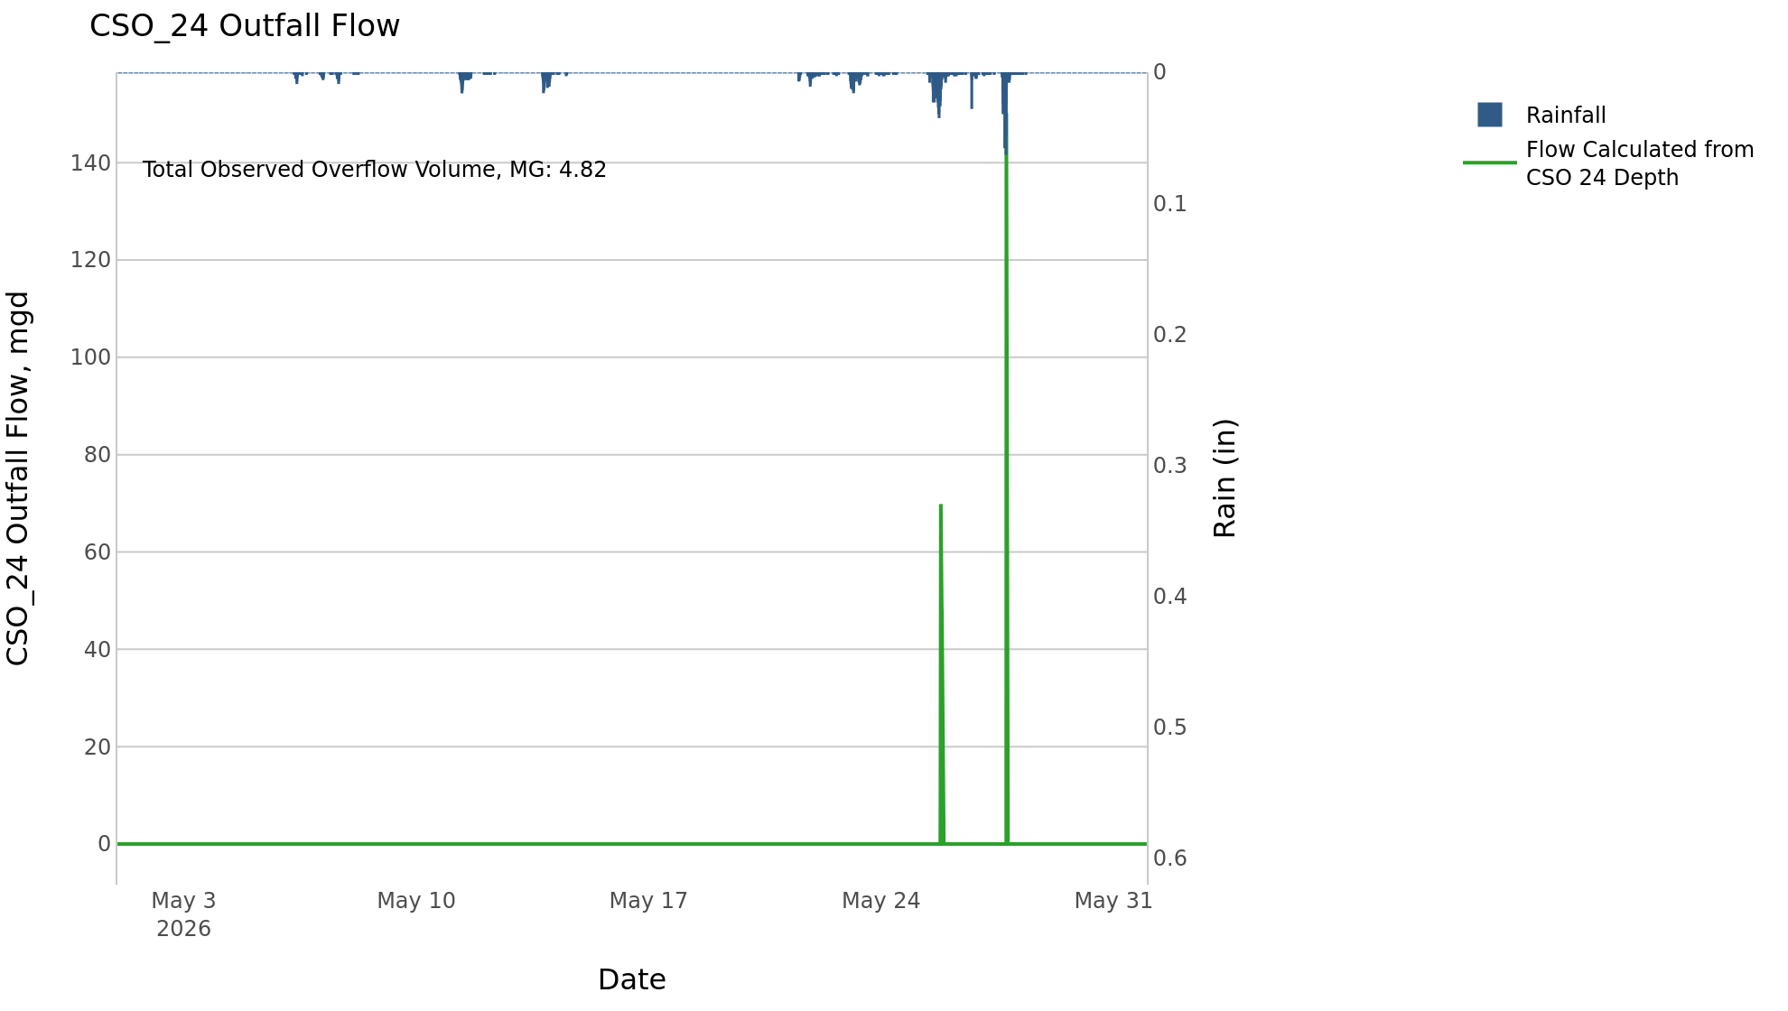
CSO_24 May2026 Overflow Events

 | start | end | Rainfall, in | Observed Overflow Volume, mg | overflow_duration_hours
2026May25 | 2026-05-25 | 2026-05-27 | 3.72 | 4.8 | 2.3

Note: Activations are defined by CSO volumes > 0.01 MG and an interevent time of 72 hours

CSO_25-Events

CSO_25 May2026 Overflow Events

No Overflow Events Recorded for CSO_25
CSO_25 Bad Data
error_type | time_first_found | time_last_found
flatline | 2026-05-01 | 2026-05-03
flatline | 2026-05-09 | 2026-05-11
flatline | 2026-05-11 | 2026-05-13
flatline | 2026-05-16 | 2026-05-18
flatline | 2026-05-20 | 2026-05-21
flatline | 2026-05-21 | 2026-05-23
flatline | 2026-05-23 | 2026-05-25
flatline | 2026-05-30 | 2026-06-01

Note: Activations are defined by CSO volumes > 0.01 MG and an interevent time of 72 hours

CSO_26-Events

CSO_26 May2026 Overflow Events

No Overflow Events Recorded for CSO_26
CSO_26 Bad Data
error_type | time_first_found | time_last_found
flatline | 2026-04-26 | 2026-05-06
flatline | 2026-05-06 | 2026-05-11
flatline | 2026-05-24 | 2026-05-25
flatline | 2026-05-12 | 2026-05-13
flatline | 2026-05-14 | 2026-05-17
flatline | 2026-05-17 | 2026-05-21
flatline | 2026-05-31 | 2026-06-02

Note: Activations are defined by CSO volumes > 0.01 MG and an interevent time of 72 hours

CSO_31-Events
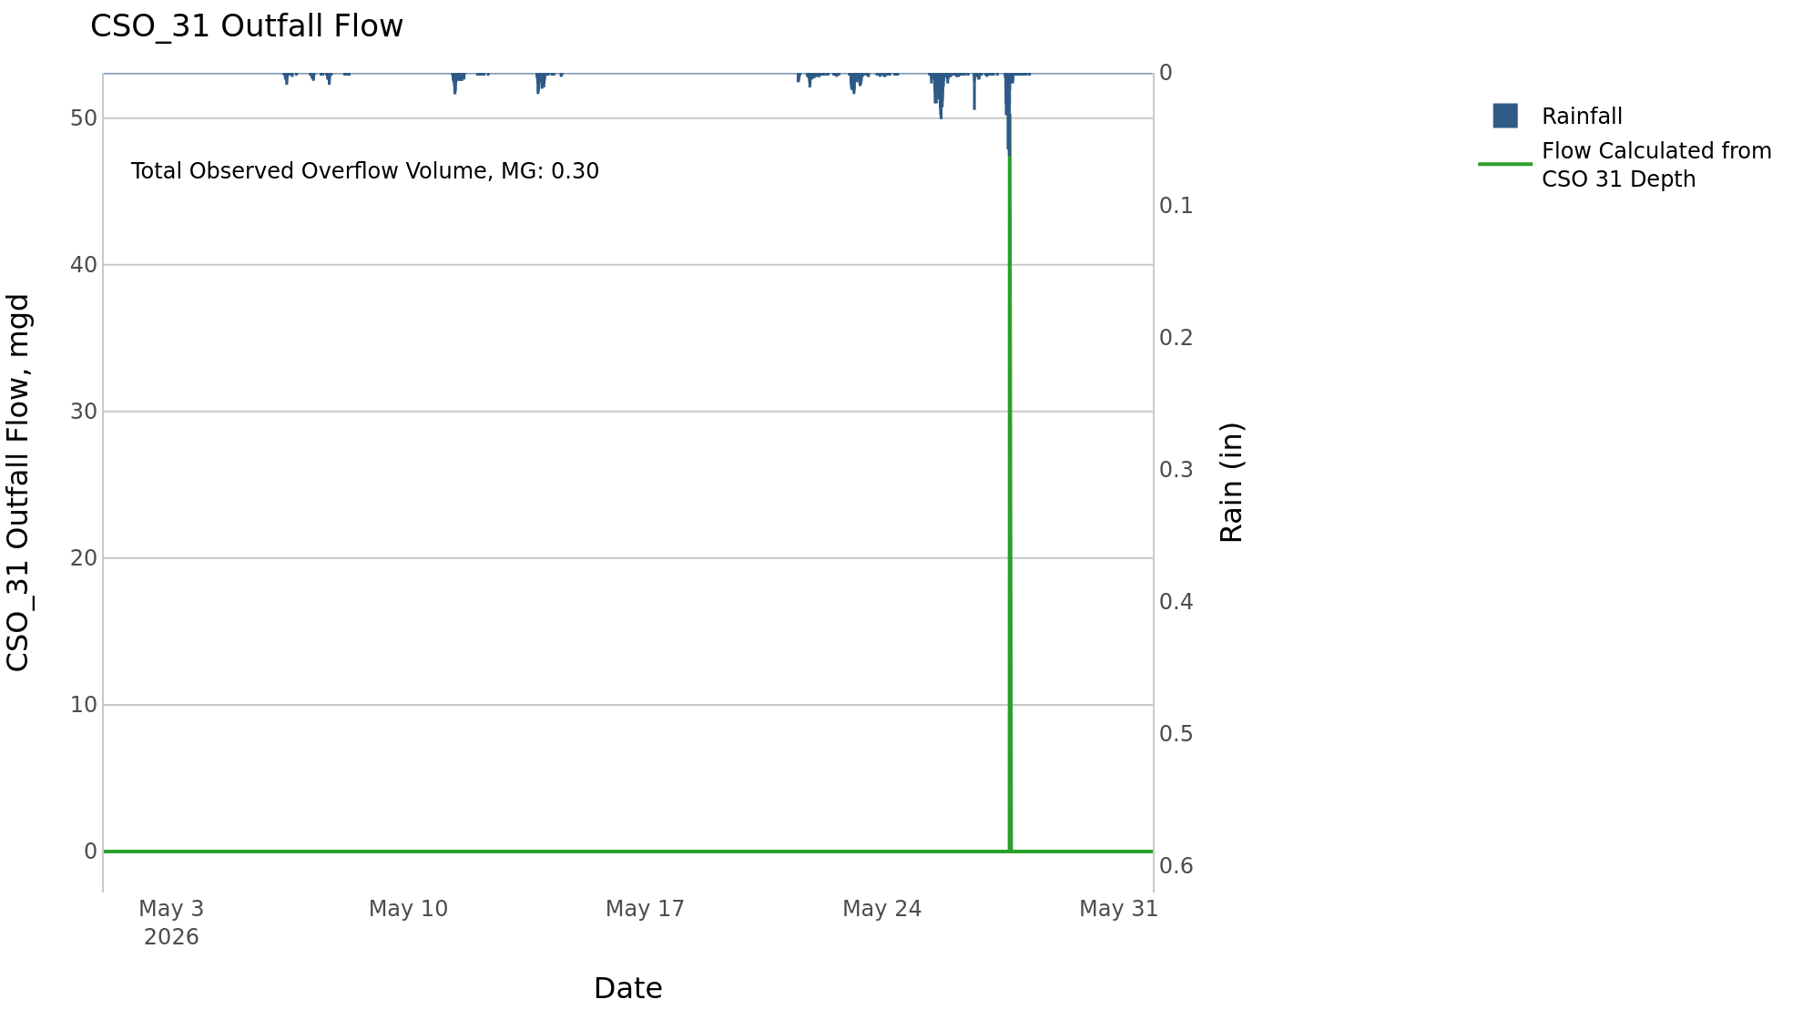
CSO_31 May2026 Overflow Events

 | start | end | Rainfall, in | Observed Overflow Volume, mg | overflow_duration_hours
2026May27 | 2026-05-27 | 2026-05-27 | 3 | 0.3 | 0.17

Note: Activations are defined by CSO volumes > 0.01 MG and an interevent time of 72 hours

CSO_33-Events

CSO_33 May2026 Overflow Events

No Overflow Events Recorded for CSO_33

Note: Activations are defined by CSO volumes > 0.01 MG and an interevent time of 72 hours

CSO_34-Events
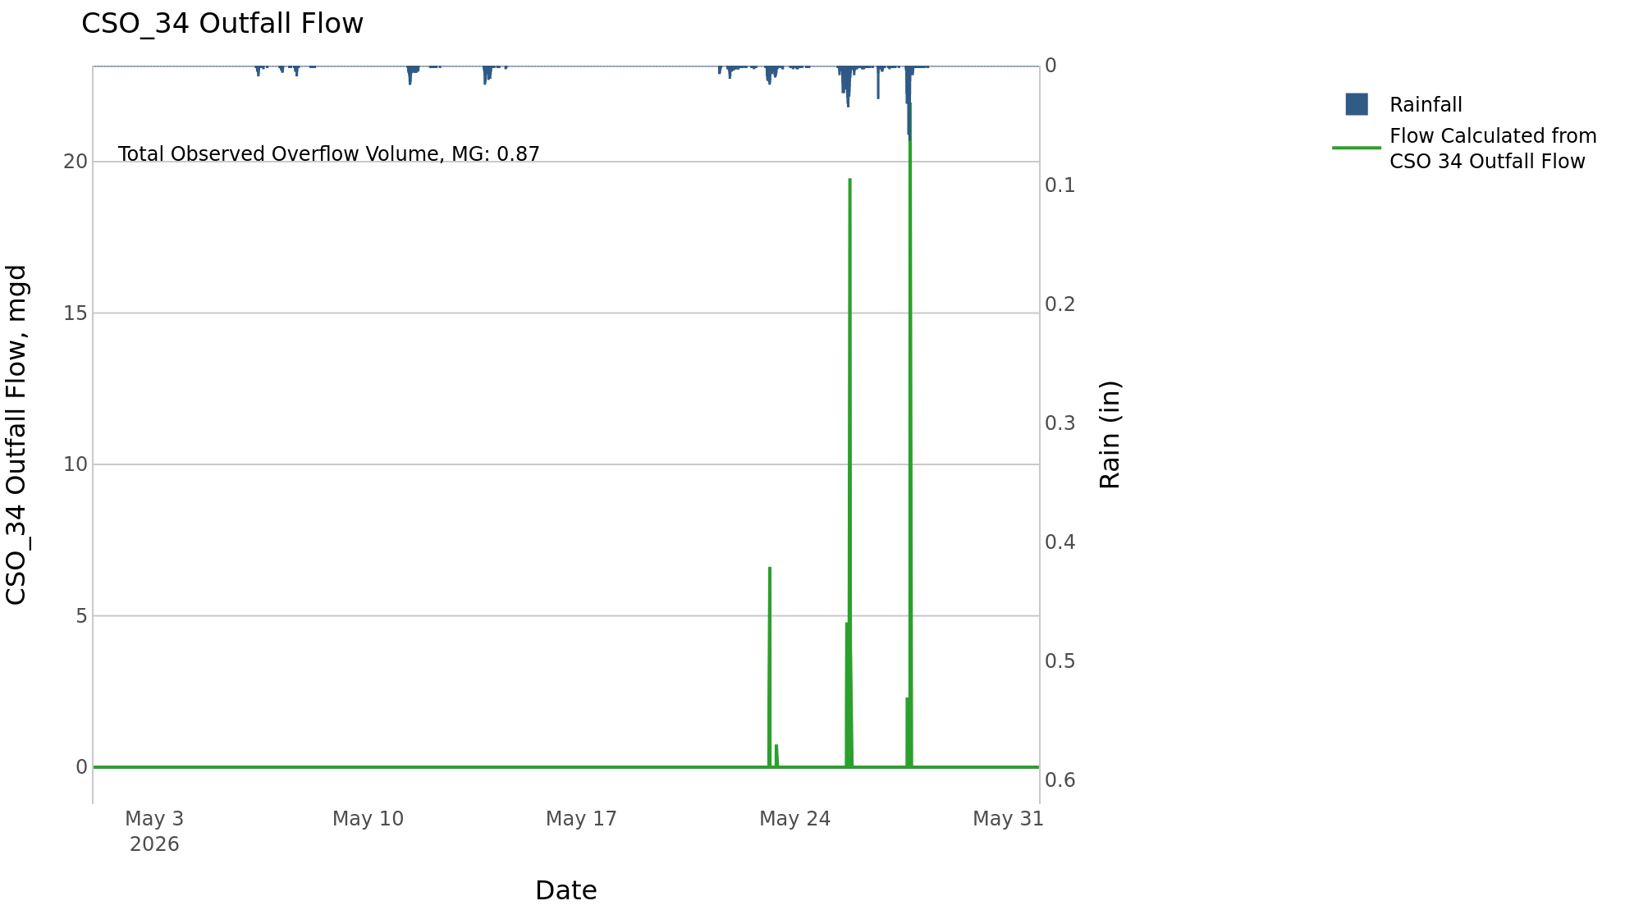
CSO_34 May2026 Overflow Events

 | start | end | Rainfall, in | Observed Overflow Volume, mg | overflow_duration_hours
2026May23 | 2026-05-23 | 2026-05-27 | 3.74 | 0.87 | 3

Note: Activations are defined by CSO volumes > 0.01 MG and an interevent time of 72 hours

CSO_35-Events
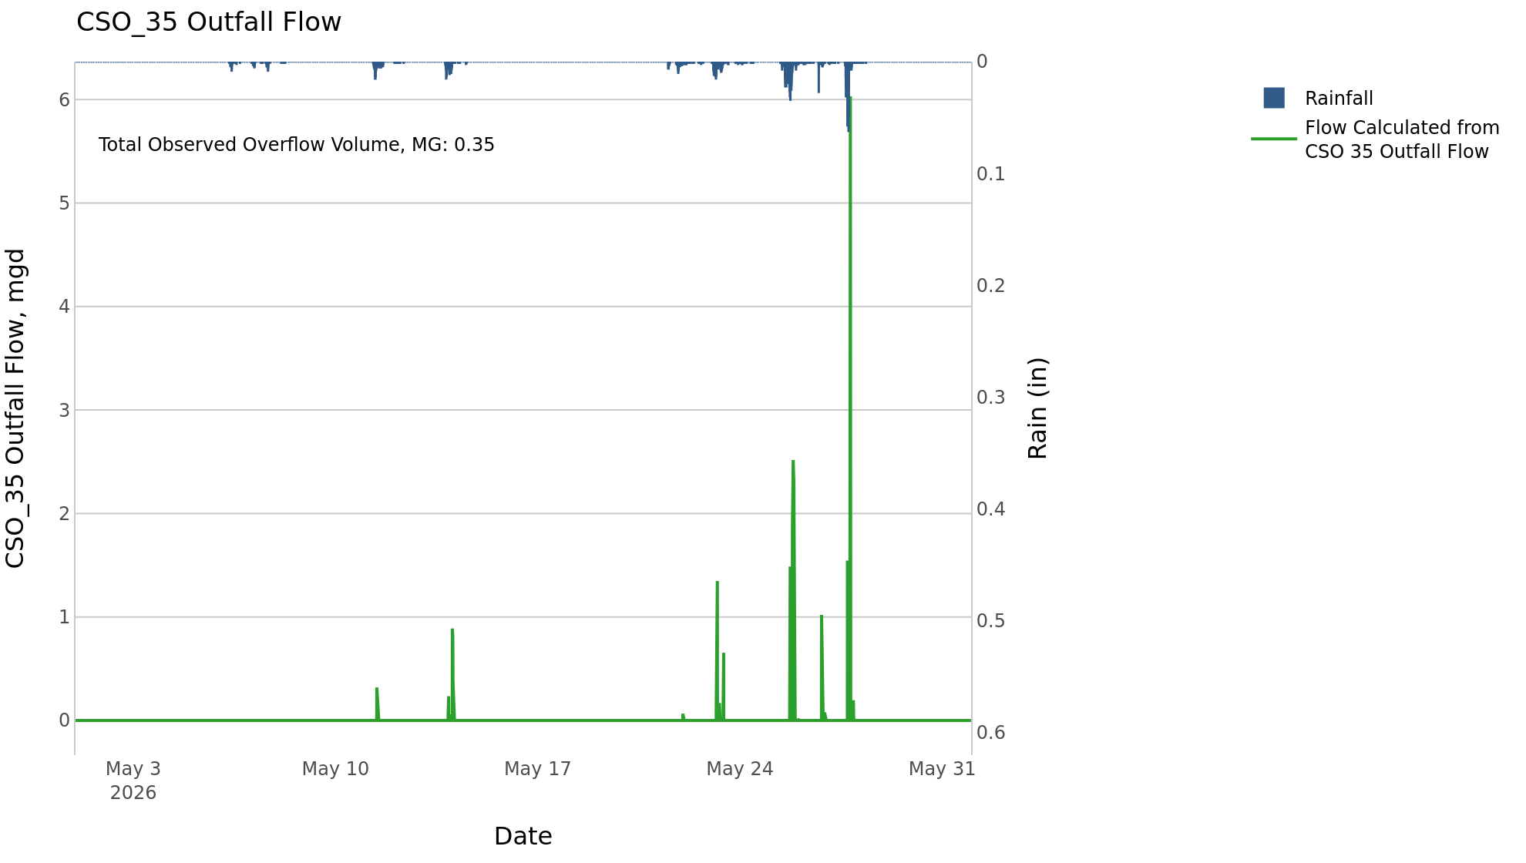
CSO_35 May2026 Overflow Events

 | start | end | Rainfall, in | Observed Overflow Volume, mg | overflow_duration_hours
2026May11 | 2026-05-11 | 2026-05-14 | 0.83 | 0.03 | 2.8
2026May22 | 2026-05-22 | 2026-05-27 | 3.83 | 0.32 | 9

Note: Activations are defined by CSO volumes > 0.01 MG and an interevent time of 72 hours

CSO_39-Events
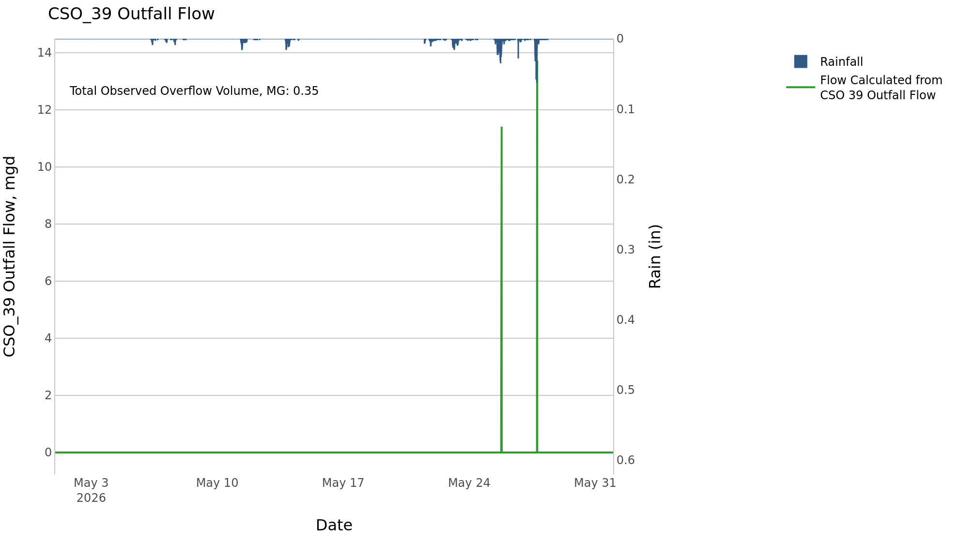
CSO_39 May2026 Overflow Events

 | start | end | Rainfall, in | Observed Overflow Volume, mg | overflow_duration_hours
2026May25 | 2026-05-25 | 2026-05-27 | 3.72 | 0.35 | 0.92

Note: Activations are defined by CSO volumes > 0.01 MG and an interevent time of 72 hours

CSO_40-Events
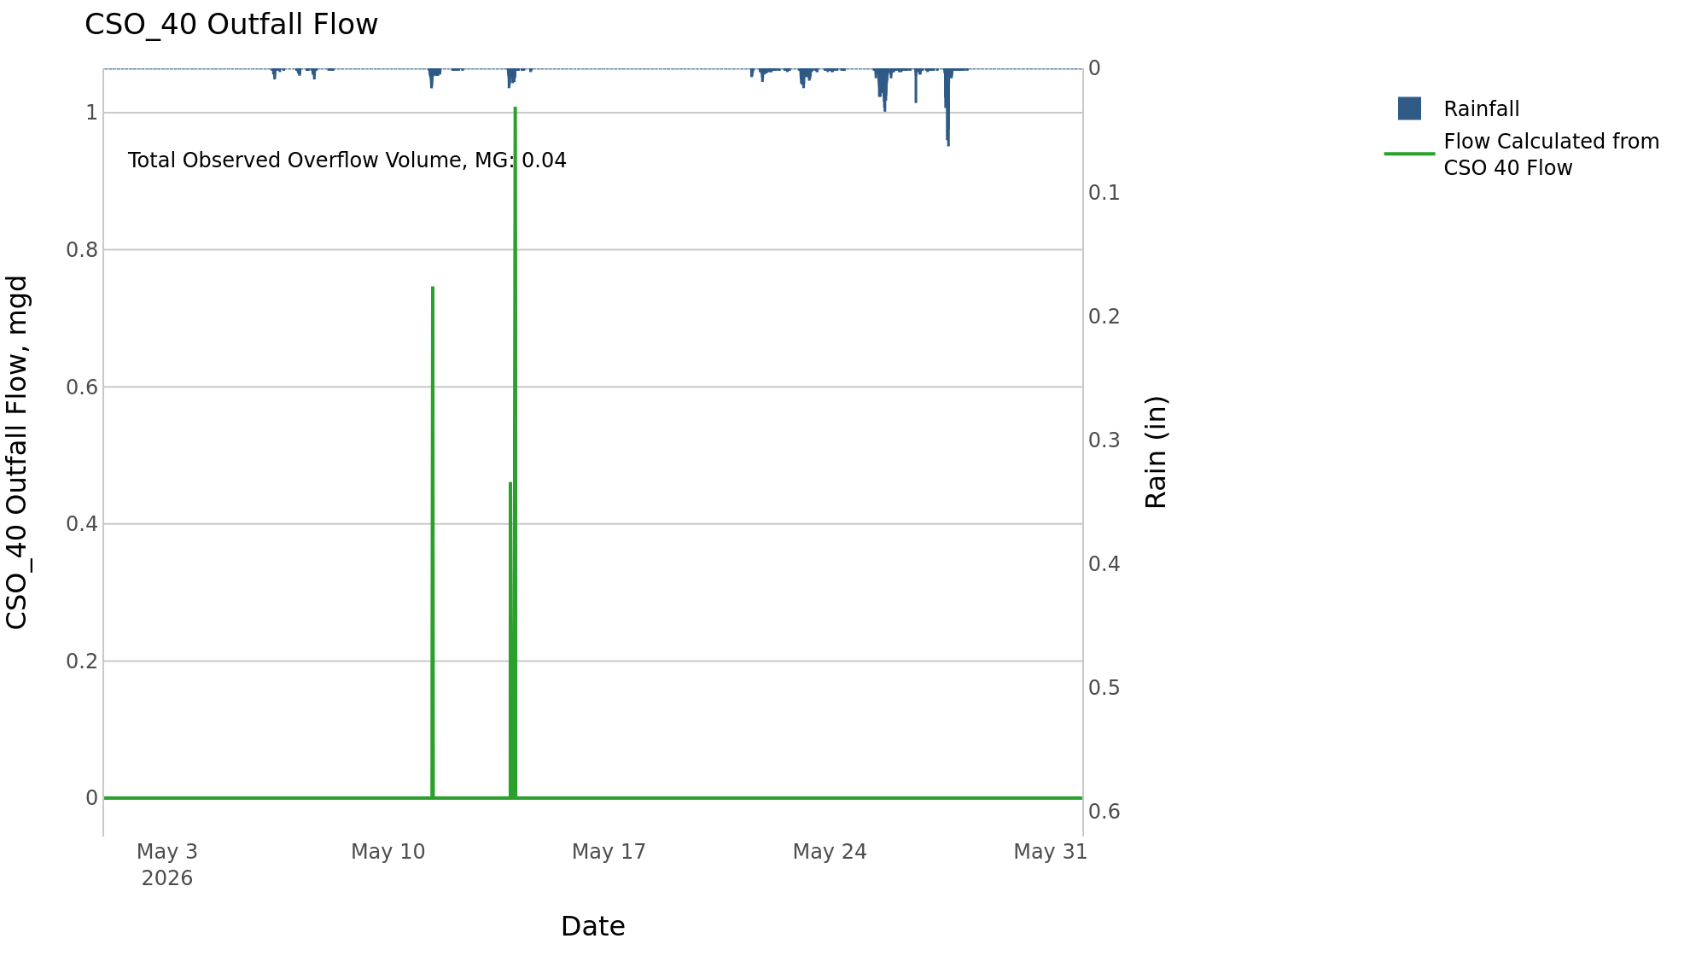
CSO_40 May2026 Overflow Events

 | start | end | Rainfall, in | Observed Overflow Volume, mg | overflow_duration_hours
2026May11 | 2026-05-11 | 2026-05-14 | 0.83 | 0.04 | 2

Note: Activations are defined by CSO volumes > 0.01 MG and an interevent time of 72 hours

