CSO Summary
Jun2026 CSO Report
 | Observed
Jun2026 CSO Report
 | Observed
CSO_06 | 113
Jun2026 Overflow Summary
163.0 MG Overflow Observed
 | Sensor Type | % of Report with Good Data | Number of Observed Activations | Observed Overflow Volume, MG
CSO_04 | Flow | 100 | 1 | 0.04
CSO_05 | Flow | 100 | 3 | 0.91
CSO_06 | Flow | 100 | 3 | 113
CSO_07 | Flow | 100 | 3 | 0.83
CSO_09 | Level | 100 | 1 | 0.02
CSO_10 | Level | 100 | 0 | 0
CSO_11 | Level | 100 | 3 | 2
CSO_12 | Flow | 100 | 3 | 0.14
CSO_14 | Level | 100 | 3 | 2.6
CSO_15 | Flow | 100 | 3 | 2.2
CSO_16 | Level | 100 | 0 | 0
CSO_17 | Level | 64 | 0 | 0
CSO_18 | Level | 100 | 0 | 0
CSO_19 | Level | 100 | 0 | 0
CSO_20 | Flow | 100 | 3 | 0.74
CSO_21 | Flow | 100 | 3 | 8.6
CSO_24 | Level | 100 | 3 | 17
CSO_25 | Level | 100 | 0 | 0
CSO_26 | Level | 100 | 0 | 0
CSO_31 | Level | 100 | 3 | 4.5
CSO_33 | Level | 100 | 0 | 0
CSO_34 | Flow | 100 | 3 | 4.2
CSO_35 | Flow | 100 | 3 | 1.3
CSO_39 | Flow | 100 | 3 | 1.3
CSO_40 | Flow | 100 | 2 | 3
System | N/A | N/A | 3 | 163

CSO_04-Events
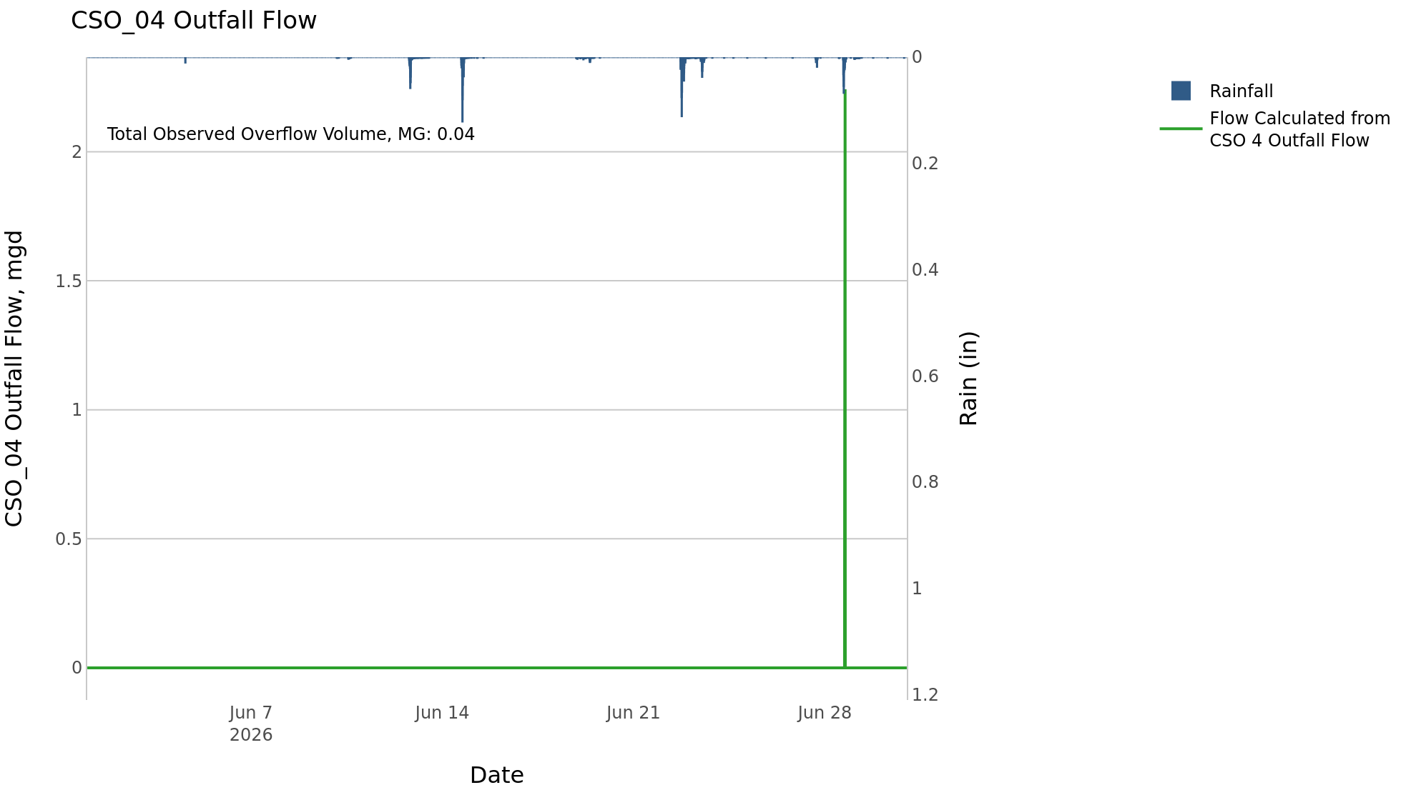
CSO_04 Jun2026 Overflow Events

 | start | end | Rainfall, in | Observed Overflow Volume, mg | overflow_duration_hours
2026Jun28 | 2026-06-28 | 2026-06-28 | 2.09 | 0.04 | 0.58

Note: Activations are defined by CSO volumes > 0.01 MG and an interevent time of 72 hours
Note: Any observed negative flows could be backflow from James River

CSO_05-Events
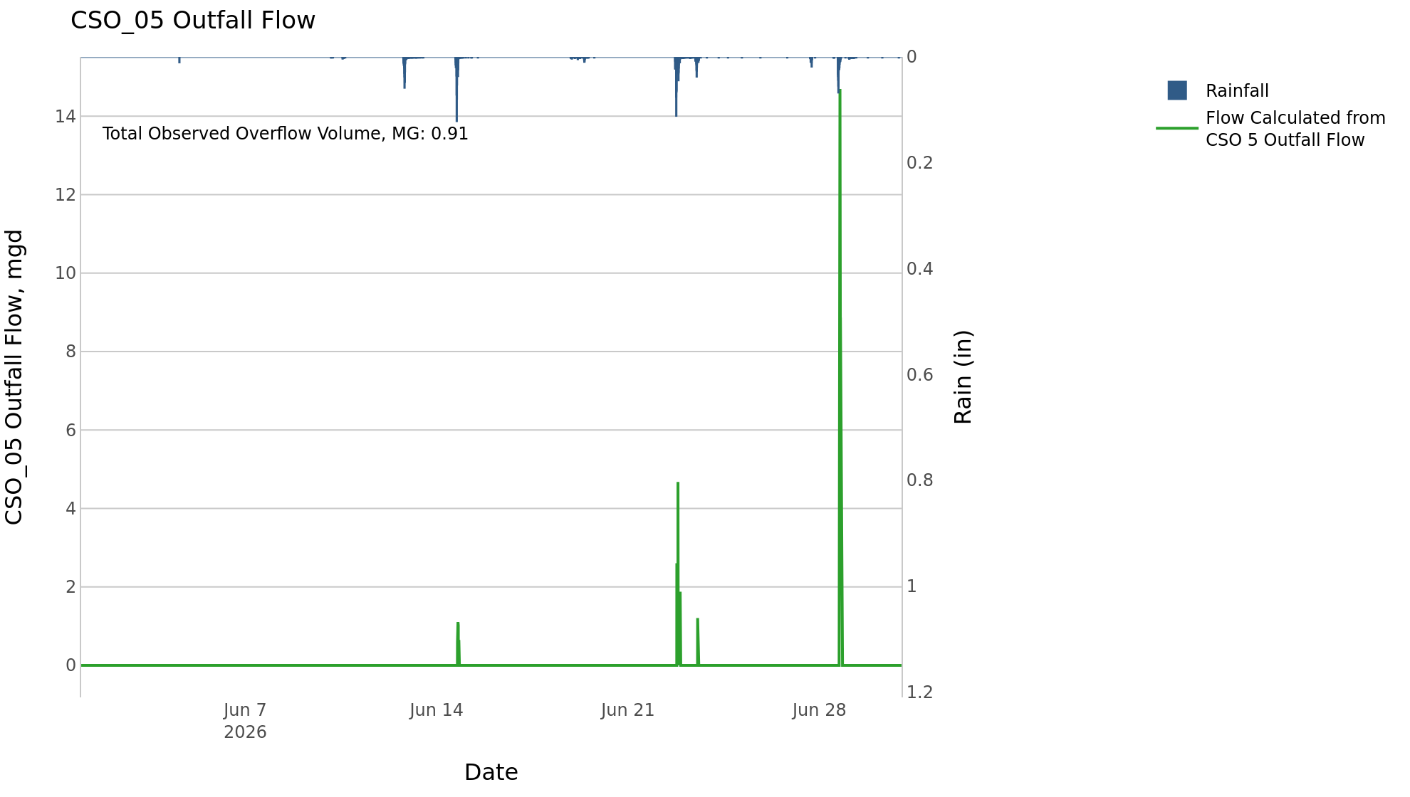
CSO_05 Jun2026 Overflow Events

 | start | end | Rainfall, in | Observed Overflow Volume, mg | overflow_duration_hours
2026Jun14 | 2026-06-14 | 2026-06-14 | 1.68 | 0.04 | 1
2026Jun22 | 2026-06-22 | 2026-06-23 | 1.49 | 0.11 | 1.8
2026Jun28 | 2026-06-28 | 2026-06-28 | 2.09 | 0.76 | 2

Note: Activations are defined by CSO volumes > 0.01 MG and an interevent time of 72 hours
Note: Any observed negative flows could be backflow from James River

CSO_06-Events
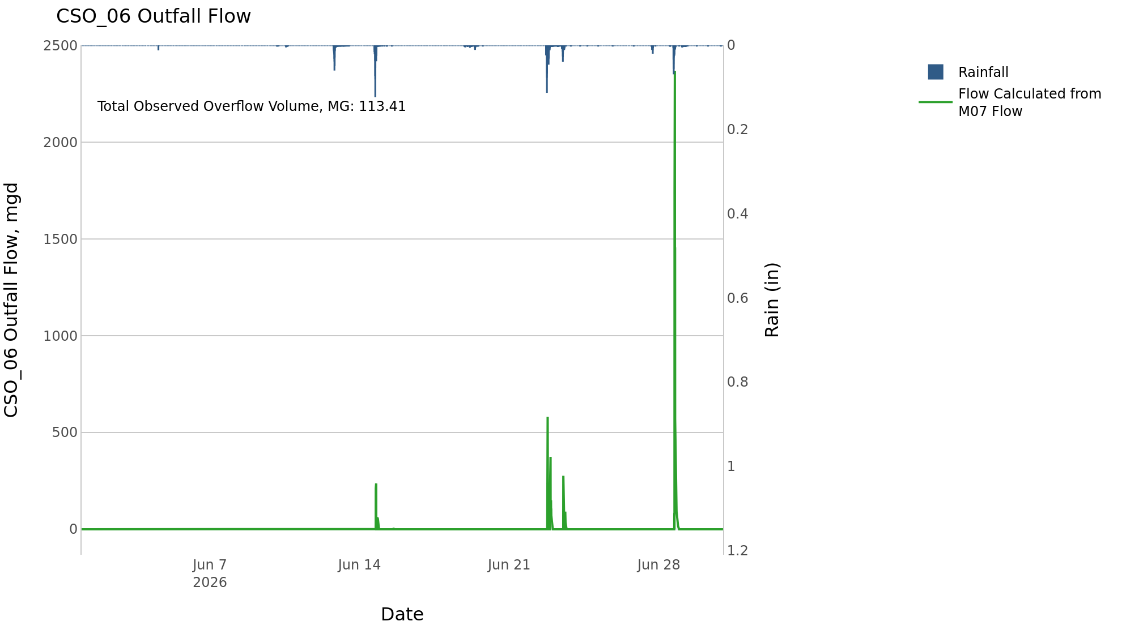
CSO_06 Jun2026 Overflow Events

 | start | end | Rainfall, in | Observed Overflow Volume, mg | overflow_duration_hours
2026Jun14 | 2026-06-14 | 2026-06-15 | 1.68 | 8.1 | 3.2
2026Jun22 | 2026-06-22 | 2026-06-23 | 1.52 | 30 | 5
2026Jun28 | 2026-06-28 | 2026-06-28 | 2.09 | 75 | 4.3

Note: Activations are defined by CSO volumes > 0.01 MG and an interevent time of 72 hours
Note: Any observed negative flows could be due to high James River levels and flow eddies within structure

CSO_07-Events
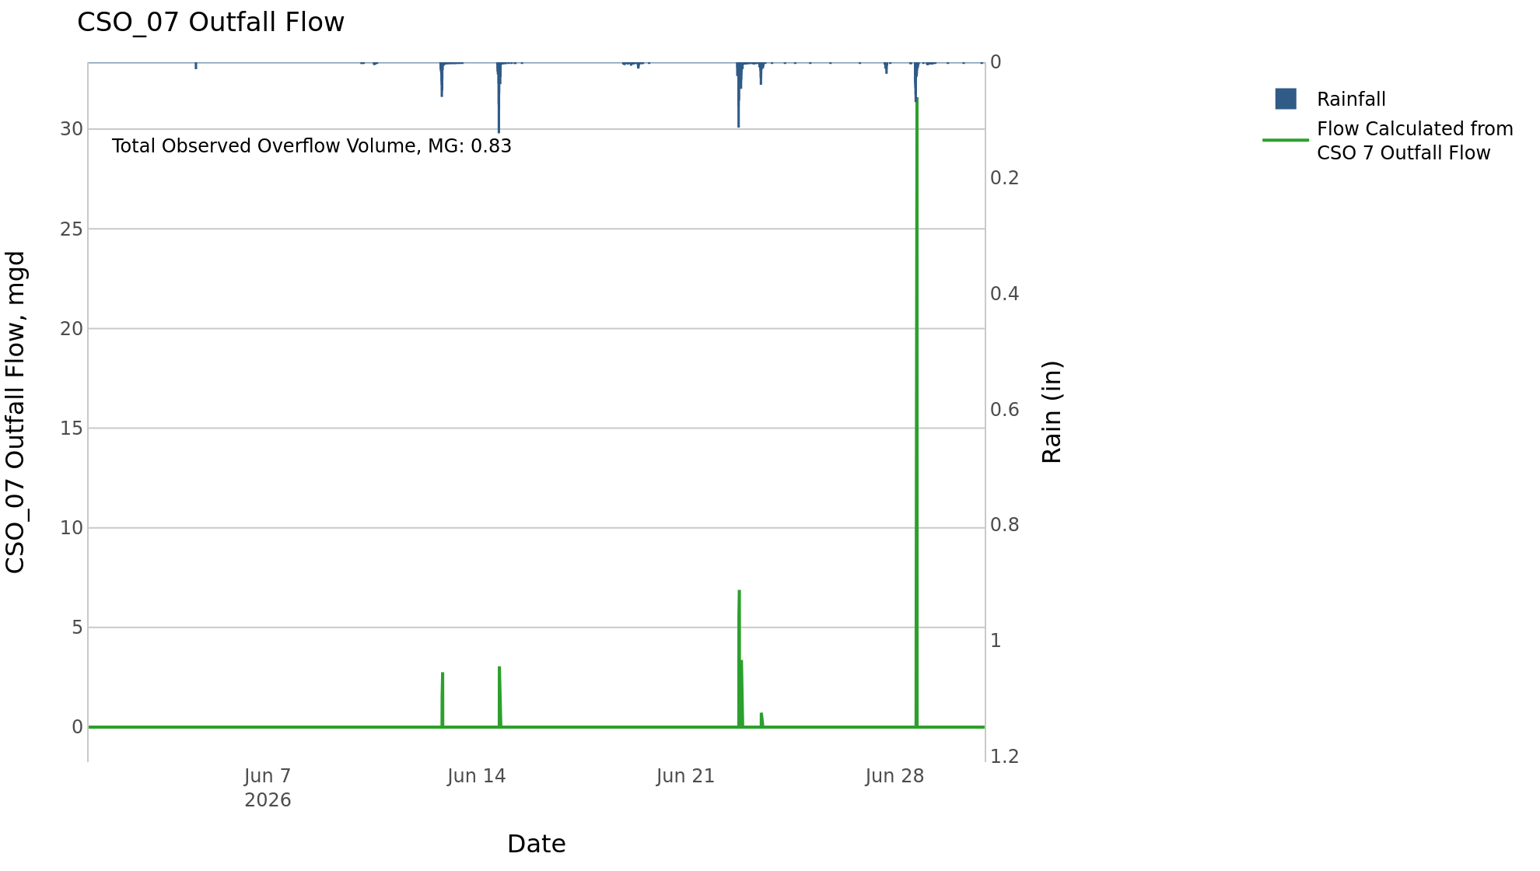
CSO_07 Jun2026 Overflow Events

 | start | end | Rainfall, in | Observed Overflow Volume, mg | overflow_duration_hours
2026Jun12 | 2026-06-12 | 2026-06-14 | 1.71 | 0.08 | 0.83
2026Jun22 | 2026-06-22 | 2026-06-23 | 1.48 | 0.13 | 0.83
2026Jun28 | 2026-06-28 | 2026-06-28 | 2.09 | 0.63 | 0.75

Note: Activations are defined by CSO volumes > 0.01 MG and an interevent time of 72 hours

CSO_09-Events
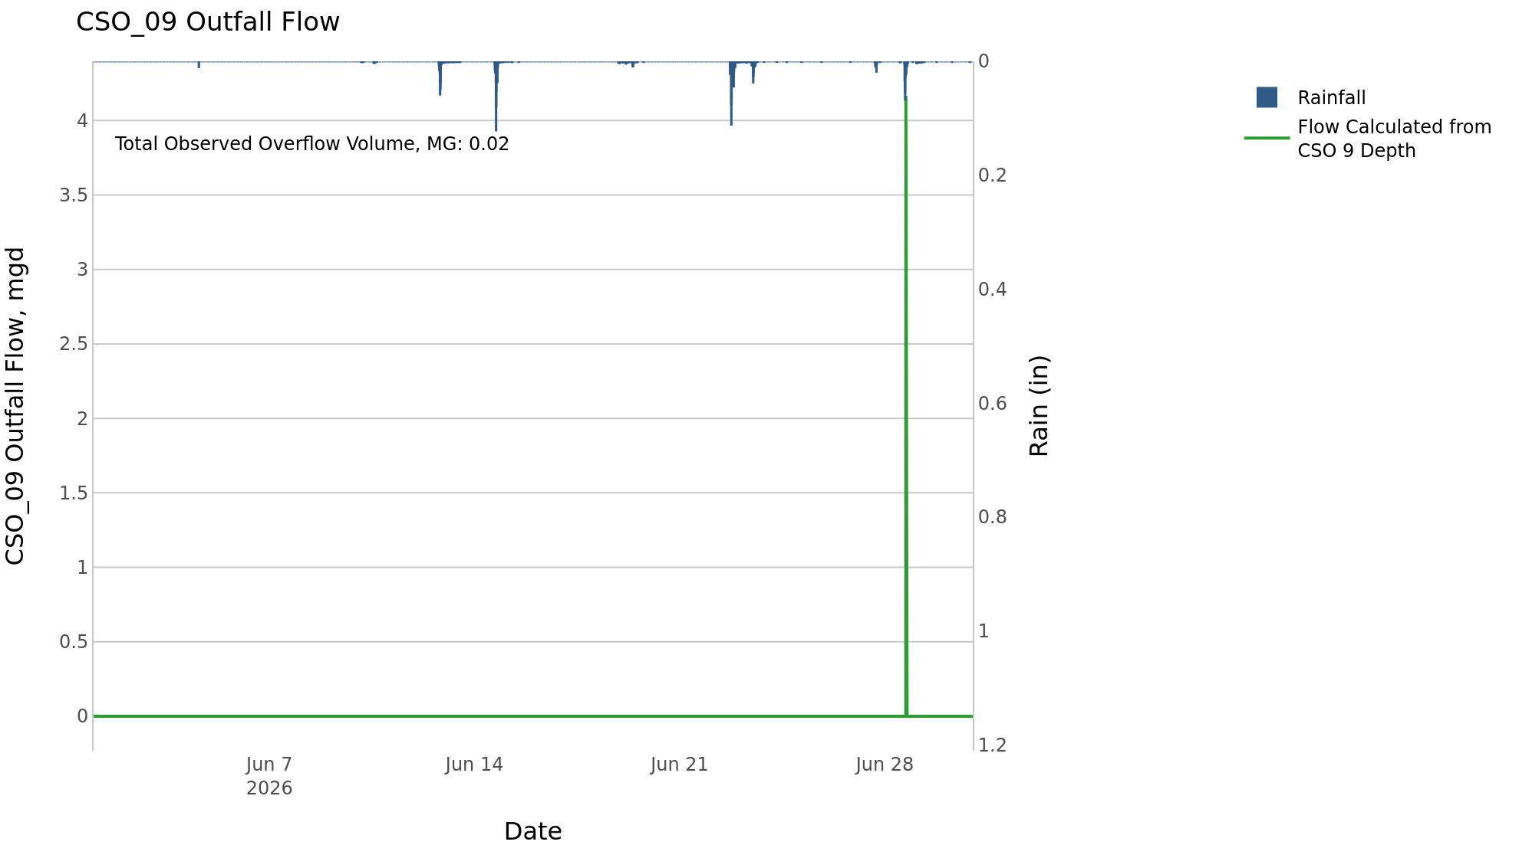
CSO_09 Jun2026 Overflow Events

 | start | end | Rainfall, in | Observed Overflow Volume, mg | overflow_duration_hours
2026Jun28 | 2026-06-28 | 2026-06-28 | 2.09 | 0.02 | 0.17

Note: Activations are defined by CSO volumes > 0.01 MG and an interevent time of 72 hours

CSO_10-Events
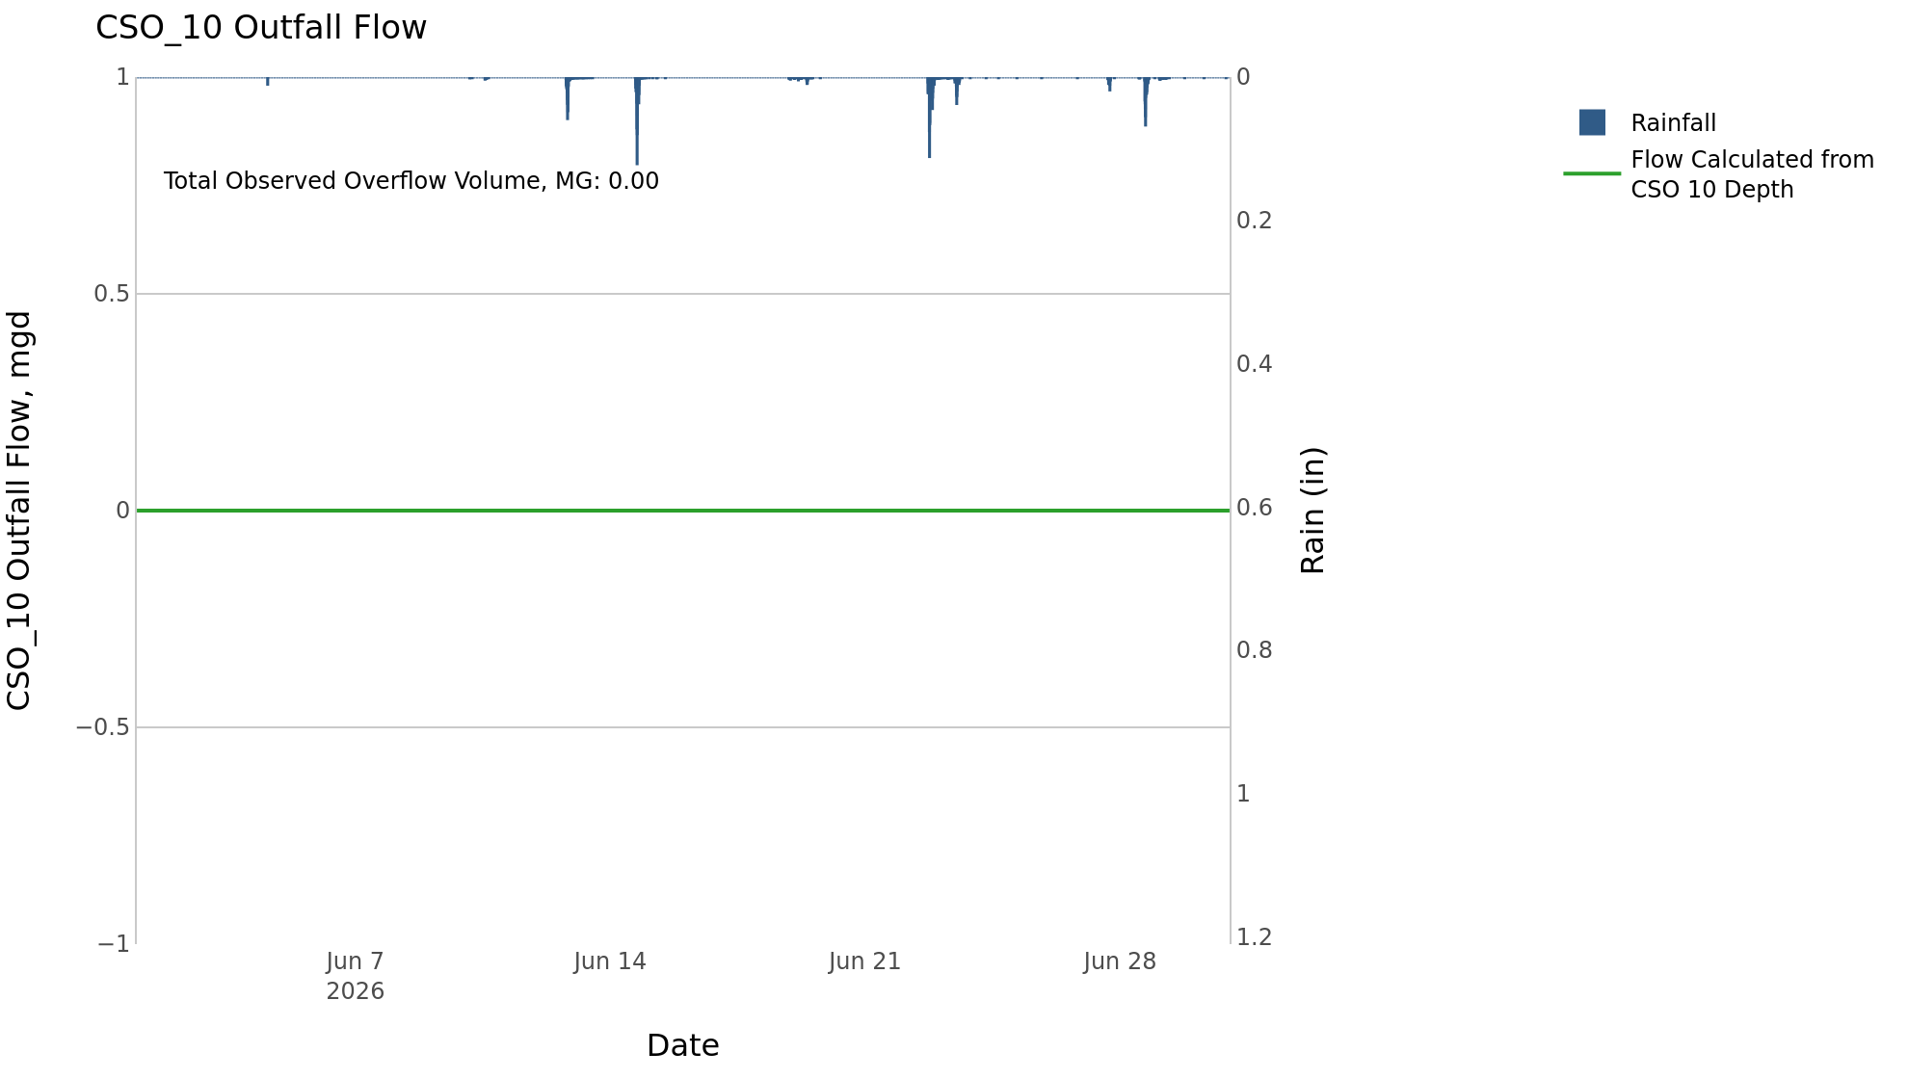
CSO_10 Jun2026 Overflow Events

No Overflow Events Recorded for CSO_10
CSO_10 Bad Data
error_type | time_first_found | time_last_found
flatline | 2026-05-27 | 2026-06-12
flatline | 2026-06-12 | 2026-06-14
flatline | 2026-06-14 | 2026-06-19
flatline | 2026-06-19 | 2026-06-22
flatline | 2026-06-23 | 2026-06-25
negative | 2026-03-10 | 2026-06-25
flatline | 2026-06-25 | 2026-06-28
flatline | 2026-06-28 | 2026-07-02
negative | 2026-06-25 | 2026-07-02

Note: Activations are defined by CSO volumes > 0.01 MG and an interevent time of 72 hours

CSO_11-Events
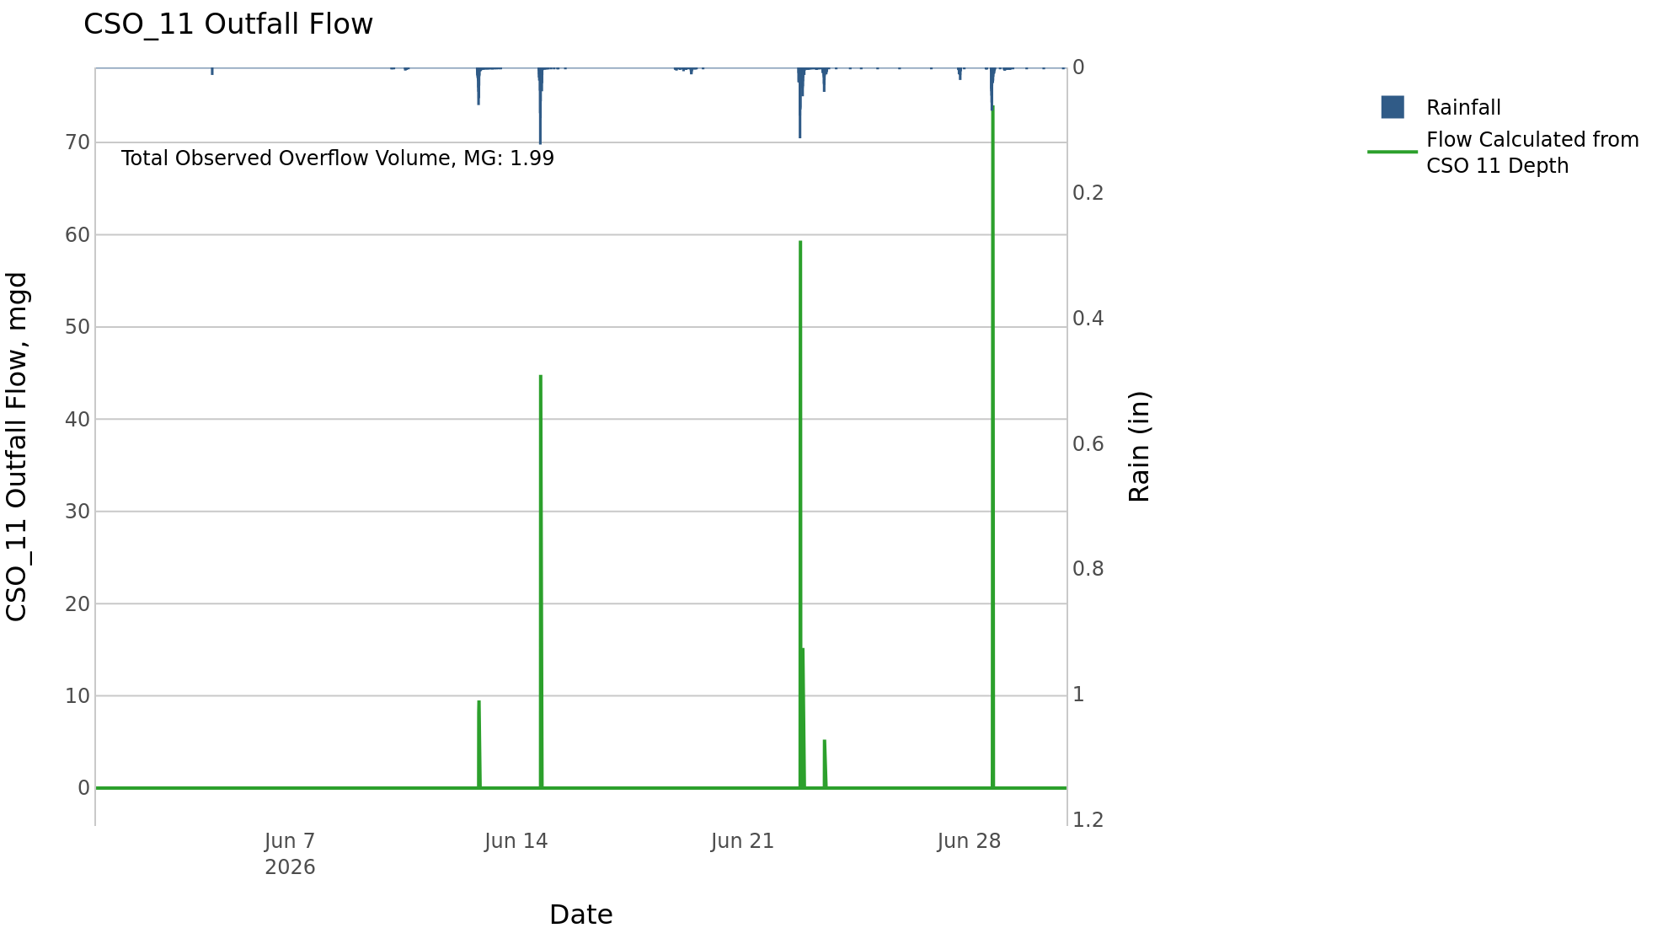
CSO_11 Jun2026 Overflow Events

 | start | end | Rainfall, in | Observed Overflow Volume, mg | overflow_duration_hours
2026Jun12 | 2026-06-12 | 2026-06-14 | 1.71 | 0.37 | 0.58
2026Jun22 | 2026-06-22 | 2026-06-23 | 1.48 | 0.77 | 1
2026Jun28 | 2026-06-28 | 2026-06-28 | 2.09 | 0.85 | 0.75

Note: Activations are defined by CSO volumes > 0.01 MG and an interevent time of 72 hours

CSO_12-Events
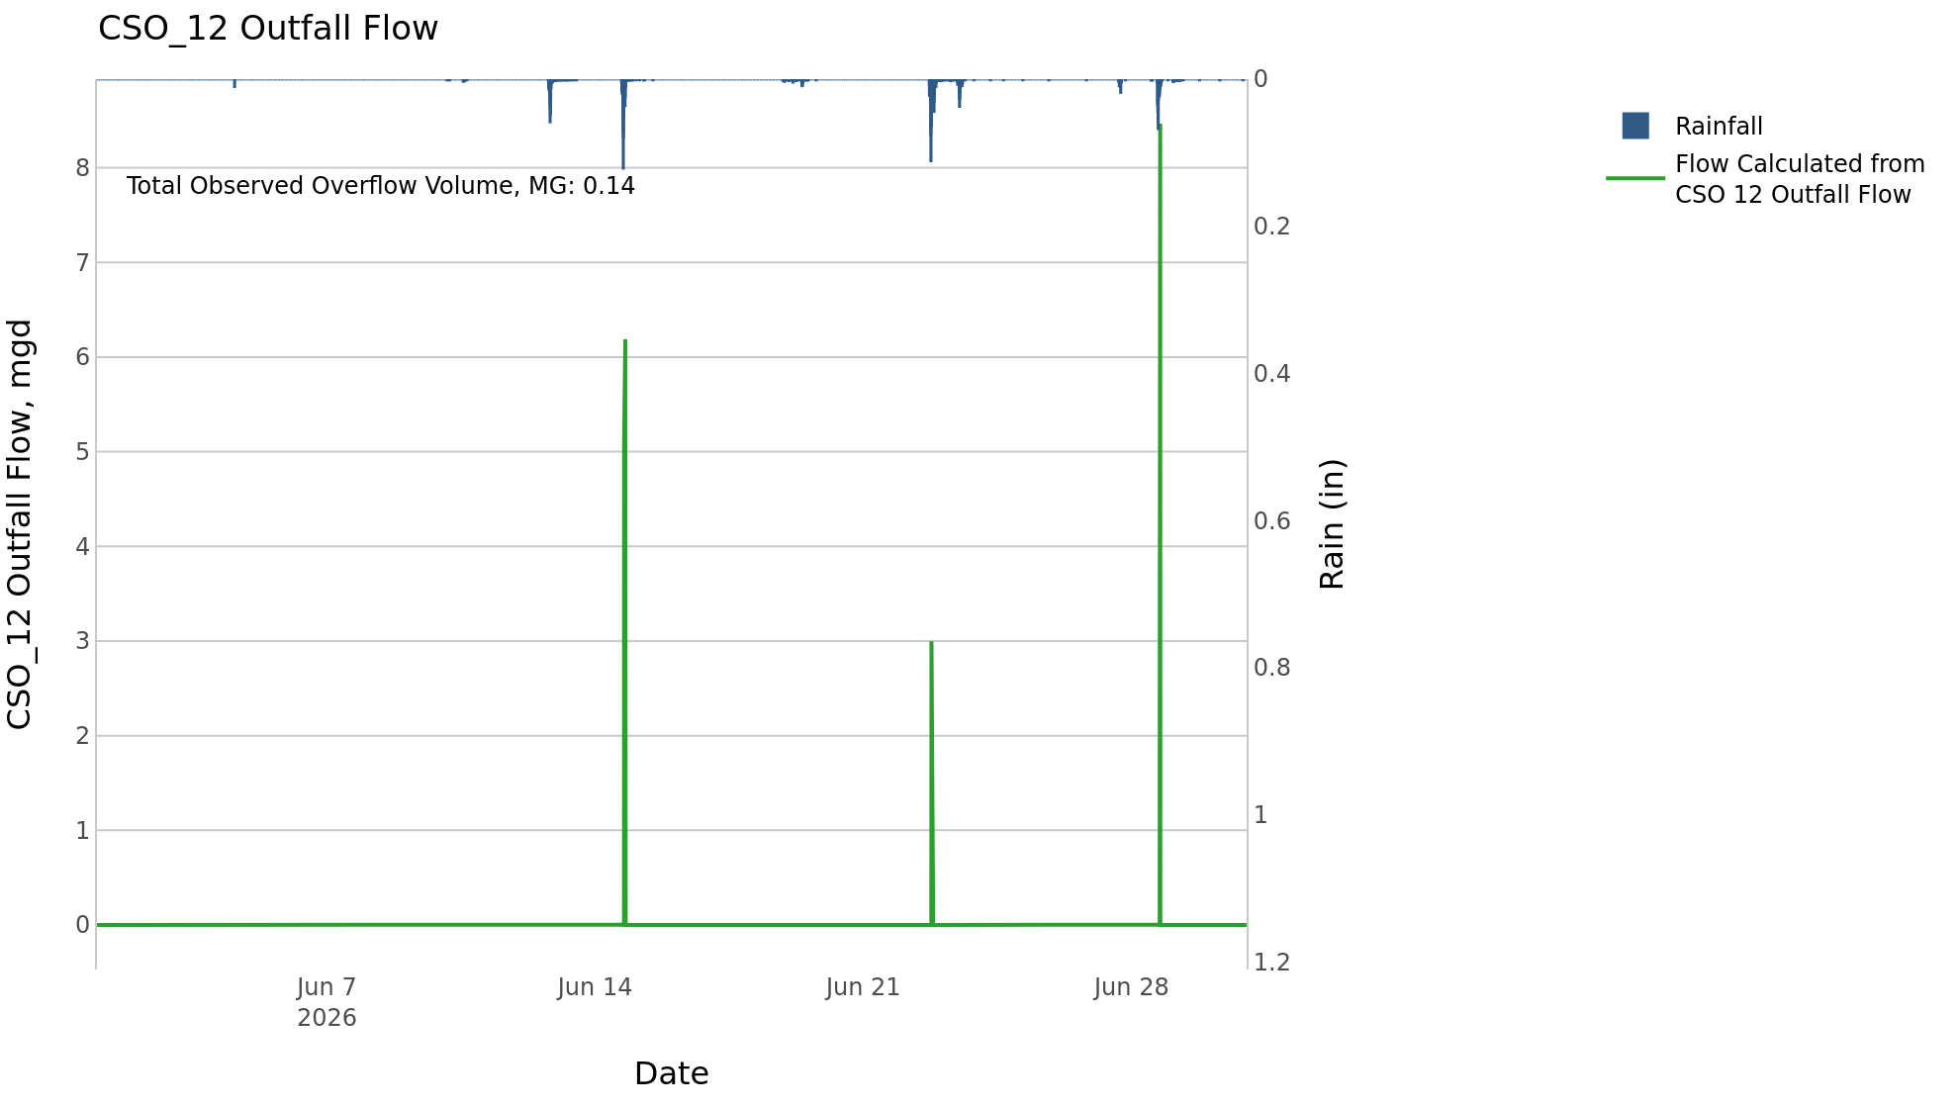
CSO_12 Jun2026 Overflow Events

 | start | end | Rainfall, in | Observed Overflow Volume, mg | overflow_duration_hours
2026Jun14 | 2026-06-14 | 2026-06-14 | 1.68 | 0.06 | 0.58
2026Jun22 | 2026-06-22 | 2026-06-22 | 1.22 | 0.02 | 0.25
2026Jun28 | 2026-06-28 | 2026-06-28 | 2.09 | 0.06 | 0.42

Note: Activations are defined by CSO volumes > 0.01 MG and an interevent time of 72 hours

CSO_14-Events
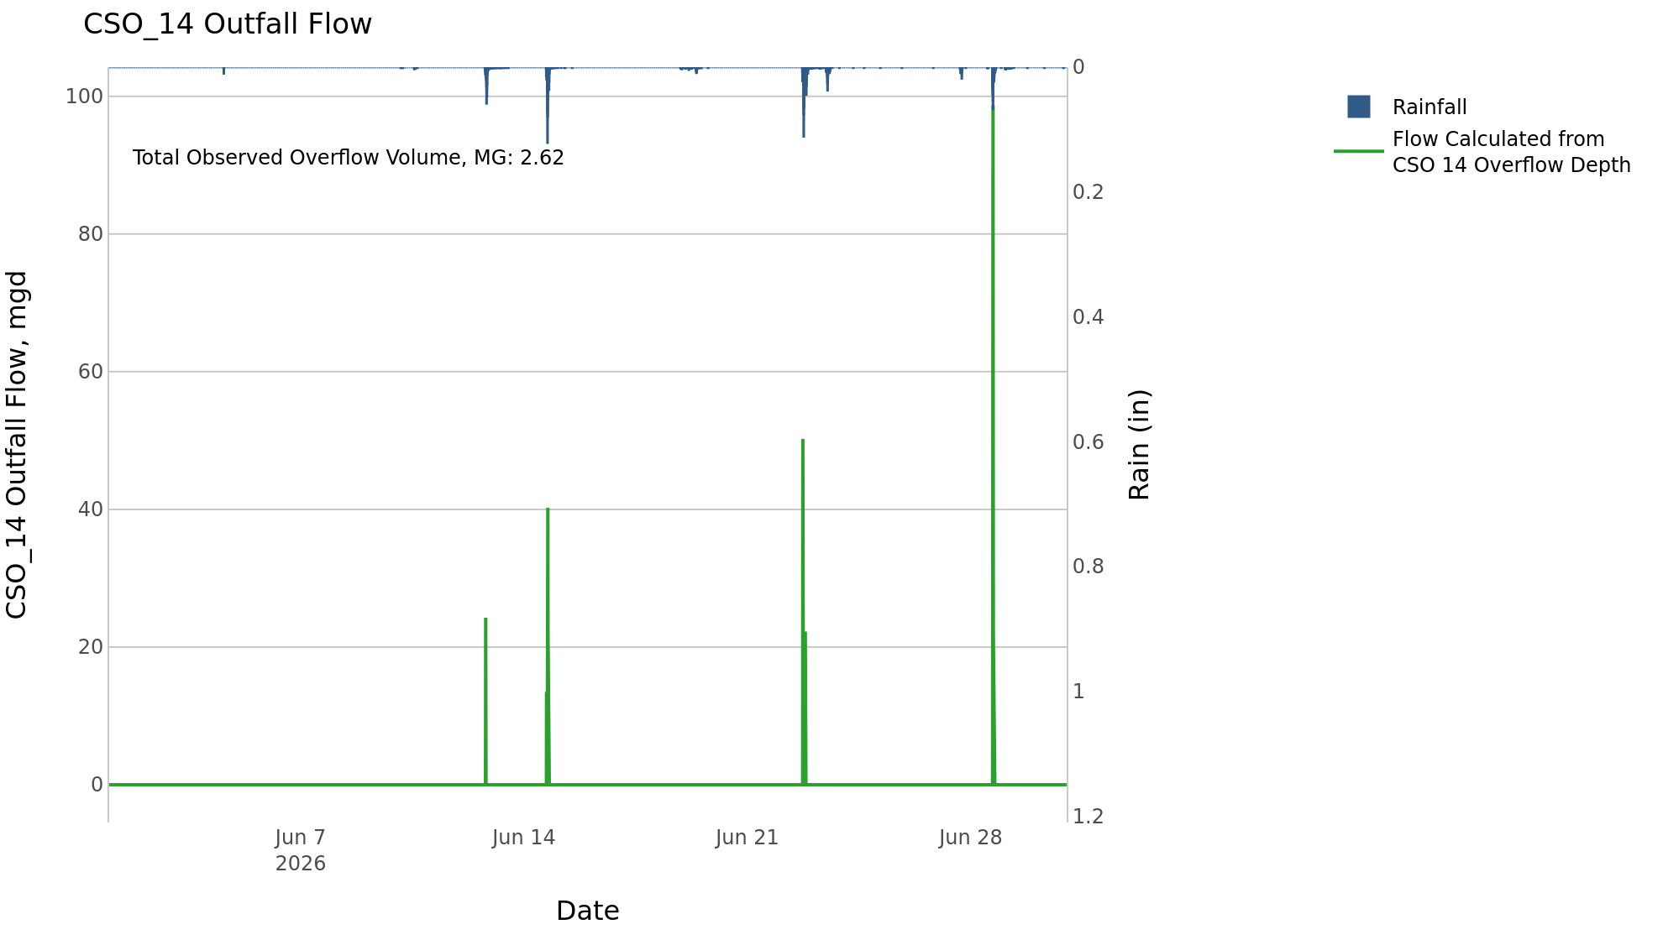
CSO_14 Jun2026 Overflow Events

 | start | end | Rainfall, in | Observed Overflow Volume, mg | overflow_duration_hours
2026Jun12 | 2026-06-12 | 2026-06-14 | 1.71 | 0.76 | 1.4
2026Jun22 | 2026-06-22 | 2026-06-22 | 1.07 | 0.65 | 1.1
2026Jun28 | 2026-06-28 | 2026-06-28 | 2.09 | 1.2 | 0.92

Note: Activations are defined by CSO volumes > 0.01 MG and an interevent time of 72 hours

CSO_15-Events
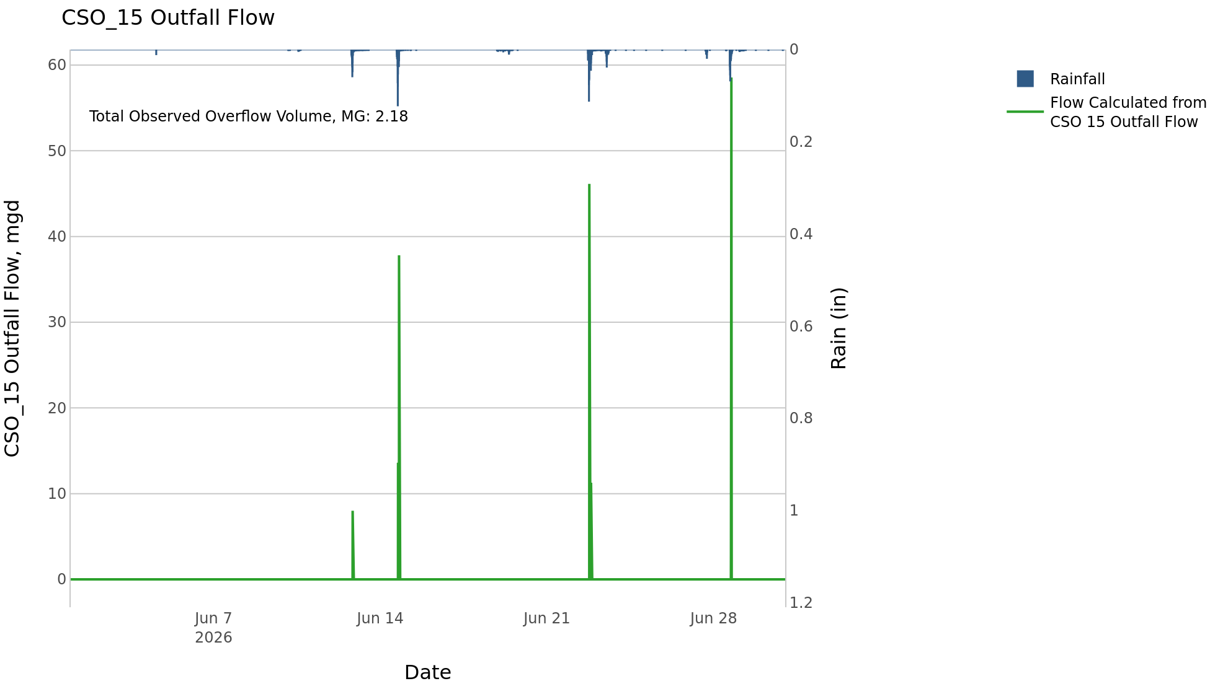
CSO_15 Jun2026 Overflow Events

 | start | end | Rainfall, in | Observed Overflow Volume, mg | overflow_duration_hours
2026Jun12 | 2026-06-12 | 2026-06-14 | 1.71 | 0.77 | 1.5
2026Jun22 | 2026-06-22 | 2026-06-22 | 1.24 | 0.64 | 1
2026Jun28 | 2026-06-28 | 2026-06-28 | 2.09 | 0.77 | 0.75

Note: Activations are defined by CSO volumes > 0.01 MG and an interevent time of 72 hours

CSO_16-Events

CSO_16 Jun2026 Overflow Events

No Overflow Events Recorded for CSO_16

Note: Activations are defined by CSO volumes > 0.01 MG and an interevent time of 72 hours

CSO_17-Events
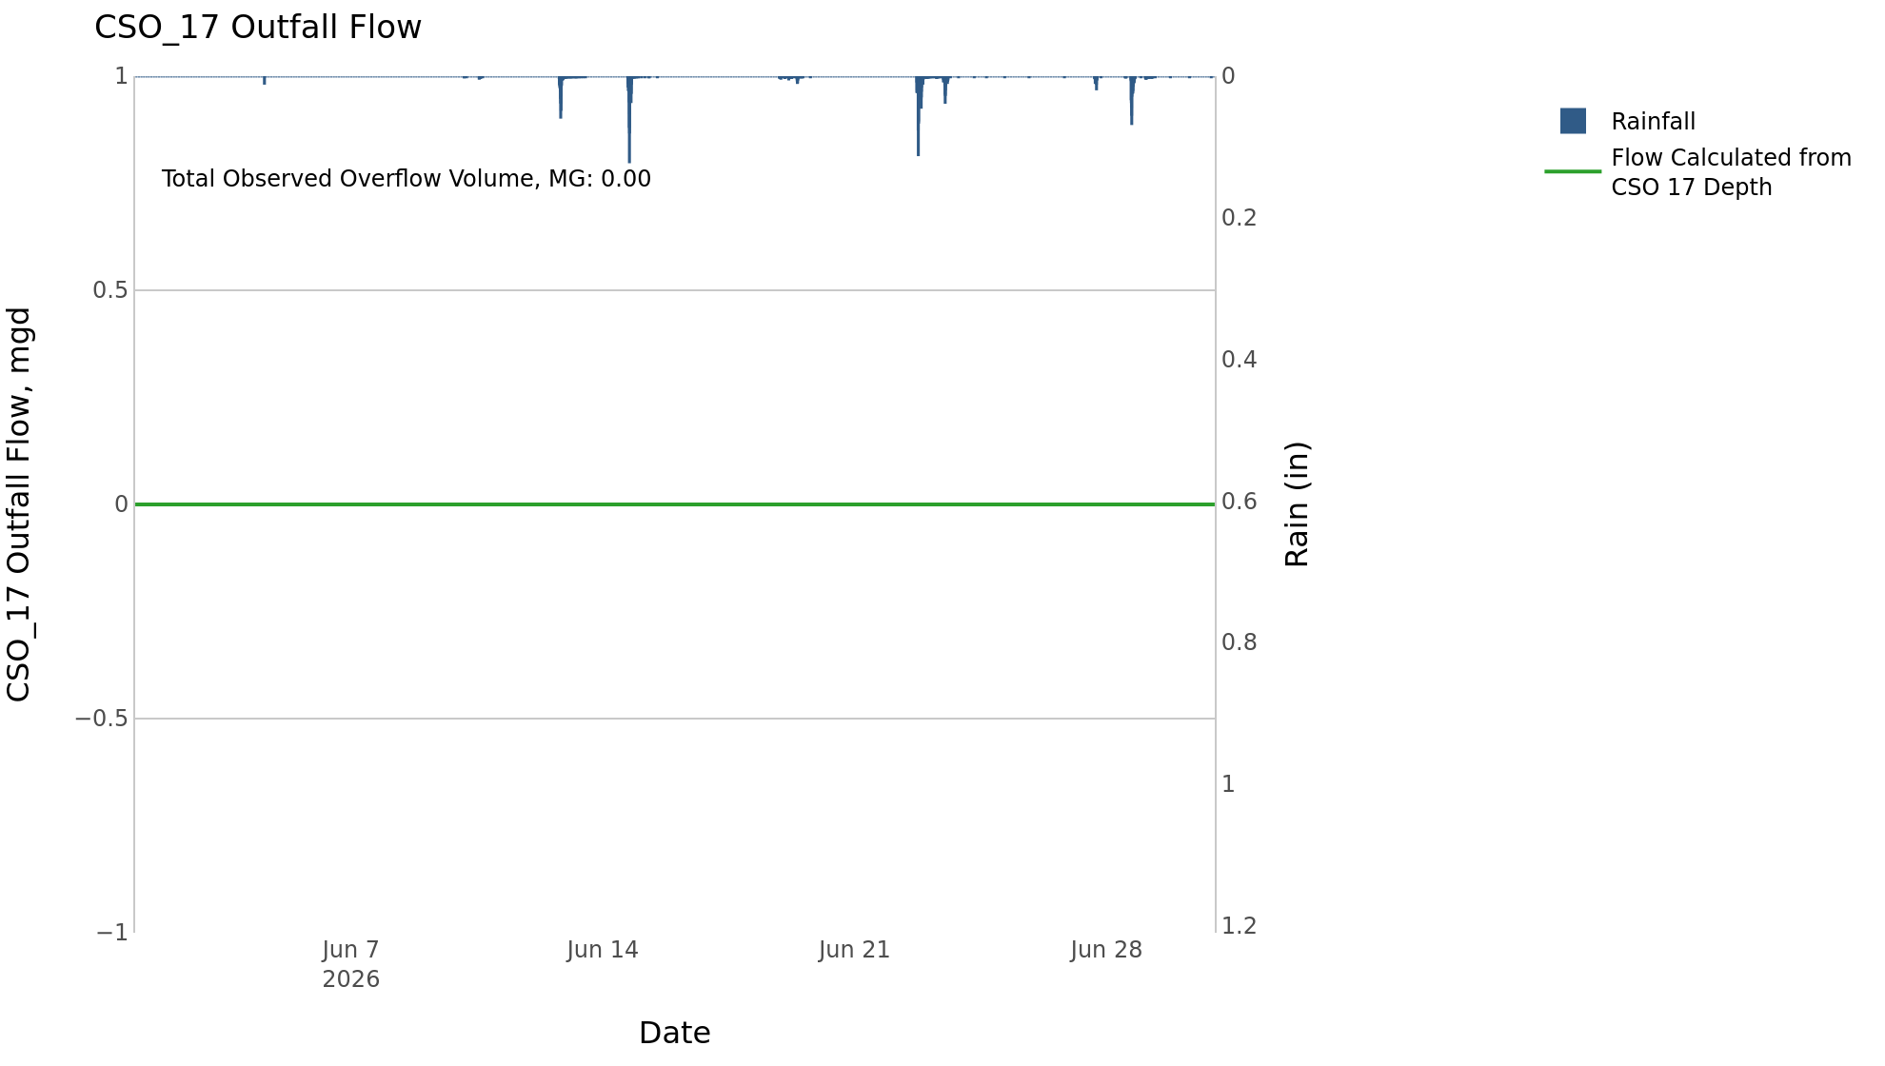
CSO_17 Jun2026 Overflow Events

No Overflow Events Recorded for CSO_17
CSO_17 Bad Data
error_type | time_first_found | time_last_found
flatline | 2026-05-30 | 2026-06-01
flatline | 2026-06-01 | 2026-06-02
gap | 2026-06-12 | 2026-06-23

Note: Activations are defined by CSO volumes > 0.01 MG and an interevent time of 72 hours

CSO_18-Events

CSO_18 Jun2026 Overflow Events

No Overflow Events Recorded for CSO_18

Note: Activations are defined by CSO volumes > 0.01 MG and an interevent time of 72 hours

CSO_19-Events

CSO_19 Jun2026 Overflow Events

No Overflow Events Recorded for CSO_19
CSO_19 Bad Data
error_type | time_first_found | time_last_found
flatline | 2026-06-01 | 2026-06-05
flatline | 2026-06-05 | 2026-06-10
flatline | 2026-06-10 | 2026-06-11
flatline | 2026-06-12 | 2026-06-15
flatline | 2026-06-15 | 2026-06-21
flatline | 2026-06-21 | 2026-06-23
flatline | 2026-06-24 | 2026-06-25
negative | 2026-03-11 | 2026-06-25

Note: Activations are defined by CSO volumes > 0.01 MG and an interevent time of 72 hours

CSO_20-Events
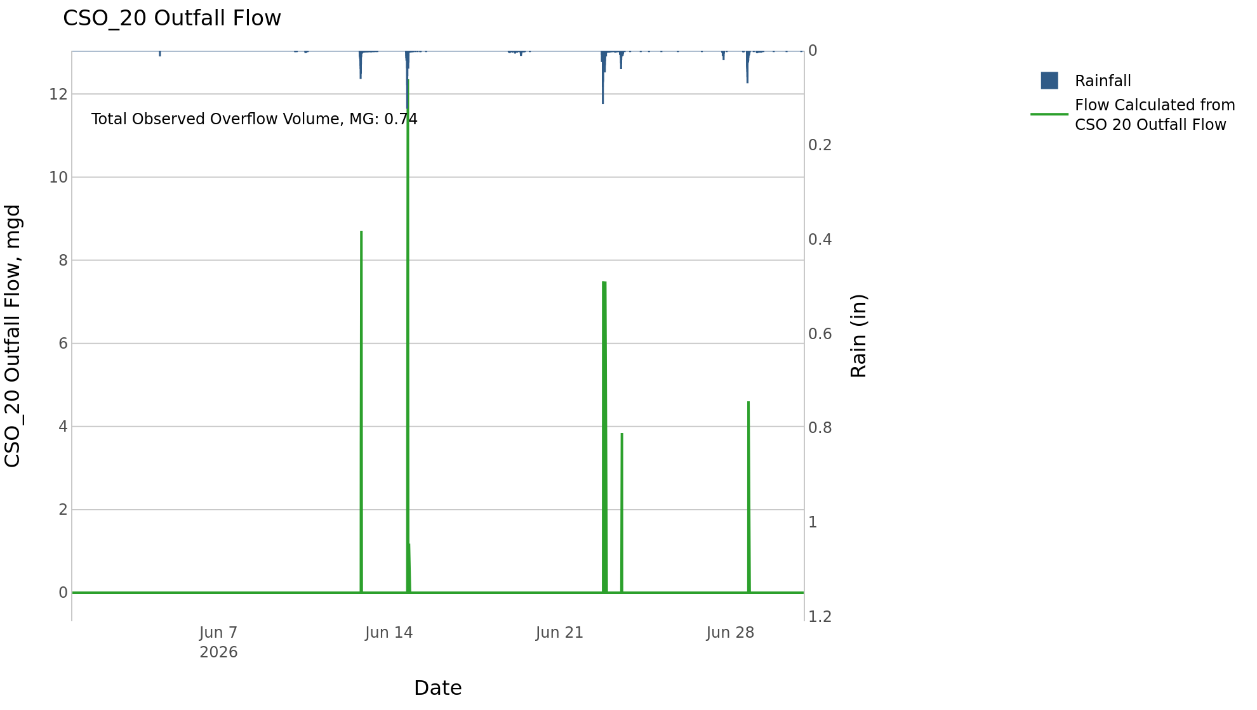
CSO_20 Jun2026 Overflow Events

 | start | end | Rainfall, in | Observed Overflow Volume, mg | overflow_duration_hours
2026Jun12 | 2026-06-12 | 2026-06-14 | 1.71 | 0.38 | 1.7
2026Jun22 | 2026-06-22 | 2026-06-23 | 1.49 | 0.31 | 1.7
2026Jun28 | 2026-06-28 | 2026-06-28 | 2.09 | 0.05 | 0.5

Note: Activations are defined by CSO volumes > 0.01 MG and an interevent time of 72 hours

CSO_21-Events
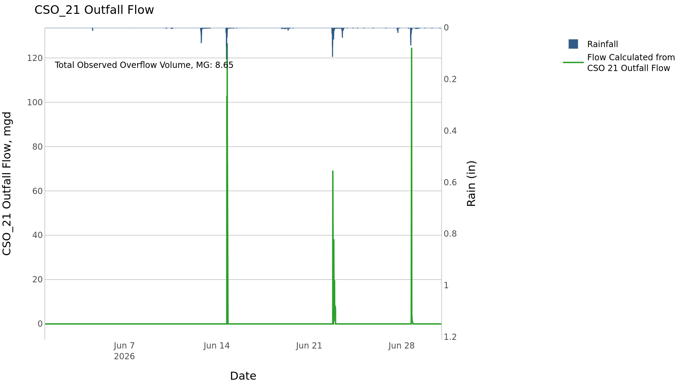
CSO_21 Jun2026 Overflow Events

 | start | end | Rainfall, in | Observed Overflow Volume, mg | overflow_duration_hours
2026Jun14 | 2026-06-14 | 2026-06-14 | 1.68 | 3.4 | 2.2
2026Jun22 | 2026-06-22 | 2026-06-22 | 1.32 | 2.7 | 4.8
2026Jun28 | 2026-06-28 | 2026-06-28 | 2.09 | 2.5 | 2.2

Note: Activations are defined by CSO volumes > 0.01 MG and an interevent time of 72 hours
Note: Any observed negative flows could be backflow from James River

CSO_24-Events
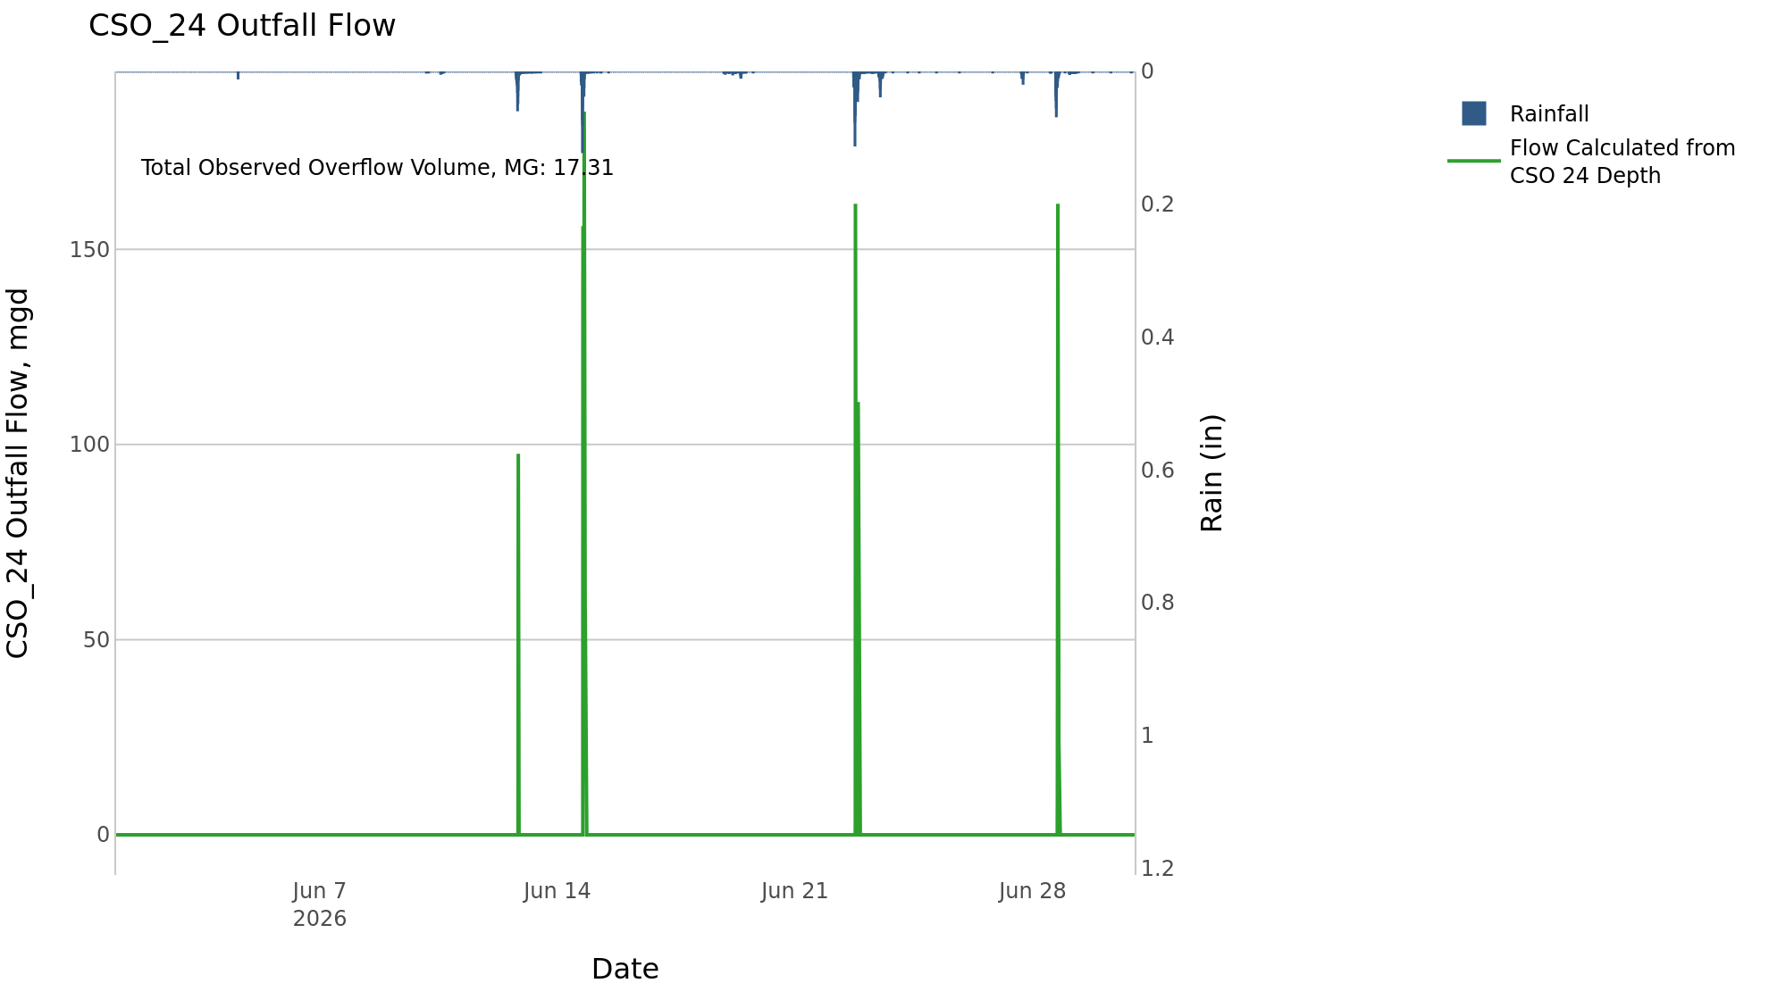
CSO_24 Jun2026 Overflow Events

 | start | end | Rainfall, in | Observed Overflow Volume, mg | overflow_duration_hours
2026Jun12 | 2026-06-12 | 2026-06-14 | 1.71 | 8.8 | 2.5
2026Jun22 | 2026-06-22 | 2026-06-22 | 1.25 | 4.3 | 1.3
2026Jun28 | 2026-06-28 | 2026-06-28 | 2.09 | 4.2 | 1.2

Note: Activations are defined by CSO volumes > 0.01 MG and an interevent time of 72 hours

CSO_25-Events

CSO_25 Jun2026 Overflow Events

No Overflow Events Recorded for CSO_25
CSO_25 Bad Data
error_type | time_first_found | time_last_found
flatline | 2026-05-30 | 2026-06-01
flatline | 2026-06-02 | 2026-06-06
flatline | 2026-06-06 | 2026-06-08
flatline | 2026-06-08 | 2026-06-10
flatline | 2026-06-10 | 2026-06-12
flatline | 2026-06-16 | 2026-06-18
flatline | 2026-06-19 | 2026-06-20
flatline | 2026-06-26 | 2026-06-28
flatline | 2026-06-29 | 2026-07-02

Note: Activations are defined by CSO volumes > 0.01 MG and an interevent time of 72 hours

CSO_26-Events

CSO_26 Jun2026 Overflow Events

No Overflow Events Recorded for CSO_26
CSO_26 Bad Data
error_type | time_first_found | time_last_found
flatline | 2026-05-31 | 2026-06-11
flatline | 2026-06-11 | 2026-06-12
flatline | 2026-06-17 | 2026-06-18
flatline | 2026-06-19 | 2026-06-22
flatline | 2026-06-25 | 2026-06-27
flatline | 2026-06-29 | 2026-07-02
flatline | 2026-06-13 | 2026-06-14

Note: Activations are defined by CSO volumes > 0.01 MG and an interevent time of 72 hours

CSO_31-Events
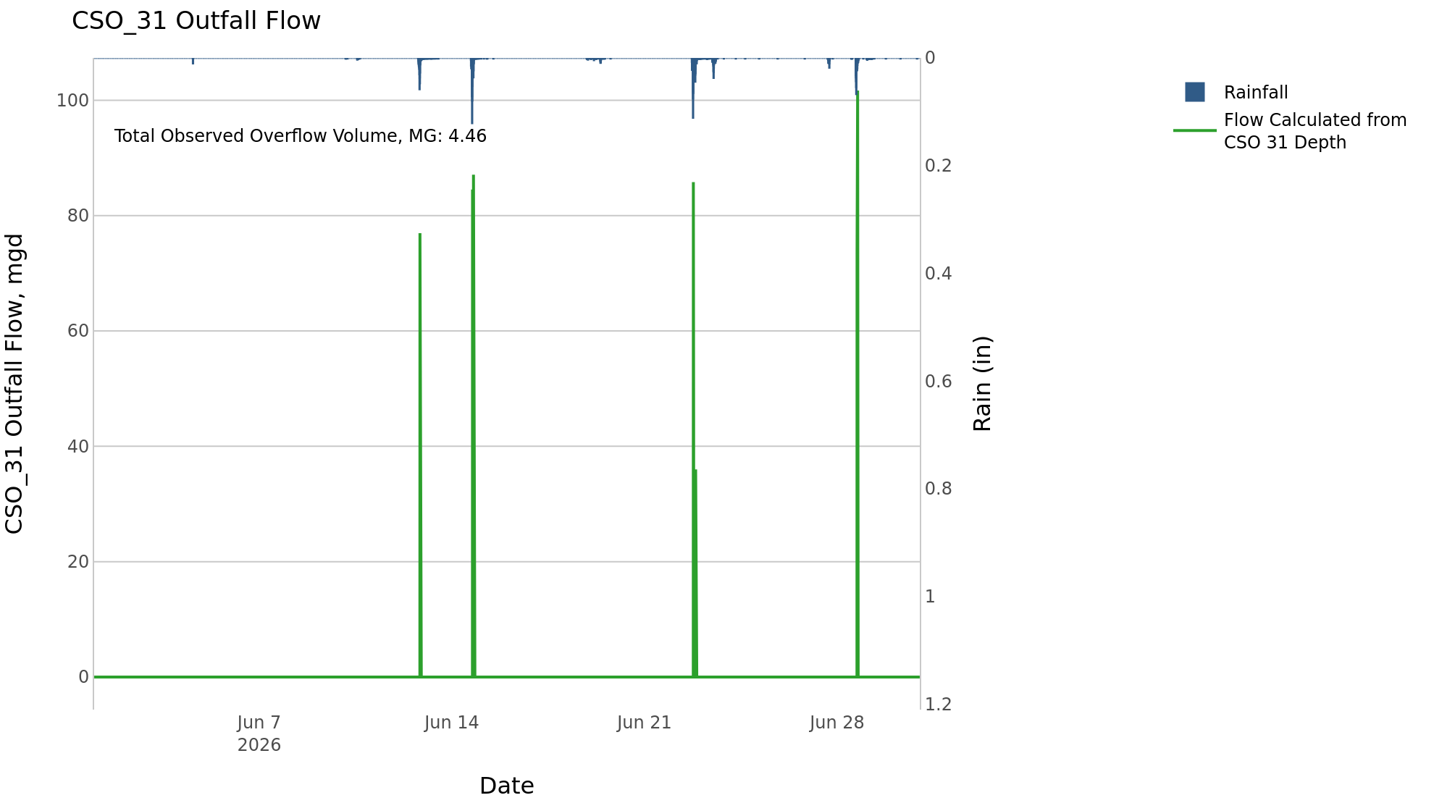
CSO_31 Jun2026 Overflow Events

 | start | end | Rainfall, in | Observed Overflow Volume, mg | overflow_duration_hours
2026Jun12 | 2026-06-12 | 2026-06-14 | 1.71 | 2.1 | 0.83
2026Jun22 | 2026-06-22 | 2026-06-22 | 1.23 | 1.1 | 0.42
2026Jun28 | 2026-06-28 | 2026-06-28 | 2.09 | 1.2 | 0.58

Note: Activations are defined by CSO volumes > 0.01 MG and an interevent time of 72 hours

CSO_33-Events

CSO_33 Jun2026 Overflow Events

No Overflow Events Recorded for CSO_33

Note: Activations are defined by CSO volumes > 0.01 MG and an interevent time of 72 hours

CSO_34-Events
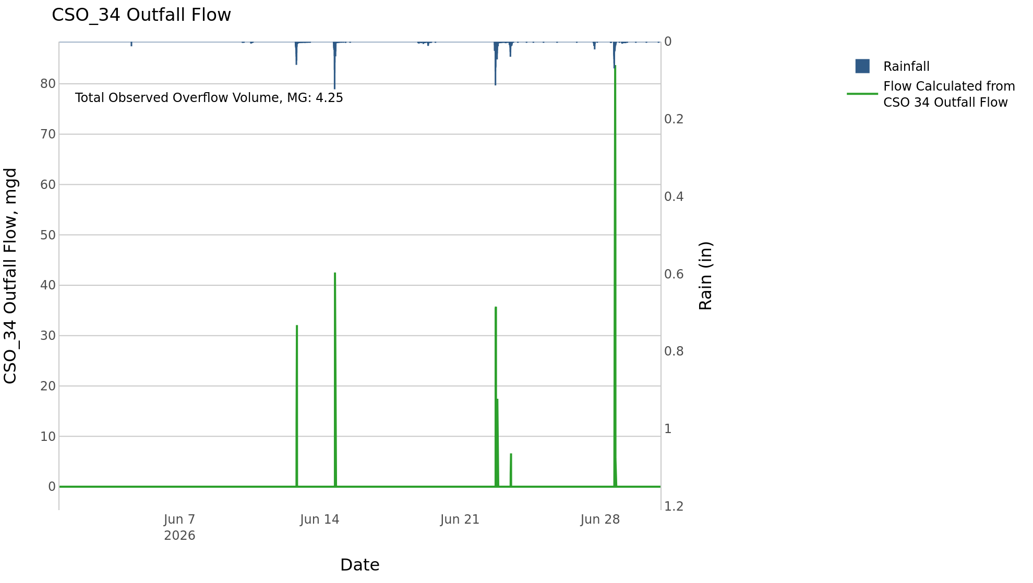
CSO_34 Jun2026 Overflow Events

 | start | end | Rainfall, in | Observed Overflow Volume, mg | overflow_duration_hours
2026Jun12 | 2026-06-12 | 2026-06-14 | 1.71 | 1.3 | 1.3
2026Jun22 | 2026-06-22 | 2026-06-23 | 1.48 | 0.83 | 1.1
2026Jun28 | 2026-06-28 | 2026-06-28 | 2.09 | 2.1 | 1.3

Note: Activations are defined by CSO volumes > 0.01 MG and an interevent time of 72 hours

CSO_35-Events
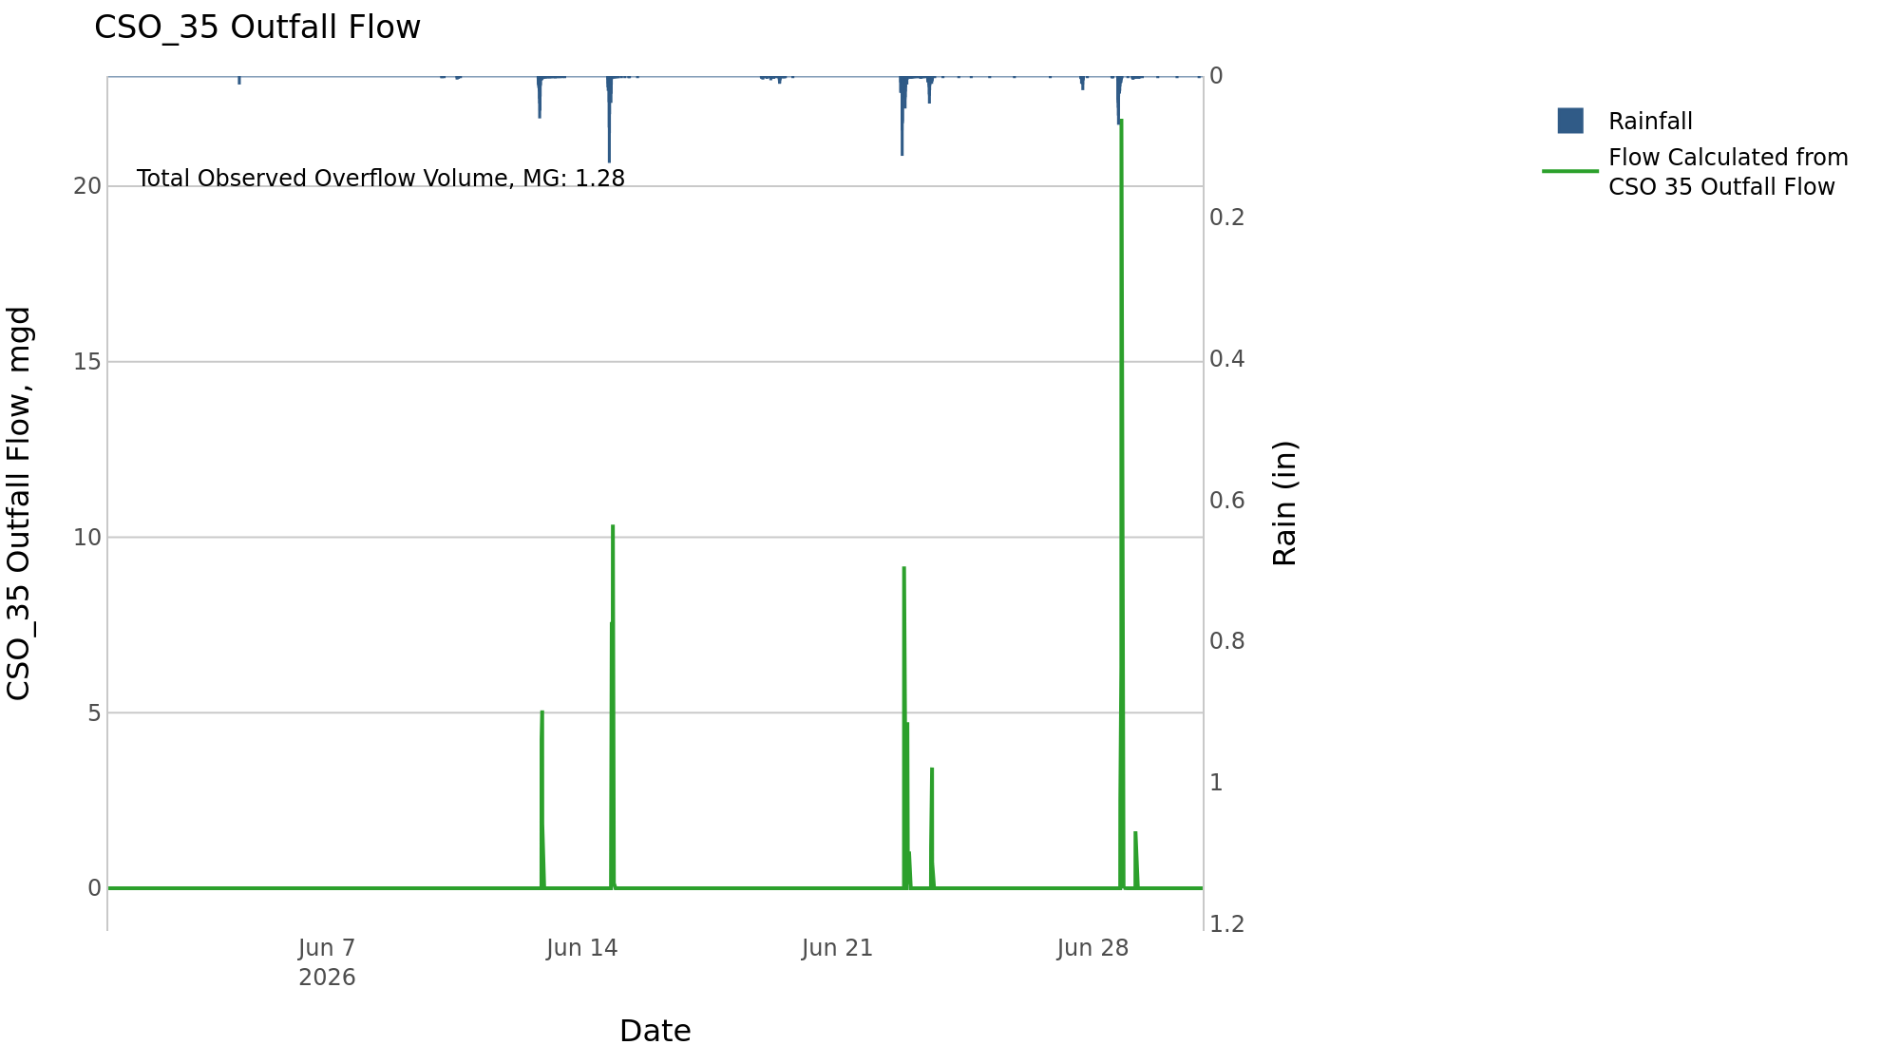
CSO_35 Jun2026 Overflow Events

 | start | end | Rainfall, in | Observed Overflow Volume, mg | overflow_duration_hours
2026Jun12 | 2026-06-12 | 2026-06-14 | 1.71 | 0.39 | 3.5
2026Jun22 | 2026-06-22 | 2026-06-23 | 1.52 | 0.33 | 4.8
2026Jun28 | 2026-06-28 | 2026-06-29 | 2.18 | 0.56 | 3

Note: Activations are defined by CSO volumes > 0.01 MG and an interevent time of 72 hours

CSO_39-Events
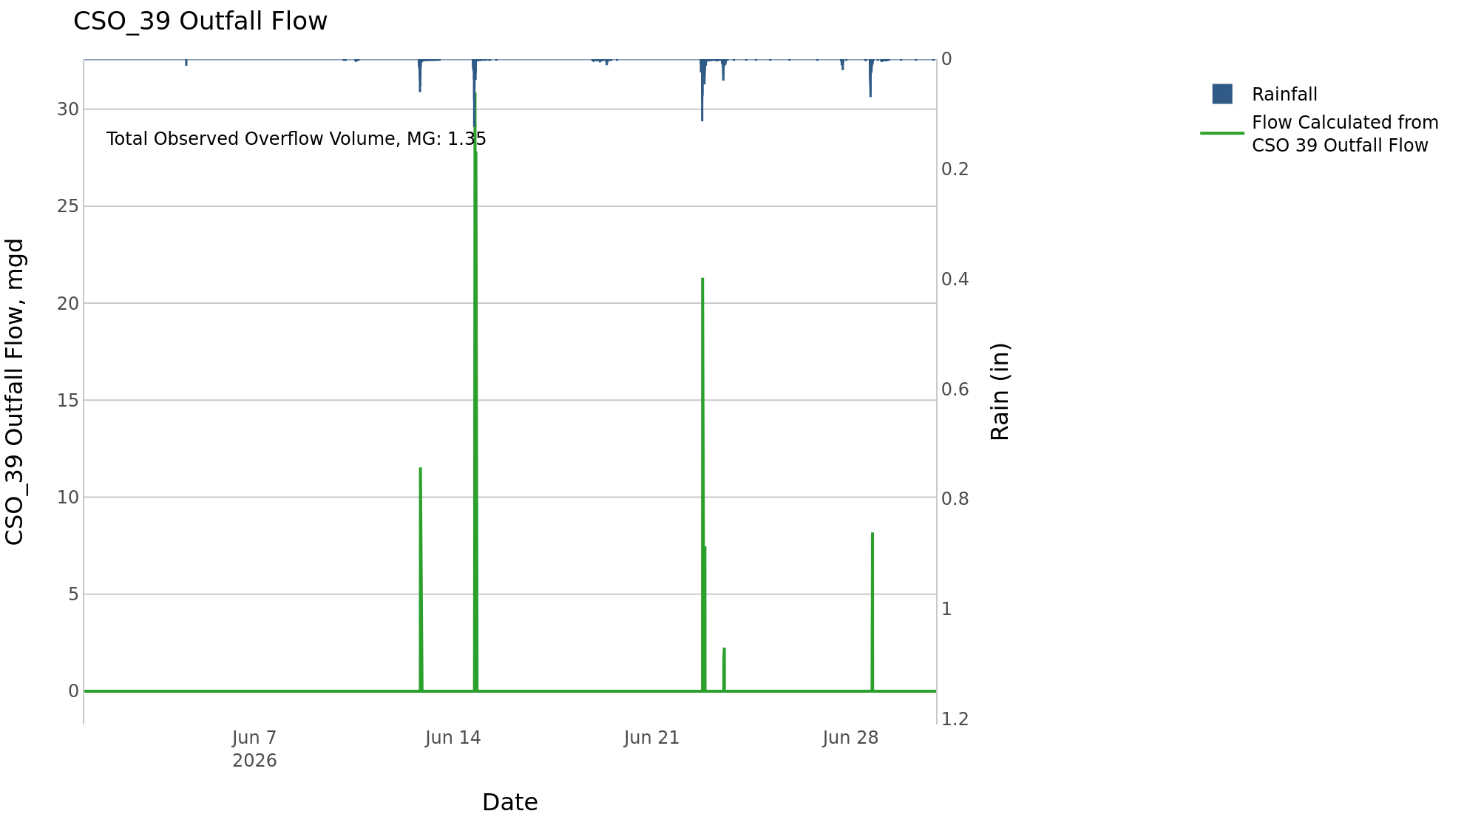
CSO_39 Jun2026 Overflow Events

 | start | end | Rainfall, in | Observed Overflow Volume, mg | overflow_duration_hours
2026Jun12 | 2026-06-12 | 2026-06-14 | 1.71 | 0.92 | 1.7
2026Jun22 | 2026-06-22 | 2026-06-23 | 1.49 | 0.34 | 1.2
2026Jun28 | 2026-06-28 | 2026-06-28 | 2.09 | 0.09 | 0.67

Note: Activations are defined by CSO volumes > 0.01 MG and an interevent time of 72 hours

CSO_40-Events
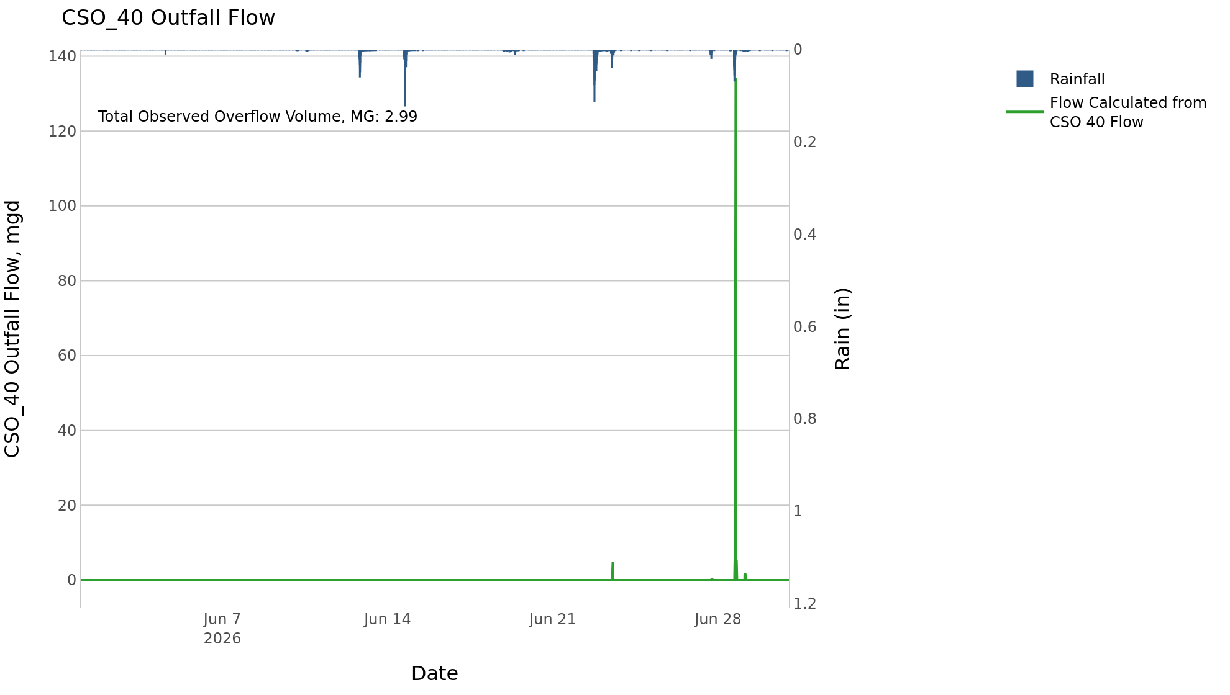
CSO_40 Jun2026 Overflow Events

 | start | end | Rainfall, in | Observed Overflow Volume, mg | overflow_duration_hours
2026Jun23 | 2026-06-23 | 2026-06-23 | 1.51 | 0.1 | 1
2026Jun27 | 2026-06-27 | 2026-06-29 | 2.18 | 2.9 | 3.2

Note: Activations are defined by CSO volumes > 0.01 MG and an interevent time of 72 hours

