CSO Summary
Jul2026 CSO Report
 | Observed
Jul2026 CSO Report
 | Observed
CSO_06 | 226
Jul2026 Overflow Summary
287.0 MG Overflow Observed
 | Sensor Type | % of Report with Good Data | Number of Observed Activations | Observed Overflow Volume, MG
CSO_04 | Flow | 100 | 1 | 0.01
CSO_05 | Flow | 100 | 2 | 1.8
CSO_06 | Flow | 100 | 3 | 226
CSO_07 | Flow | 100 | 3 | 0.61
CSO_09 | Level | 100 | 0 | 0
CSO_10 | Level | 100 | 0 | 0
CSO_11 | Level | 100 | 3 | 0.85
CSO_12 | Flow | 100 | 3 | 0.44
CSO_14 | Level | 100 | 3 | 4.8
CSO_15 | Flow | 100 | 3 | 4.6
CSO_16 | Level | 100 | 0 | 0
CSO_17 | Level | 100 | 0 | 0
CSO_18 | Level | 100 | 0 | 0
CSO_19 | Level | 100 | 0 | 0
CSO_20 | Flow | 100 | 2 | 0.87
CSO_21 | Flow | 100 | 3 | 9.2
CSO_24 | Level | 100 | 4 | 17
CSO_25 | Level | 100 | 0 | 0
CSO_26 | Level | 100 | 0 | 0
CSO_31 | Level | 100 | 3 | 3.5
CSO_33 | Level | 100 | 0 | 0
CSO_34 | Flow | 100 | 3 | 2.3
CSO_35 | Flow | 100 | 2 | 1.1
CSO_39 | Flow | 100 | 3 | 1.7
CSO_40 | Flow | 100 | 4 | 12
System | N/A | N/A | 2 | 287

CSO_04-Events
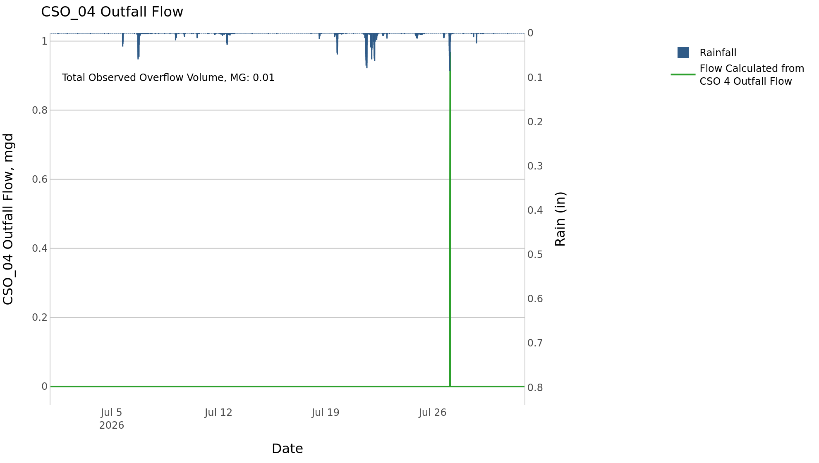
CSO_04 Jul2026 Overflow Events

 | start | end | Rainfall, in | Observed Overflow Volume, mg | overflow_duration_hours
2026Jul27 | 2026-07-27 | 2026-07-27 | 1.37 | 0.01 | 0.42

Note: Activations are defined by CSO volumes > 0.01 MG and an interevent time of 72 hours
Note: Any observed negative flows could be backflow from James River

CSO_05-Events
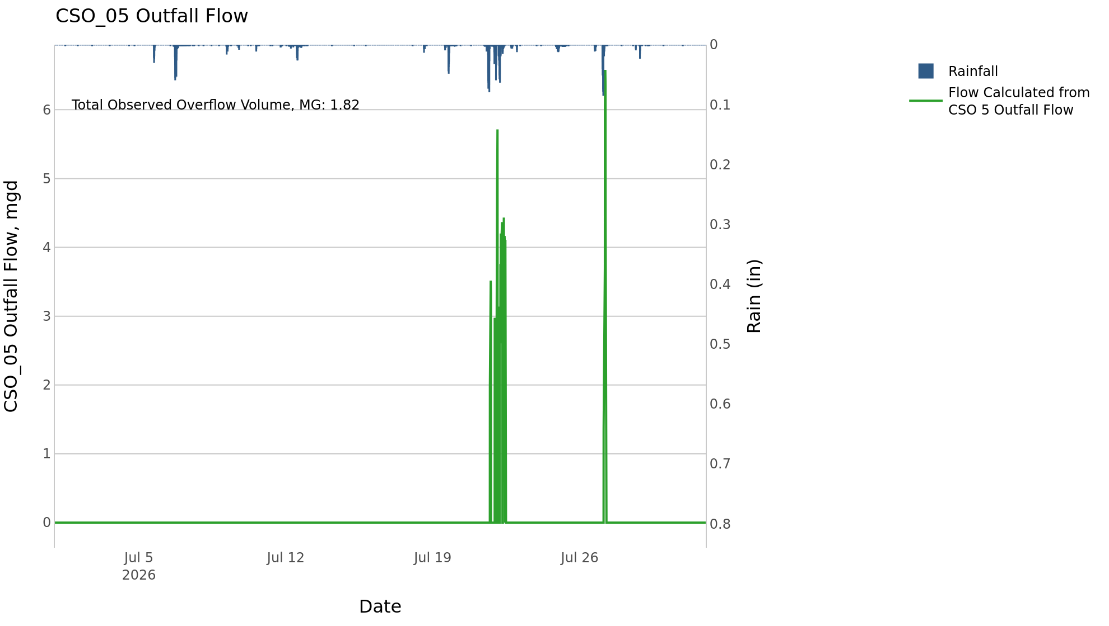
CSO_05 Jul2026 Overflow Events

 | start | end | Rainfall, in | Observed Overflow Volume, mg | overflow_duration_hours
2026Jul21 | 2026-07-21 | 2026-07-22 | 3.42 | 1.5 | 9.2
2026Jul27 | 2026-07-27 | 2026-07-27 | 1.43 | 0.37 | 2.3

Note: Activations are defined by CSO volumes > 0.01 MG and an interevent time of 72 hours
Note: Any observed negative flows could be backflow from James River

CSO_06-Events
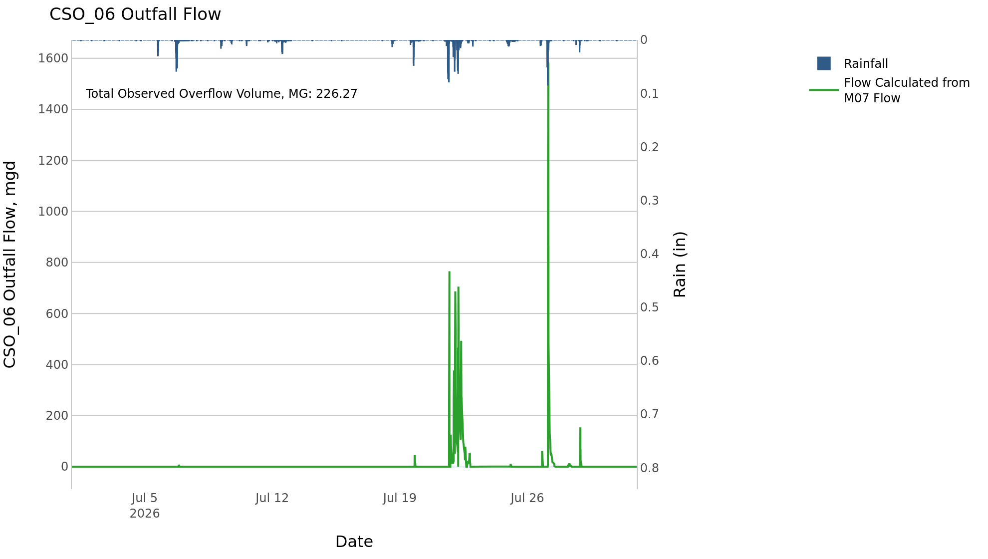
CSO_06 Jul2026 Overflow Events

 | start | end | Rainfall, in | Observed Overflow Volume, mg | overflow_duration_hours
2026Jul06 | 2026-07-06 | 2026-07-06 | 2.35 | 0.08 | 0.25
2026Jul10 | 2026-07-10 | 2026-07-10 | 0.25 | 0.02 | 0.42
2026Jul19 | 2026-07-19 | 2026-07-28 | 5.05 | 226 | 41

Note: Activations are defined by CSO volumes > 0.01 MG and an interevent time of 72 hours
Note: Any observed negative flows could be due to high James River levels and flow eddies within structure

CSO_07-Events
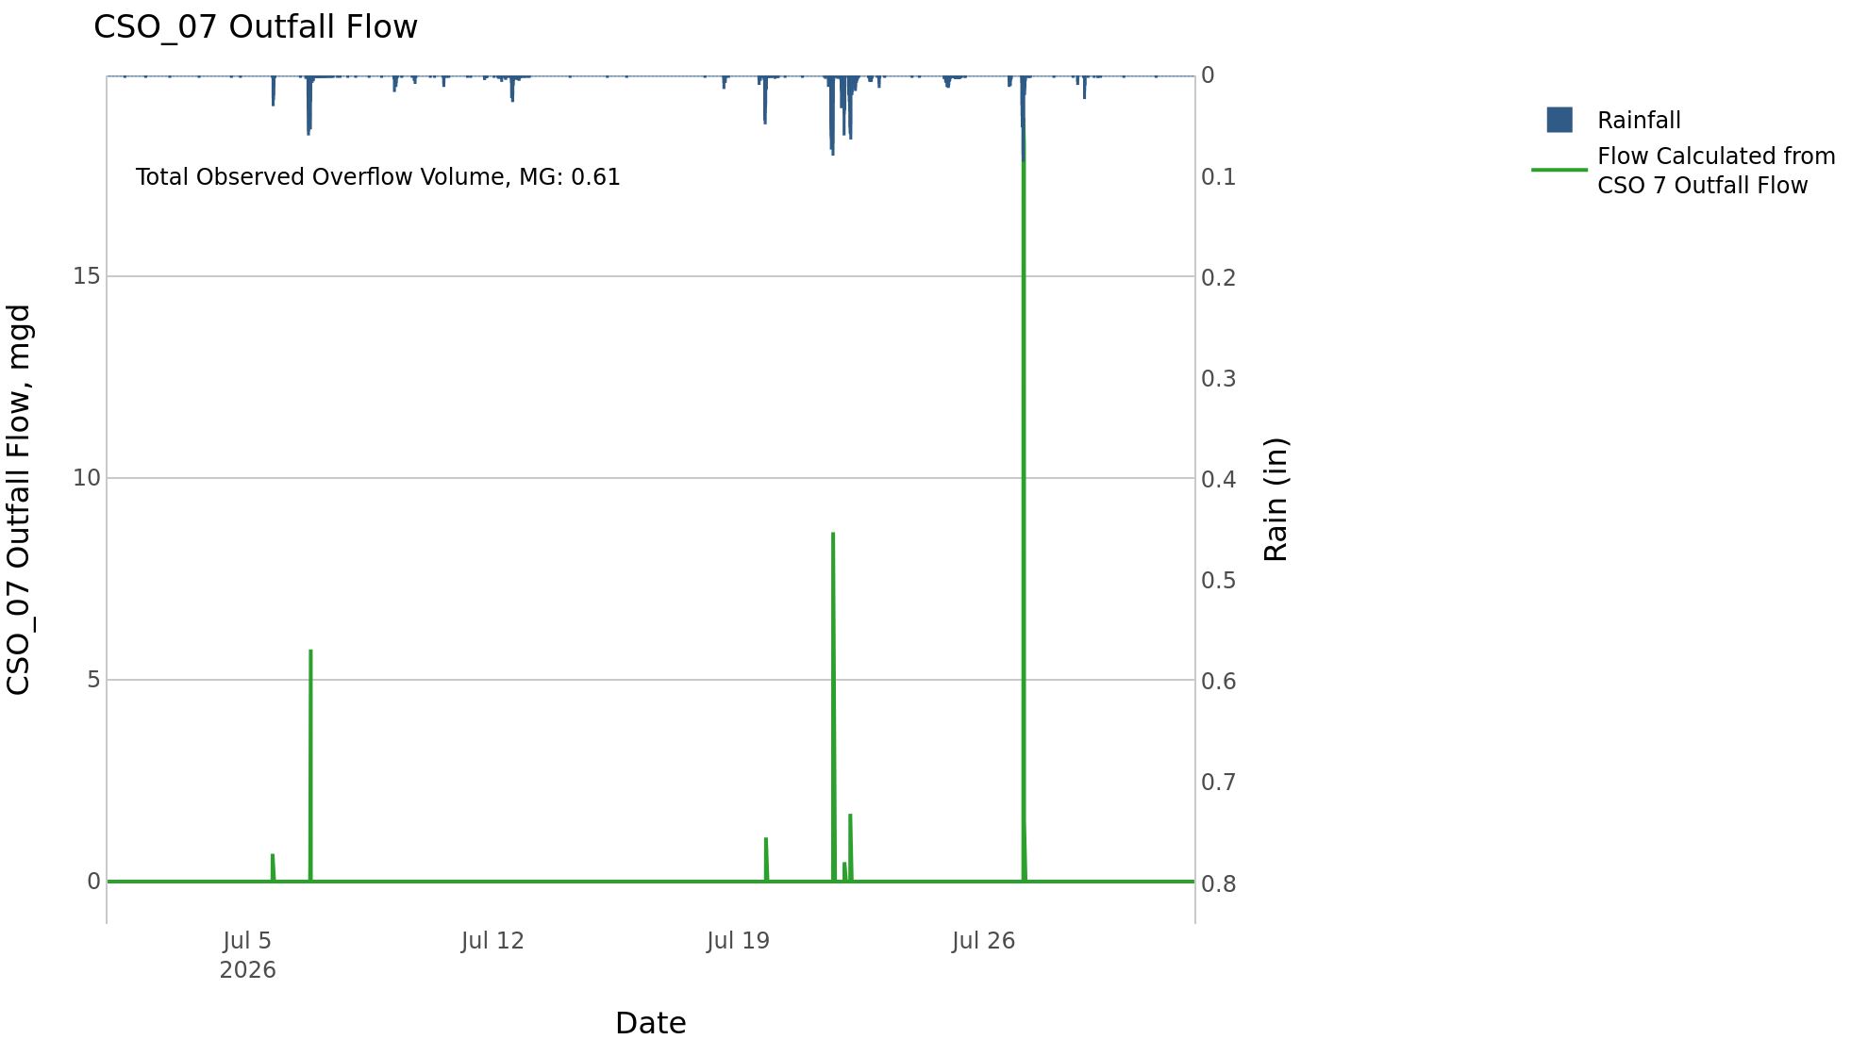
CSO_07 Jul2026 Overflow Events

 | start | end | Rainfall, in | Observed Overflow Volume, mg | overflow_duration_hours
2026Jul05 | 2026-07-05 | 2026-07-06 | 2.33 | 0.07 | 0.67
2026Jul19 | 2026-07-19 | 2026-07-22 | 3.24 | 0.15 | 0.92
2026Jul27 | 2026-07-27 | 2026-07-27 | 1.37 | 0.39 | 0.58

Note: Activations are defined by CSO volumes > 0.01 MG and an interevent time of 72 hours

CSO_09-Events
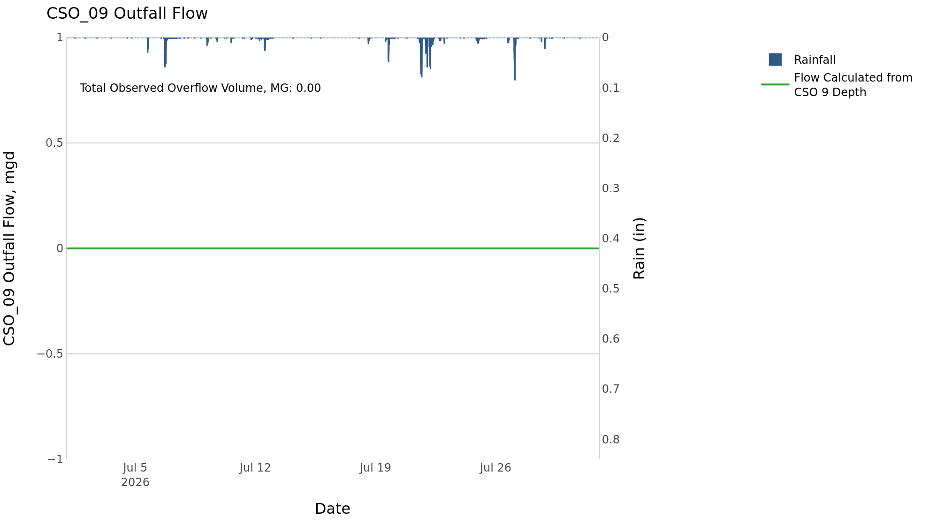
CSO_09 Jul2026 Overflow Events

No Overflow Events Recorded for CSO_09

Note: Activations are defined by CSO volumes > 0.01 MG and an interevent time of 72 hours

CSO_10-Events

CSO_10 Jul2026 Overflow Events

No Overflow Events Recorded for CSO_10
CSO_10 Bad Data
error_type | time_first_found | time_last_found
flatline | 2026-06-28 | 2026-08-02
negative | 2026-06-25 | 2026-08-02

Note: Activations are defined by CSO volumes > 0.01 MG and an interevent time of 72 hours

CSO_11-Events
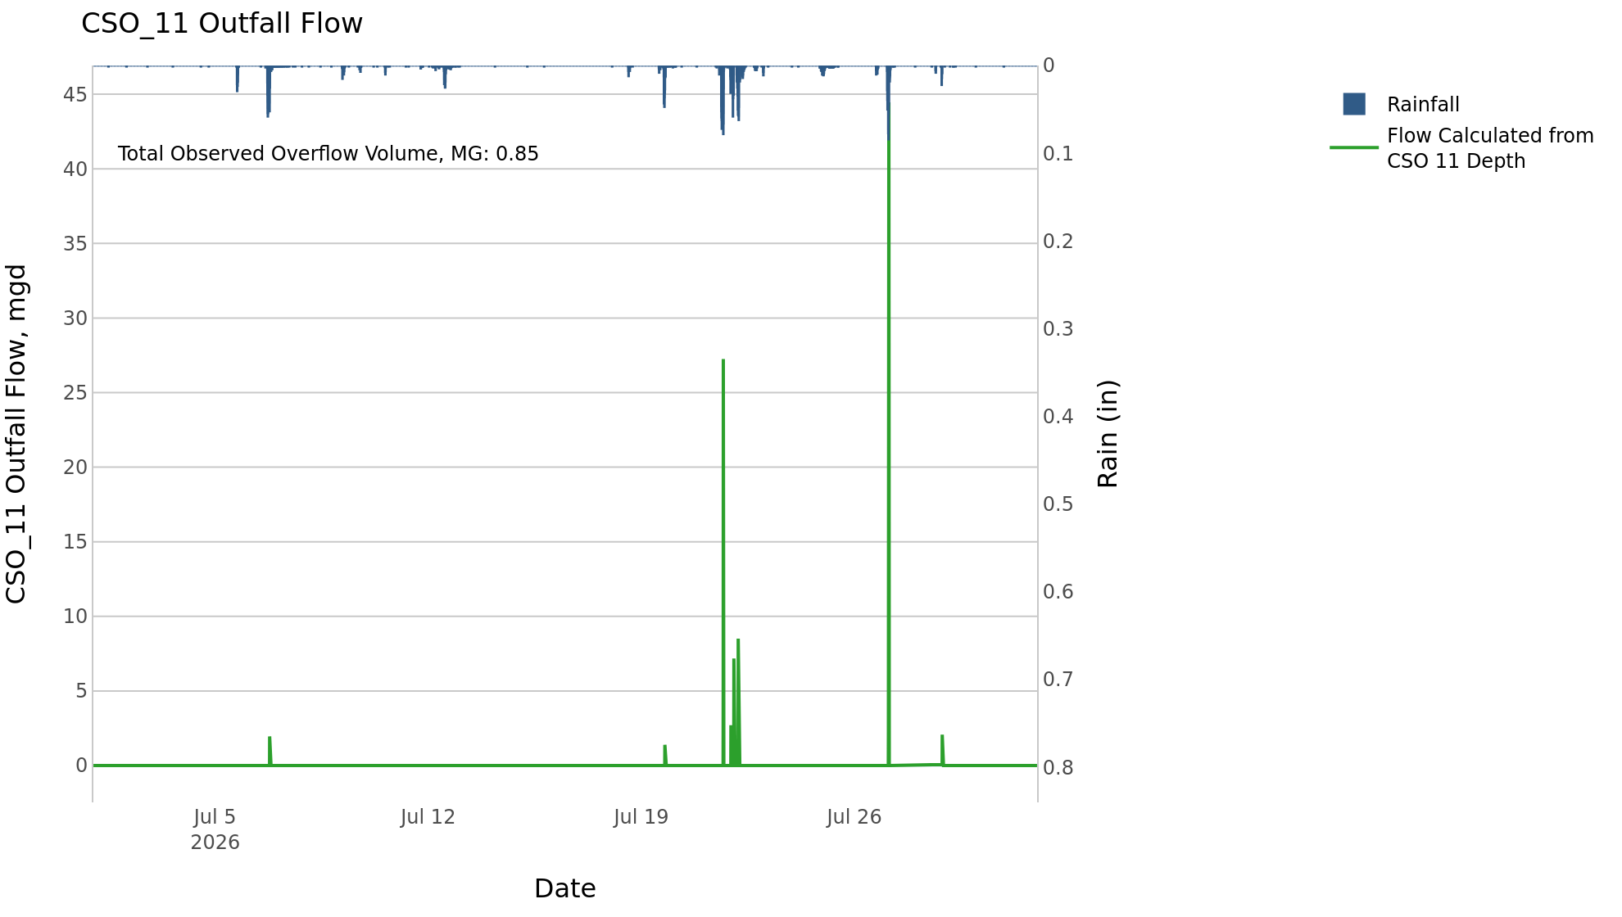
CSO_11 Jul2026 Overflow Events

 | start | end | Rainfall, in | Observed Overflow Volume, mg | overflow_duration_hours
2026Jul06 | 2026-07-06 | 2026-07-06 | 2.33 | 0.01 | 0.17
2026Jul19 | 2026-07-19 | 2026-07-22 | 3.29 | 0.38 | 1.8
2026Jul27 | 2026-07-27 | 2026-07-28 | 1.61 | 0.46 | 0.83

Note: Activations are defined by CSO volumes > 0.01 MG and an interevent time of 72 hours

CSO_12-Events
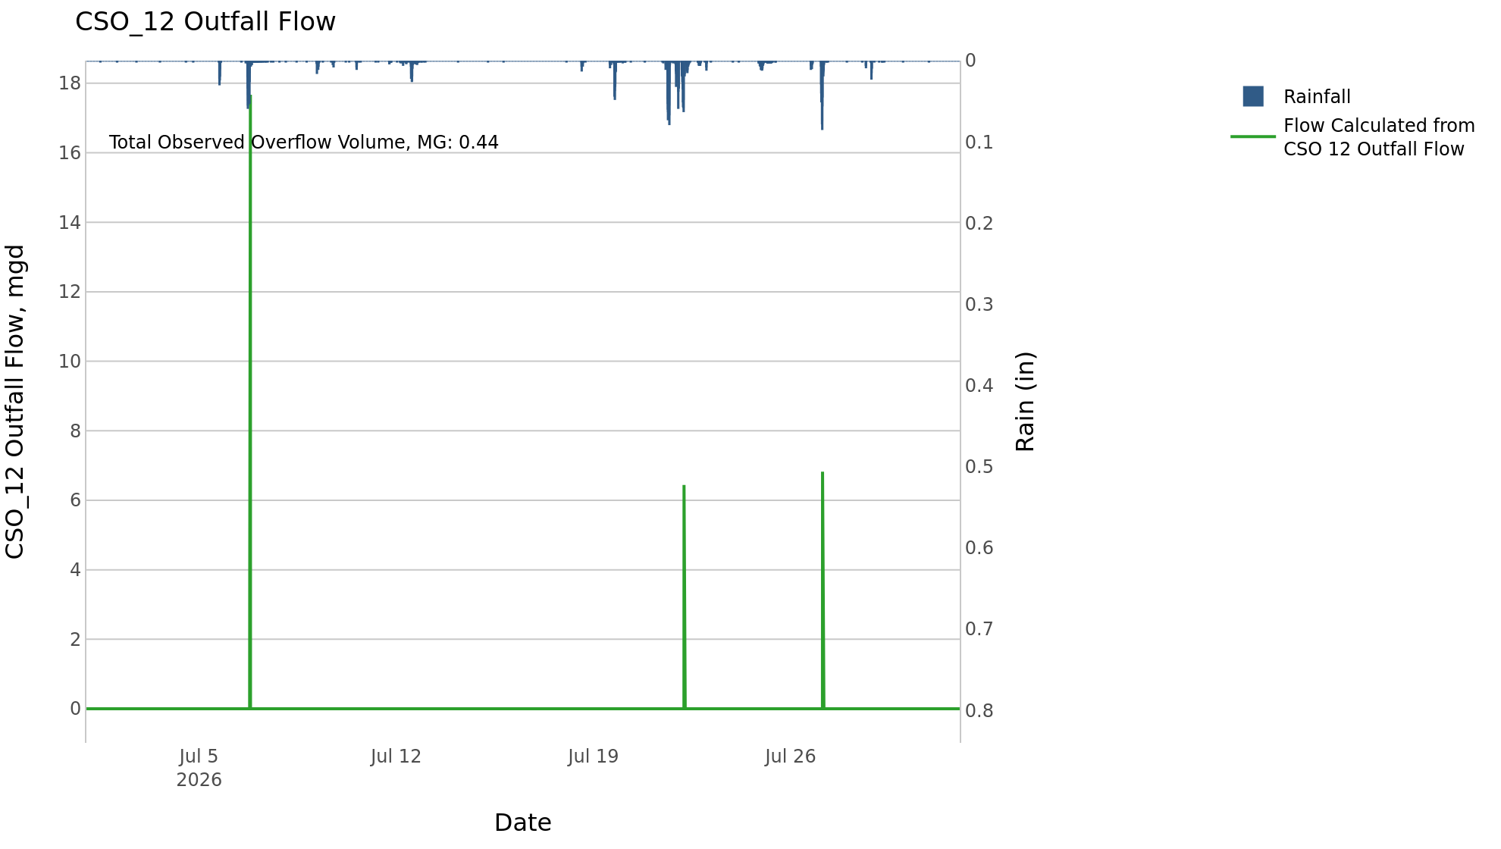
CSO_12 Jul2026 Overflow Events

 | start | end | Rainfall, in | Observed Overflow Volume, mg | overflow_duration_hours
2026Jul06 | 2026-07-06 | 2026-07-06 | 2.34 | 0.34 | 0.75
2026Jul19 | 2026-07-19 | 2026-07-22 | 3.3 | 0.02 | 0.67
2026Jul27 | 2026-07-27 | 2026-07-27 | 1.35 | 0.07 | 0.25

Note: Activations are defined by CSO volumes > 0.01 MG and an interevent time of 72 hours

CSO_14-Events
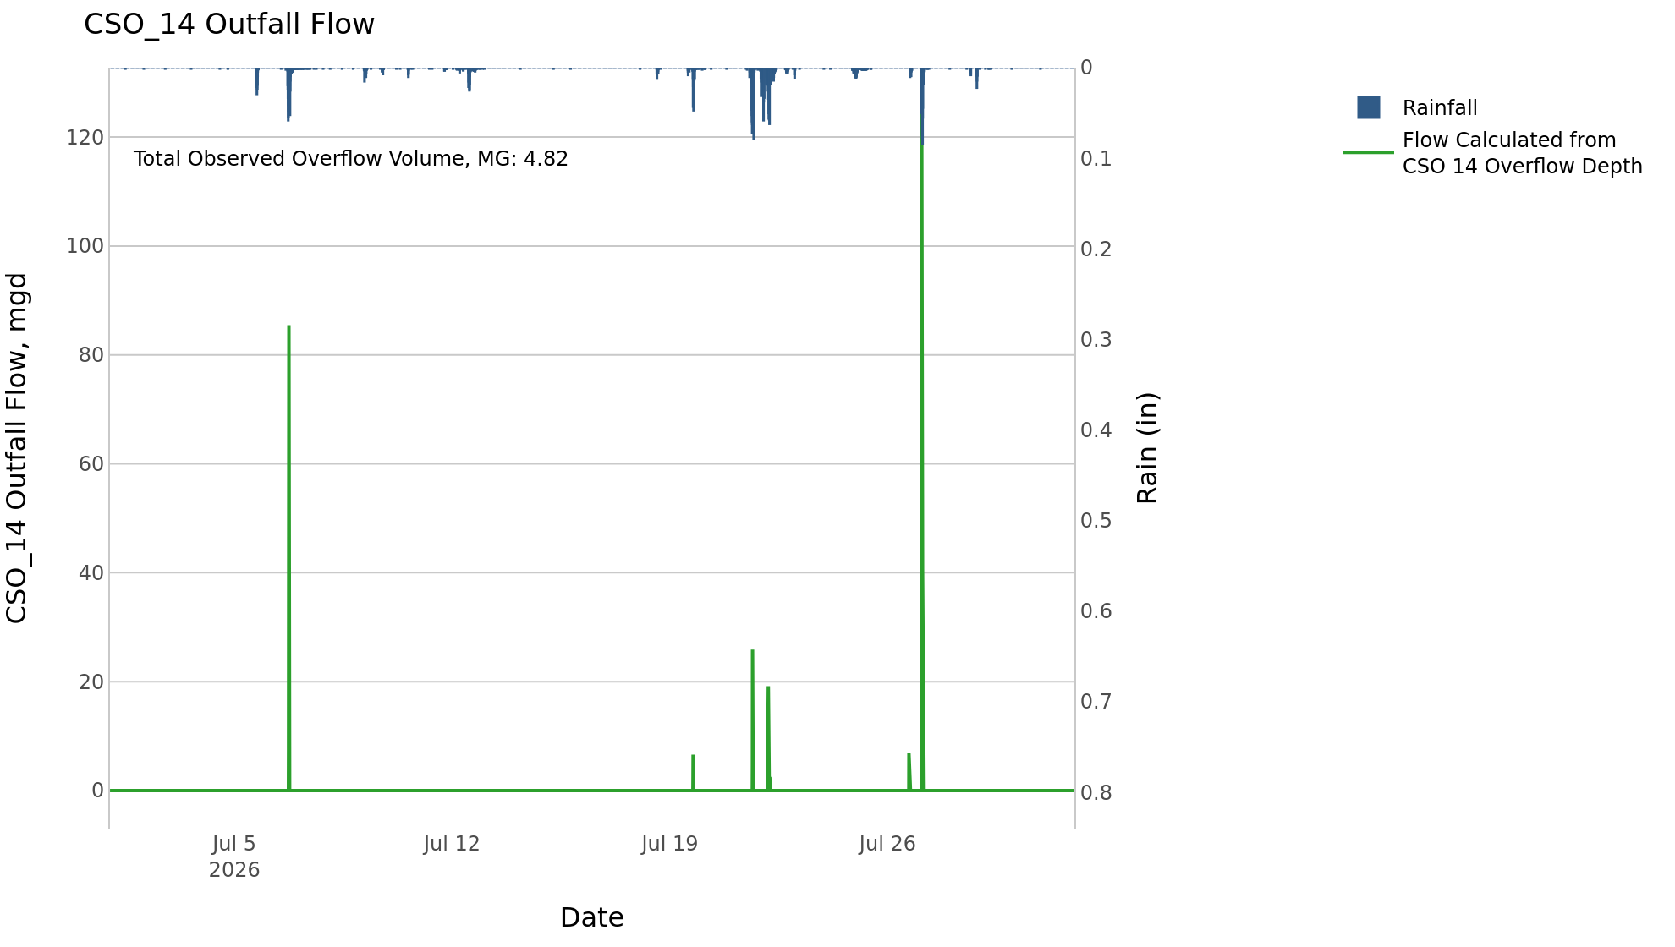
CSO_14 Jul2026 Overflow Events

 | start | end | Rainfall, in | Observed Overflow Volume, mg | overflow_duration_hours
2026Jul06 | 2026-07-06 | 2026-07-06 | 2.3 | 1.1 | 0.83
2026Jul19 | 2026-07-19 | 2026-07-22 | 3.29 | 0.53 | 2.5
2026Jul26 | 2026-07-26 | 2026-07-27 | 1.35 | 3.2 | 1.7

Note: Activations are defined by CSO volumes > 0.01 MG and an interevent time of 72 hours

CSO_15-Events
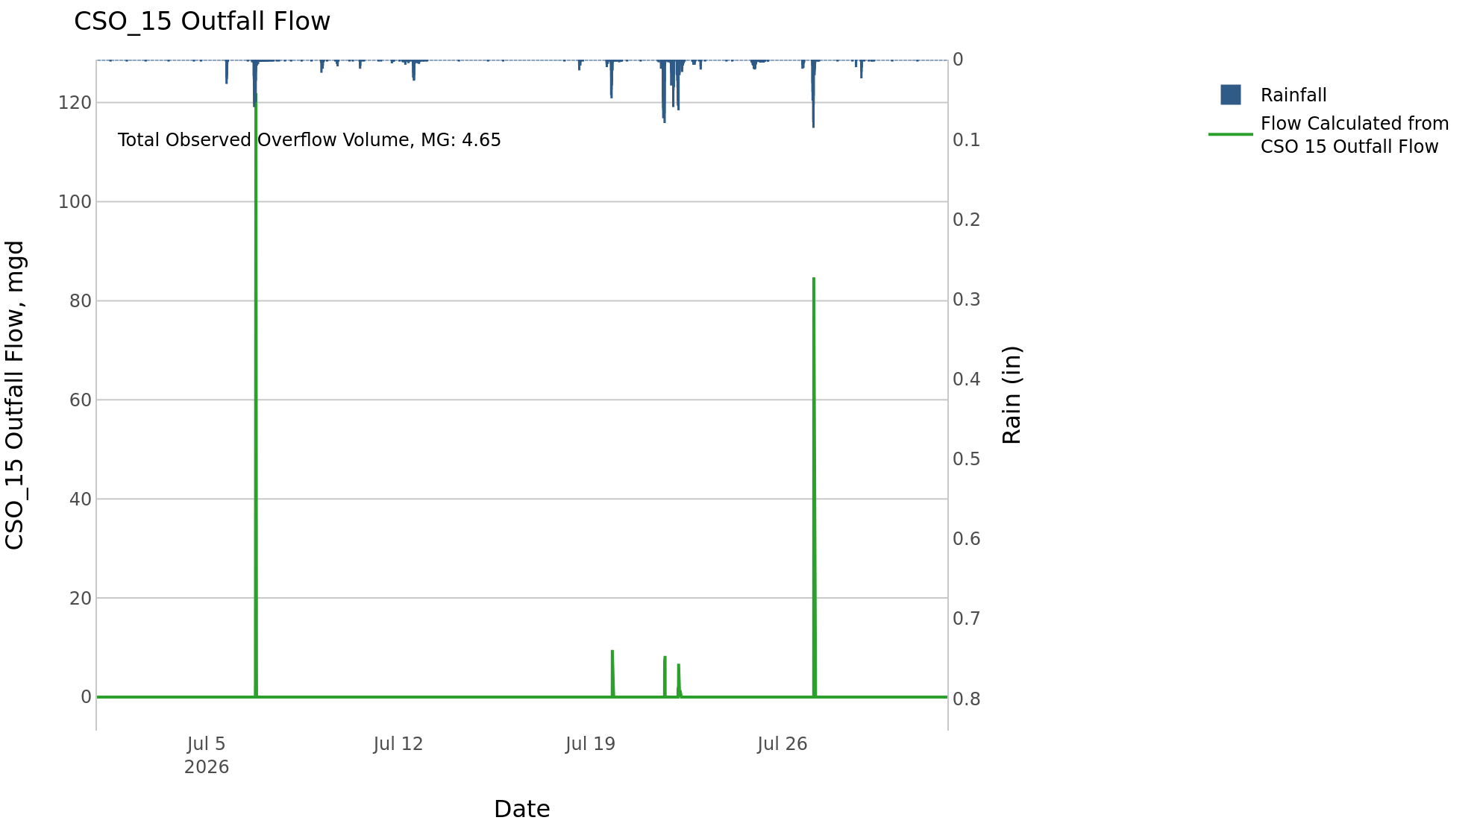
CSO_15 Jul2026 Overflow Events

 | start | end | Rainfall, in | Observed Overflow Volume, mg | overflow_duration_hours
2026Jul06 | 2026-07-06 | 2026-07-06 | 2.34 | 2.4 | 1
2026Jul19 | 2026-07-19 | 2026-07-22 | 3.3 | 0.46 | 2.5
2026Jul27 | 2026-07-27 | 2026-07-27 | 1.42 | 1.8 | 0.75

Note: Activations are defined by CSO volumes > 0.01 MG and an interevent time of 72 hours

CSO_16-Events

CSO_16 Jul2026 Overflow Events

No Overflow Events Recorded for CSO_16

Note: Activations are defined by CSO volumes > 0.01 MG and an interevent time of 72 hours

CSO_17-Events

CSO_17 Jul2026 Overflow Events

No Overflow Events Recorded for CSO_17

Note: Activations are defined by CSO volumes > 0.01 MG and an interevent time of 72 hours

CSO_18-Events

CSO_18 Jul2026 Overflow Events

No Overflow Events Recorded for CSO_18

Note: Activations are defined by CSO volumes > 0.01 MG and an interevent time of 72 hours

CSO_19-Events

CSO_19 Jul2026 Overflow Events

No Overflow Events Recorded for CSO_19

Note: Activations are defined by CSO volumes > 0.01 MG and an interevent time of 72 hours

CSO_20-Events
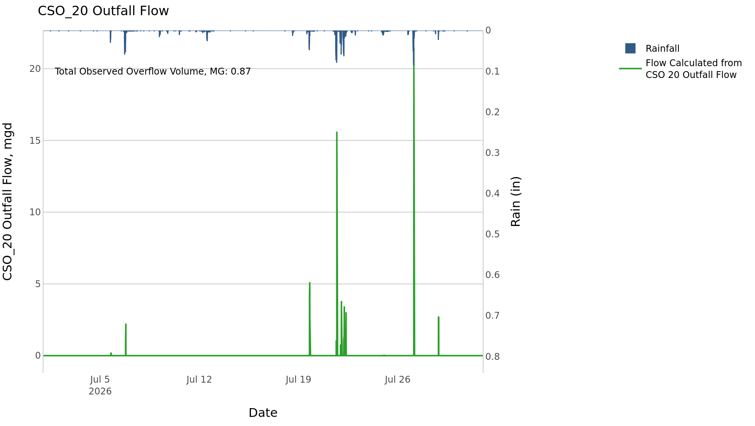
CSO_20 Jul2026 Overflow Events

 | start | end | Rainfall, in | Observed Overflow Volume, mg | overflow_duration_hours
2026Jul05 | 2026-07-05 | 2026-07-06 | 2.34 | 0.04 | 0.67
2026Jul19 | 2026-07-19 | 2026-07-28 | 5.05 | 0.84 | 5.4

Note: Activations are defined by CSO volumes > 0.01 MG and an interevent time of 72 hours

CSO_21-Events
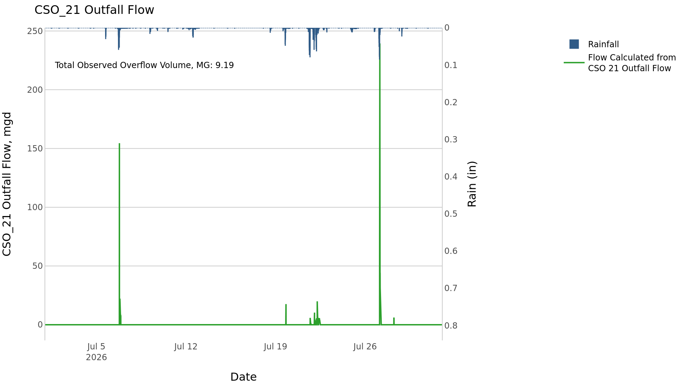
CSO_21 Jul2026 Overflow Events

 | start | end | Rainfall, in | Observed Overflow Volume, mg | overflow_duration_hours
2026Jul06 | 2026-07-06 | 2026-07-06 | 2.35 | 1.7 | 1.9
2026Jul19 | 2026-07-19 | 2026-07-22 | 3.44 | 1.4 | 8.8
2026Jul27 | 2026-07-27 | 2026-07-28 | 1.44 | 6.1 | 3.2

Note: Activations are defined by CSO volumes > 0.01 MG and an interevent time of 72 hours
Note: Any observed negative flows could be backflow from James River

CSO_24-Events
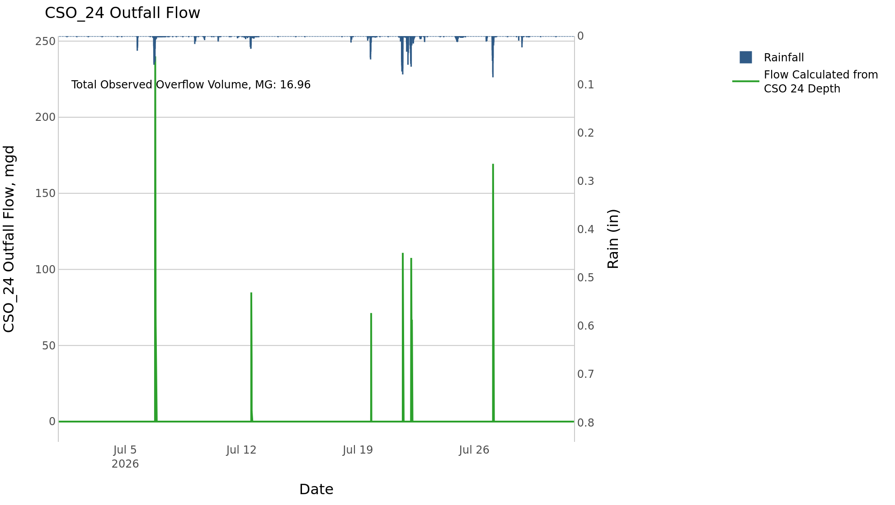
CSO_24 Jul2026 Overflow Events

 | start | end | Rainfall, in | Observed Overflow Volume, mg | overflow_duration_hours
2026Jul06 | 2026-07-06 | 2026-07-06 | 2.35 | 6.7 | 1.6
2026Jul12 | 2026-07-12 | 2026-07-12 | 0.81 | 1.6 | 0.67
2026Jul19 | 2026-07-19 | 2026-07-22 | 3.3 | 6.4 | 3.2
2026Jul27 | 2026-07-27 | 2026-07-27 | 1.42 | 2.2 | 0.83

Note: Activations are defined by CSO volumes > 0.01 MG and an interevent time of 72 hours

CSO_25-Events

CSO_25 Jul2026 Overflow Events

No Overflow Events Recorded for CSO_25
CSO_25 Bad Data
error_type | time_first_found | time_last_found
flatline | 2026-06-29 | 2026-07-02
flatline | 2026-07-02 | 2026-07-04
flatline | 2026-07-07 | 2026-07-09
flatline | 2026-07-10 | 2026-07-11
flatline | 2026-07-12 | 2026-07-18
flatline | 2026-07-18 | 2026-07-19
flatline | 2026-07-19 | 2026-07-21
flatline | 2026-07-28 | 2026-08-01

Note: Activations are defined by CSO volumes > 0.01 MG and an interevent time of 72 hours

CSO_26-Events

CSO_26 Jul2026 Overflow Events

No Overflow Events Recorded for CSO_26
CSO_26 Bad Data
error_type | time_first_found | time_last_found
flatline | 2026-06-29 | 2026-07-02
flatline | 2026-07-07 | 2026-07-09
flatline | 2026-07-14 | 2026-07-18
flatline | 2026-07-20 | 2026-07-21
flatline | 2026-07-23 | 2026-07-24
flatline | 2026-07-25 | 2026-07-26

Note: Activations are defined by CSO volumes > 0.01 MG and an interevent time of 72 hours

CSO_31-Events
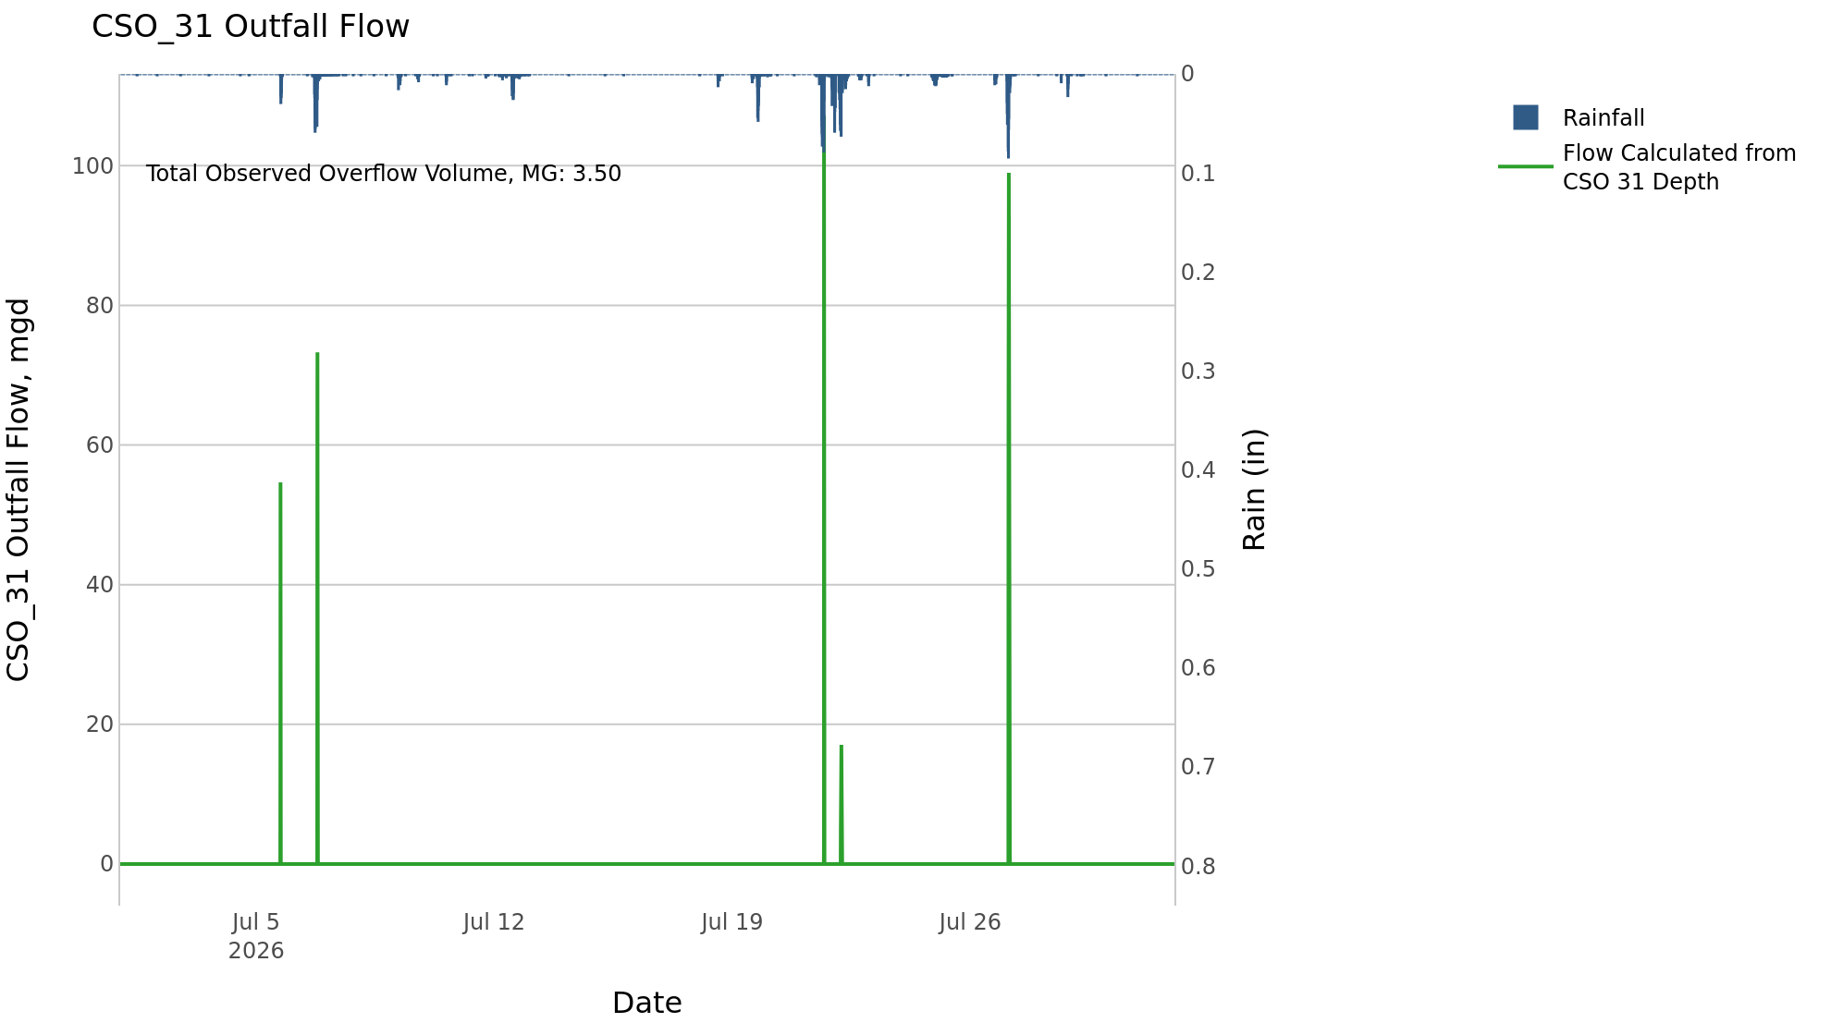
CSO_31 Jul2026 Overflow Events

 | start | end | Rainfall, in | Observed Overflow Volume, mg | overflow_duration_hours
2026Jul05 | 2026-07-05 | 2026-07-06 | 2.33 | 1.4 | 0.75
2026Jul21 | 2026-07-21 | 2026-07-22 | 3.28 | 1.1 | 0.58
2026Jul27 | 2026-07-27 | 2026-07-27 | 1.35 | 0.94 | 0.33

Note: Activations are defined by CSO volumes > 0.01 MG and an interevent time of 72 hours

CSO_33-Events

CSO_33 Jul2026 Overflow Events

No Overflow Events Recorded for CSO_33

Note: Activations are defined by CSO volumes > 0.01 MG and an interevent time of 72 hours

CSO_34-Events
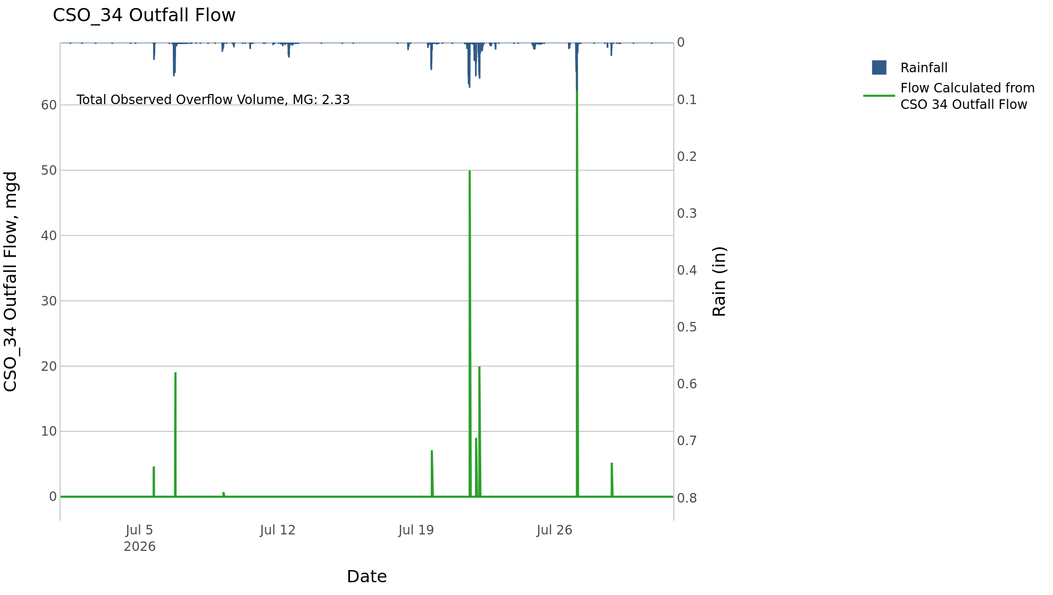
CSO_34 Jul2026 Overflow Events

 | start | end | Rainfall, in | Observed Overflow Volume, mg | overflow_duration_hours
2026Jul05 | 2026-07-05 | 2026-07-09 | 2.45 | 0.35 | 1
2026Jul19 | 2026-07-19 | 2026-07-22 | 3.29 | 1.1 | 1.7
2026Jul27 | 2026-07-27 | 2026-07-28 | 1.61 | 0.89 | 0.5

Note: Activations are defined by CSO volumes > 0.01 MG and an interevent time of 72 hours

CSO_35-Events
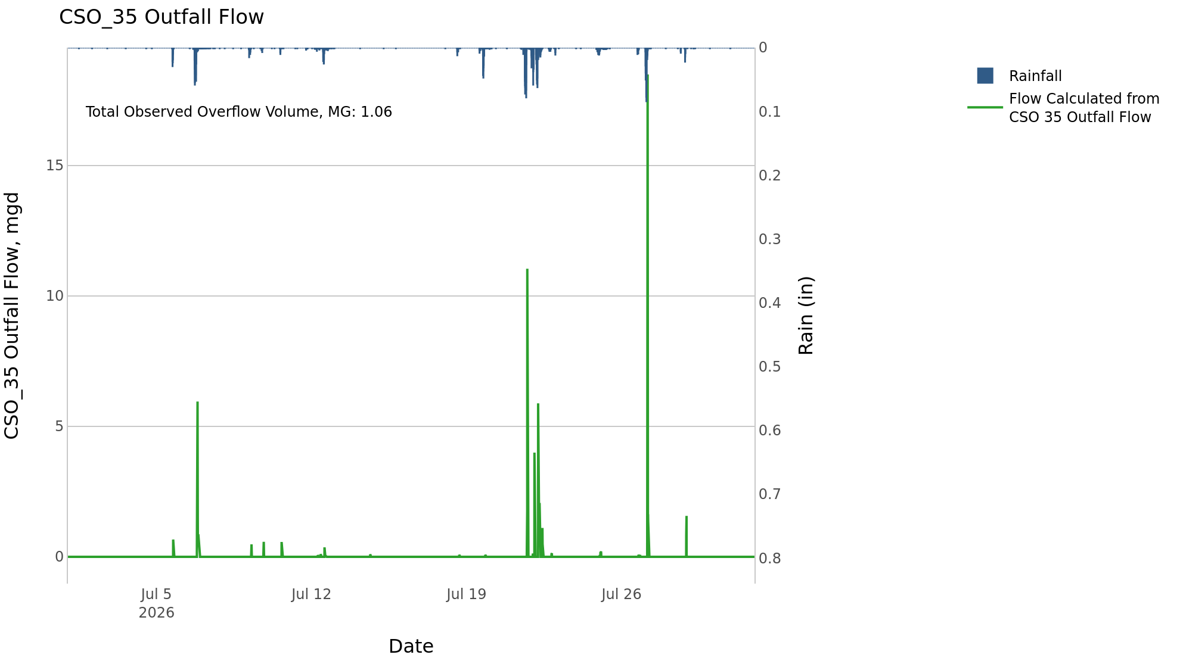
CSO_35 Jul2026 Overflow Events

 | start | end | Rainfall, in | Observed Overflow Volume, mg | overflow_duration_hours
2026Jul05 | 2026-07-05 | 2026-07-14 | 3.19 | 0.22 | 6.3
2026Jul18 | 2026-07-18 | 2026-07-28 | 5.05 | 0.84 | 10

Note: Activations are defined by CSO volumes > 0.01 MG and an interevent time of 72 hours

CSO_39-Events
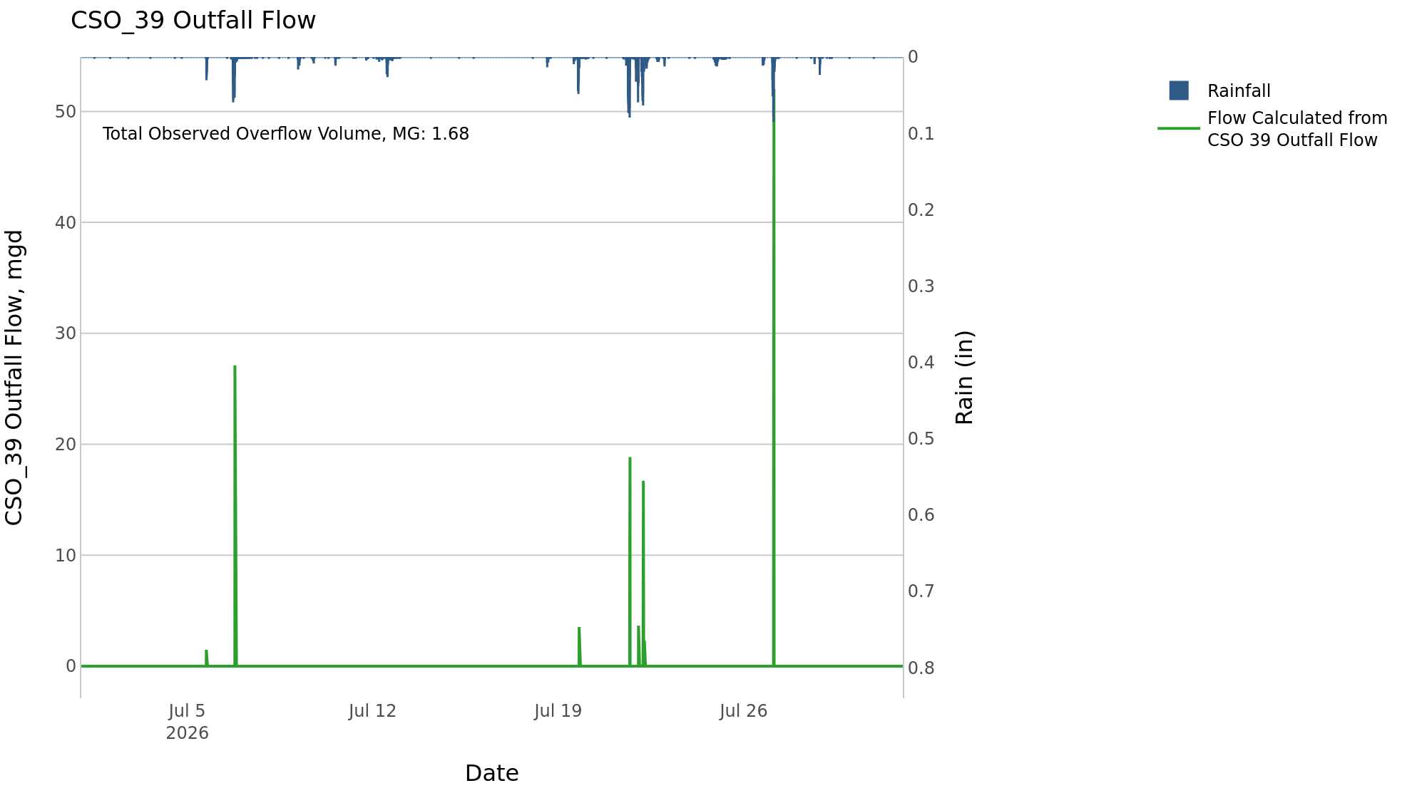
CSO_39 Jul2026 Overflow Events

 | start | end | Rainfall, in | Observed Overflow Volume, mg | overflow_duration_hours
2026Jul05 | 2026-07-05 | 2026-07-06 | 2.34 | 0.46 | 0.67
2026Jul19 | 2026-07-19 | 2026-07-22 | 3.3 | 0.55 | 1.6
2026Jul27 | 2026-07-27 | 2026-07-27 | 1.35 | 0.67 | 0.5

Note: Activations are defined by CSO volumes > 0.01 MG and an interevent time of 72 hours

CSO_40-Events
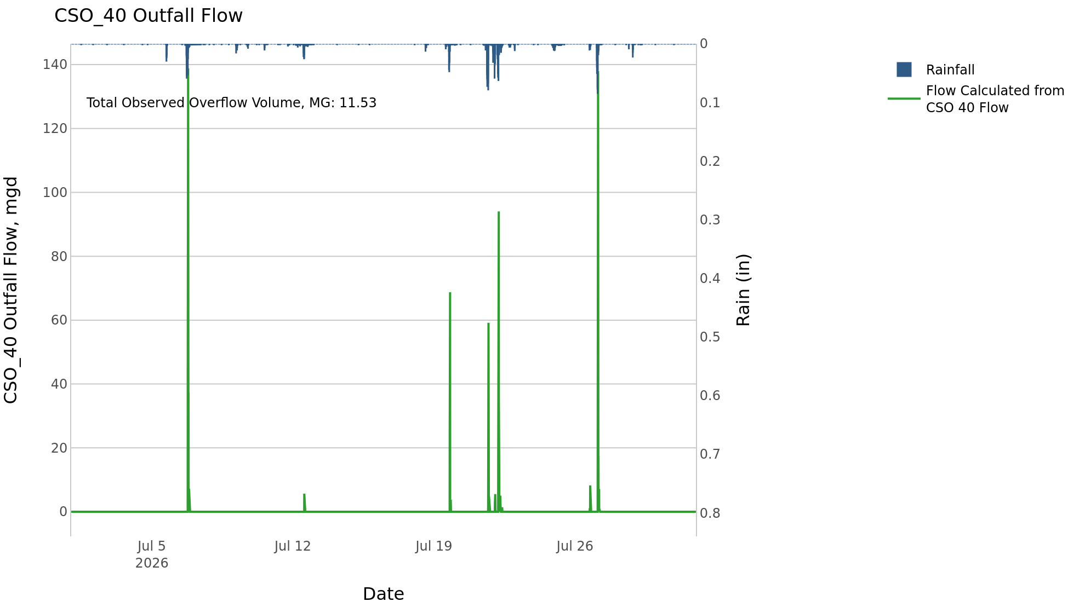
CSO_40 Jul2026 Overflow Events

 | start | end | Rainfall, in | Observed Overflow Volume, mg | overflow_duration_hours
2026Jul06 | 2026-07-06 | 2026-07-06 | 2.35 | 3.6 | 1.8
2026Jul12 | 2026-07-12 | 2026-07-12 | 0.82 | 0.13 | 1
2026Jul19 | 2026-07-19 | 2026-07-22 | 3.44 | 4.6 | 6.9
2026Jul26 | 2026-07-26 | 2026-07-27 | 1.43 | 3.2 | 2.8

Note: Activations are defined by CSO volumes > 0.01 MG and an interevent time of 72 hours

