CSO Summary
Apr2026 CSO Report
 | Observed
Apr2026 CSO Report
 | Observed
CSO_06 | 0.12
Apr2026 Overflow Summary
0.68 MG Overflow Observed
 | Sensor Type | % of Report with Good Data | Number of Observed Activations | Observed Overflow Volume, MG
CSO_04 | Flow | 100 | 0 | 0
CSO_05 | Flow | 53 | 0 | 0
CSO_06 | Flow | 49 | 1 | 0.12
CSO_07 | Flow | 100 | 0 | 0
CSO_09 | Level | 100 | 0 | 0
CSO_10 | Level | 100 | 0 | 0
CSO_11 | Level | 100 | 0 | 0
CSO_12 | Flow | 100 | 0 | 0
CSO_14 | Level | 100 | 0 | 0
CSO_15 | Flow | 100 | 0 | 0
CSO_16 | Level | 100 | 0 | 0
CSO_17 | Level | 100 | 0 | 0
CSO_18 | Level | 100 | 0 | 0
CSO_19 | Level | 100 | 0 | 0
CSO_20 | Flow | 100 | 0 | 0
CSO_21 | Flow | 100 | 0 | 0
CSO_24 | Level | 100 | 1 | 0.43
CSO_25 | Level | 100 | 0 | 0
CSO_26 | Level | 100 | 0 | 0
CSO_31 | Level | 100 | 0 | 0
CSO_33 | Level | 100 | 0 | 0
CSO_34 | Flow | 100 | 1 | 0.12
CSO_35 | Flow | 100 | 1 | 0.01
CSO_39 | Flow | 100 | 0 | 0
CSO_40 | Flow | 91 | 0 | 0
System | N/A | N/A | 3 | 0.68

CSO_04-Events
CSO_04 Apr2026 Overflow Events

No Overflow Events Recorded for CSO_04

Note: Activations are defined by CSO volumes > 0.01 MG and an interevent time of 72 hours
Note: Any observed negative flows could be backflow from James River

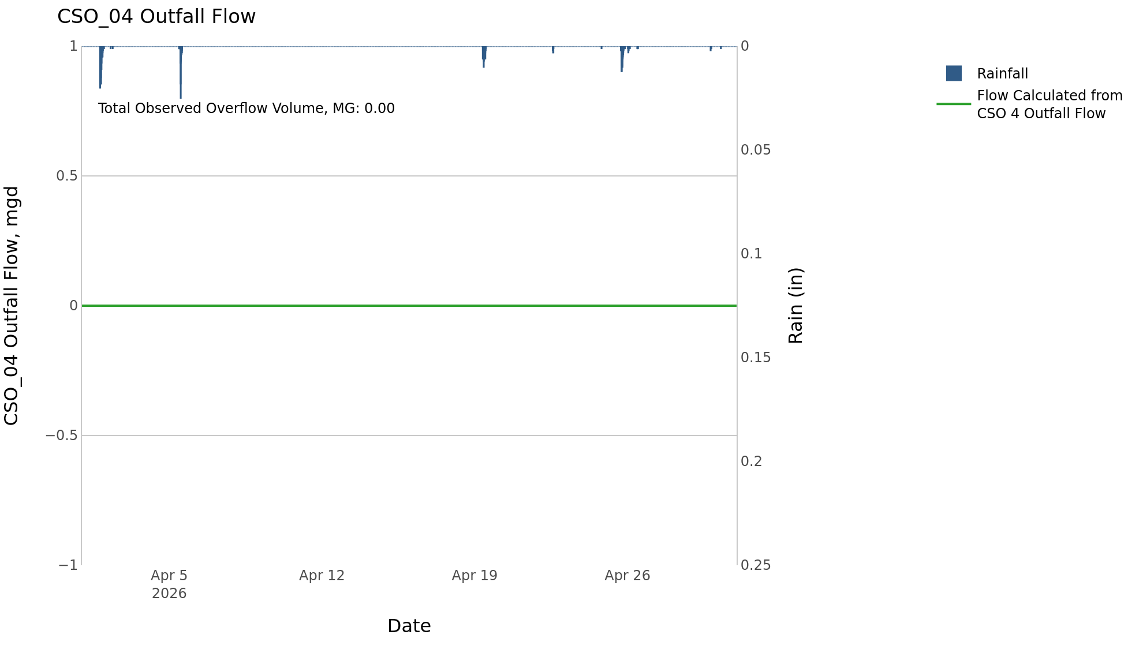

CSO_06-Events
CSO_06 Apr2026 Overflow Events

 | start | end | Rainfall, in | Observed Overflow Volume, mg | overflow_duration_hours
2026Apr25 | 2026-04-25 | 2026-04-25 | 0.29 | 0.12 | 0.58

Note: Activations are defined by CSO volumes > 0.01 MG and an interevent time of 72 hours
Note: Any observed negative flows could be due to high James River levels and flow eddies within structure

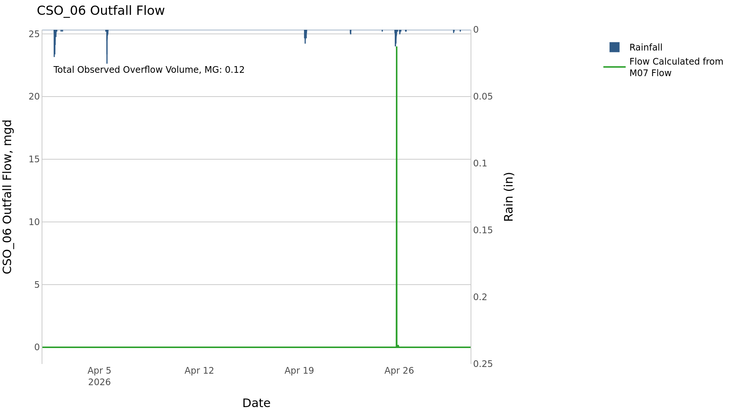

CSO_14-Events
CSO_14 Apr2026 Overflow Events

No Overflow Events Recorded for CSO_14

Note: Activations are defined by CSO volumes > 0.01 MG and an interevent time of 72 hours

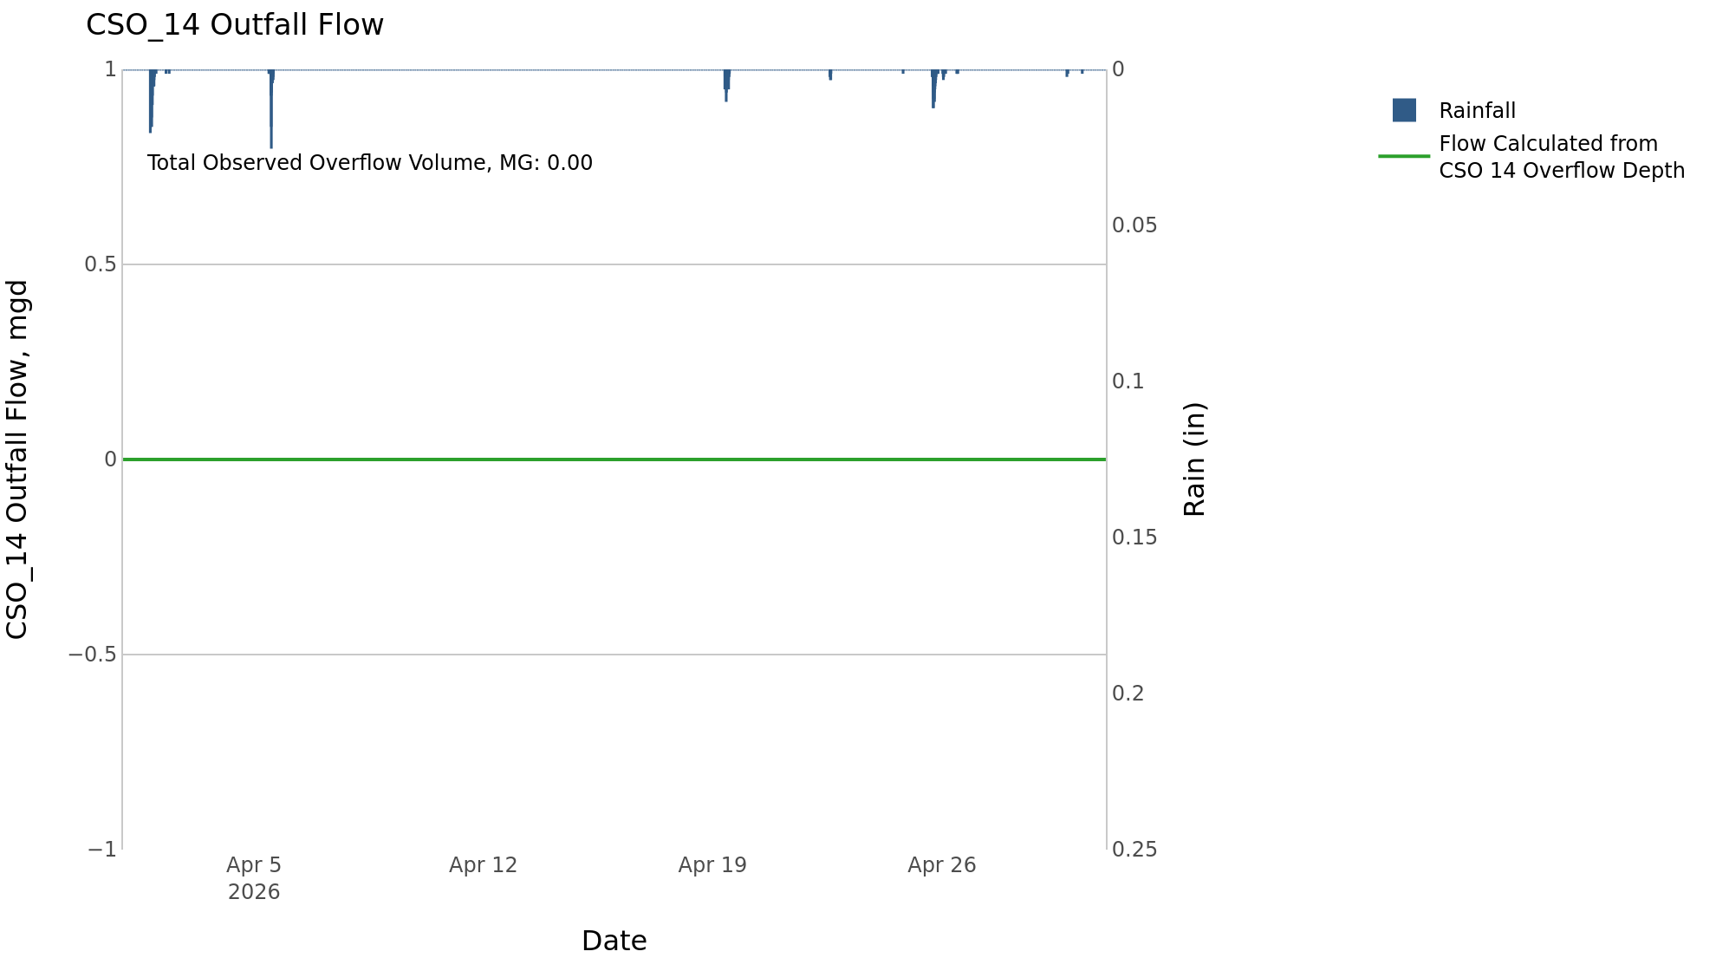

CSO_24-Events
CSO_24 Apr2026 Overflow Events

 | start | end | Rainfall, in | Observed Overflow Volume, mg | overflow_duration_hours
2026Apr02 | 2026-04-02 | 2026-04-02 | 0.3 | 0.43 | 0.33

Note: Activations are defined by CSO volumes > 0.01 MG and an interevent time of 72 hours

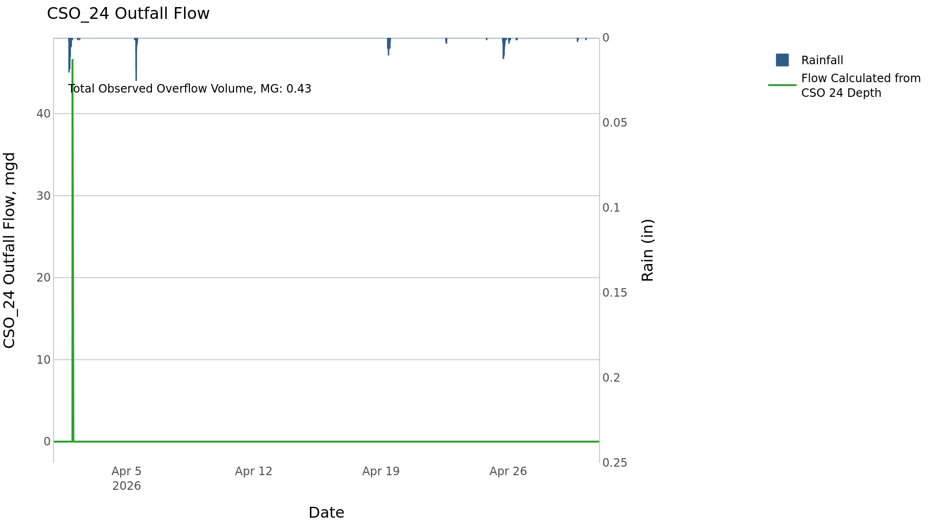

CSO_26-Events
CSO_26 Apr2026 Overflow Events

No Overflow Events Recorded for CSO_26
CSO_26 Bad Data
error_type | time_first_found | time_last_found
flatline | 2026-03-25 | 2026-04-14
negative | 2026-03-25 | 2026-04-13
flatline | 2026-04-20 | 2026-04-25
flatline | 2026-04-26 | 2026-05-02

Note: Activations are defined by CSO volumes > 0.01 MG and an interevent time of 72 hours

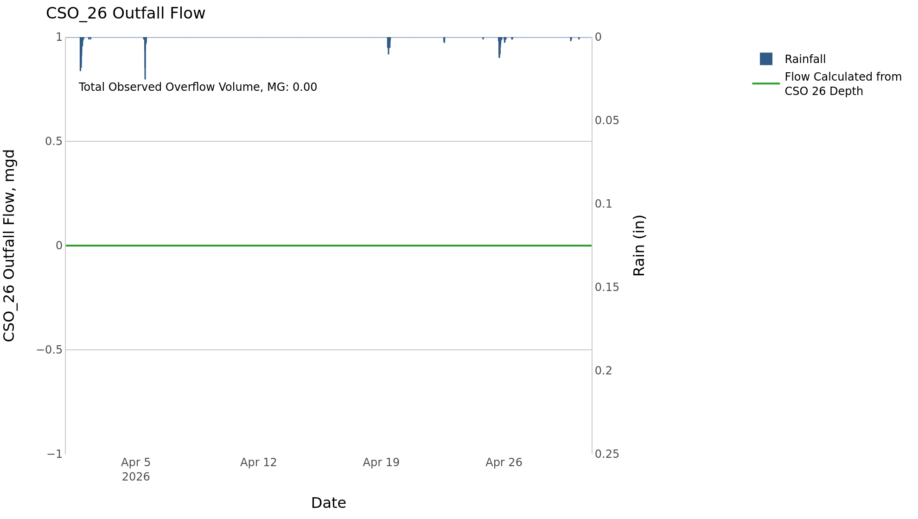

CSO_34-Events
CSO_34 Apr2026 Overflow Events

 | start | end | Rainfall, in | Observed Overflow Volume, mg | overflow_duration_hours
2026Apr10 | 2026-04-10 | 2026-04-10 | 0 | 0.12 | 3

Note: Activations are defined by CSO volumes > 0.01 MG and an interevent time of 72 hours

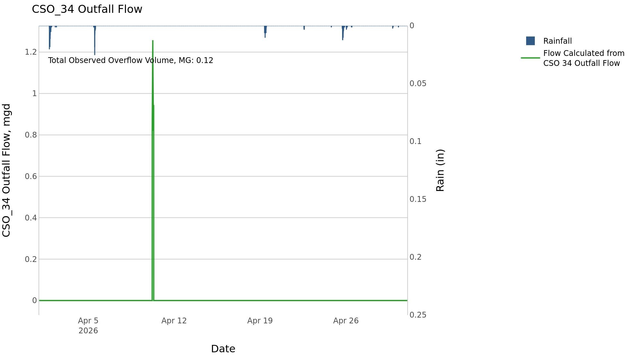

CSO_35-Events
CSO_35 Apr2026 Overflow Events

 | start | end | Rainfall, in | Observed Overflow Volume, mg | overflow_duration_hours
2026Apr01 | 2026-04-01 | 2026-04-01 | 0.29 | 0.01 | 1

Note: Activations are defined by CSO volumes > 0.01 MG and an interevent time of 72 hours

