CSO Summary
Mar2026 CSO Report
 | Observed
CSO_04 | 0.07
CSO_05 | 0
CSO_07 | 0
CSO_09 | 0
CSO_10 | 0
CSO_11 | 0
CSO_12 | 0
CSO_14 | 0
CSO_15 | 0.05
CSO_16 | 0
CSO_17 | 0
CSO_18 | 0
CSO_19 | 0
CSO_20 | 0
CSO_21 | 0
CSO_24 | 0
CSO_25 | 0
CSO_26 | 0
CSO_31 | 0
CSO_33 | 0
CSO_34 | 0.03
CSO_35 | 0.13
CSO_39 | 0
CSO_40 | 0.21
Mar2026 CSO Report
 | Observed
CSO_06 | 0
Mar2026 Overflow Summary
0.48 MG Overflow Observed
 | Sensor Type | % of Report with Good Data | Number of Observed Activations | Observed Overflow Volume, MG
CSO_04 | Flow | 100 | 1 | 0.07
CSO_05 | Flow | 100 | 0 | 0
CSO_06 | Flow | 0 | 0 | 0
CSO_07 | Flow | 100 | 0 | 0
CSO_09 | Level | 100 | 0 | 0
CSO_10 | Level | 100 | 0 | 0
CSO_11 | Level | 100 | 0 | 0
CSO_12 | Flow | 100 | 0 | 0
CSO_14 | Level | 100 | 0 | 0
CSO_15 | Flow | 100 | 2 | 0.05
CSO_16 | Level | 100 | 0 | 0
CSO_17 | Level | 100 | 0 | 0
CSO_18 | Level | 100 | 0 | 0
CSO_19 | Level | 100 | 0 | 0
CSO_20 | Flow | 100 | 0 | 0
CSO_21 | Flow | 100 | 0 | 0
CSO_24 | Level | 100 | 0 | 0
CSO_25 | Level | 100 | 0 | 0
CSO_26 | Level | 100 | 0 | 0
CSO_31 | Level | 100 | 0 | 0
CSO_33 | Level | 100 | 0 | 0
CSO_34 | Flow | 100 | 1 | 0.03
CSO_35 | Flow | 100 | 3 | 0.13
CSO_39 | Flow | 100 | 0 | 0
CSO_40 | Flow | 100 | 3 | 0.21
System | N/A | N/A | 3 | 0.48

CSO_04-Events
CSO_04 Mar2026 Overflow Events

 | start | end | Rainfall, in | Observed Overflow Volume, mg | overflow_duration_hours
2026Mar12 | 2026-03-12 | 2026-03-12 | 0.41 | 0.07 | 0.58

Note: Activations are defined by CSO volumes > 0.01 MG and an interevent time of 72 hours
Note: Any observed negative flows could be backflow from James River

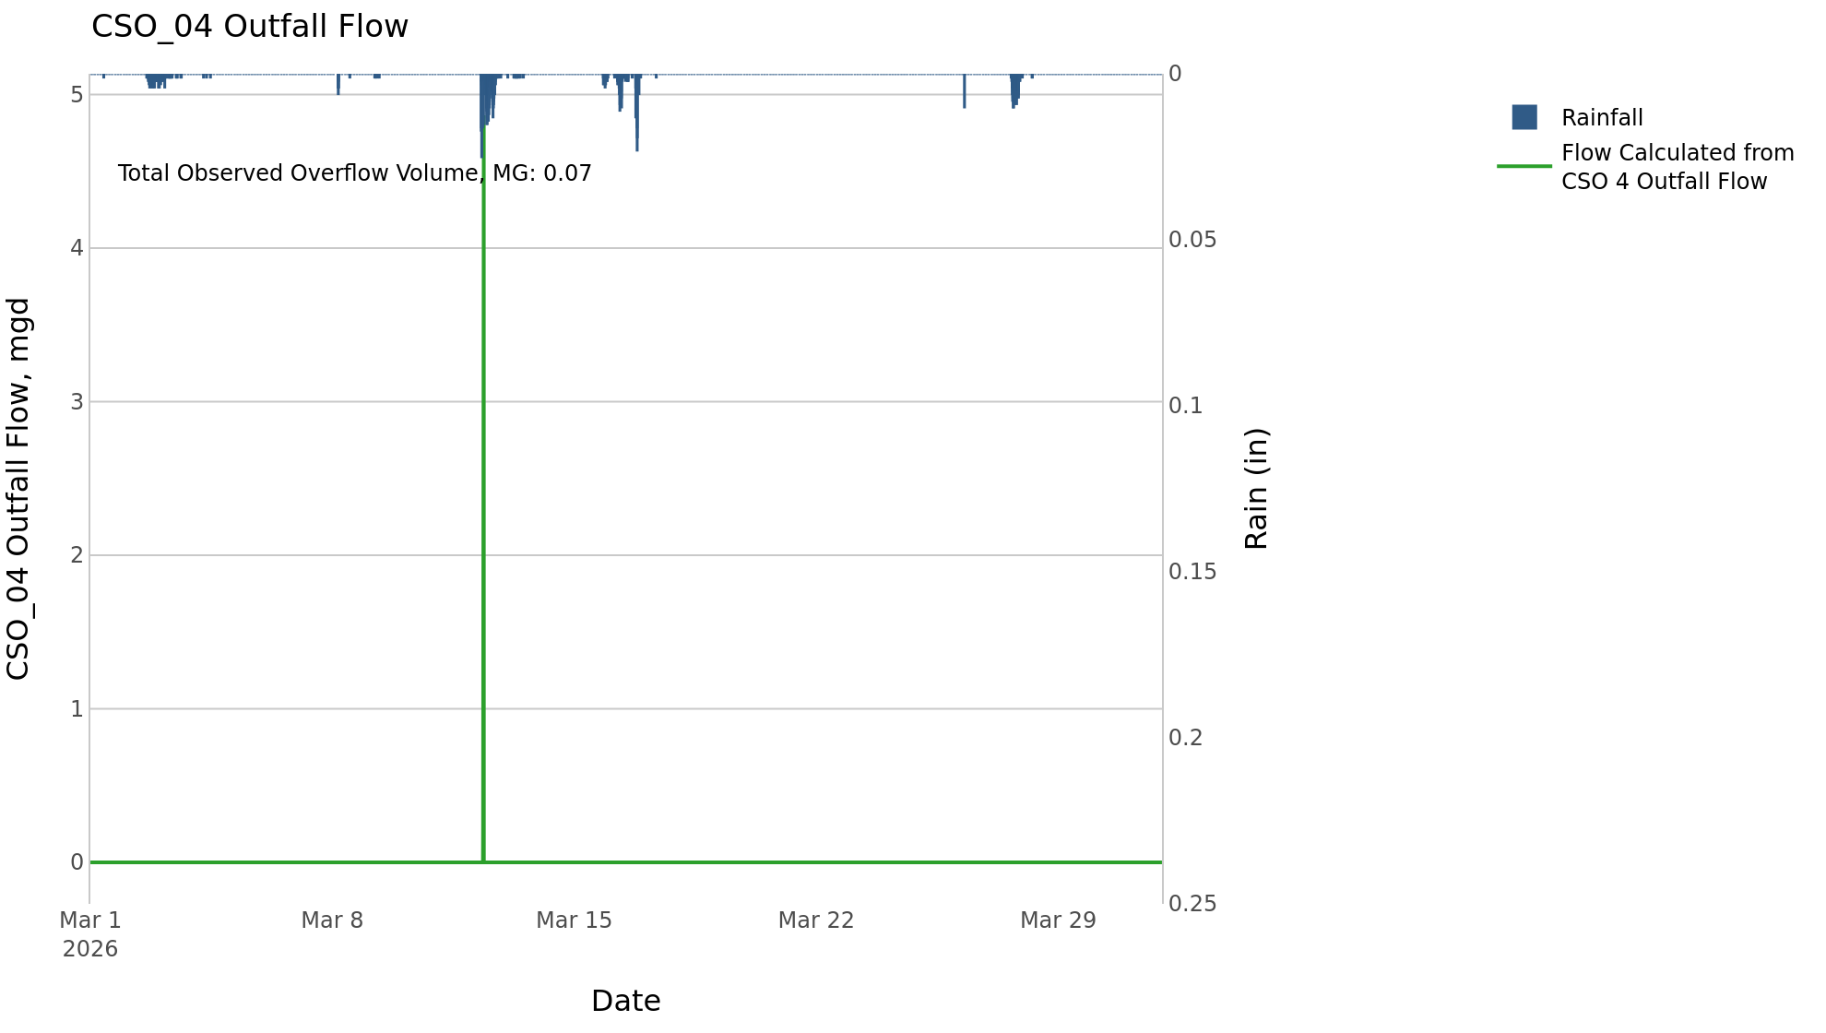

CSO_05-Events
CSO_05 Mar2026 Overflow Events

No Overflow Events Recorded for CSO_05

Note: Activations are defined by CSO volumes > 0.01 MG and an interevent time of 72 hours
Note: Any observed negative flows could be backflow from James River

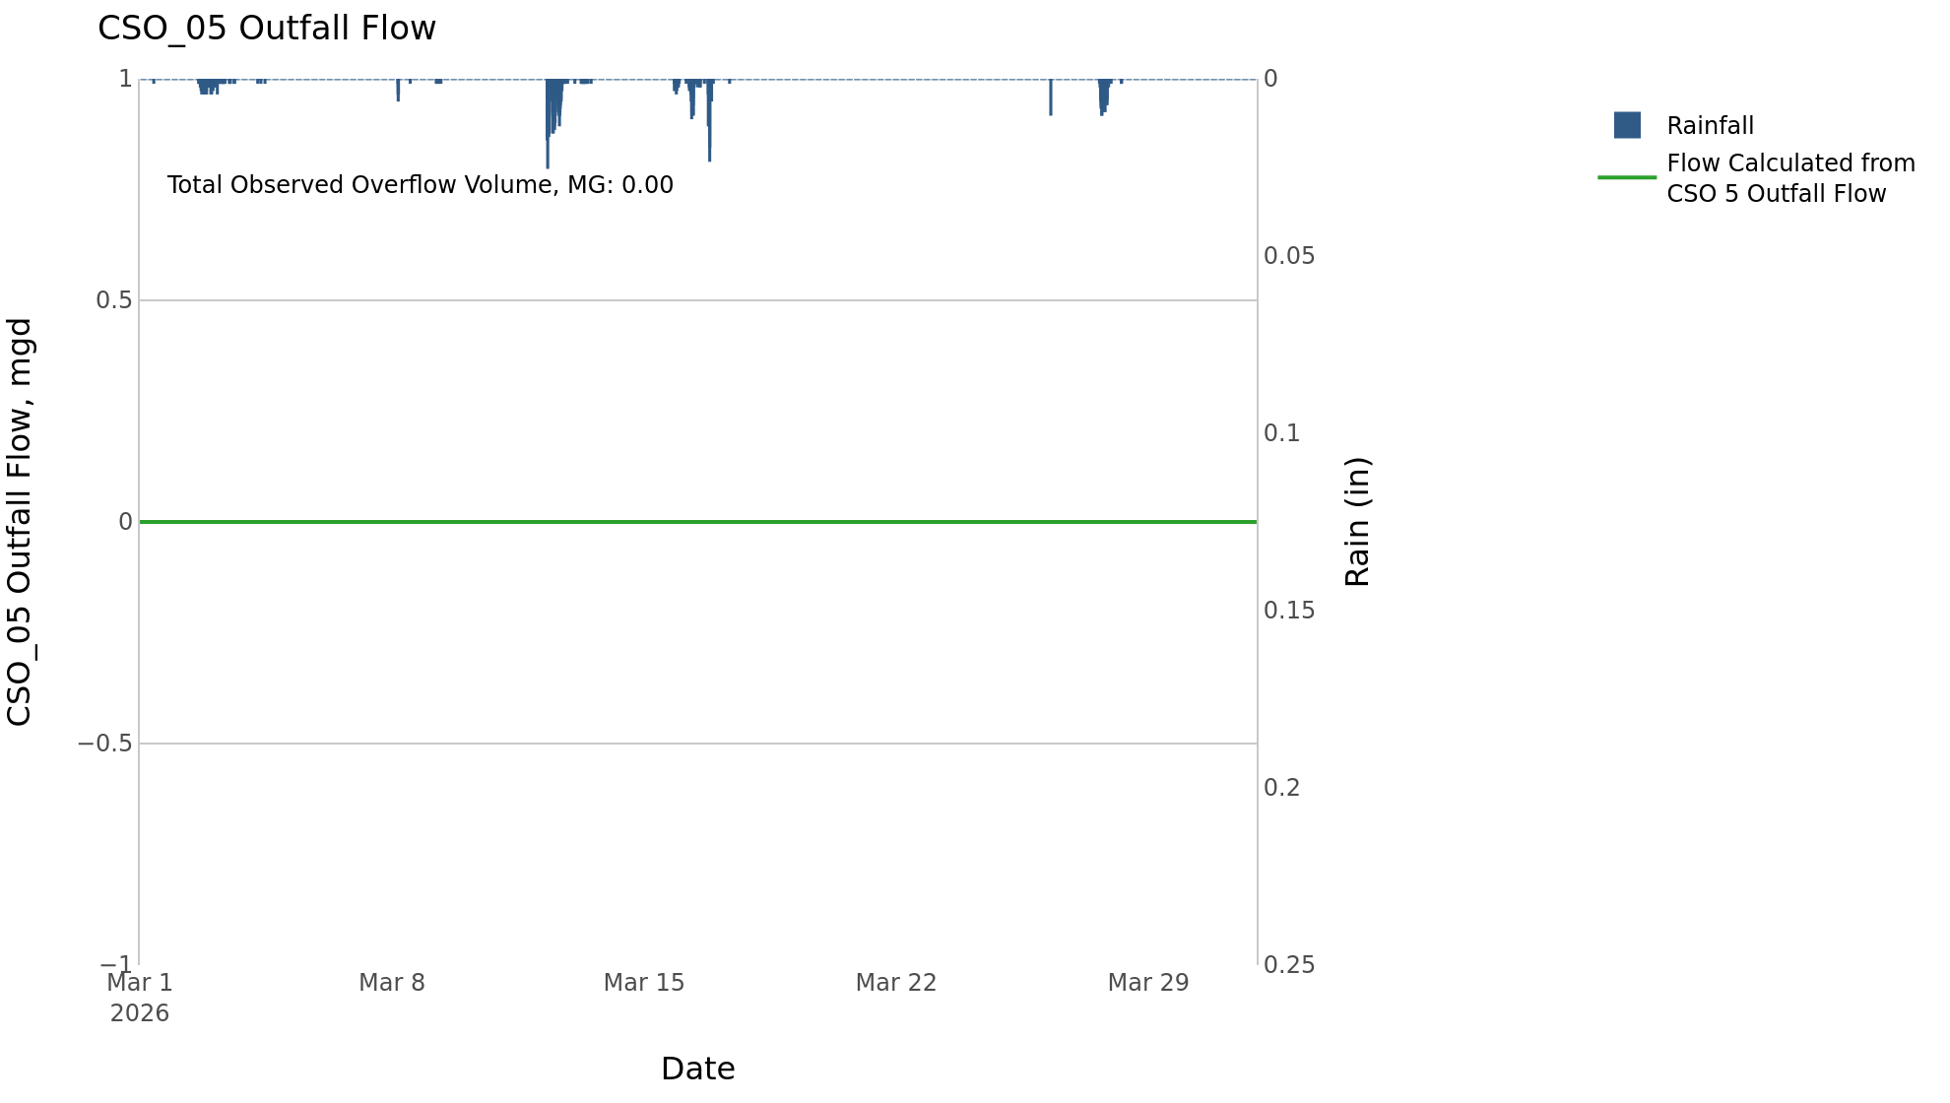

CSO_06-Events
CSO_06 Mar2026 Overflow Events

No Overflow Events Recorded for CSO_06
CSO_06 Bad Data
error_type | time_first_found | time_last_found
gap | 2026-02-19 | 2026-04-02

Note: Activations are defined by CSO volumes > 0.01 MG and an interevent time of 72 hours
Note: Any observed negative flows could be due to high James River levels and flow eddies within structure

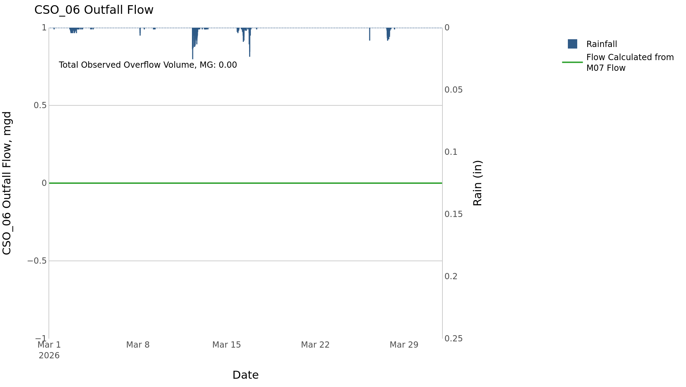

CSO_14-Events
CSO_14 Mar2026 Overflow Events

No Overflow Events Recorded for CSO_14

Note: Activations are defined by CSO volumes > 0.01 MG and an interevent time of 72 hours

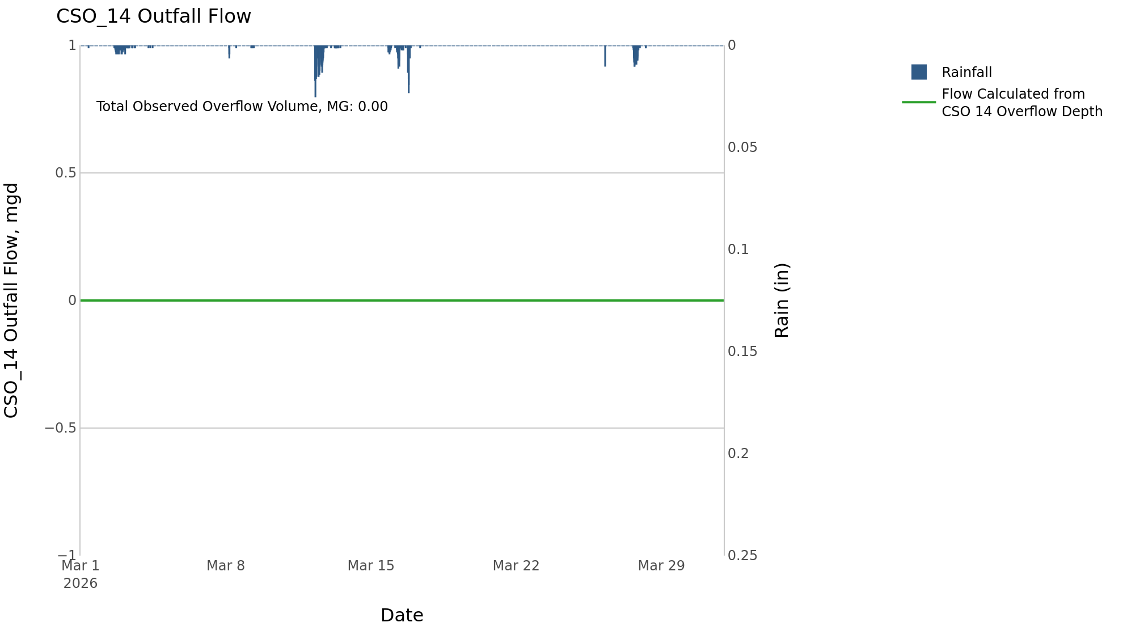

CSO_15-Events
CSO_15 Mar2026 Overflow Events

 | start | end | Rainfall, in | Observed Overflow Volume, mg | overflow_duration_hours
2026Mar12 | 2026-03-12 | 2026-03-12 | 0.91 | 0.03 | 1.8
2026Mar16 | 2026-03-16 | 2026-03-16 | 0.38 | 0.02 | 2

Note: Activations are defined by CSO volumes > 0.01 MG and an interevent time of 72 hours

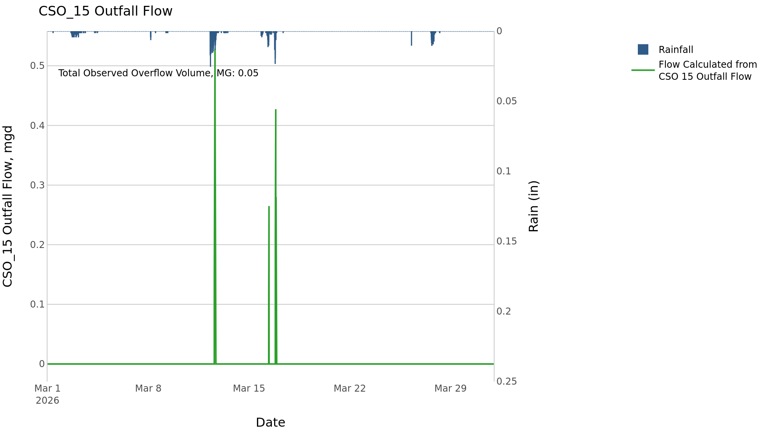

CSO_20-Events
CSO_20 Mar2026 Overflow Events

No Overflow Events Recorded for CSO_20

Note: Activations are defined by CSO volumes > 0.01 MG and an interevent time of 72 hours

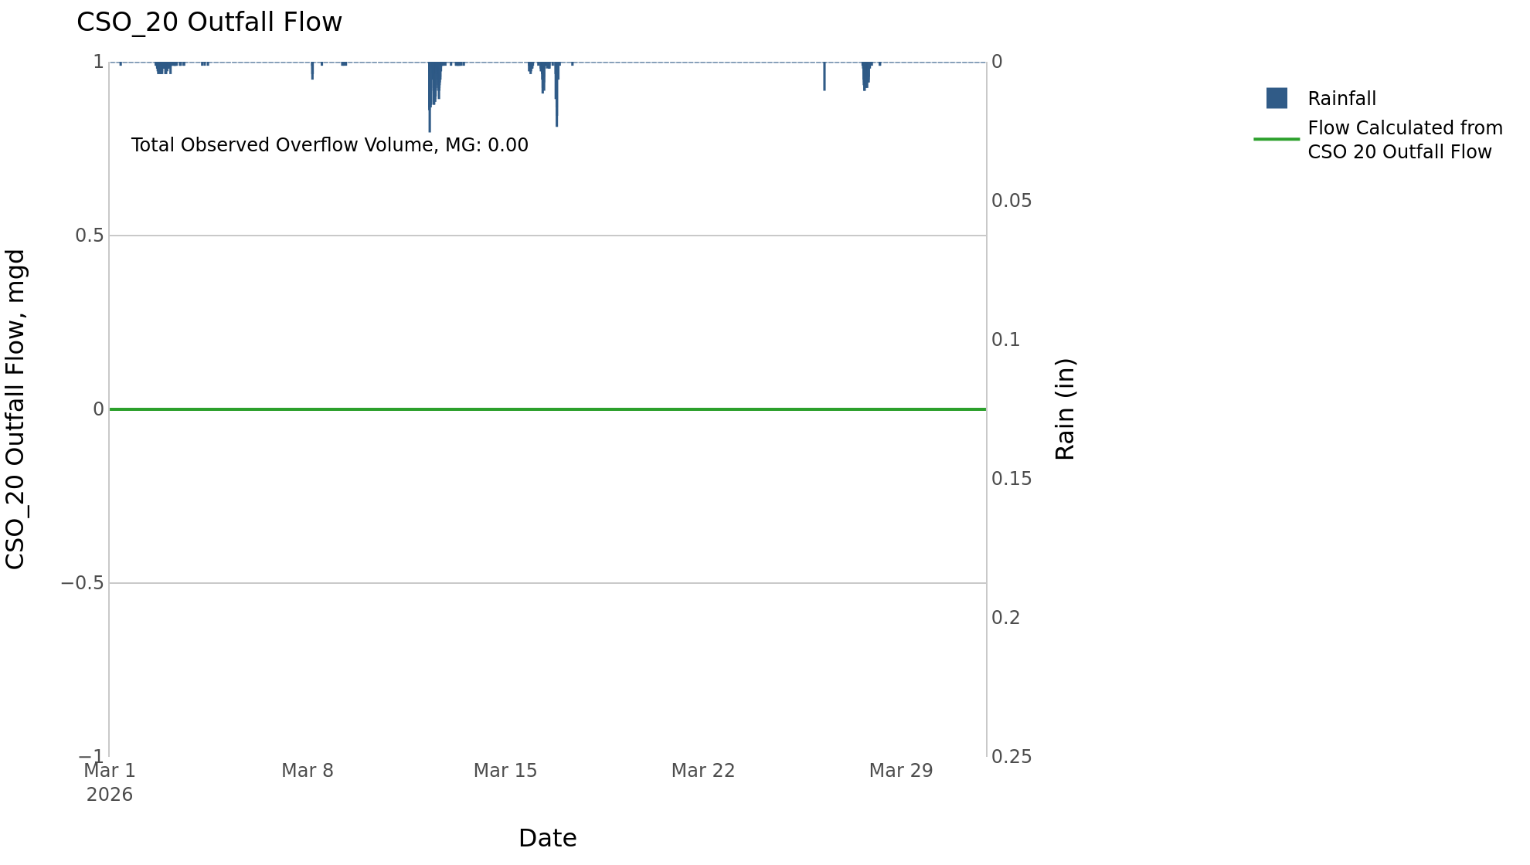

CSO_34-Events
CSO_34 Mar2026 Overflow Events

 | start | end | Rainfall, in | Observed Overflow Volume, mg | overflow_duration_hours
2026Mar12 | 2026-03-12 | 2026-03-12 | 0.41 | 0.03 | 0.58

Note: Activations are defined by CSO volumes > 0.01 MG and an interevent time of 72 hours

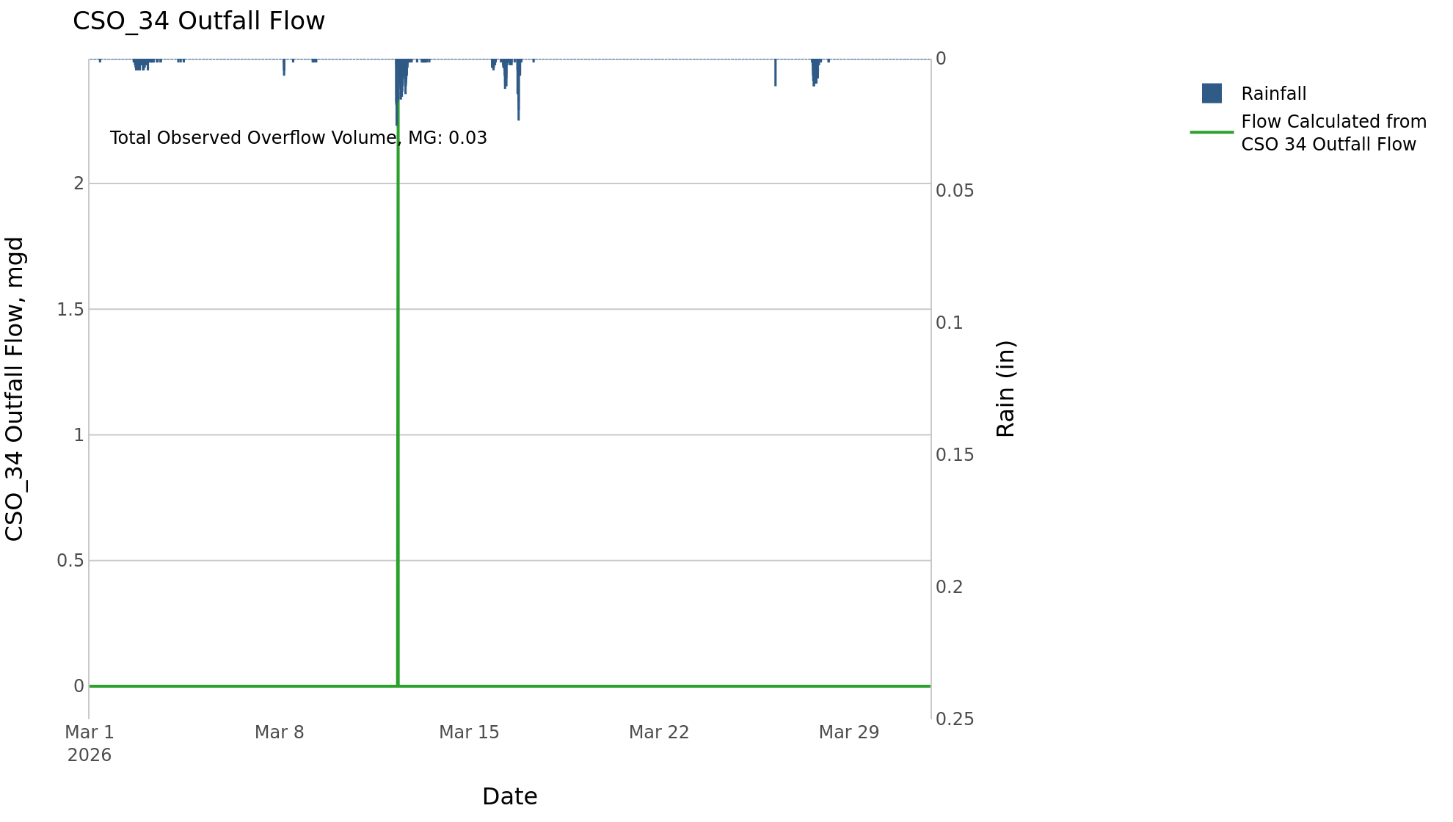

CSO_35-Events
CSO_35 Mar2026 Overflow Events

 | start | end | Rainfall, in | Observed Overflow Volume, mg | overflow_duration_hours
2026Mar12 | 2026-03-12 | 2026-03-12 | 0.91 | 0.08 | 6.6
2026Mar16 | 2026-03-16 | 2026-03-16 | 0.38 | 0.03 | 1.5
2026Mar27 | 2026-03-27 | 2026-03-27 | 0.4 | 0.02 | 3

Note: Activations are defined by CSO volumes > 0.01 MG and an interevent time of 72 hours

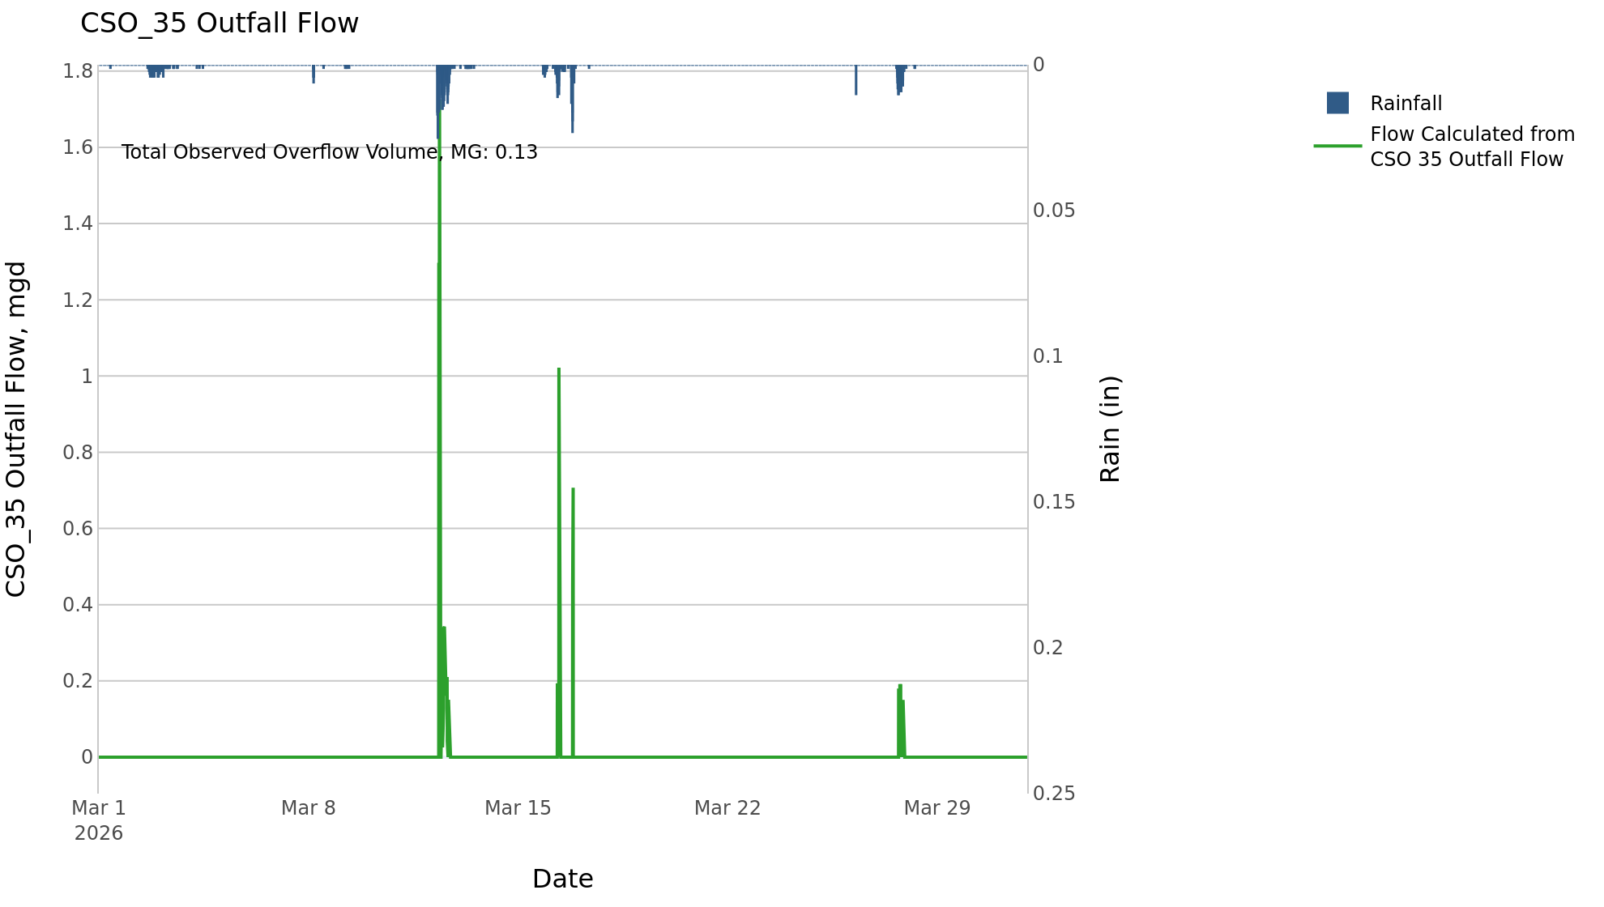

CSO_39-Events
CSO_39 Mar2026 Overflow Events

No Overflow Events Recorded for CSO_39

Note: Activations are defined by CSO volumes > 0.01 MG and an interevent time of 72 hours

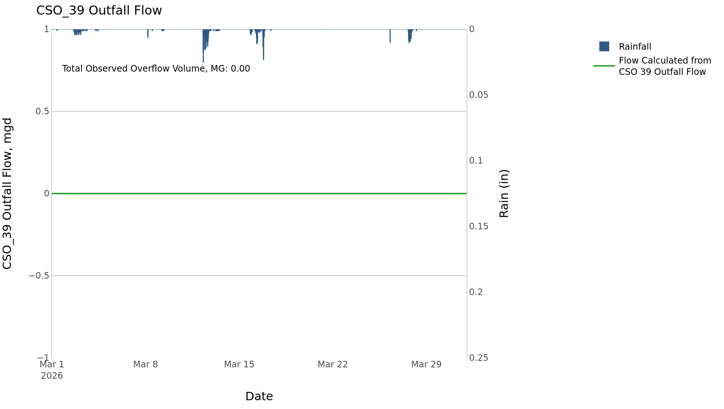

CSO_40-Events
CSO_40 Mar2026 Overflow Events

 | start | end | Rainfall, in | Observed Overflow Volume, mg | overflow_duration_hours
2026Mar12 | 2026-03-12 | 2026-03-12 | 0.89 | 0.1 | 3
2026Mar16 | 2026-03-16 | 2026-03-16 | 0.38 | 0.1 | 0.75
2026Mar27 | 2026-03-27 | 2026-03-27 | 0.31 | 0.01 | 1

Note: Activations are defined by CSO volumes > 0.01 MG and an interevent time of 72 hours

