CSO Summary
Feb2026 CSO Report
 | Observed
Feb2026 CSO Report
 | Observed
CSO_06 | 144
Feb2026 Overflow Summary
231.0 MG Overflow Observed
 | Sensor Type | % of Report with Good Data | Number of Observed Activations | Observed Overflow Volume, MG
CSO_04 | Flow | 100 | 1 | 0.53
CSO_05 | Flow | 100 | 1 | 63
CSO_06 | Flow | 67 | 1 | 144
CSO_07 | Flow | 100 | 0 | 0
CSO_09 | Level | 100 | 0 | 0
CSO_10 | Level | 100 | 0 | 0
CSO_11 | Level | 100 | 2 | 0.09
CSO_12 | Flow | 100 | 0 | 0
CSO_14 | Level | 100 | 0 | 0
CSO_15 | Flow | 100 | 3 | 0.46
CSO_16 | Level | 100 | 0 | 0
CSO_17 | Level | 100 | 0 | 0
CSO_18 | Level | 100 | 0 | 0
CSO_19 | Level | 100 | 0 | 0
CSO_20 | Flow | 100 | 0 | 0
CSO_21 | Flow | 100 | 2 | 18
CSO_24 | Level | 100 | 2 | 2.6
CSO_25 | Level | 100 | 0 | 0
CSO_26 | Level | 100 | 0 | 0
CSO_31 | Level | 100 | 0 | 0
CSO_33 | Level | 100 | 0 | 0
CSO_34 | Flow | 100 | 2 | 0.1
CSO_35 | Flow | 100 | 1 | 0.28
CSO_39 | Flow | 100 | 0 | 0
CSO_40 | Flow | 100 | 2 | 2.2
System | N/A | N/A | 2 | 231

CSO_04-Events
CSO_04 Feb2026 Overflow Events

 | start | end | Rainfall, in | Observed Overflow Volume, mg | overflow_duration_hours
2026Feb19 | 2026-02-19 | 2026-02-22 | 1.92 | 0.53 | 9.5

Note: Activations are defined by CSO volumes > 0.01 MG and an interevent time of 72 hours
Note: Any observed negative flows could be backflow from James River

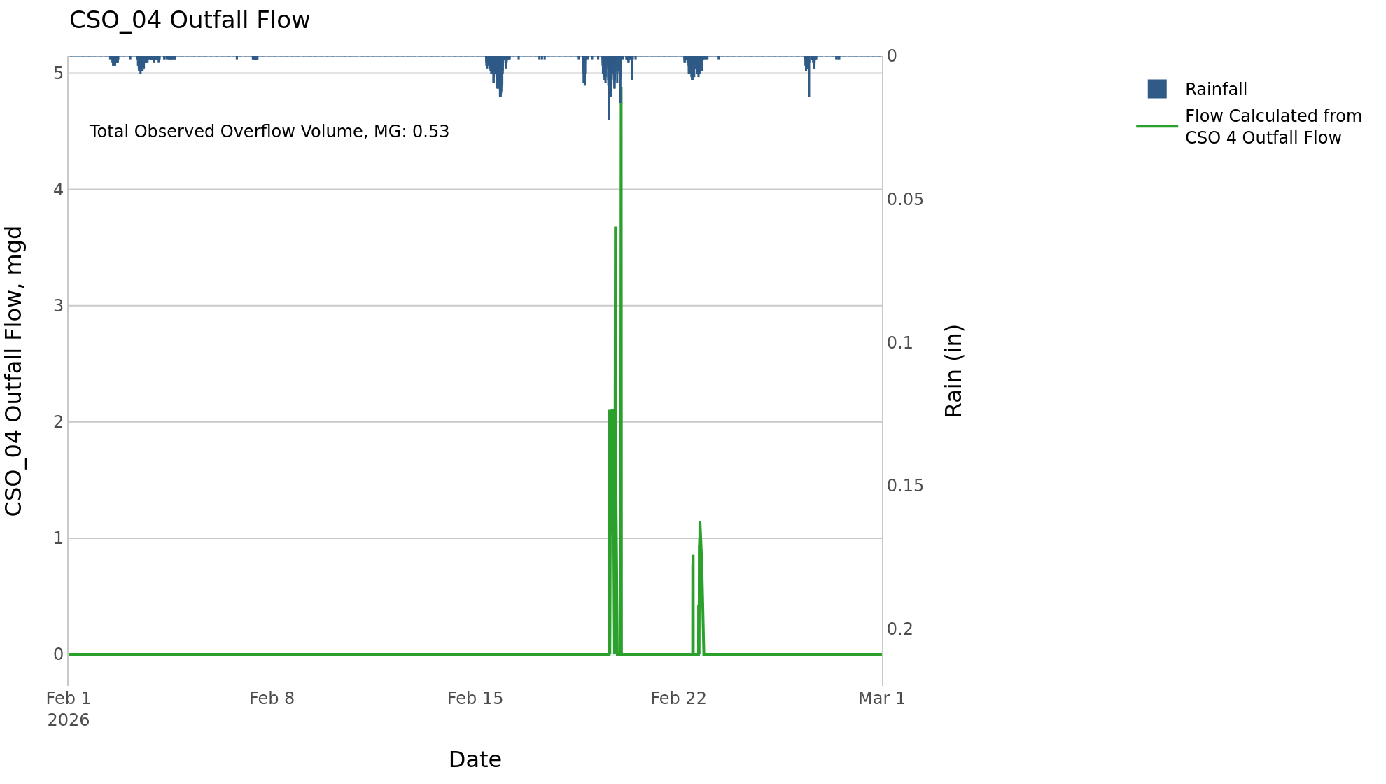

CSO_05-Events
CSO_05 Feb2026 Overflow Events

 | start | end | Rainfall, in | Observed Overflow Volume, mg | overflow_duration_hours
2026Feb15 | 2026-02-15 | 2026-02-23 | 3.27 | 63 | 74

Note: Activations are defined by CSO volumes > 0.01 MG and an interevent time of 72 hours
Note: Any observed negative flows could be backflow from James River

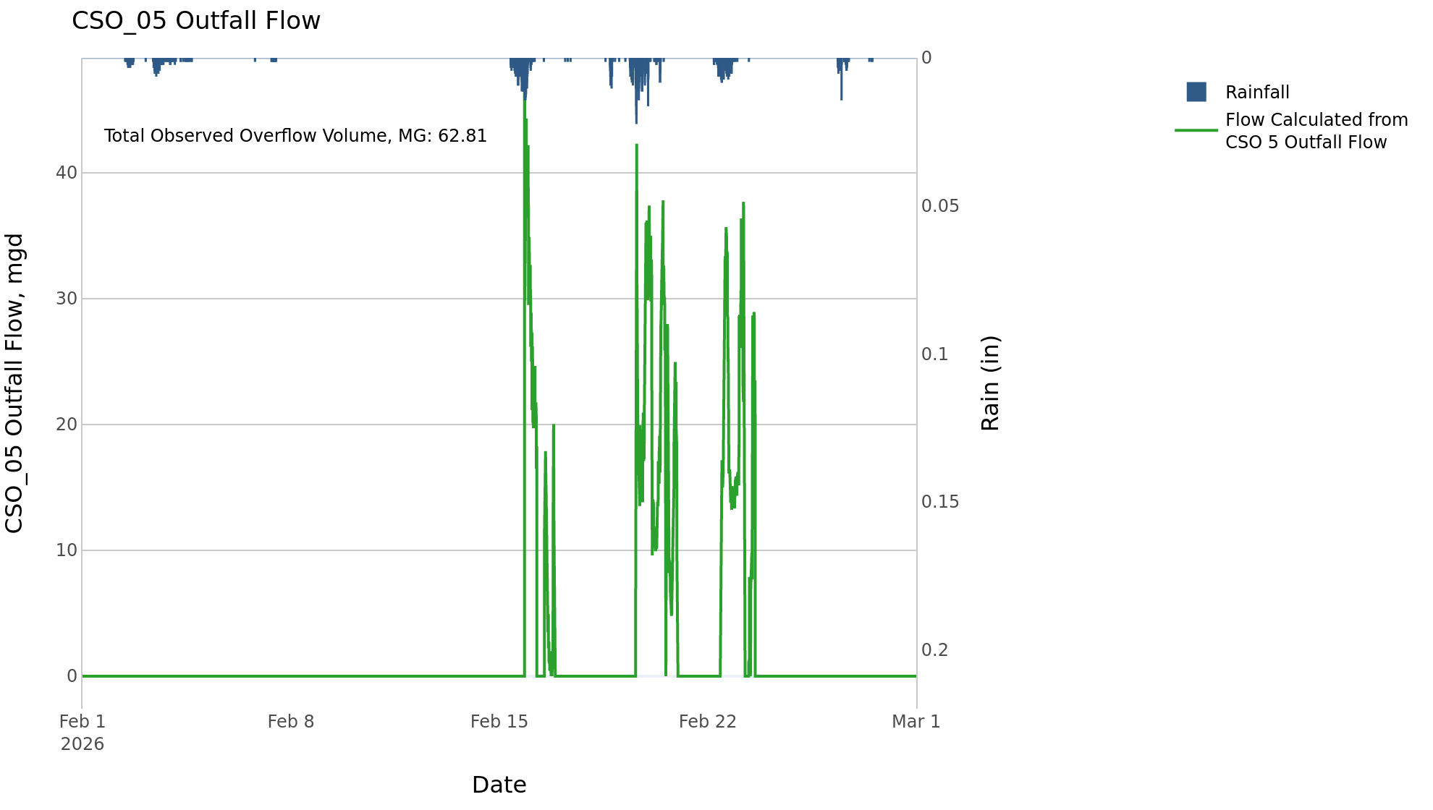

CSO_06-Events
CSO_06 Feb2026 Overflow Events

 | start | end | Rainfall, in | Observed Overflow Volume, mg | overflow_duration_hours
2026Feb15 | 2026-02-15 | 2026-02-19 | 2.31 | 144 | 40

Note: Activations are defined by CSO volumes > 0.01 MG and an interevent time of 72 hours
Note: Any observed negative flows could be due to high James River levels and flow eddies within structure

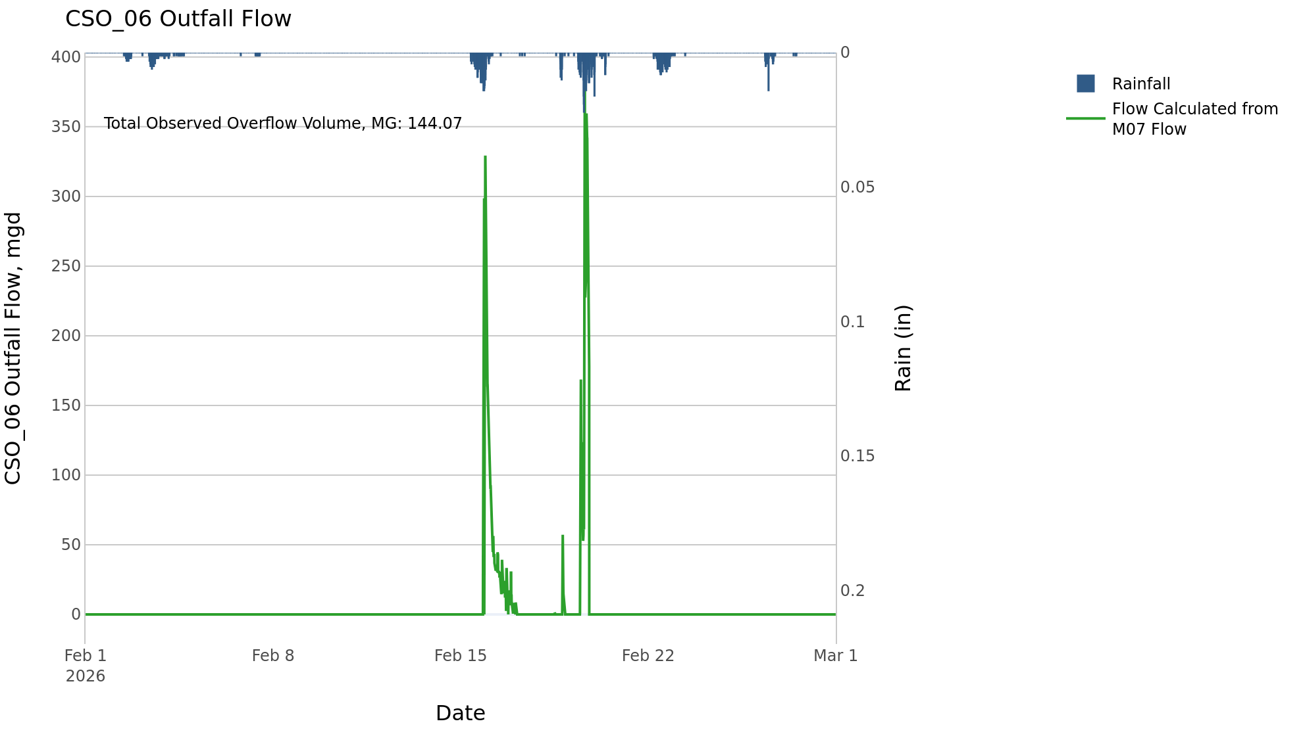

CSO_07-Events
CSO_07 Feb2026 Overflow Events

No Overflow Events Recorded for CSO_07

Note: Activations are defined by CSO volumes > 0.01 MG and an interevent time of 72 hours

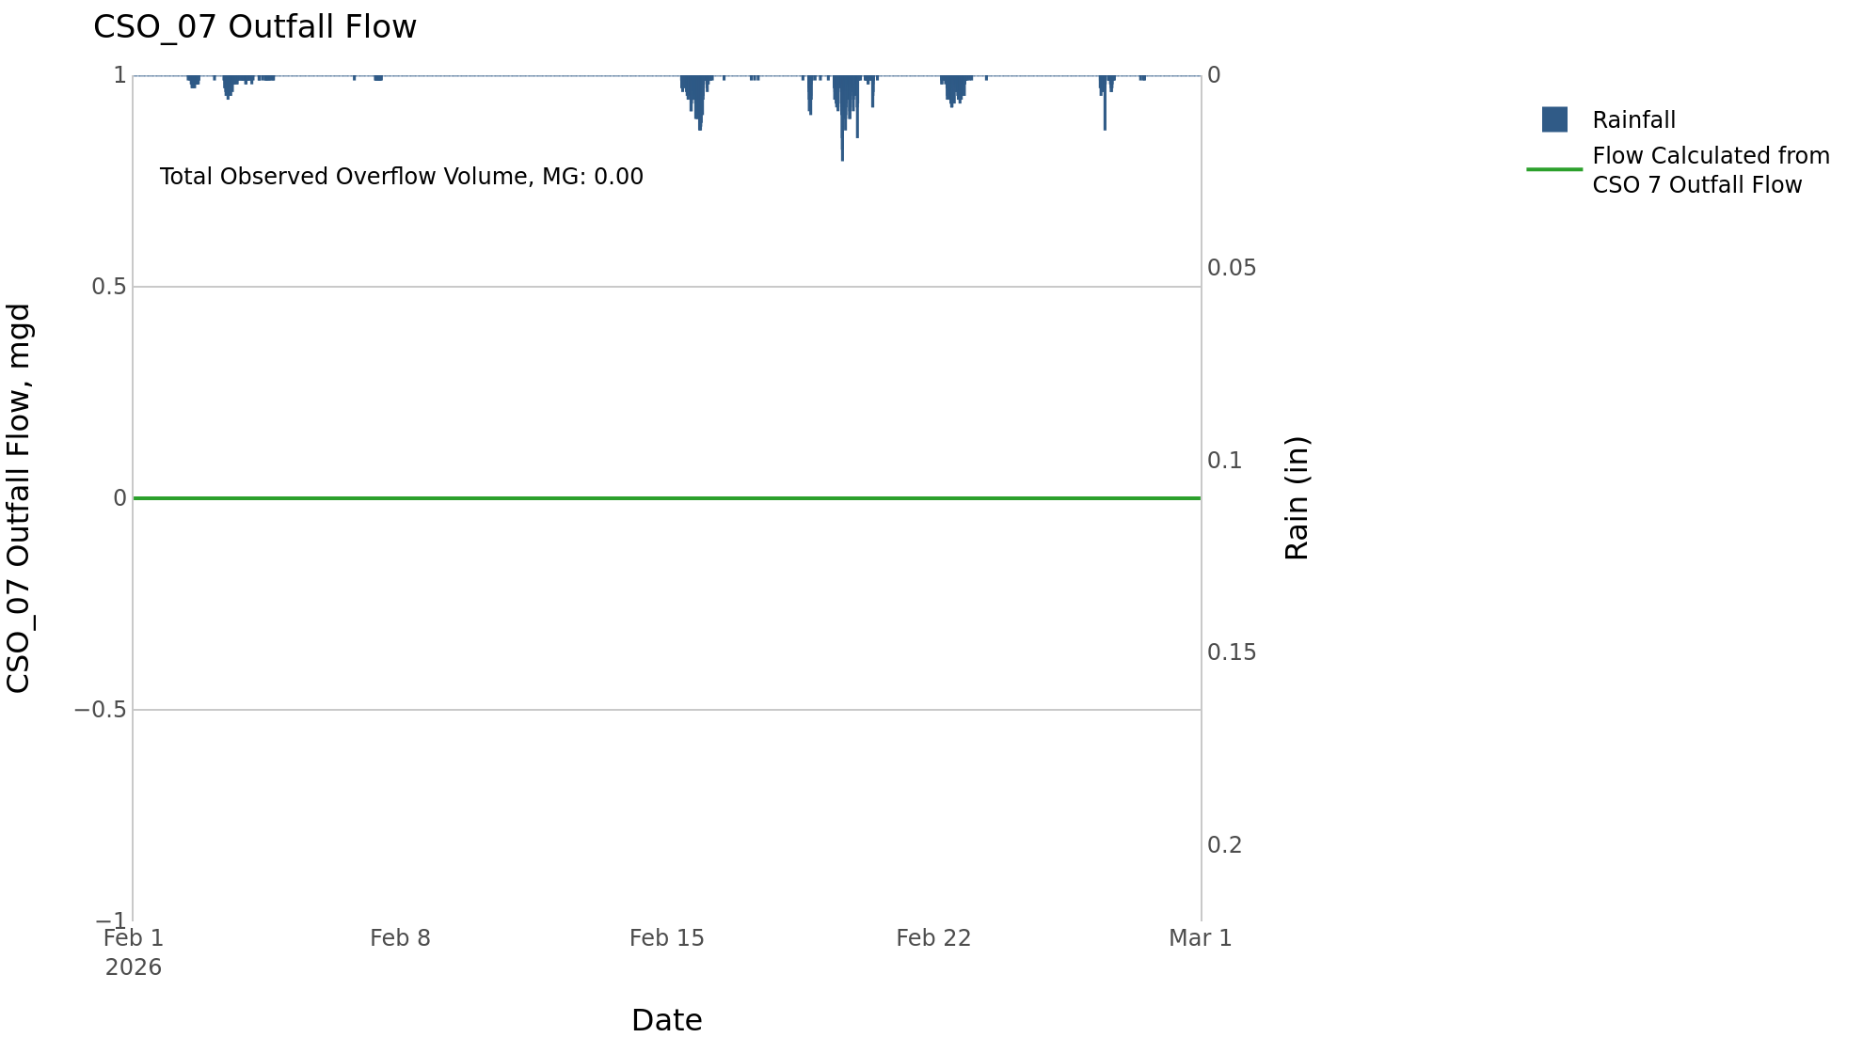

CSO_09-Events
CSO_09 Feb2026 Overflow Events

No Overflow Events Recorded for CSO_09

Note: Activations are defined by CSO volumes > 0.01 MG and an interevent time of 72 hours

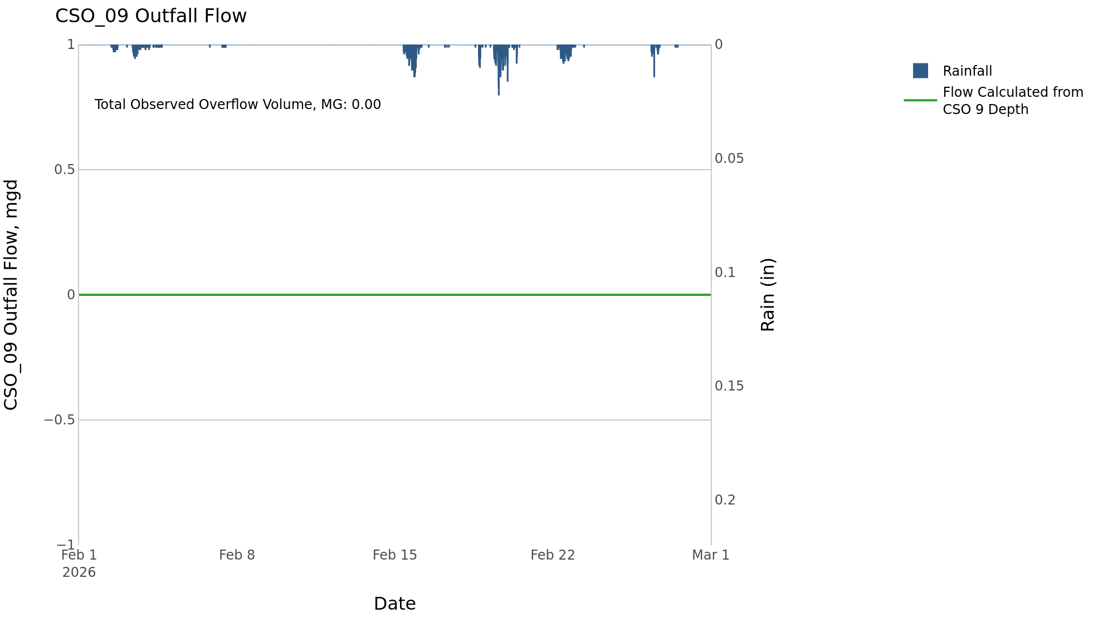

CSO_10-Events
CSO_10 Feb2026 Overflow Events

No Overflow Events Recorded for CSO_10

Note: Activations are defined by CSO volumes > 0.01 MG and an interevent time of 72 hours

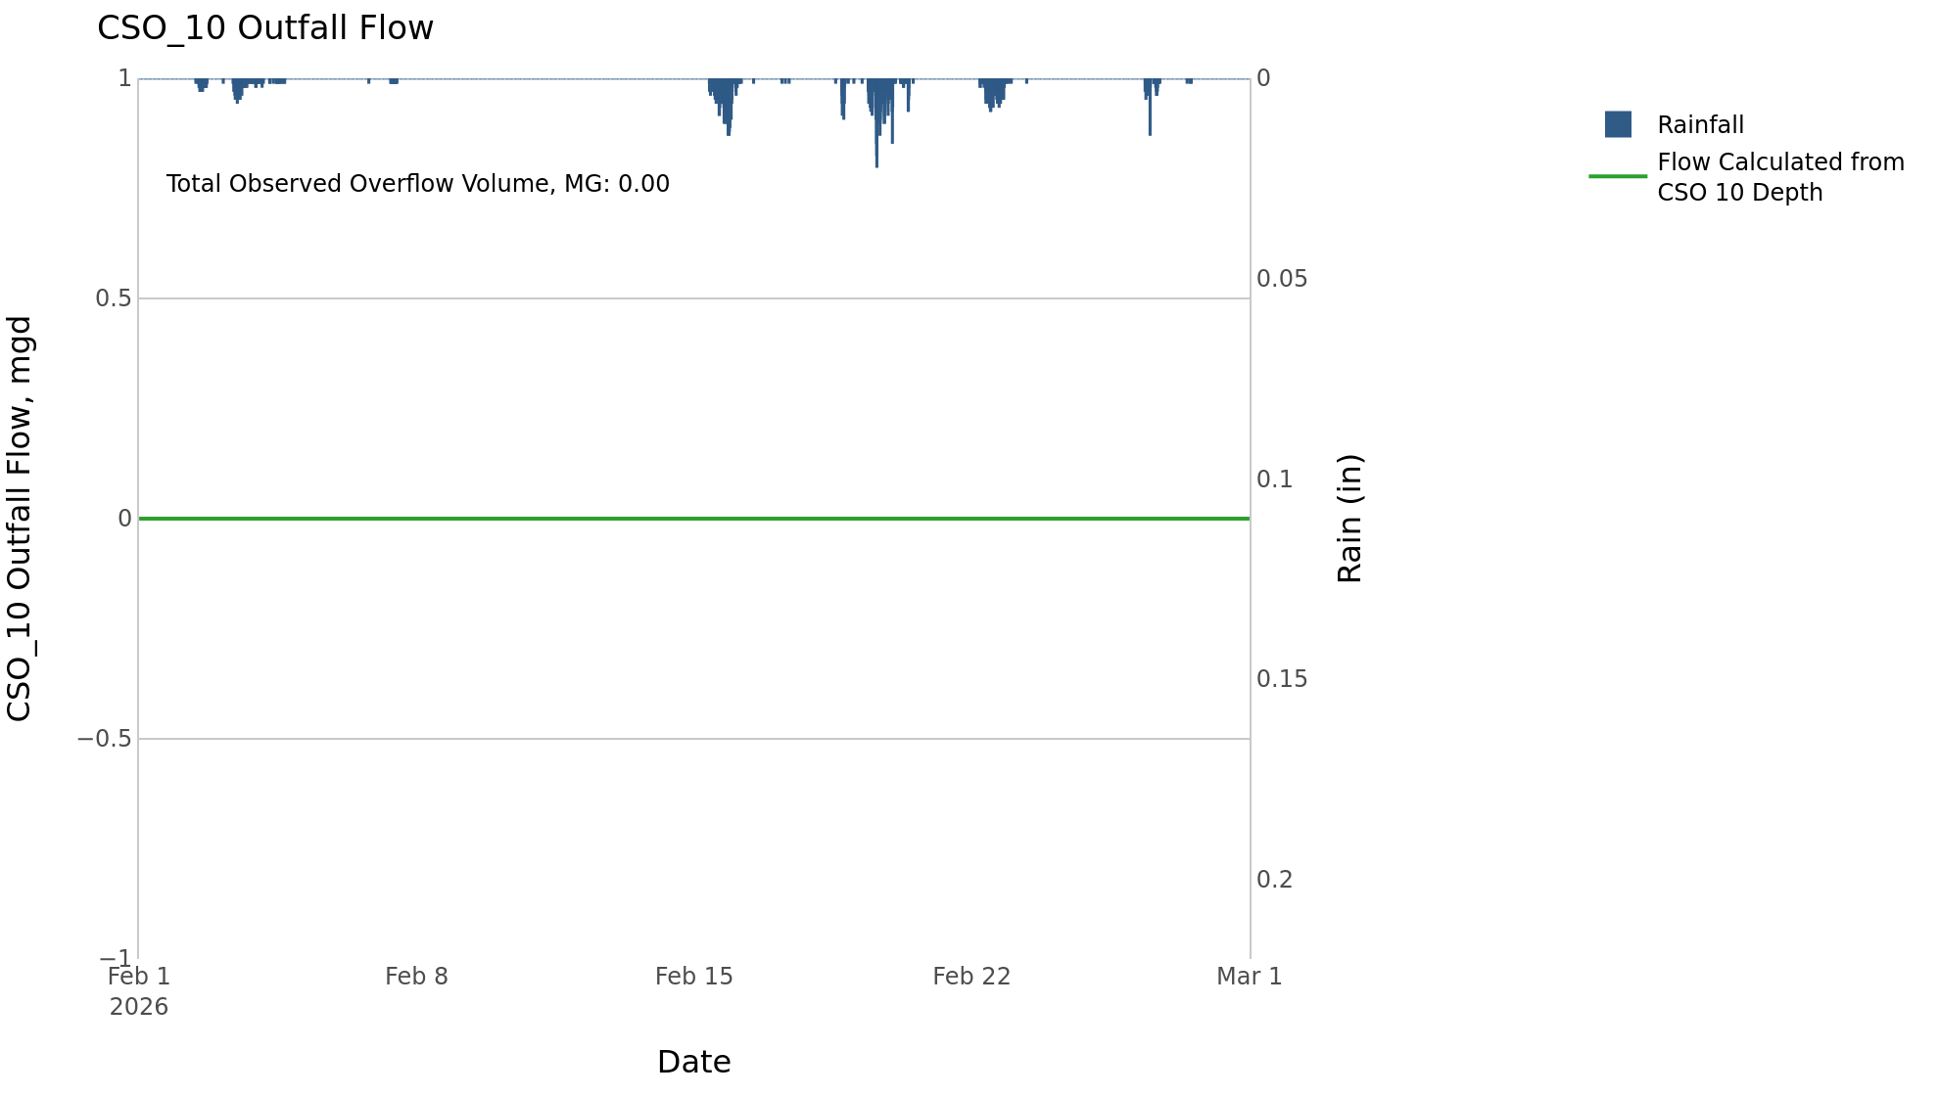

CSO_11-Events
CSO_11 Feb2026 Overflow Events

 | start | end | Rainfall, in | Observed Overflow Volume, mg | overflow_duration_hours
2026Feb15 | 2026-02-15 | 2026-02-15 | 1.2 | 0.05 | 1.1
2026Feb19 | 2026-02-19 | 2026-02-20 | 1.17 | 0.04 | 0.5

Note: Activations are defined by CSO volumes > 0.01 MG and an interevent time of 72 hours

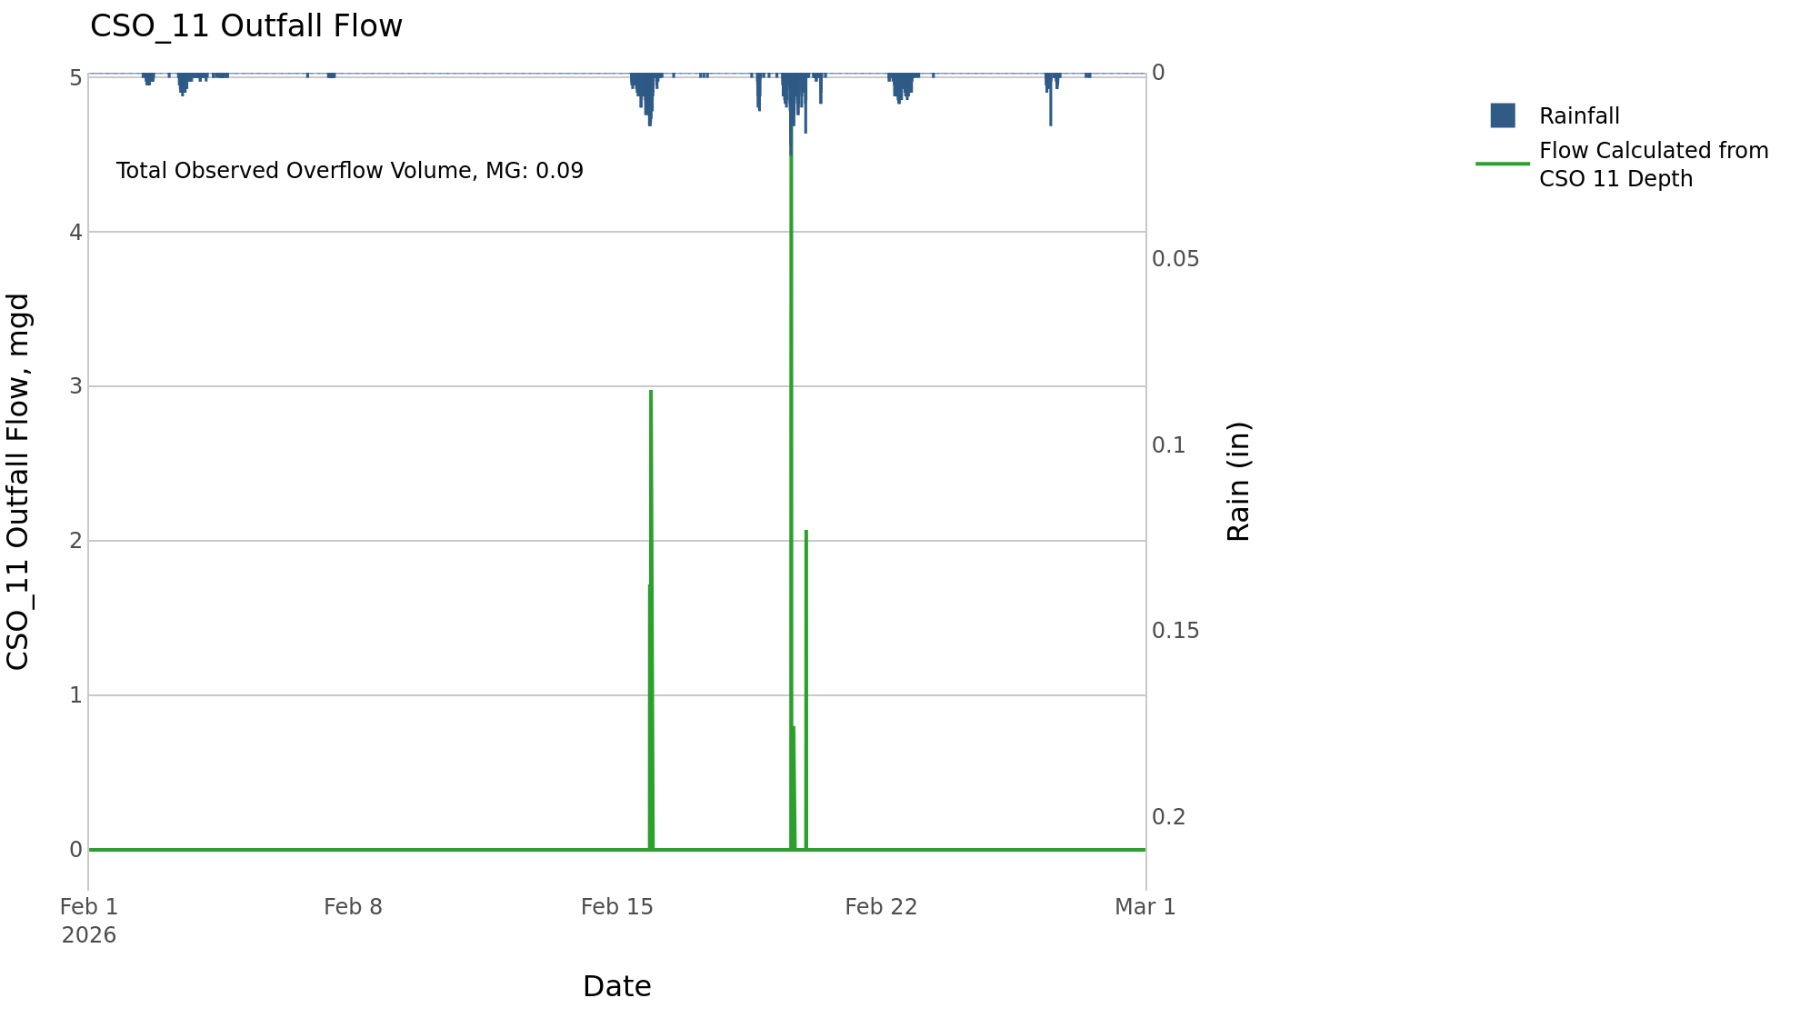

CSO_14-Events
CSO_14 Feb2026 Overflow Events

No Overflow Events Recorded for CSO_14

Note: Activations are defined by CSO volumes > 0.01 MG and an interevent time of 72 hours

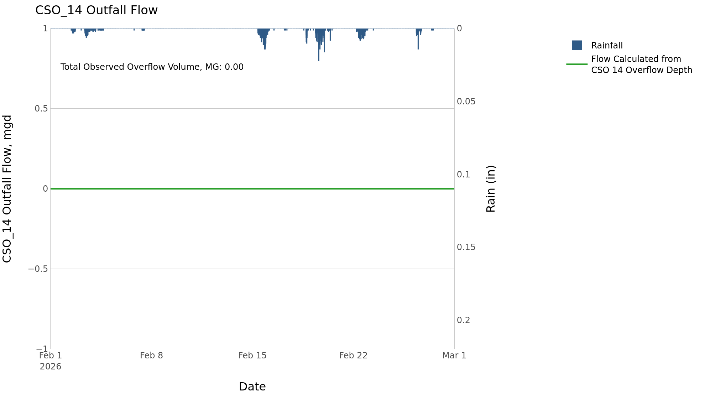

CSO_15-Events
CSO_15 Feb2026 Overflow Events

 | start | end | Rainfall, in | Observed Overflow Volume, mg | overflow_duration_hours
2026Feb11 | 2026-02-11 | 2026-02-11 | 0 | 0.05 | 4.2
2026Feb15 | 2026-02-15 | 2026-02-16 | 1.32 | 0.24 | 9
2026Feb19 | 2026-02-19 | 2026-02-24 | 1.92 | 0.17 | 12

Note: Activations are defined by CSO volumes > 0.01 MG and an interevent time of 72 hours

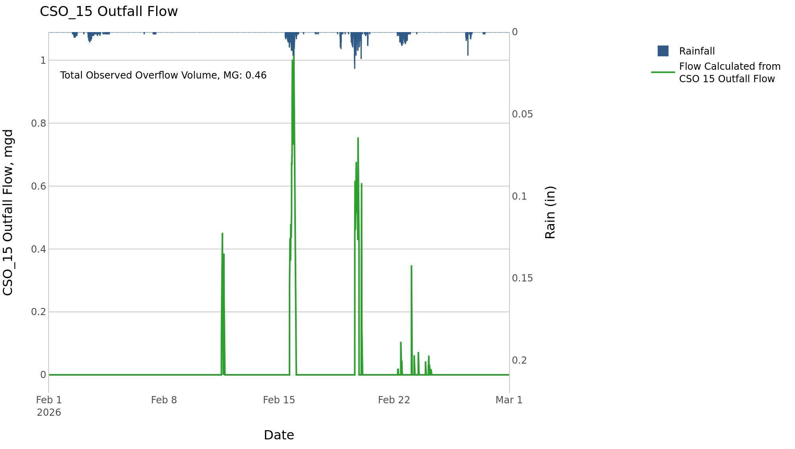

CSO_21-Events
CSO_21 Feb2026 Overflow Events

 | start | end | Rainfall, in | Observed Overflow Volume, mg | overflow_duration_hours
2026Feb15 | 2026-02-15 | 2026-02-16 | 1.35 | 3.1 | 10
2026Feb19 | 2026-02-19 | 2026-02-23 | 1.92 | 15 | 54

Note: Activations are defined by CSO volumes > 0.01 MG and an interevent time of 72 hours
Note: Any observed negative flows could be backflow from James River

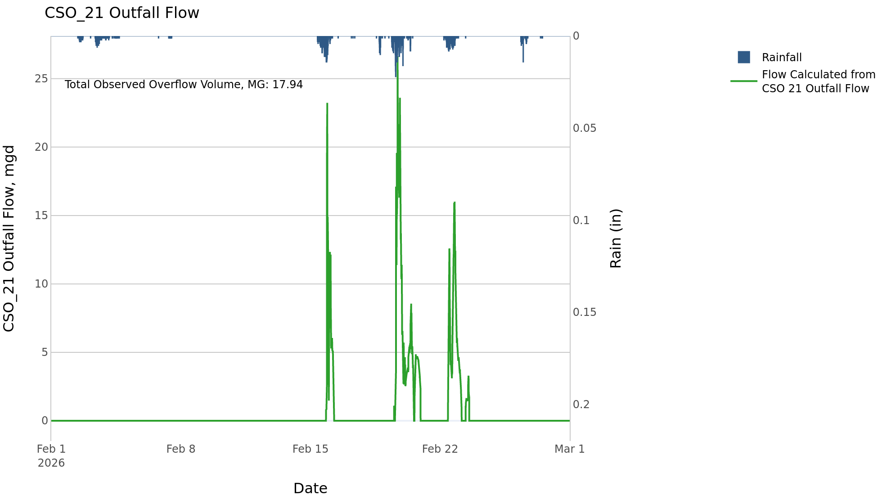

CSO_24-Events
CSO_24 Feb2026 Overflow Events

 | start | end | Rainfall, in | Observed Overflow Volume, mg | overflow_duration_hours
2026Feb15 | 2026-02-15 | 2026-02-15 | 1.32 | 2.4 | 2.3
2026Feb19 | 2026-02-19 | 2026-02-19 | 1.03 | 0.22 | 0.5

Note: Activations are defined by CSO volumes > 0.01 MG and an interevent time of 72 hours

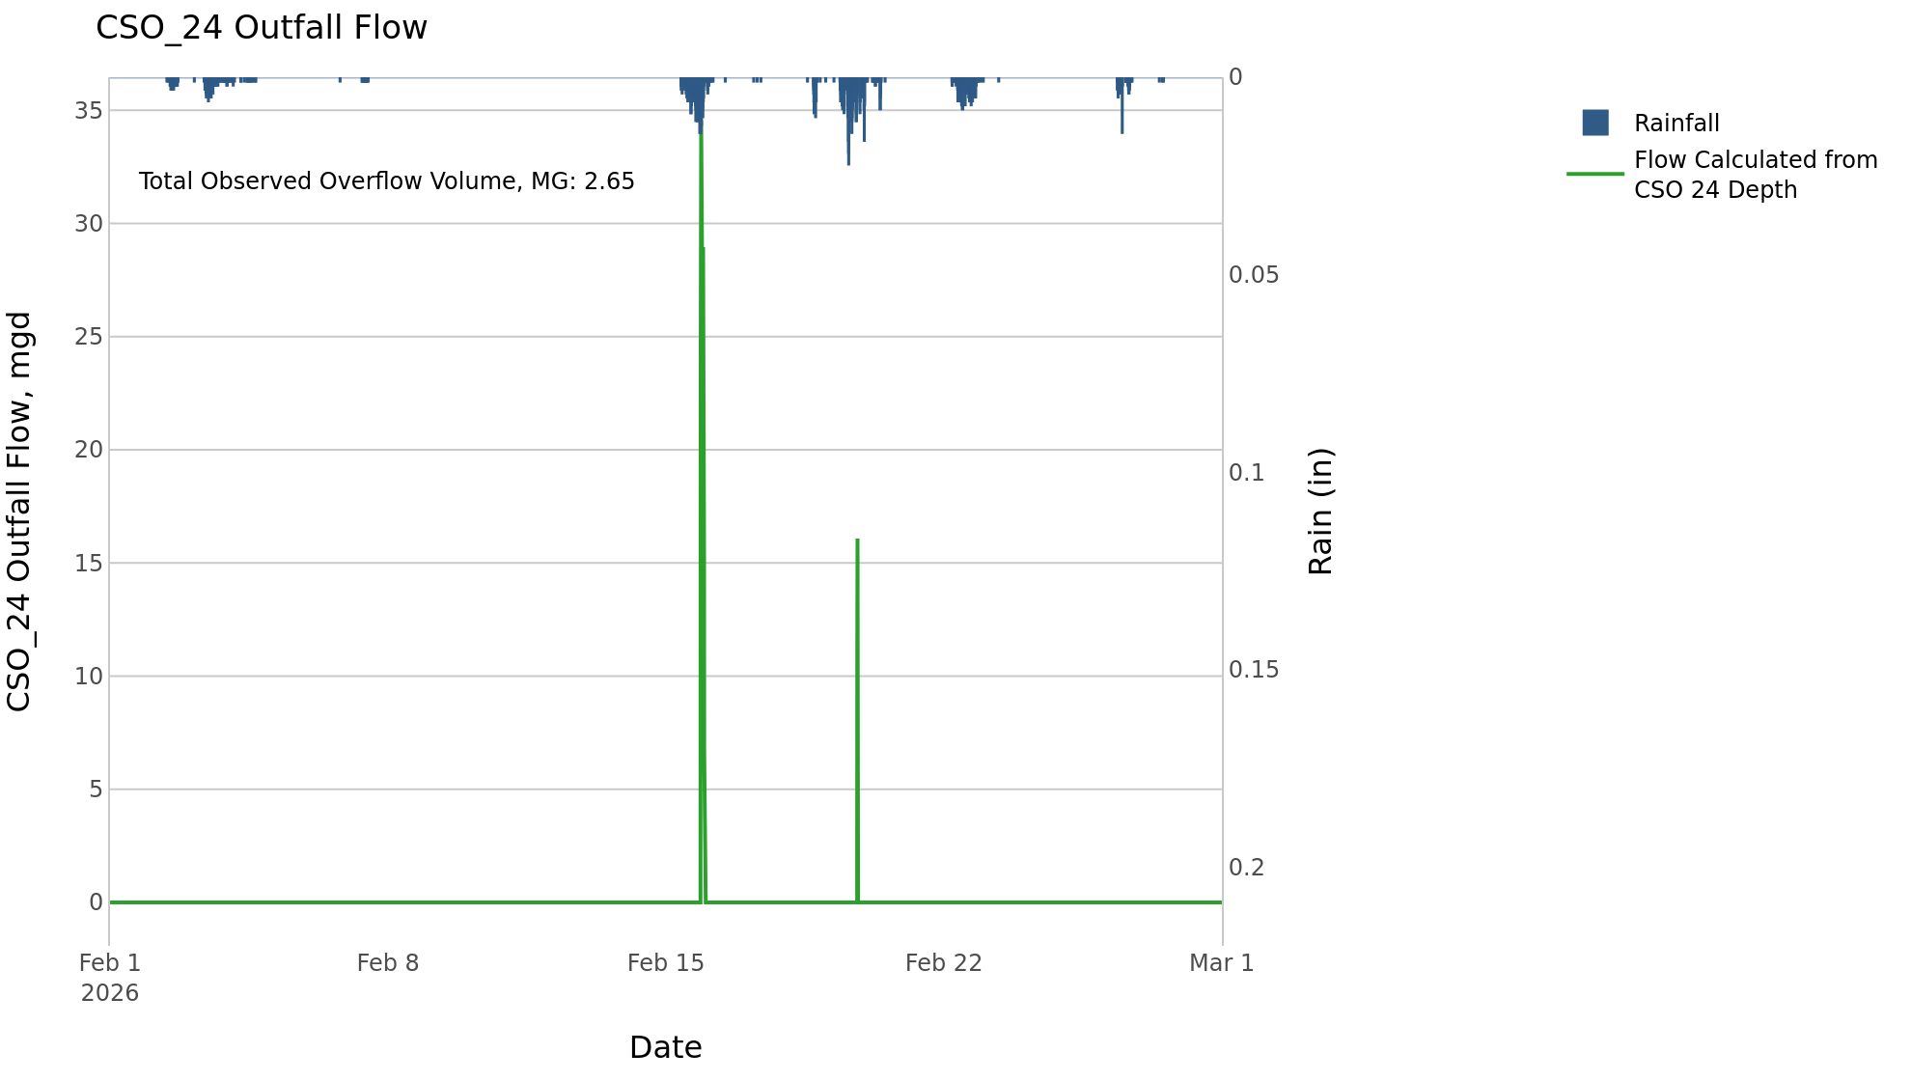

CSO_34-Events
CSO_34 Feb2026 Overflow Events

 | start | end | Rainfall, in | Observed Overflow Volume, mg | overflow_duration_hours
2026Feb15 | 2026-02-15 | 2026-02-15 | 1.23 | 0.04 | 1.4
2026Feb19 | 2026-02-19 | 2026-02-20 | 1.17 | 0.06 | 0.83

Note: Activations are defined by CSO volumes > 0.01 MG and an interevent time of 72 hours

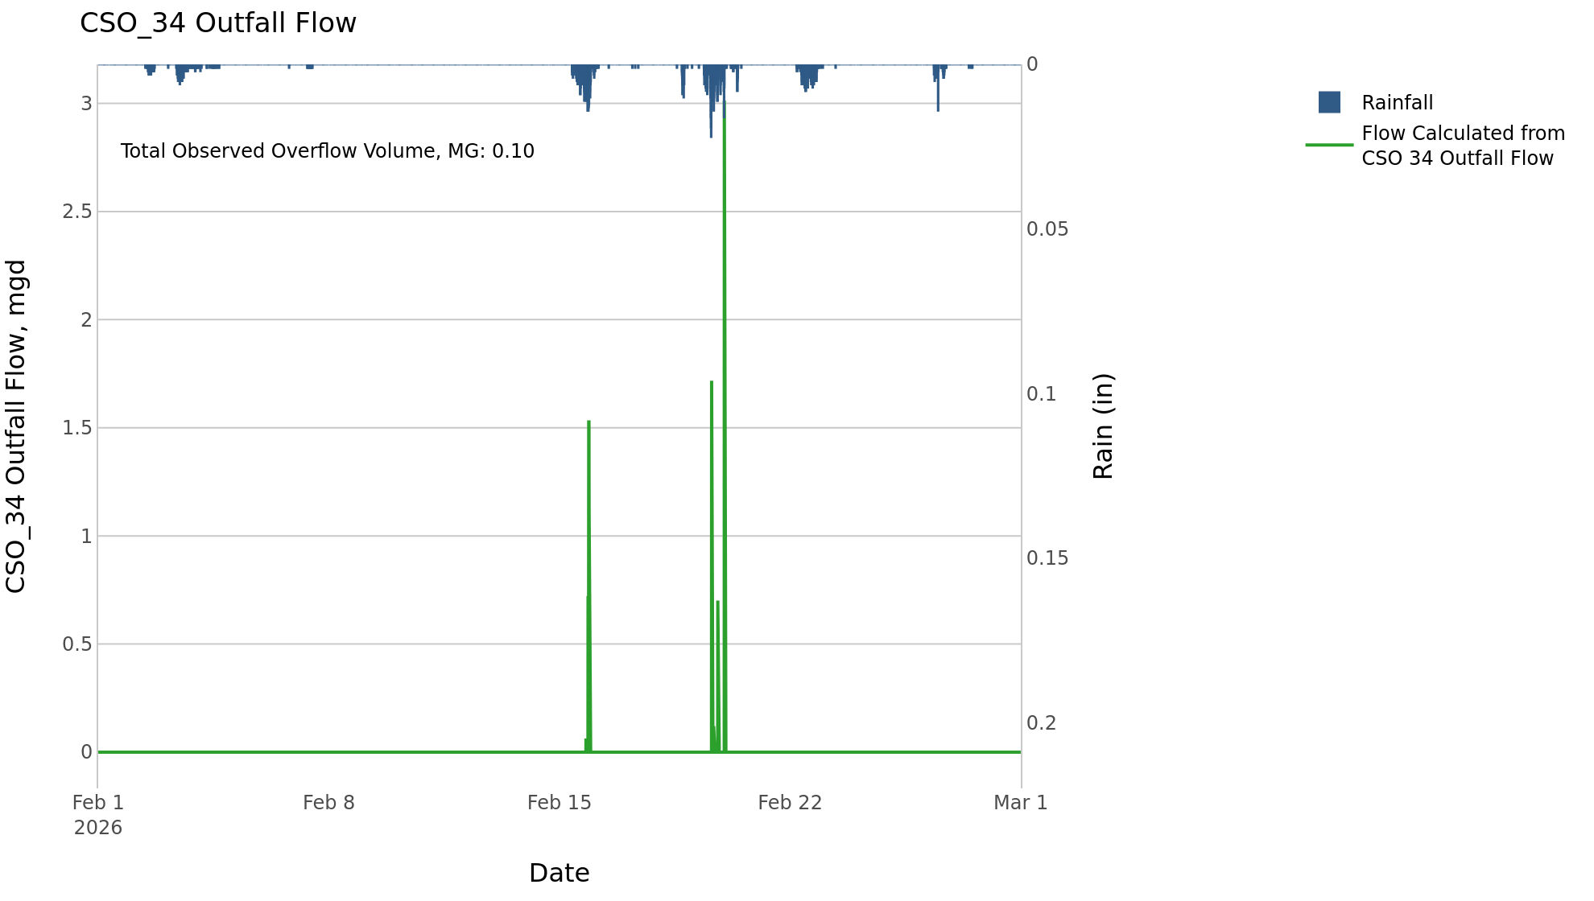

CSO_35-Events
CSO_35 Feb2026 Overflow Events

 | start | end | Rainfall, in | Observed Overflow Volume, mg | overflow_duration_hours
2026Feb15 | 2026-02-15 | 2026-02-22 | 3.27 | 0.28 | 23

Note: Activations are defined by CSO volumes > 0.01 MG and an interevent time of 72 hours

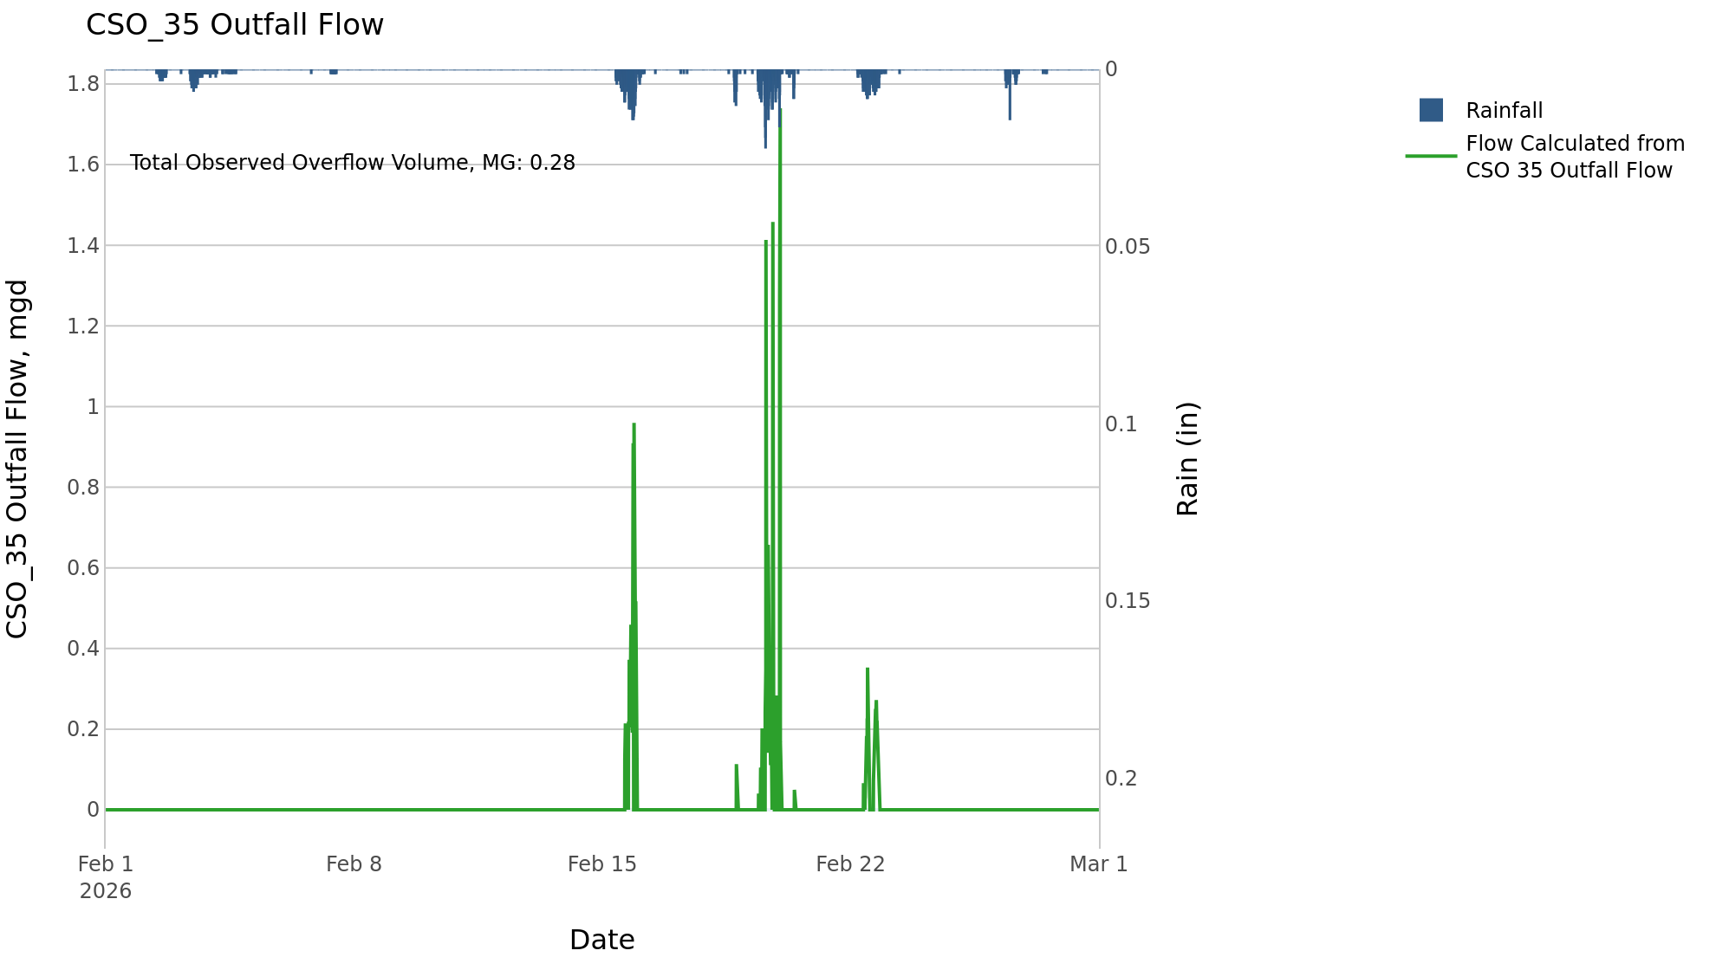

CSO_40-Events
CSO_40 Feb2026 Overflow Events

 | start | end | Rainfall, in | Observed Overflow Volume, mg | overflow_duration_hours
2026Feb15 | 2026-02-15 | 2026-02-15 | 1.32 | 1.2 | 5.8
2026Feb19 | 2026-02-19 | 2026-02-22 | 1.92 | 1 | 12

Note: Activations are defined by CSO volumes > 0.01 MG and an interevent time of 72 hours

