CSO Summary
Jan2026 CSO Report
 | Observed
Jan2026 CSO Report
 | Observed
CSO_06 | 110
Jan2026 Overflow Summary
140.0 MG Overflow Observed
 | Sensor Type | % of Report with Good Data | Number of Observed Activations | Observed Overflow Volume, MG
CSO_04 | Flow | 100 | 0 | 0
CSO_05 | Flow | 100 | 1 | 20
CSO_06 | Flow | 100 | 2 | 110
CSO_07 | Flow | 100 | 0 | 0
CSO_09 | Level | 100 | 0 | 0
CSO_10 | Level | 100 | 0 | 0
CSO_11 | Level | 100 | 1 | 0.66
CSO_12 | Flow | 100 | 0 | 0
CSO_14 | Level | 97 | 1 | 0.16
CSO_15 | Flow | 100 | 1 | 0.32
CSO_16 | Level | 100 | 0 | 0
CSO_17 | Level | 100 | 0 | 0
CSO_18 | Level | 100 | 0 | 0
CSO_19 | Level | 100 | 0 | 0
CSO_20 | Flow | 100 | 0 | 0
CSO_21 | Flow | 100 | 1 | 3
CSO_24 | Level | 100 | 1 | 4.2
CSO_25 | Level | 100 | 0 | 0
CSO_26 | Level | 100 | 1 | 0.01
CSO_31 | Level | 100 | 0 | 0
CSO_33 | Level | 100 | 0 | 0
CSO_34 | Flow | 100 | 1 | 0.04
CSO_35 | Flow | 100 | 1 | 0.24
CSO_39 | Flow | 100 | 1 | 0.28
CSO_40 | Flow | 100 | 1 | 0.61
System | N/A | N/A | 2 | 140

CSO_04-Events
CSO_04 Jan2026 Overflow Events

No Overflow Events Recorded for CSO_04

Note: Activations are defined by CSO volumes > 0.01 MG and an interevent time of 72 hours
Note: Any observed negative flows could be backflow from James River

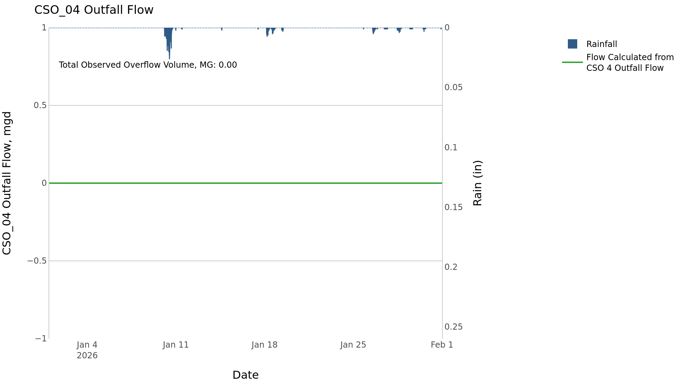

CSO_05-Events
CSO_05 Jan2026 Overflow Events

 | start | end | Rainfall, in | Observed Overflow Volume, mg | overflow_duration_hours
2026Jan10 | 2026-01-10 | 2026-01-11 | 1.62 | 20 | 15

Note: Activations are defined by CSO volumes > 0.01 MG and an interevent time of 72 hours
Note: Any observed negative flows could be backflow from James River

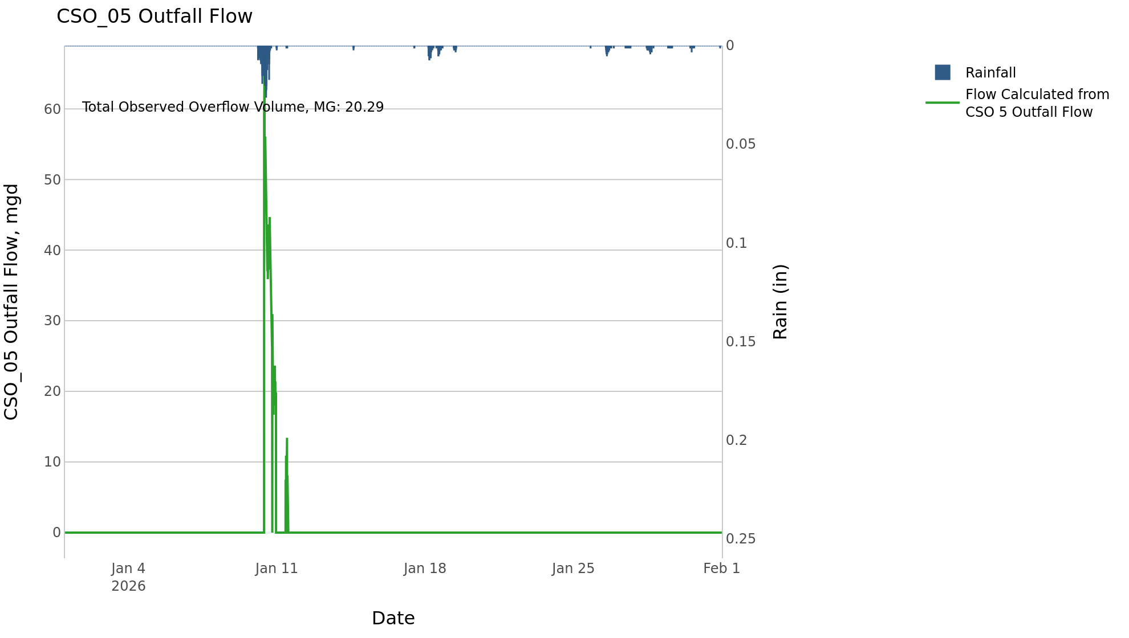

CSO_06-Events
CSO_06 Jan2026 Overflow Events

 | start | end | Rainfall, in | Observed Overflow Volume, mg | overflow_duration_hours
2026Jan10 | 2026-01-10 | 2026-01-11 | 1.62 | 109 | 27
2026Jan18 | 2026-01-18 | 2026-01-18 | 0.3 | 0.43 | 1.2

Note: Activations are defined by CSO volumes > 0.01 MG and an interevent time of 72 hours
Note: Any observed negative flows could be due to high James River levels and flow eddies within structure

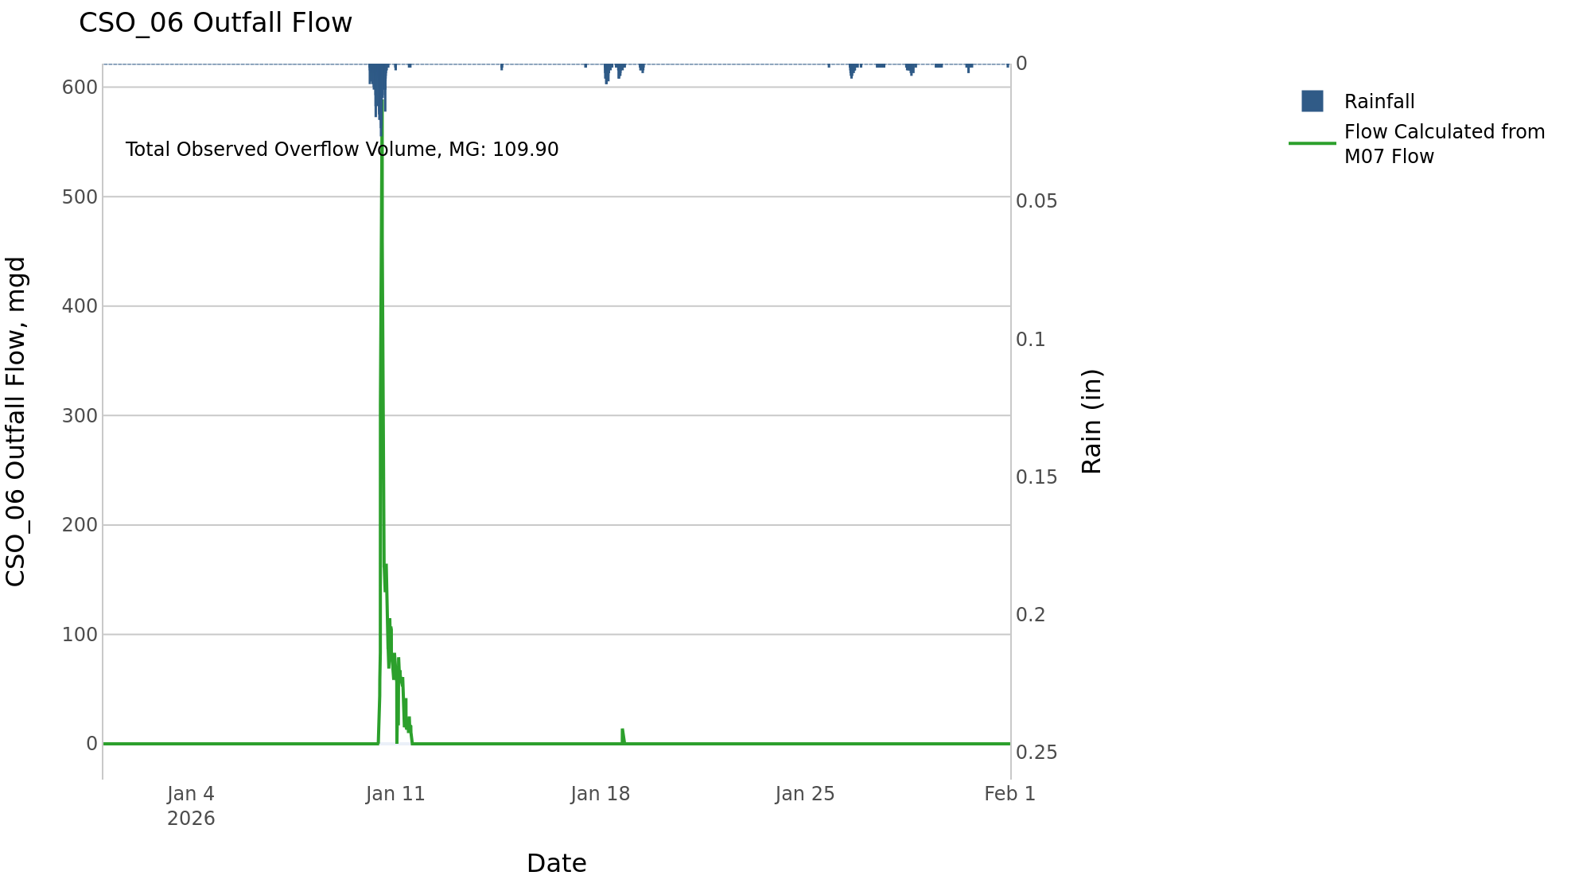

CSO_09-Events
CSO_09 Jan2026 Overflow Events

No Overflow Events Recorded for CSO_09

Note: Activations are defined by CSO volumes > 0.01 MG and an interevent time of 72 hours

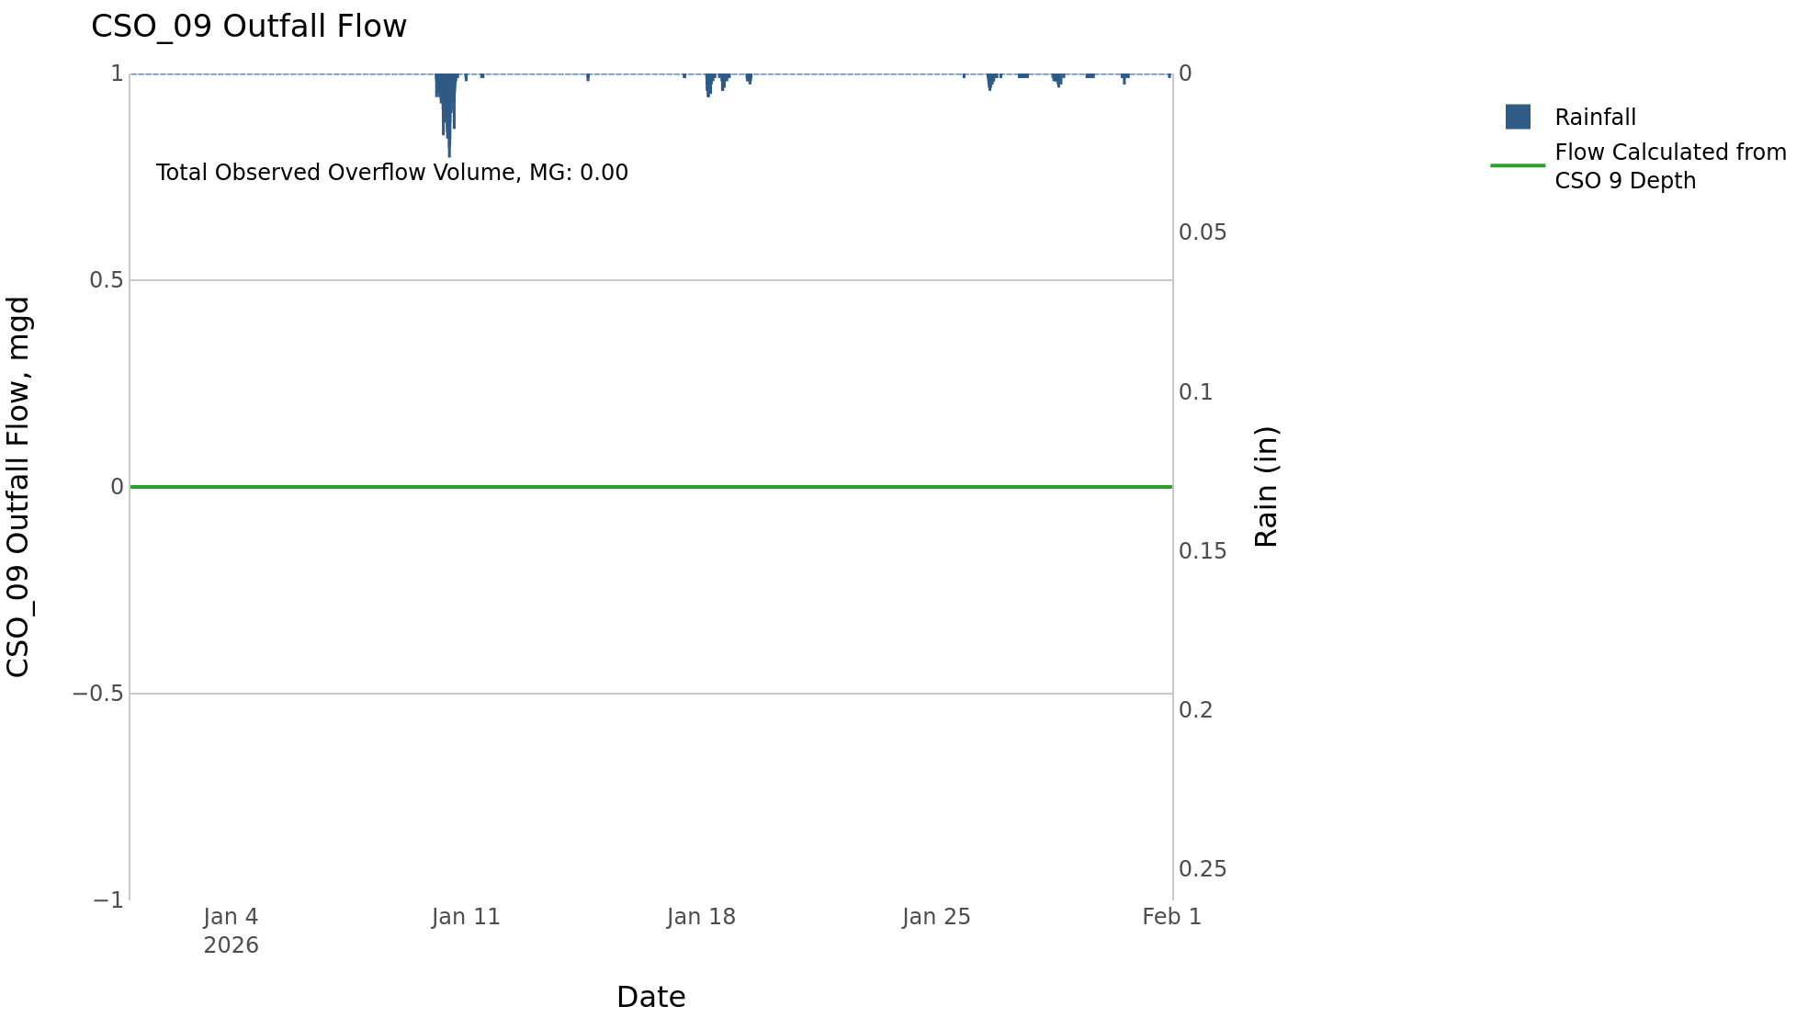

CSO_10-Events
CSO_10 Jan2026 Overflow Events

No Overflow Events Recorded for CSO_10

Note: Activations are defined by CSO volumes > 0.01 MG and an interevent time of 72 hours

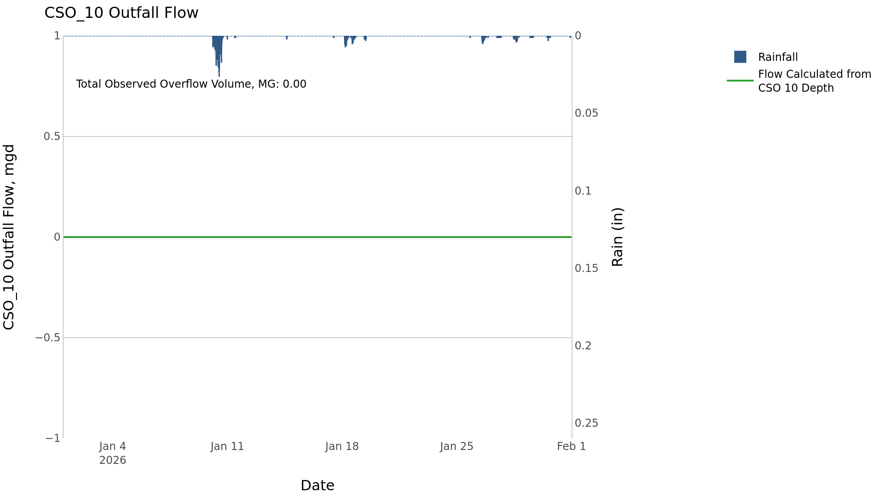

CSO_11-Events
CSO_11 Jan2026 Overflow Events

 | start | end | Rainfall, in | Observed Overflow Volume, mg | overflow_duration_hours
2026Jan10 | 2026-01-10 | 2026-01-10 | 1.38 | 0.66 | 2.6

Note: Activations are defined by CSO volumes > 0.01 MG and an interevent time of 72 hours

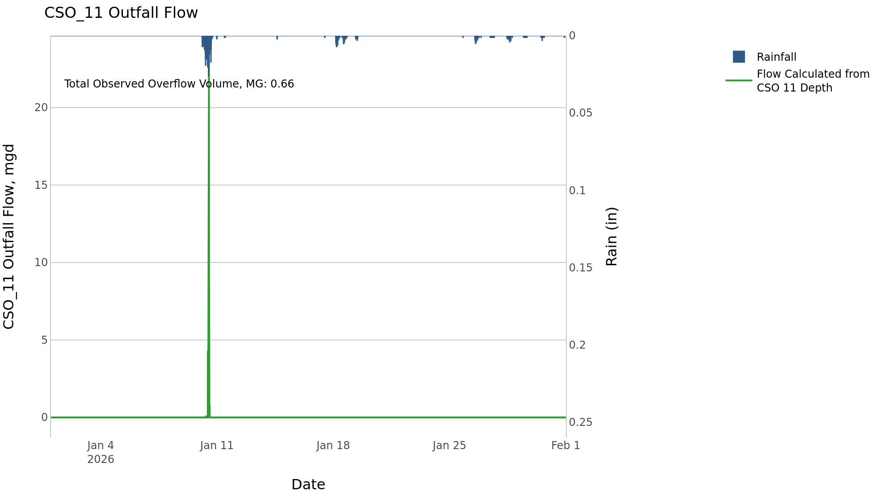

CSO_14-Events
CSO_14 Jan2026 Overflow Events

 | start | end | Rainfall, in | Observed Overflow Volume, mg | overflow_duration_hours
2026Jan10 | 2026-01-10 | 2026-01-10 | 1.38 | 0.16 | 2.8

Note: Activations are defined by CSO volumes > 0.01 MG and an interevent time of 72 hours

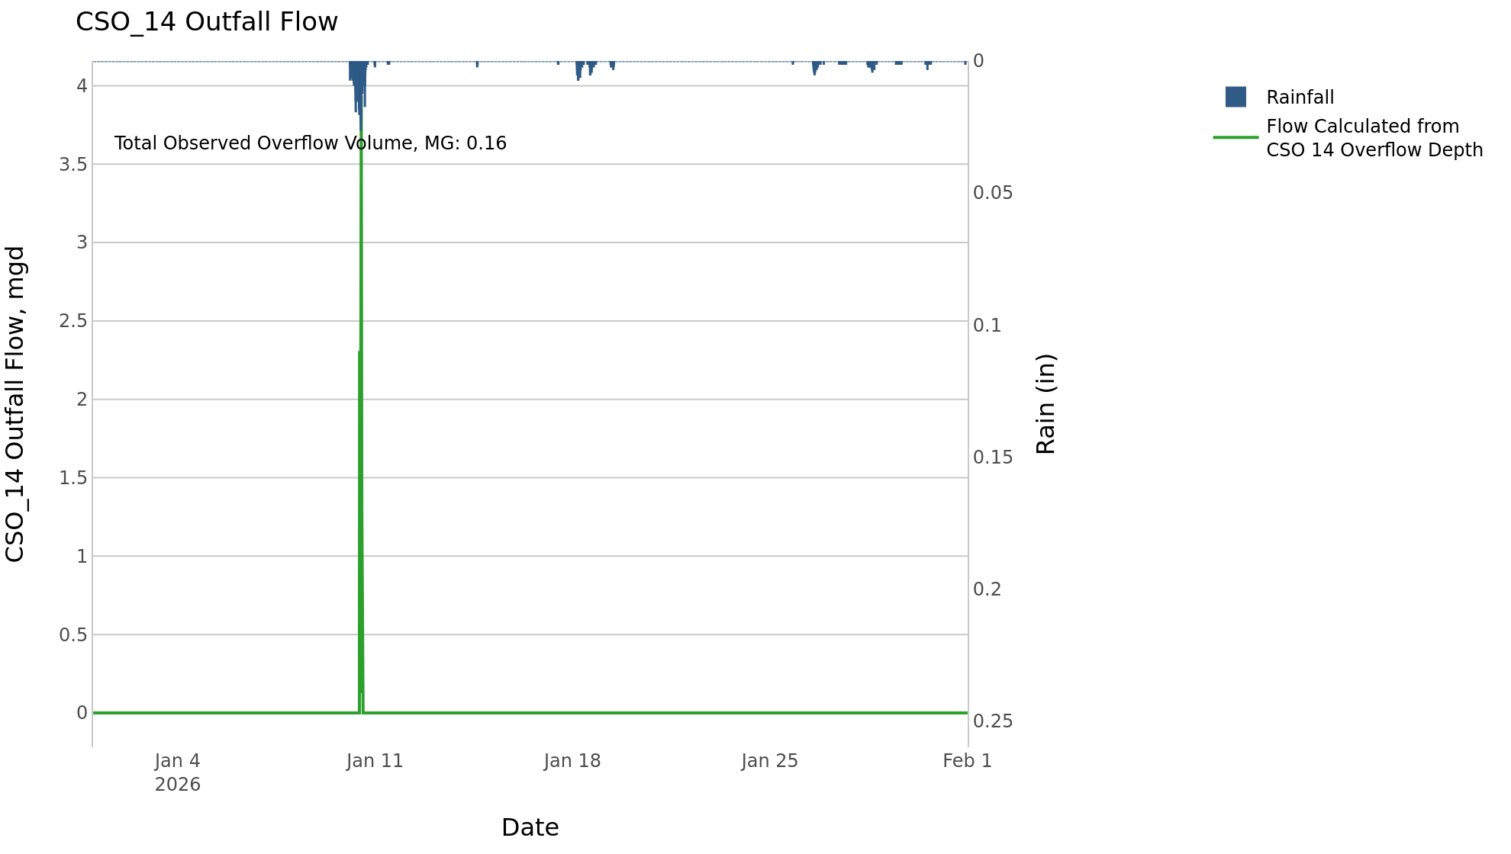

CSO_15-Events
CSO_15 Jan2026 Overflow Events

 | start | end | Rainfall, in | Observed Overflow Volume, mg | overflow_duration_hours
2026Jan10 | 2026-01-10 | 2026-01-10 | 1.62 | 0.32 | 9.8

Note: Activations are defined by CSO volumes > 0.01 MG and an interevent time of 72 hours

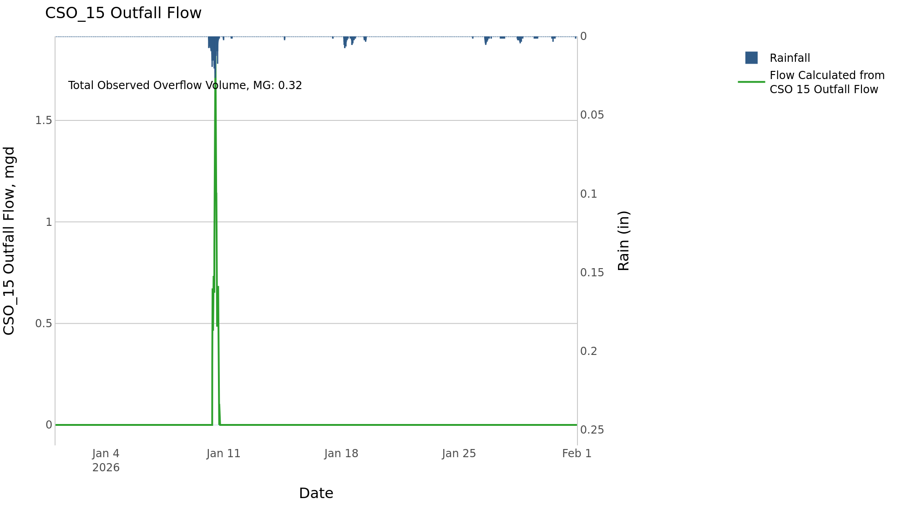

CSO_17-Events
CSO_17 Jan2026 Overflow Events

No Overflow Events Recorded for CSO_17

Note: Activations are defined by CSO volumes > 0.01 MG and an interevent time of 72 hours

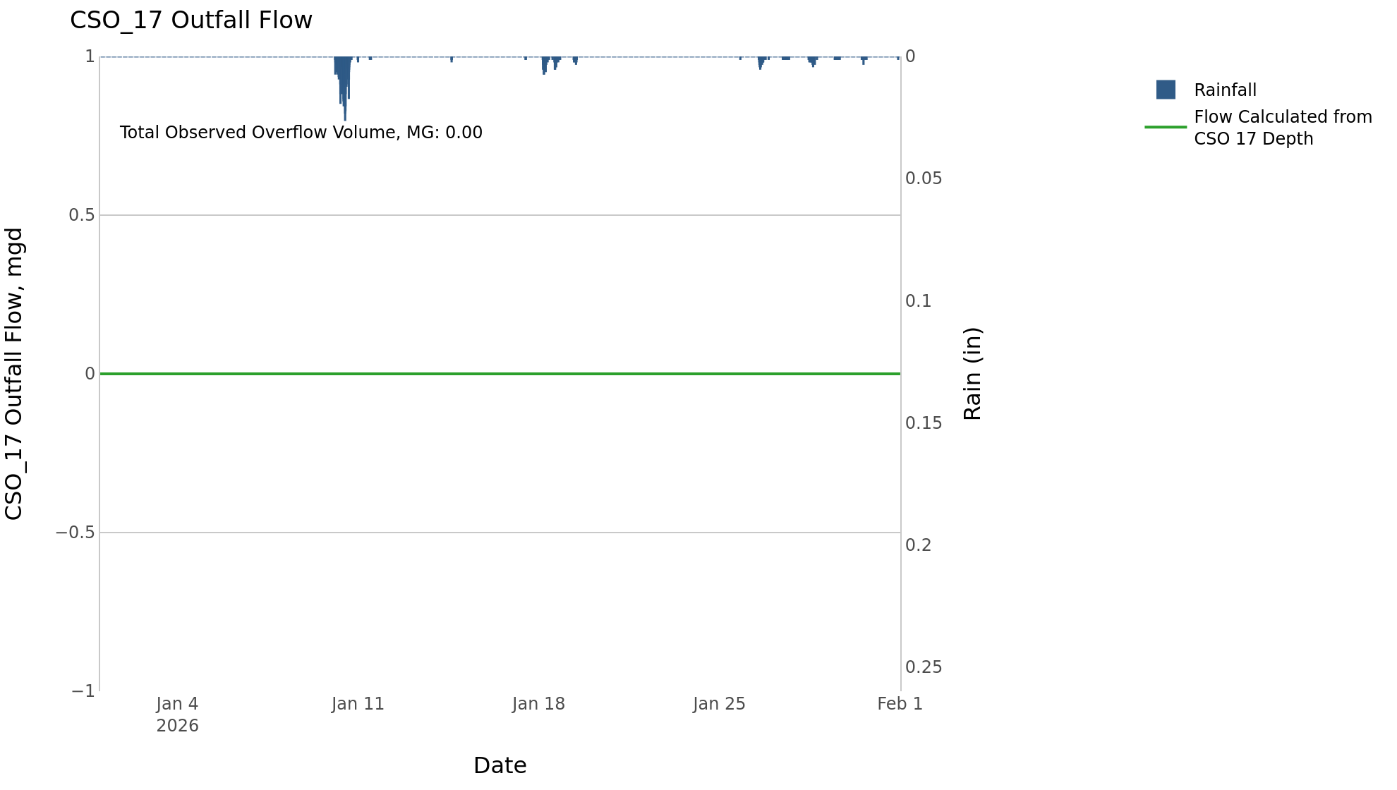

CSO_20-Events
CSO_20 Jan2026 Overflow Events

No Overflow Events Recorded for CSO_20

Note: Activations are defined by CSO volumes > 0.01 MG and an interevent time of 72 hours

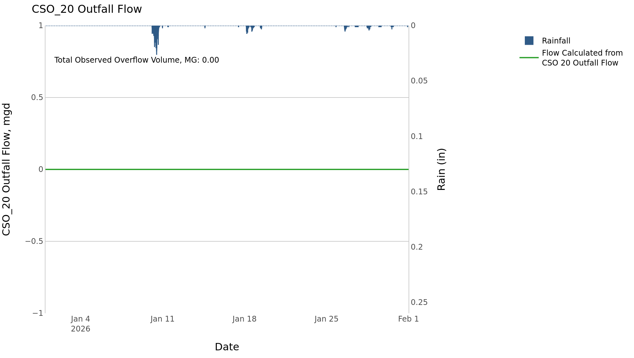

CSO_21-Events
CSO_21 Jan2026 Overflow Events

 | start | end | Rainfall, in | Observed Overflow Volume, mg | overflow_duration_hours
2026Jan10 | 2026-01-10 | 2026-01-10 | 1.62 | 3 | 14

Note: Activations are defined by CSO volumes > 0.01 MG and an interevent time of 72 hours
Note: Any observed negative flows could be backflow from James River

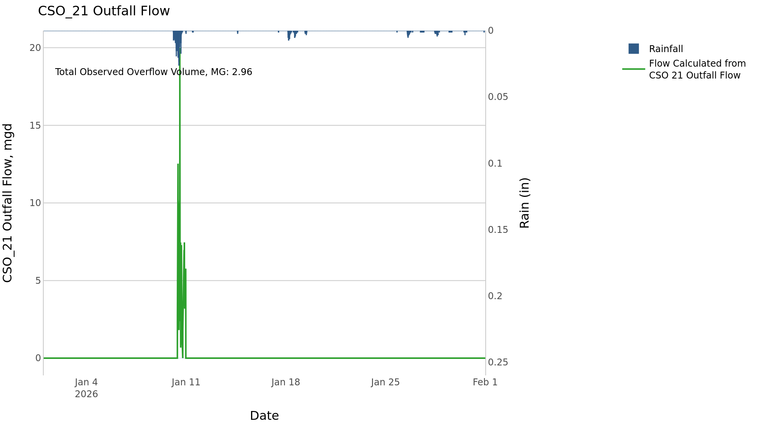

CSO_24-Events
CSO_24 Jan2026 Overflow Events

 | start | end | Rainfall, in | Observed Overflow Volume, mg | overflow_duration_hours
2026Jan10 | 2026-01-10 | 2026-01-10 | 1.38 | 4.2 | 3

Note: Activations are defined by CSO volumes > 0.01 MG and an interevent time of 72 hours

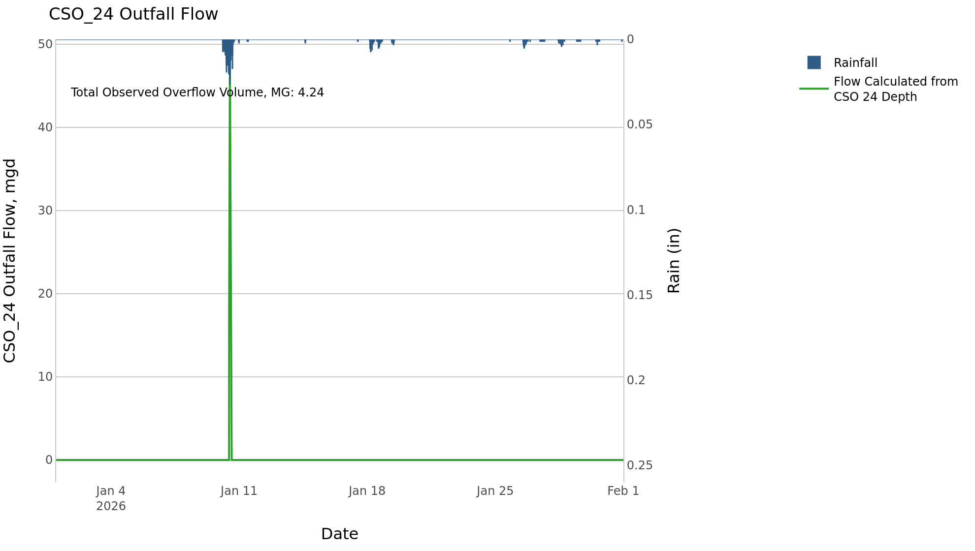

CSO_26-Events
CSO_26 Jan2026 Overflow Events

 | start | end | Rainfall, in | Observed Overflow Volume, mg | overflow_duration_hours
2026Jan10 | 2026-01-10 | 2026-01-10 | 1.25 | 0.01 | 0.83

Note: Activations are defined by CSO volumes > 0.01 MG and an interevent time of 72 hours

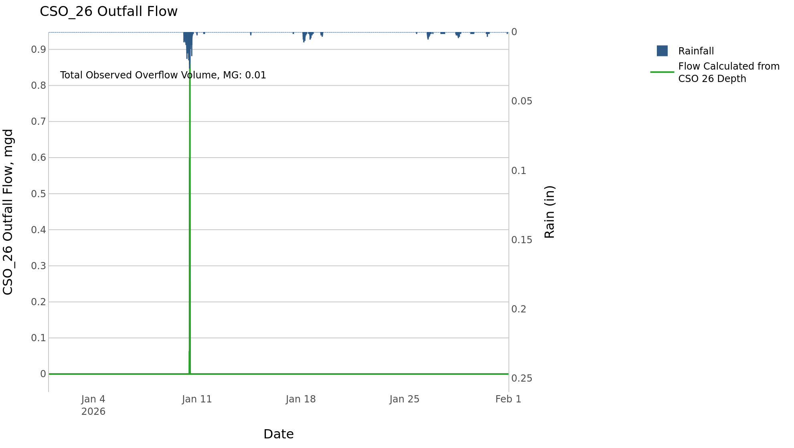

CSO_34-Events
CSO_34 Jan2026 Overflow Events

 | start | end | Rainfall, in | Observed Overflow Volume, mg | overflow_duration_hours
2026Jan10 | 2026-01-10 | 2026-01-10 | 1.38 | 0.04 | 0.58

Note: Activations are defined by CSO volumes > 0.01 MG and an interevent time of 72 hours

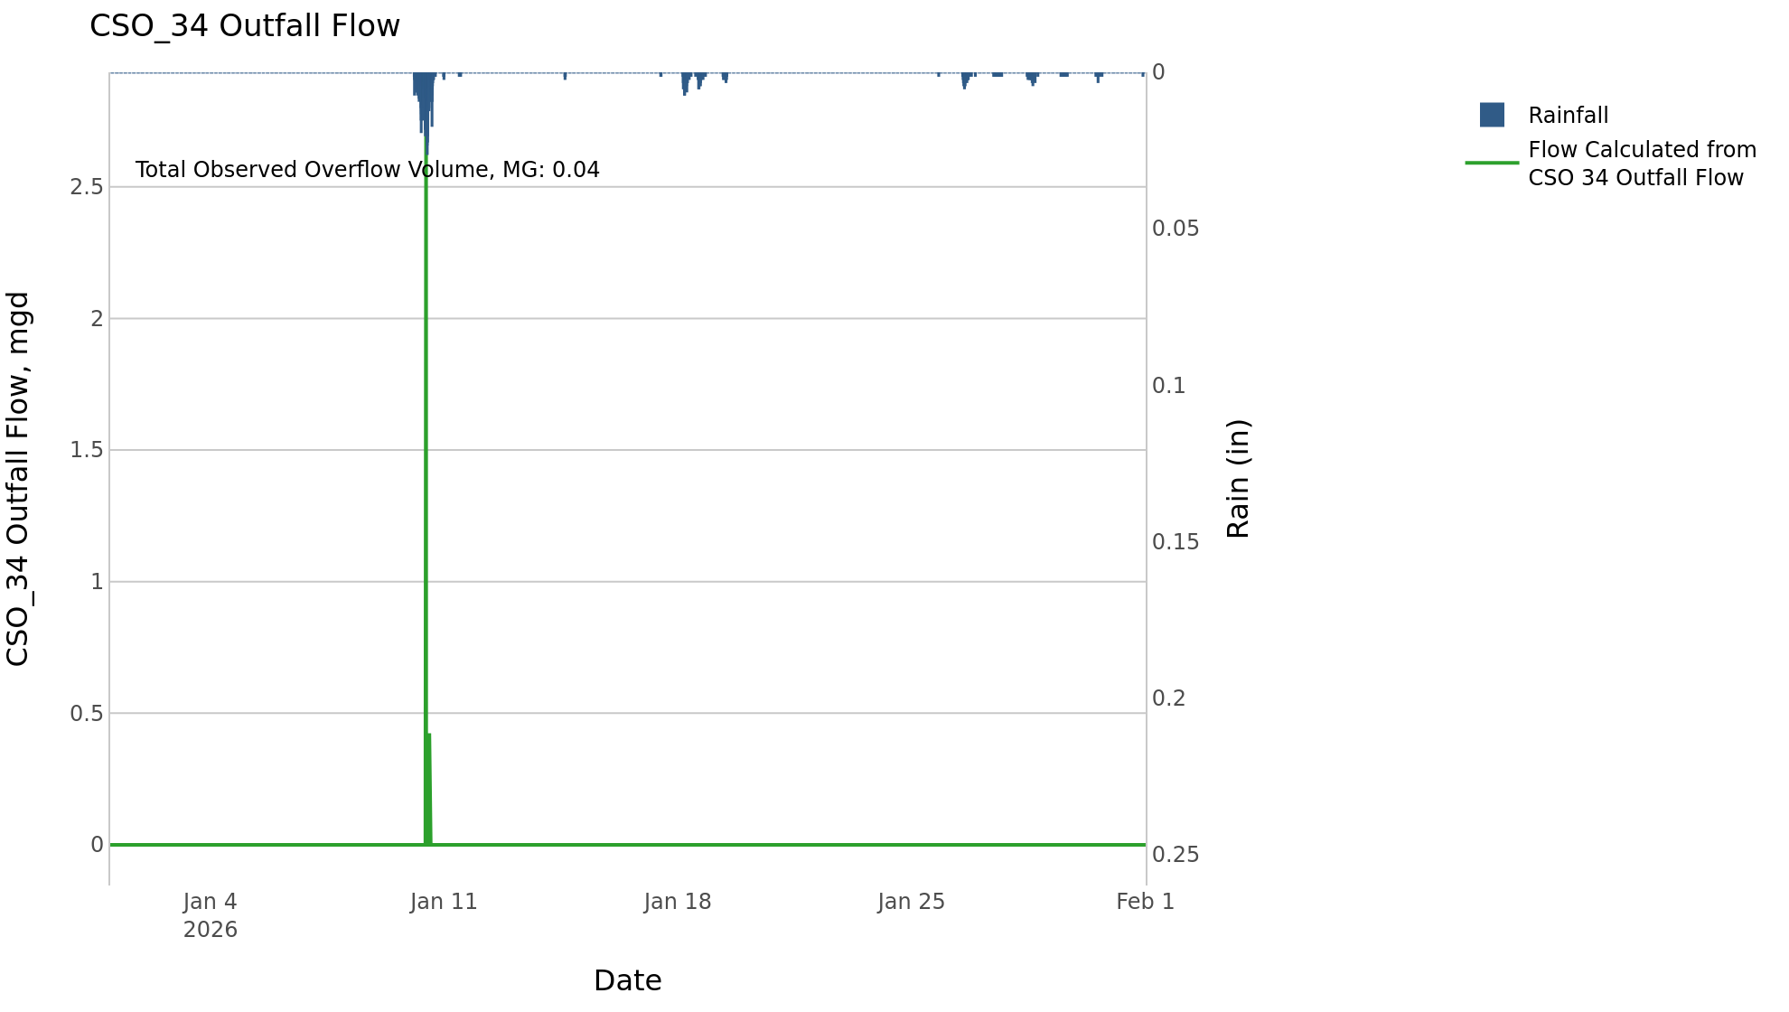

CSO_35-Events
CSO_35 Jan2026 Overflow Events

 | start | end | Rainfall, in | Observed Overflow Volume, mg | overflow_duration_hours
2026Jan10 | 2026-01-10 | 2026-01-10 | 1.61 | 0.24 | 8.5

Note: Activations are defined by CSO volumes > 0.01 MG and an interevent time of 72 hours

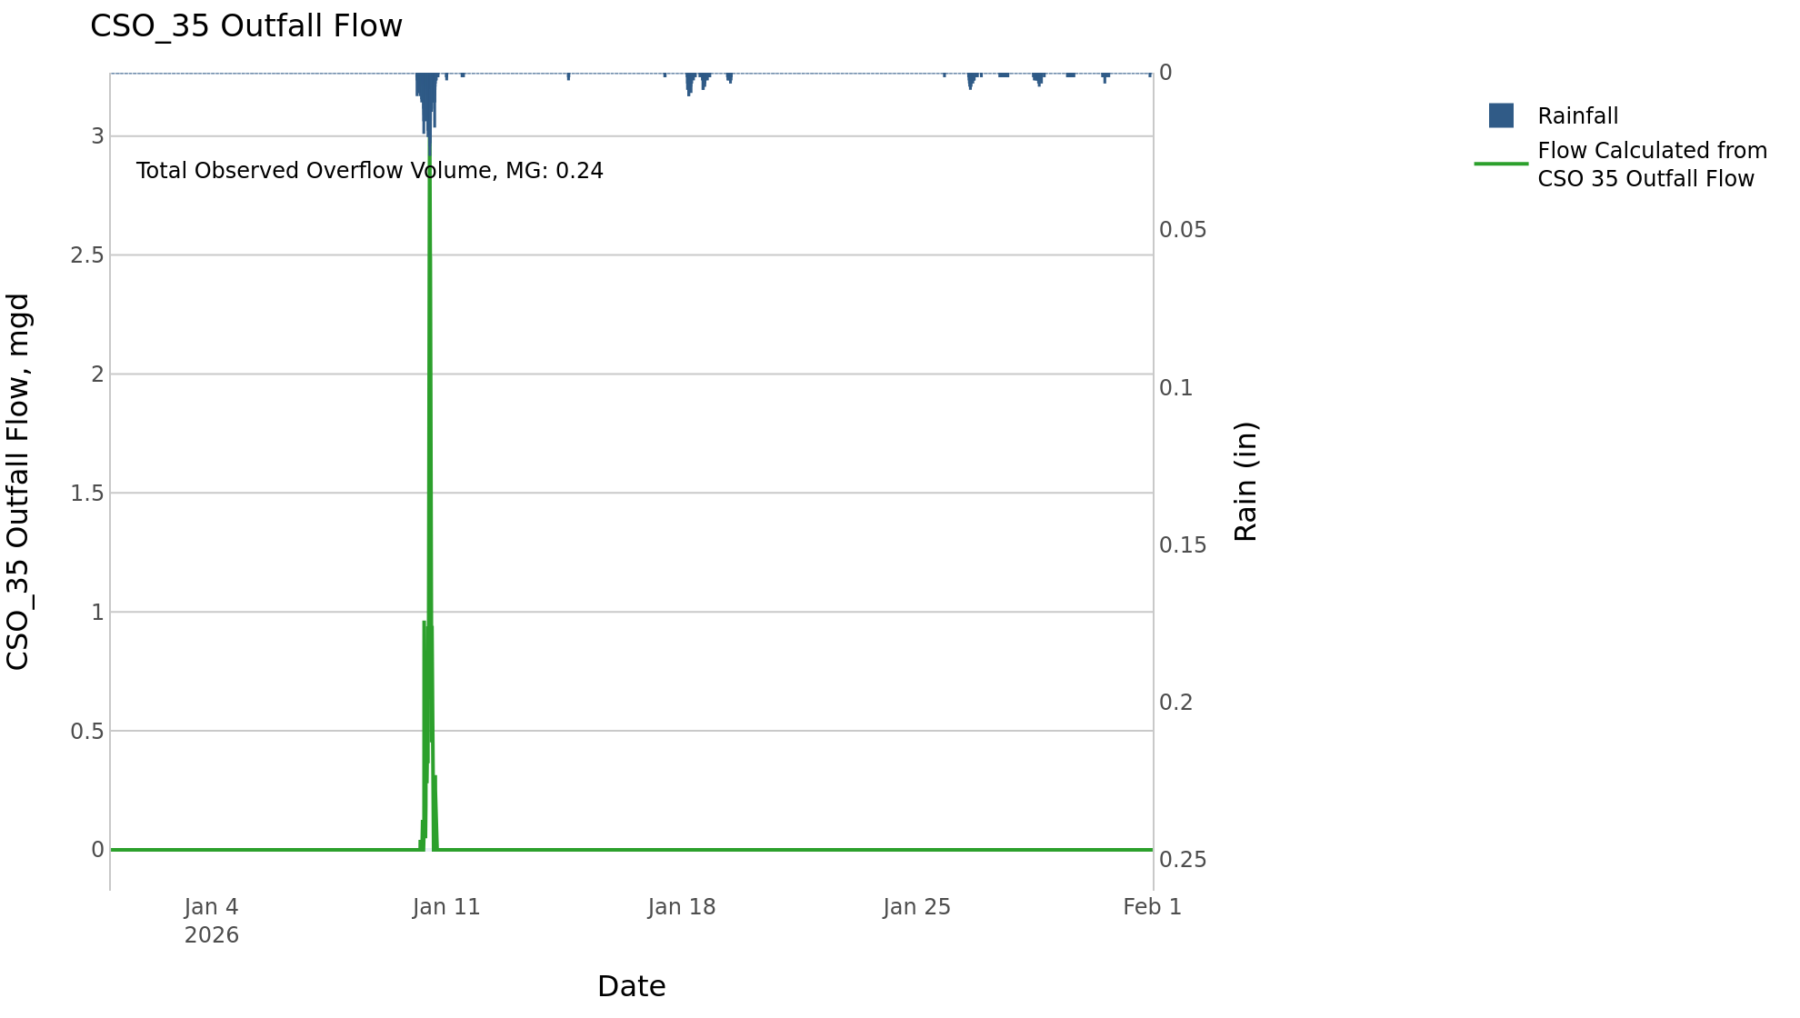

CSO_39-Events
CSO_39 Jan2026 Overflow Events

 | start | end | Rainfall, in | Observed Overflow Volume, mg | overflow_duration_hours
2026Jan10 | 2026-01-10 | 2026-01-10 | 1.2 | 0.28 | 1

Note: Activations are defined by CSO volumes > 0.01 MG and an interevent time of 72 hours

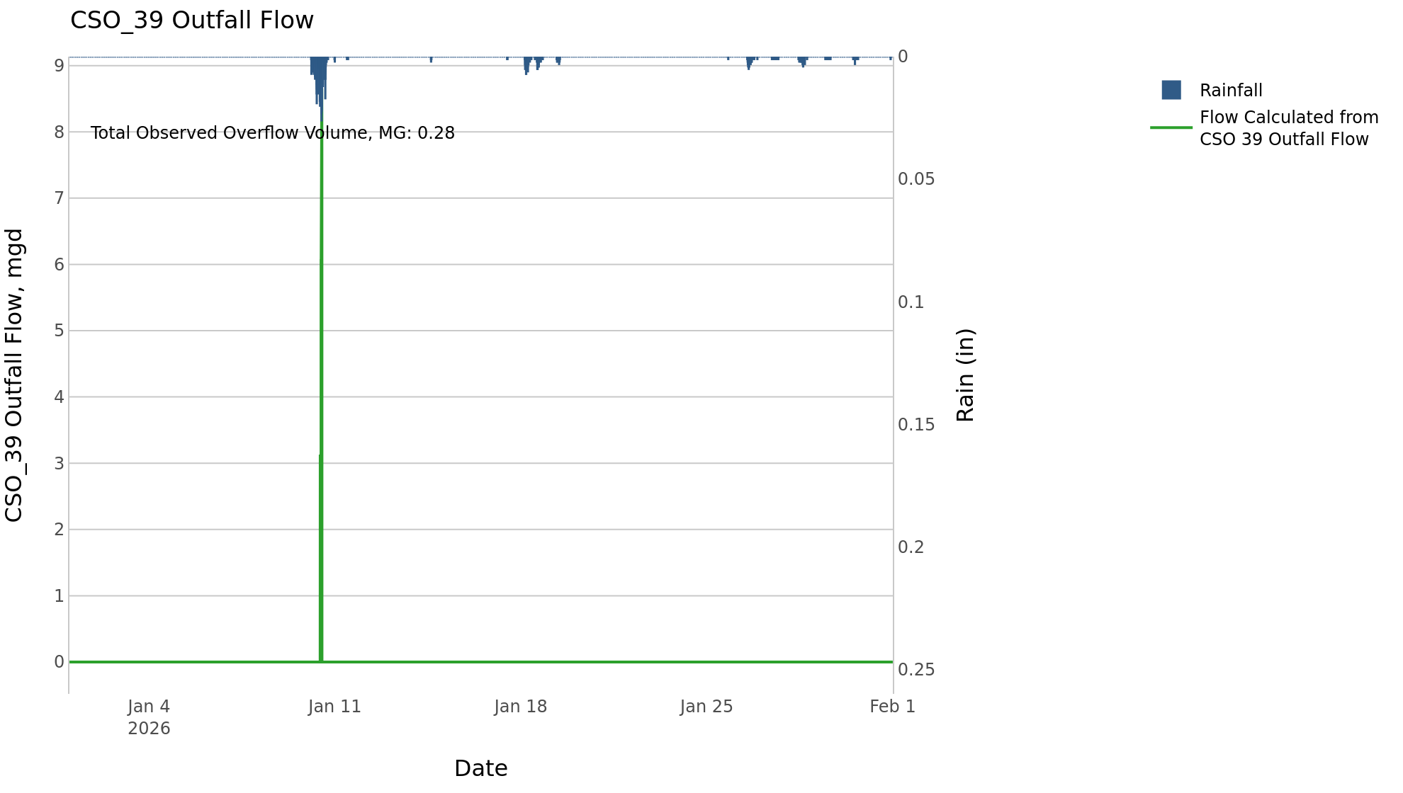

CSO_40-Events
CSO_40 Jan2026 Overflow Events

 | start | end | Rainfall, in | Observed Overflow Volume, mg | overflow_duration_hours
2026Jan10 | 2026-01-10 | 2026-01-10 | 1.61 | 0.61 | 5.5

Note: Activations are defined by CSO volumes > 0.01 MG and an interevent time of 72 hours

