CSO Summary
Dec2025 CSO Report
 | Observed
CSO_04 | 0.1
CSO_05 | 8.2
CSO_07 | 0
CSO_09 | 0
CSO_10 | 0
CSO_11 | 0.27
CSO_12 | 0
CSO_14 | 0.02
CSO_15 | 0.37
CSO_16 | 0
CSO_17 | 0
CSO_18 | 0
CSO_19 | 0
CSO_20 | 0
CSO_21 | 3.4
CSO_24 | 8.8
CSO_25 | 0
CSO_26 | 0
CSO_31 | 0
CSO_33 | 0
CSO_34 | 0.16
CSO_35 | 0.22
CSO_39 | 0.04
CSO_40 | 1
Dec2025 CSO Report
 | Observed
CSO_06 | 85
Dec2025 Overflow Summary
107.0 MG Overflow Observed
 | Sensor Type | % of Report with Good Data | Number of Observed Activations | Observed Overflow Volume, MG
CSO_04 | Flow | 100 | 2 | 0.1
CSO_05 | Flow | 100 | 2 | 8.2
CSO_06 | Flow | 100 | 2 | 85
CSO_07 | Flow | 100 | 0 | 0
CSO_09 | Level | 100 | 0 | 0
CSO_10 | Level | 100 | 0 | 0
CSO_11 | Level | 100 | 1 | 0.27
CSO_12 | Flow | 100 | 0 | 0
CSO_14 | Level | 100 | 1 | 0.02
CSO_15 | Flow | 100 | 2 | 0.37
CSO_16 | Level | 100 | 0 | 0
CSO_17 | Level | 100 | 0 | 0
CSO_18 | Level | 100 | 0 | 0
CSO_19 | Level | 55 | 0 | 0
CSO_20 | Flow | 100 | 0 | 0
CSO_21 | Flow | 100 | 2 | 3.4
CSO_24 | Level | 100 | 2 | 8.8
CSO_25 | Level | 100 | 0 | 0
CSO_26 | Level | 100 | 0 | 0
CSO_31 | Level | 100 | 0 | 0
CSO_33 | Level | 100 | 0 | 0
CSO_34 | Flow | 100 | 1 | 0.16
CSO_35 | Flow | 100 | 2 | 0.22
CSO_39 | Flow | 100 | 1 | 0.04
CSO_40 | Flow | 100 | 2 | 1
System | N/A | N/A | 2 | 107

CSO_04-Events
CSO_04 Dec2025 Overflow Events

 | start | end | Rainfall, in | Observed Overflow Volume, mg | overflow_duration_hours
2025Dec02 | 2025-12-02 | 2025-12-02 | 0.98 | 0.06 | 2.2
2025Dec19 | 2025-12-19 | 2025-12-19 | 0.8 | 0.04 | 1.2

Note: Activations are defined by CSO volumes > 0.01 MG and an interevent time of 72 hours
Note: Any observed negative flows could be backflow from James River

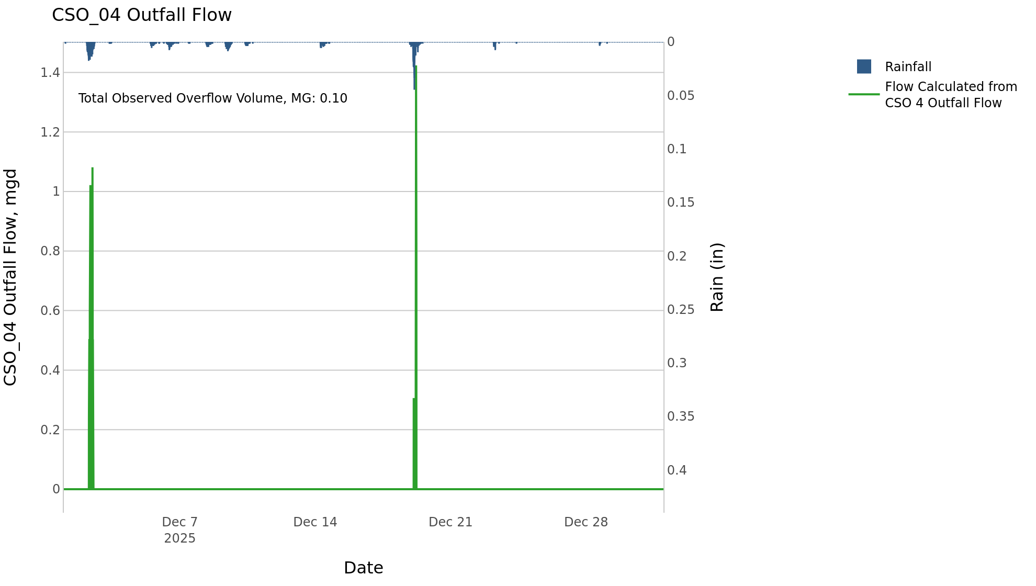

CSO_05-Events
CSO_05 Dec2025 Overflow Events

 | start | end | Rainfall, in | Observed Overflow Volume, mg | overflow_duration_hours
2025Dec02 | 2025-12-02 | 2025-12-02 | 1.02 | 4.6 | 4.7
2025Dec19 | 2025-12-19 | 2025-12-19 | 0.84 | 3.5 | 2.8

Note: Activations are defined by CSO volumes > 0.01 MG and an interevent time of 72 hours
Note: Any observed negative flows could be backflow from James River

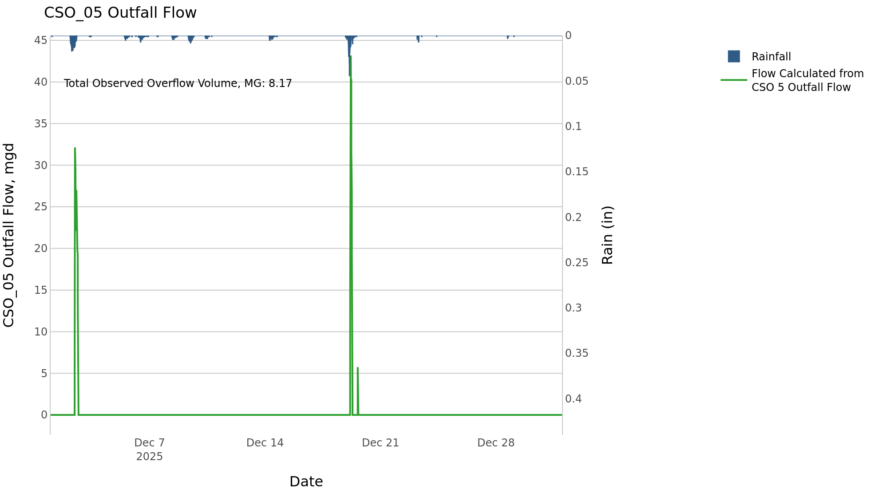

CSO_06-Events
CSO_06 Dec2025 Overflow Events

 | start | end | Rainfall, in | Observed Overflow Volume, mg | overflow_duration_hours
2025Dec02 | 2025-12-02 | 2025-12-03 | 1.02 | 34 | 12
2025Dec19 | 2025-12-19 | 2025-12-21 | 0.84 | 50 | 35

Note: Activations are defined by CSO volumes > 0.01 MG and an interevent time of 72 hours
Note: Any observed negative flows could be due to high James River levels and flow eddies within structure

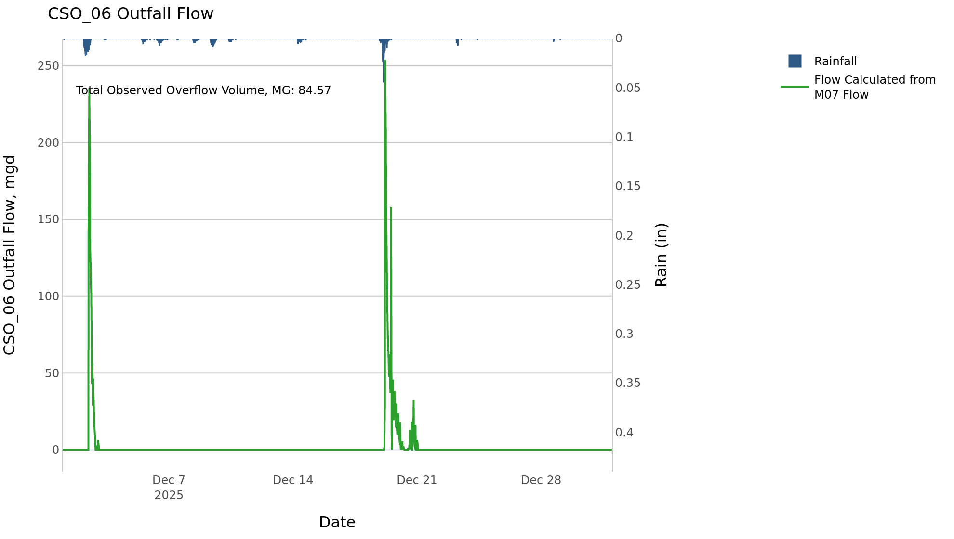

CSO_07-Events
CSO_07 Dec2025 Overflow Events

No Overflow Events Recorded for CSO_07

Note: Activations are defined by CSO volumes > 0.01 MG and an interevent time of 72 hours

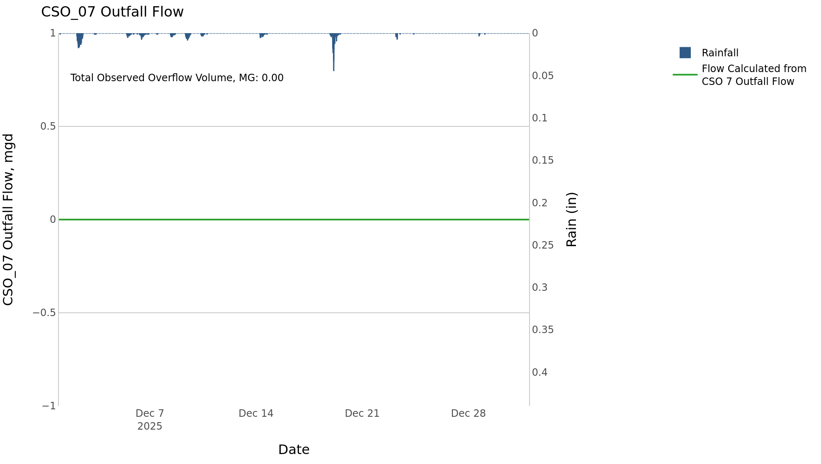

CSO_09-Events
CSO_09 Dec2025 Overflow Events

No Overflow Events Recorded for CSO_09

Note: Activations are defined by CSO volumes > 0.01 MG and an interevent time of 72 hours

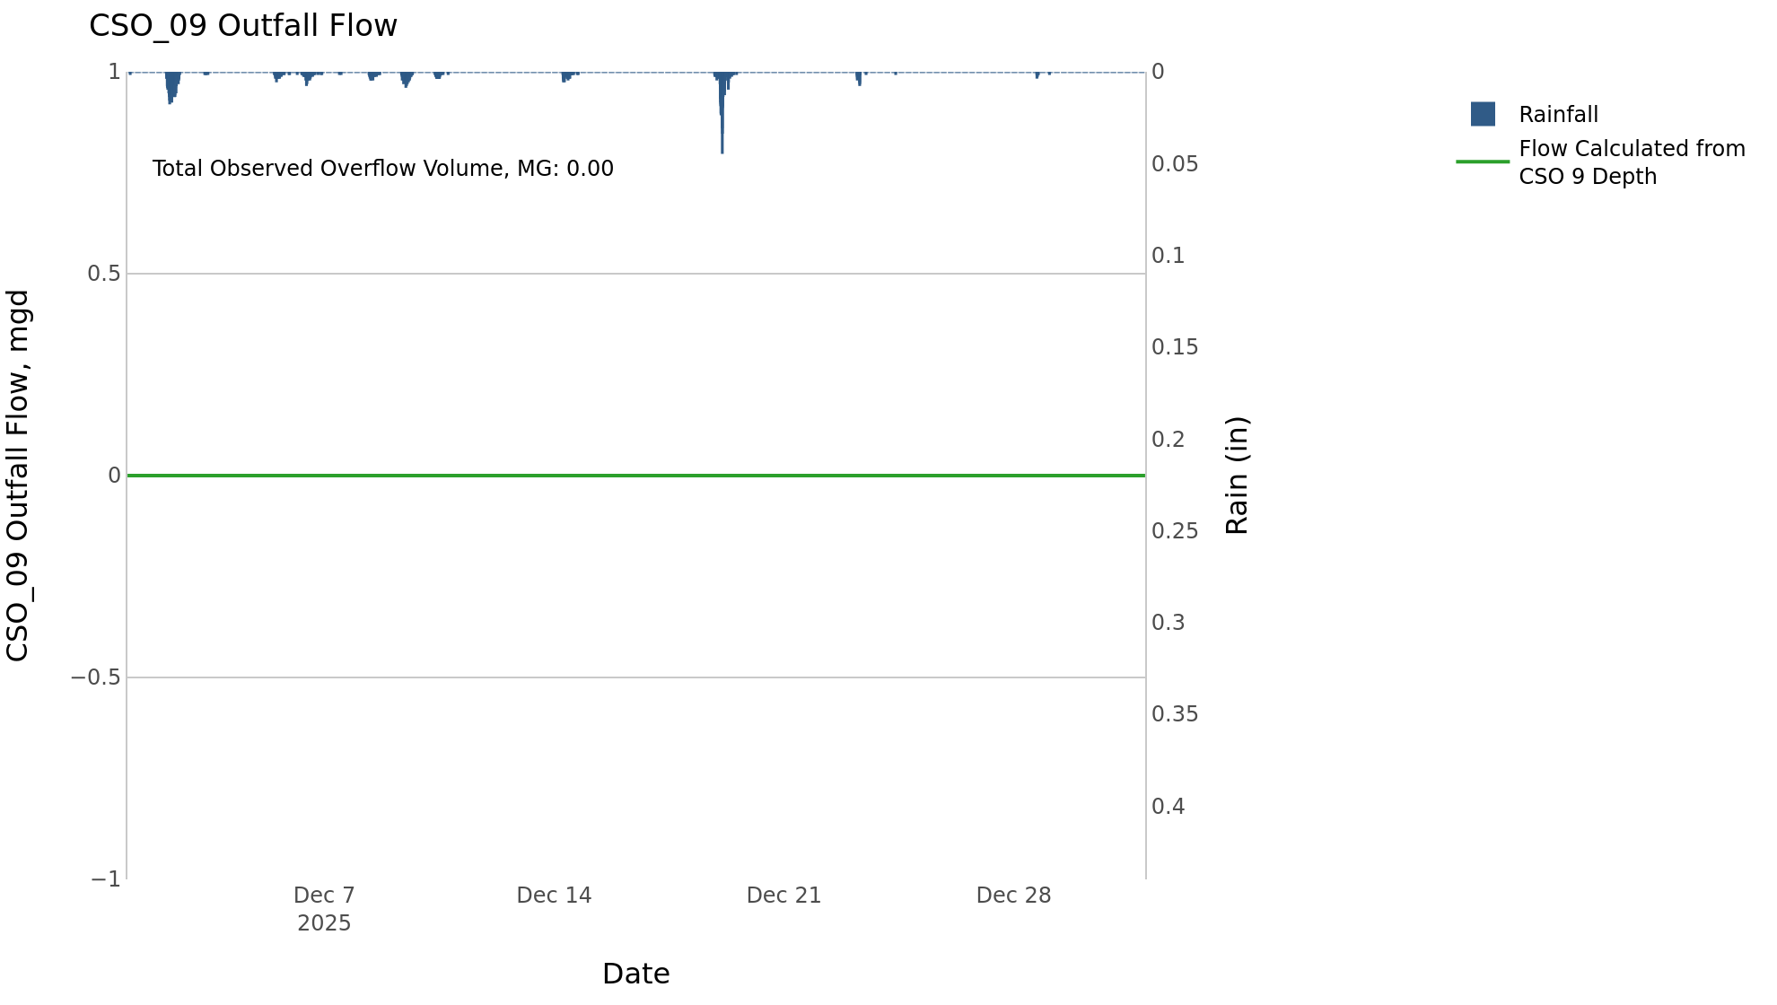

CSO_11-Events
CSO_11 Dec2025 Overflow Events

 | start | end | Rainfall, in | Observed Overflow Volume, mg | overflow_duration_hours
2025Dec19 | 2025-12-19 | 2025-12-19 | 0.73 | 0.27 | 1.4

Note: Activations are defined by CSO volumes > 0.01 MG and an interevent time of 72 hours

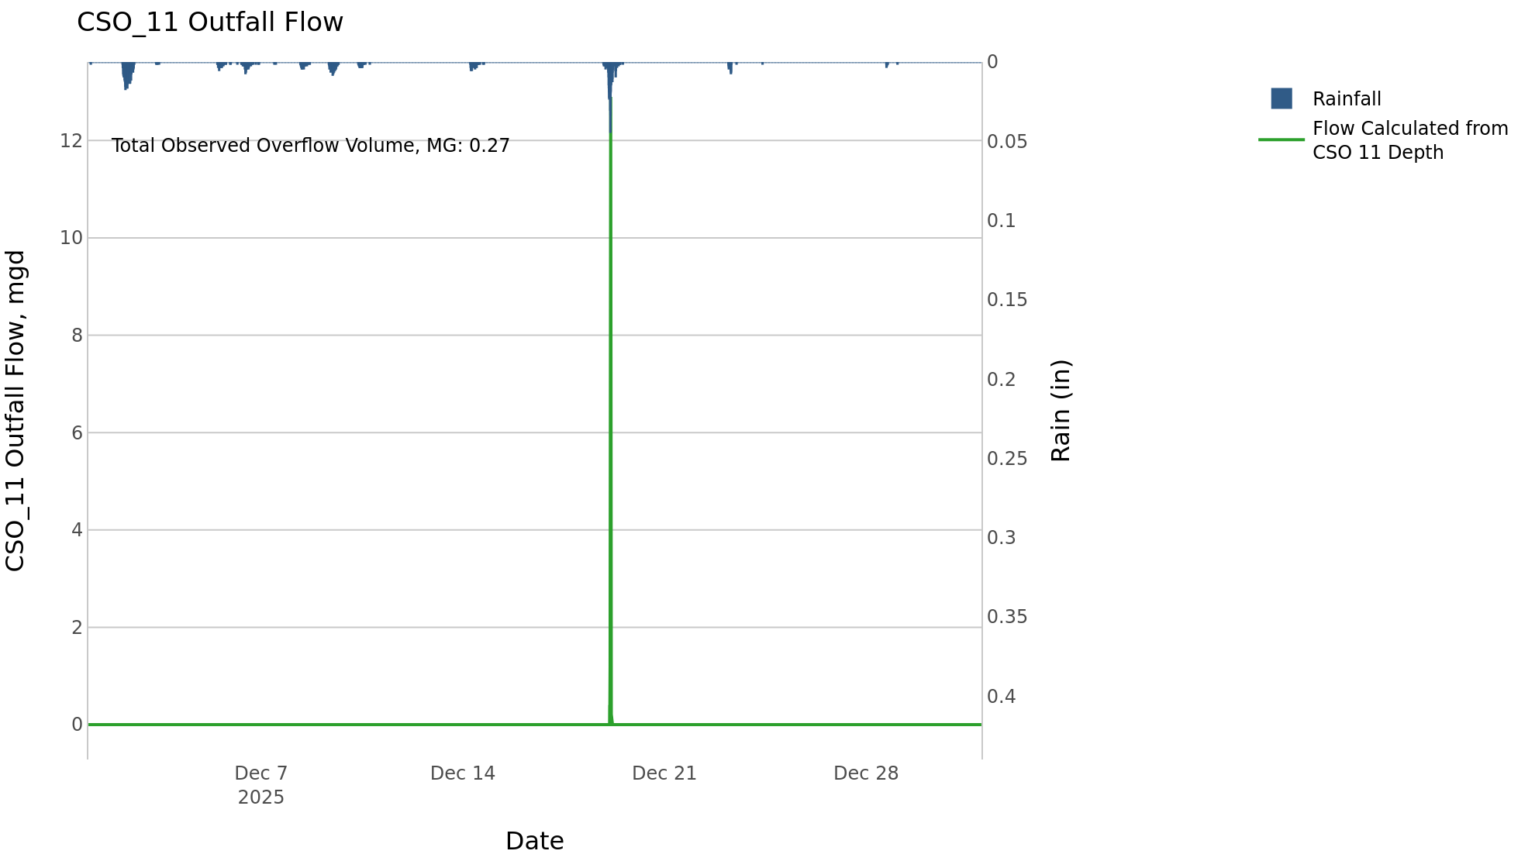

CSO_12-Events
CSO_12 Dec2025 Overflow Events

No Overflow Events Recorded for CSO_12

Note: Activations are defined by CSO volumes > 0.01 MG and an interevent time of 72 hours

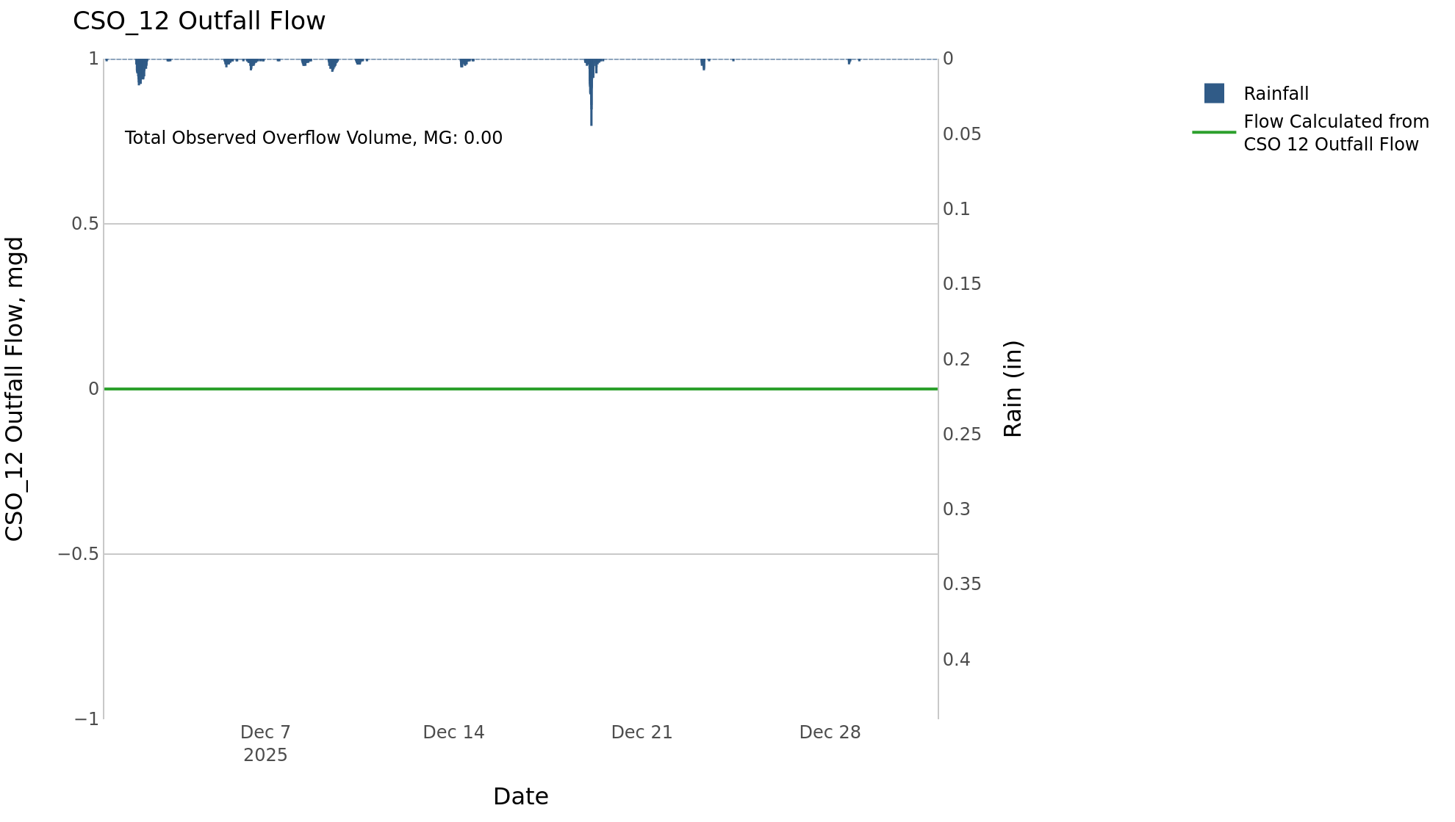

CSO_14-Events
CSO_14 Dec2025 Overflow Events

 | start | end | Rainfall, in | Observed Overflow Volume, mg | overflow_duration_hours
2025Dec19 | 2025-12-19 | 2025-12-19 | 0.68 | 0.02 | 0.42

Note: Activations are defined by CSO volumes > 0.01 MG and an interevent time of 72 hours

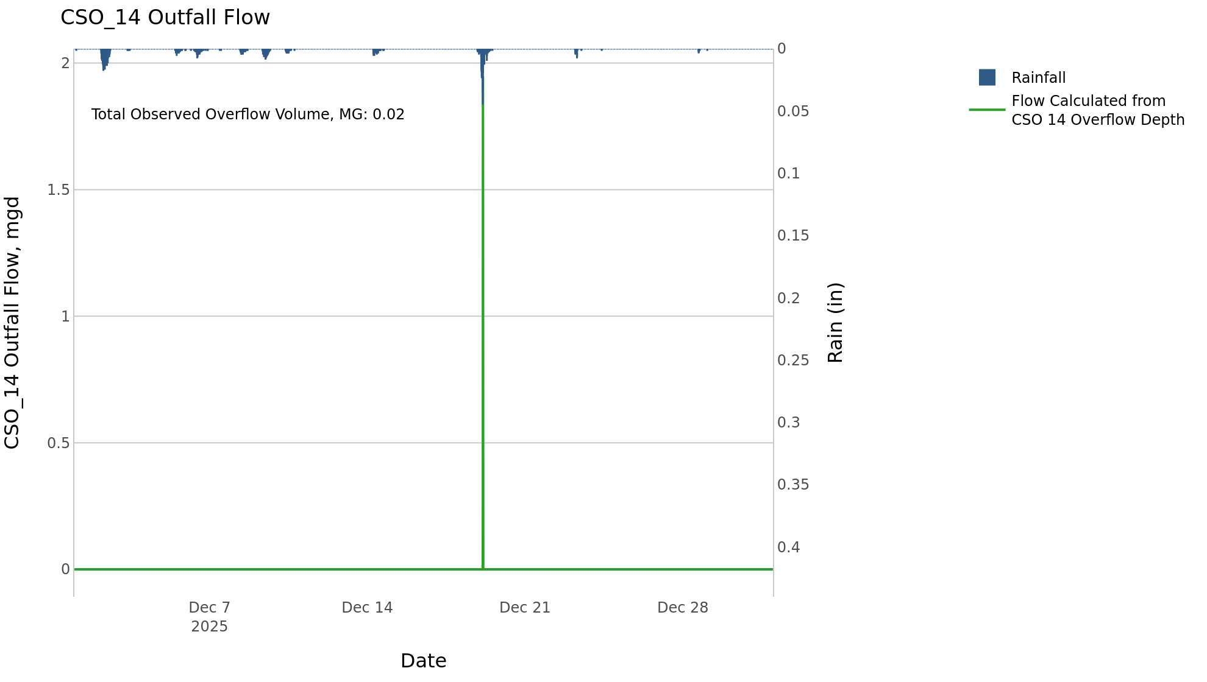

CSO_15-Events
CSO_15 Dec2025 Overflow Events

 | start | end | Rainfall, in | Observed Overflow Volume, mg | overflow_duration_hours
2025Dec02 | 2025-12-02 | 2025-12-02 | 1.02 | 0.19 | 8
2025Dec19 | 2025-12-19 | 2025-12-19 | 0.83 | 0.18 | 7.8

Note: Activations are defined by CSO volumes > 0.01 MG and an interevent time of 72 hours

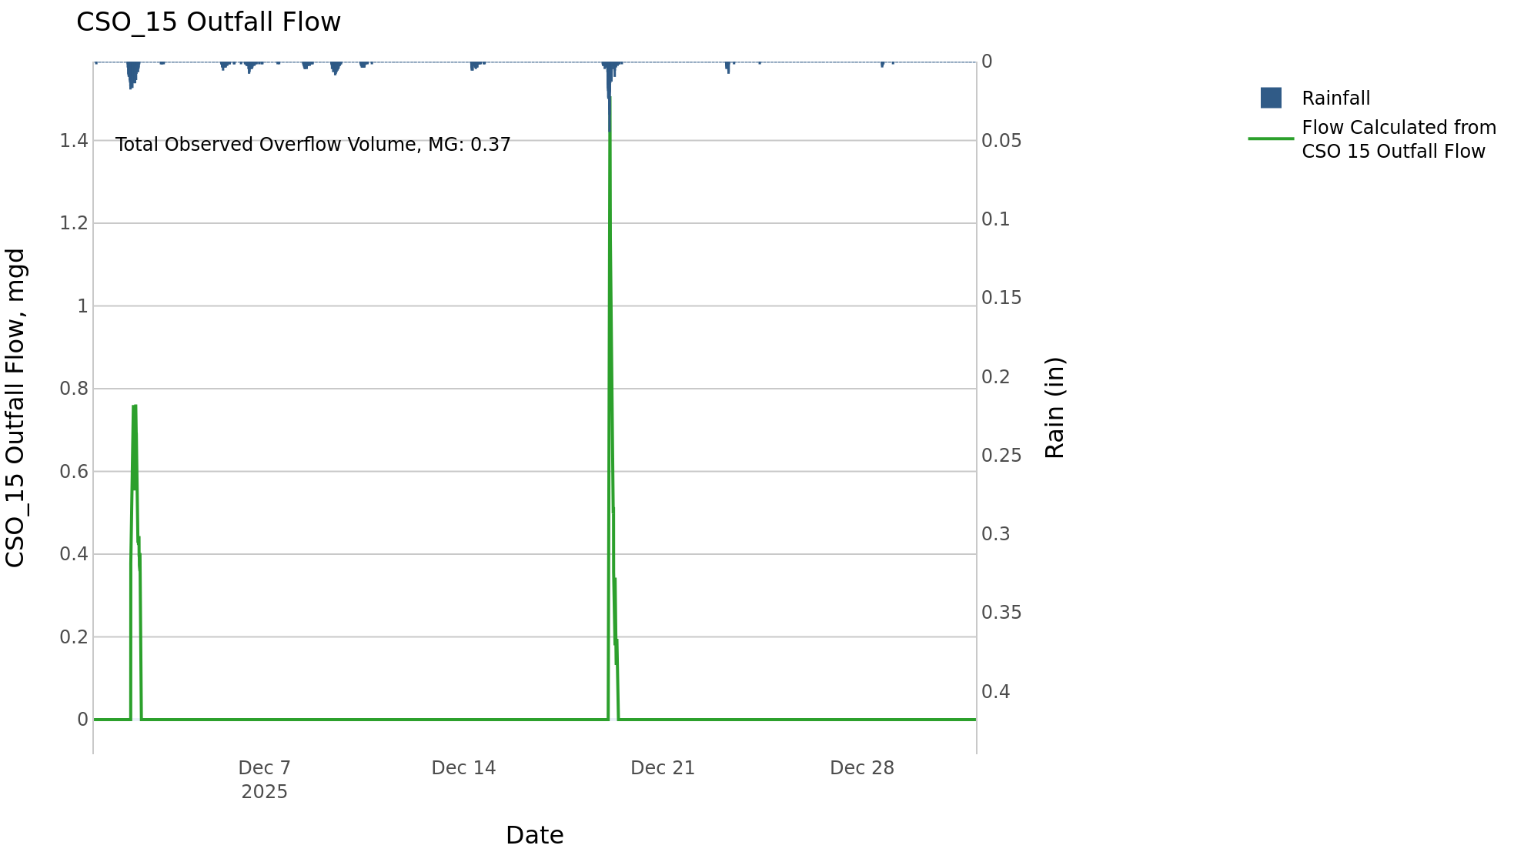

CSO_21-Events
CSO_21 Dec2025 Overflow Events

 | start | end | Rainfall, in | Observed Overflow Volume, mg | overflow_duration_hours
2025Dec02 | 2025-12-02 | 2025-12-02 | 1.02 | 2.3 | 5.5
2025Dec19 | 2025-12-19 | 2025-12-19 | 0.84 | 1.2 | 4.8

Note: Activations are defined by CSO volumes > 0.01 MG and an interevent time of 72 hours
Note: Any observed negative flows could be backflow from James River

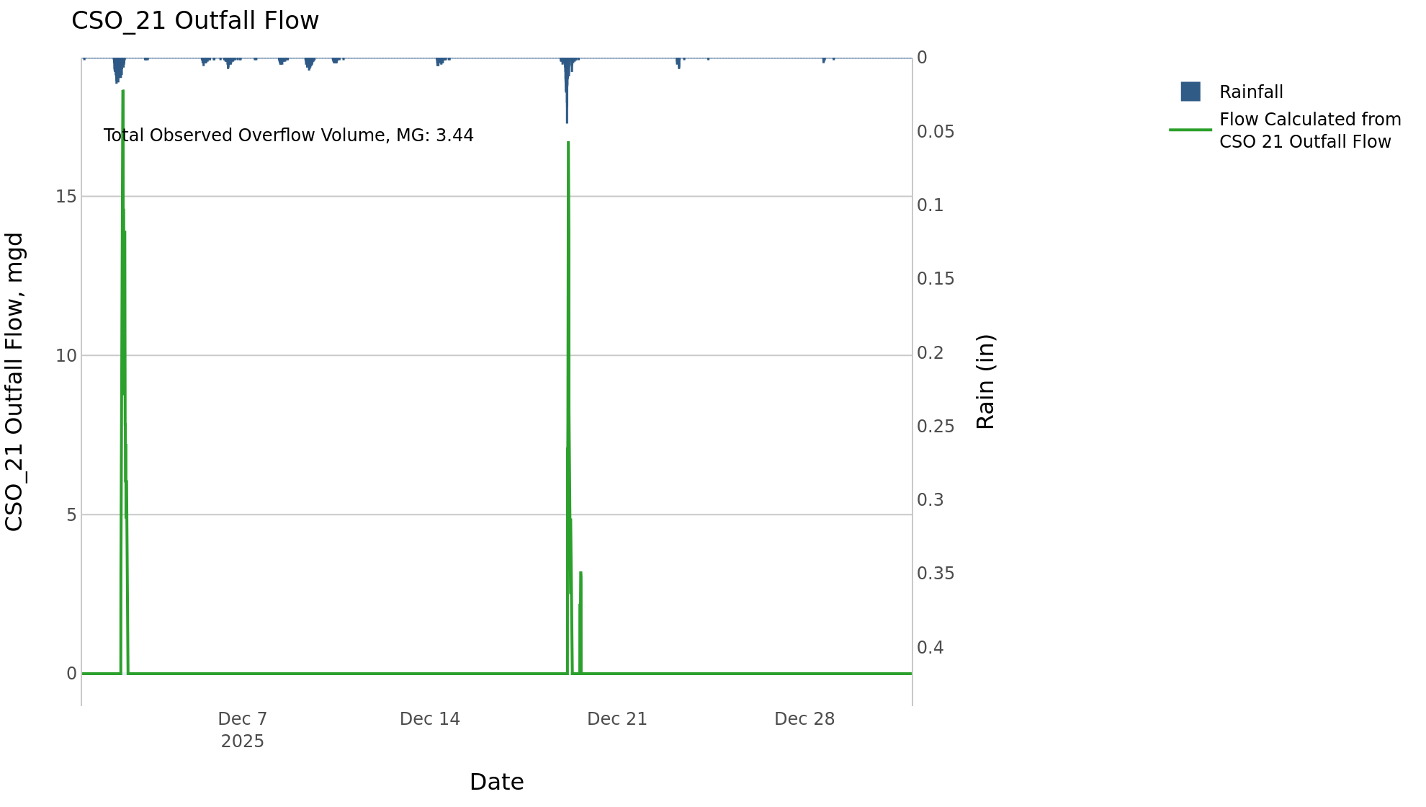

CSO_24-Events
CSO_24 Dec2025 Overflow Events

 | start | end | Rainfall, in | Observed Overflow Volume, mg | overflow_duration_hours
2025Dec02 | 2025-12-02 | 2025-12-02 | 0.99 | 3.4 | 3.9
2025Dec19 | 2025-12-19 | 2025-12-19 | 0.8 | 5.3 | 4.2

Note: Activations are defined by CSO volumes > 0.01 MG and an interevent time of 72 hours

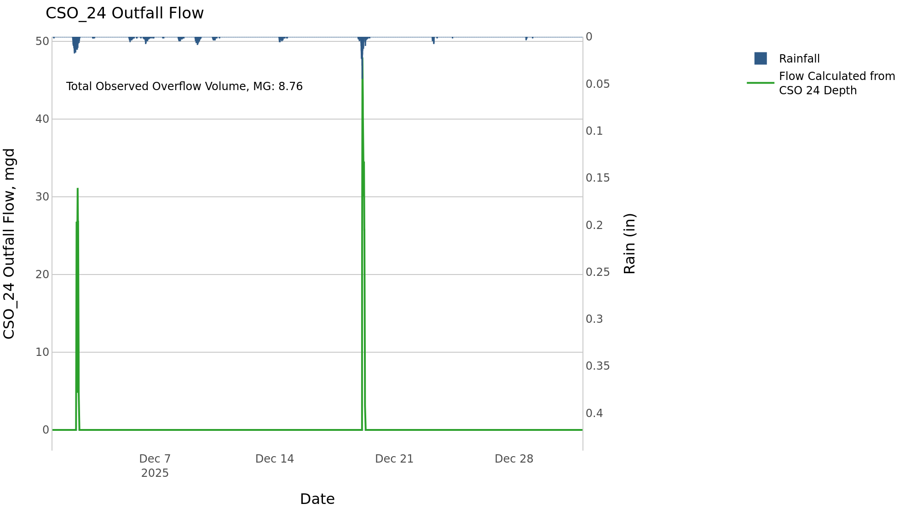

CSO_34-Events
CSO_34 Dec2025 Overflow Events

 | start | end | Rainfall, in | Observed Overflow Volume, mg | overflow_duration_hours
2025Dec19 | 2025-12-19 | 2025-12-19 | 0.75 | 0.16 | 2

Note: Activations are defined by CSO volumes > 0.01 MG and an interevent time of 72 hours

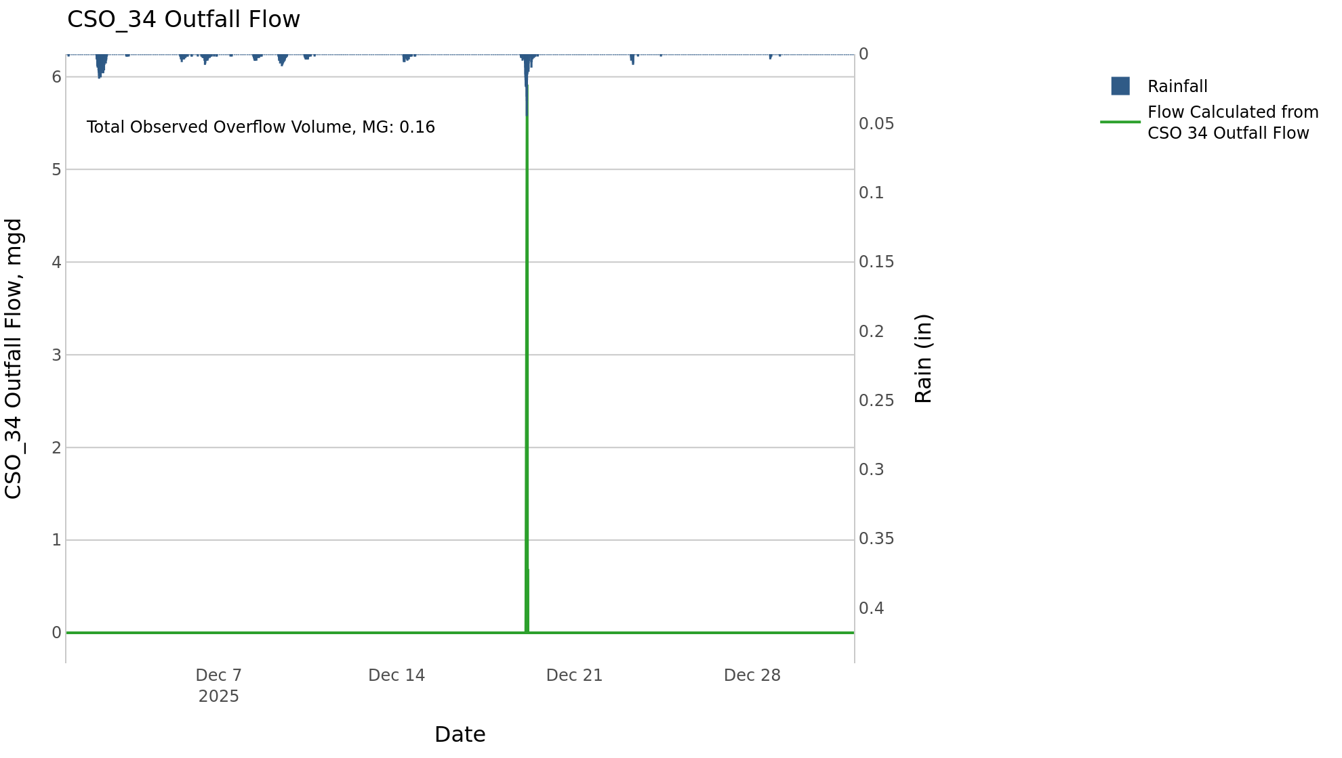

CSO_35-Events
CSO_35 Dec2025 Overflow Events

 | start | end | Rainfall, in | Observed Overflow Volume, mg | overflow_duration_hours
2025Dec02 | 2025-12-02 | 2025-12-02 | 0.99 | 0.1 | 6.8
2025Dec19 | 2025-12-19 | 2025-12-19 | 0.81 | 0.12 | 4.5

Note: Activations are defined by CSO volumes > 0.01 MG and an interevent time of 72 hours

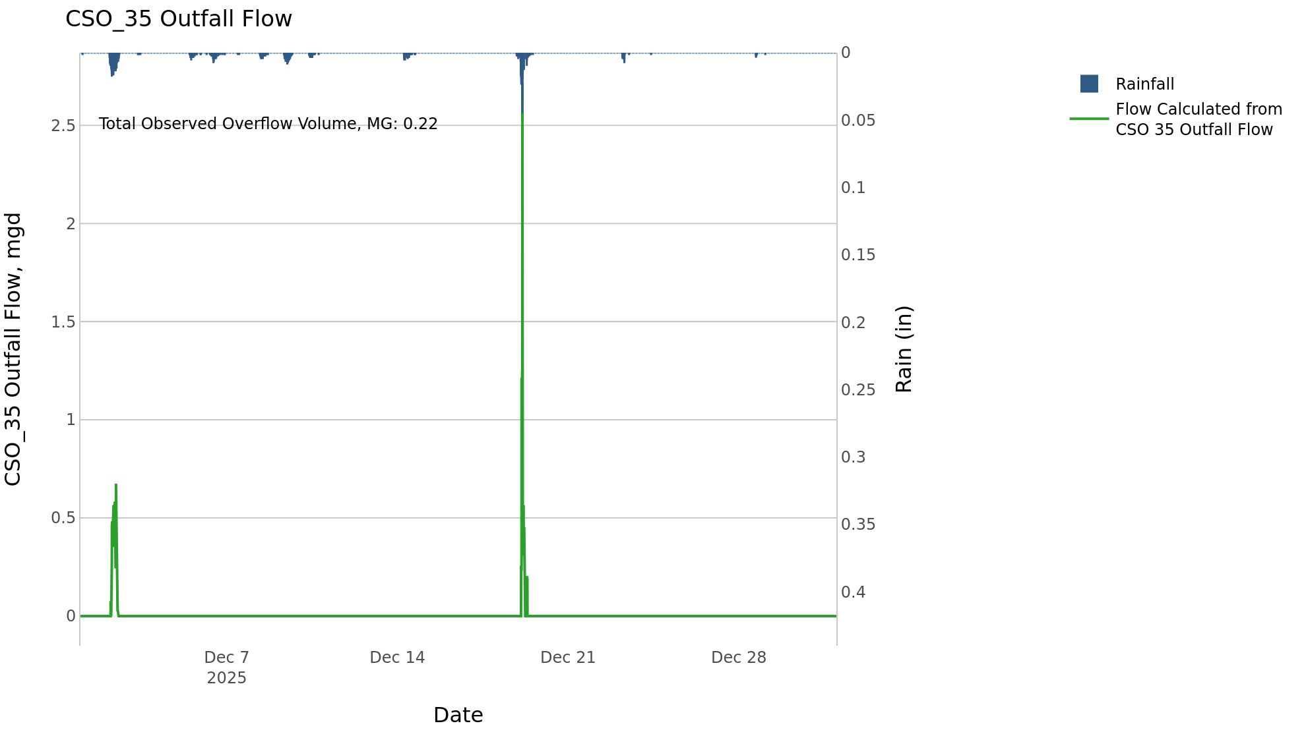

CSO_39-Events
CSO_39 Dec2025 Overflow Events

 | start | end | Rainfall, in | Observed Overflow Volume, mg | overflow_duration_hours
2025Dec19 | 2025-12-19 | 2025-12-19 | 0.65 | 0.04 | 0.17

Note: Activations are defined by CSO volumes > 0.01 MG and an interevent time of 72 hours

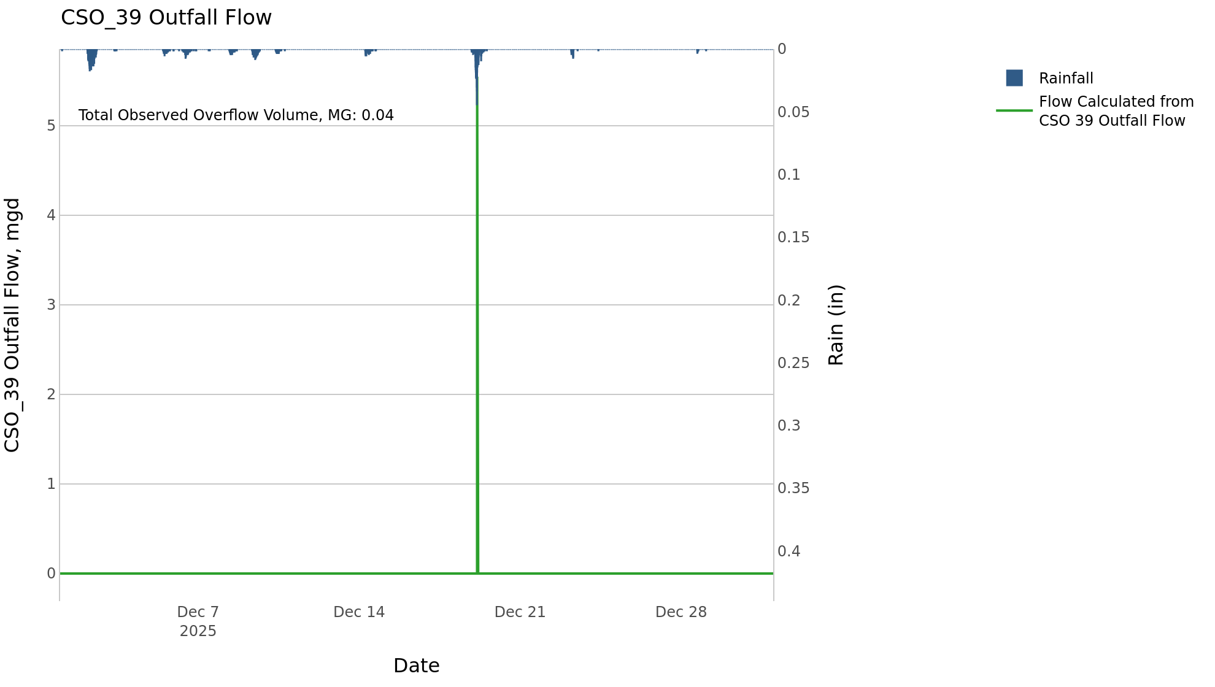

CSO_40-Events
CSO_40 Dec2025 Overflow Events

 | start | end | Rainfall, in | Observed Overflow Volume, mg | overflow_duration_hours
2025Dec02 | 2025-12-02 | 2025-12-02 | 0.99 | 0.48 | 5.8
2025Dec19 | 2025-12-19 | 2025-12-19 | 0.8 | 0.54 | 3

Note: Activations are defined by CSO volumes > 0.01 MG and an interevent time of 72 hours

