CSO Summary
Nov2025 CSO Report
 | Observed
CSO_04 | 0.19
CSO_05 | 0.06
CSO_07 | 0
CSO_09 | 0
CSO_10 | 0
CSO_11 | 0.33
CSO_12 | 0
CSO_14 | 0.16
CSO_15 | 0.13
CSO_16 | 0
CSO_17 | 0
CSO_18 | 0
CSO_19 | 0
CSO_20 | 0
CSO_21 | 0.62
CSO_24 | 6
CSO_25 | 0
CSO_26 | 0.71
CSO_31 | 0.64
CSO_33 | 0
CSO_34 | 0.62
CSO_35 | 0.03
CSO_39 | 0.24
CSO_40 | 0.68
Nov2025 CSO Report
 | Observed
CSO_06 | 10
Nov2025 Overflow Summary
21.0 MG Overflow Observed
 | Sensor Type | % of Report with Good Data | Number of Observed Activations | Observed Overflow Volume, MG
CSO_04 | Flow | 96 | 3 | 0.19
CSO_05 | Flow | 96 | 1 | 0.06
CSO_06 | Flow | 96 | 1 | 10
CSO_07 | Flow | 96 | 0 | 0
CSO_09 | Level | 97 | 0 | 0
CSO_10 | Level | 96 | 0 | 0
CSO_11 | Level | 96 | 3 | 0.33
CSO_12 | Flow | 96 | 0 | 0
CSO_14 | Level | 96 | 3 | 0.16
CSO_15 | Flow | 96 | 3 | 0.13
CSO_16 | Level | 96 | 0 | 0
CSO_17 | Level | 97 | 0 | 0
CSO_18 | Level | 96 | 0 | 0
CSO_19 | Level | 84 | 0 | 0
CSO_20 | Flow | 97 | 0 | 0
CSO_21 | Flow | 96 | 1 | 0.62
CSO_24 | Level | 96 | 3 | 6
CSO_25 | Level | 96 | 0 | 0
CSO_26 | Level | 96 | 3 | 0.71
CSO_31 | Level | 96 | 2 | 0.64
CSO_33 | Level | 96 | 0 | 0
CSO_34 | Flow | 96 | 3 | 0.62
CSO_35 | Flow | 96 | 1 | 0.03
CSO_39 | Flow | 96 | 3 | 0.24
CSO_40 | Flow | 96 | 3 | 0.68
System | N/A | N/A | 3 | 21

CSO_04-Events
CSO_04 Nov2025 Overflow Events

 | start | end | Rainfall, in | Observed Overflow Volume, mg | overflow_duration_hours
2025Nov09 | 2025-11-09 | 2025-11-09 | 0.44 | 0.05 | 0.42
2025Nov22 | 2025-11-22 | 2025-11-22 | 0.52 | 0.02 | 0.67
2025Nov26 | 2025-11-26 | 2025-11-26 | 0.7 | 0.12 | 0.5

Note: Activations are defined by CSO volumes > 0.01 MG and an interevent time of 72 hours
Note: Any observed negative flows could be backflow from James River

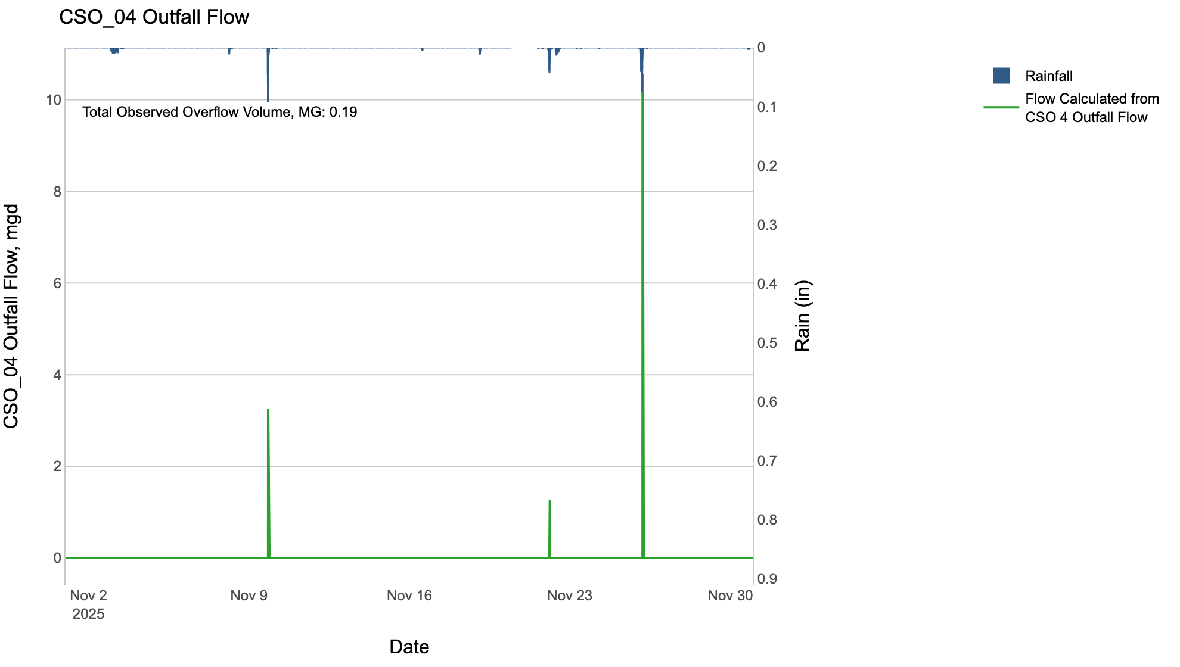

CSO_05-Events
CSO_05 Nov2025 Overflow Events

 | start | end | Rainfall, in | Observed Overflow Volume, mg | overflow_duration_hours
2025Nov26 | 2025-11-26 | 2025-11-26 | 0.7 | 0.06 | 0.17

Note: Activations are defined by CSO volumes > 0.01 MG and an interevent time of 72 hours
Note: Any observed negative flows could be backflow from James River

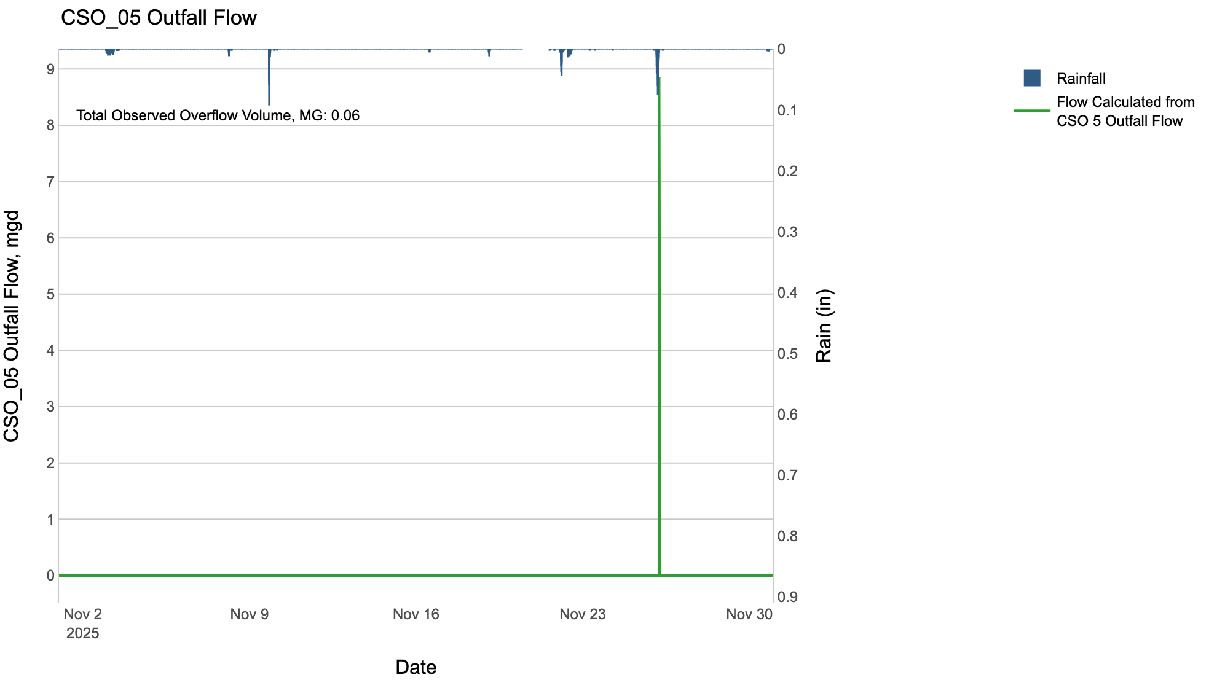

CSO_06-Events
CSO_06 Nov2025 Overflow Events

 | start | end | Rainfall, in | Observed Overflow Volume, mg | overflow_duration_hours
2025Nov26 | 2025-11-26 | 2025-11-26 | 0.7 | 10 | 9.6

Note: Activations are defined by CSO volumes > 0.01 MG and an interevent time of 72 hours
Note: Any observed negative flows could be due to high James River levels and flow eddies within structure

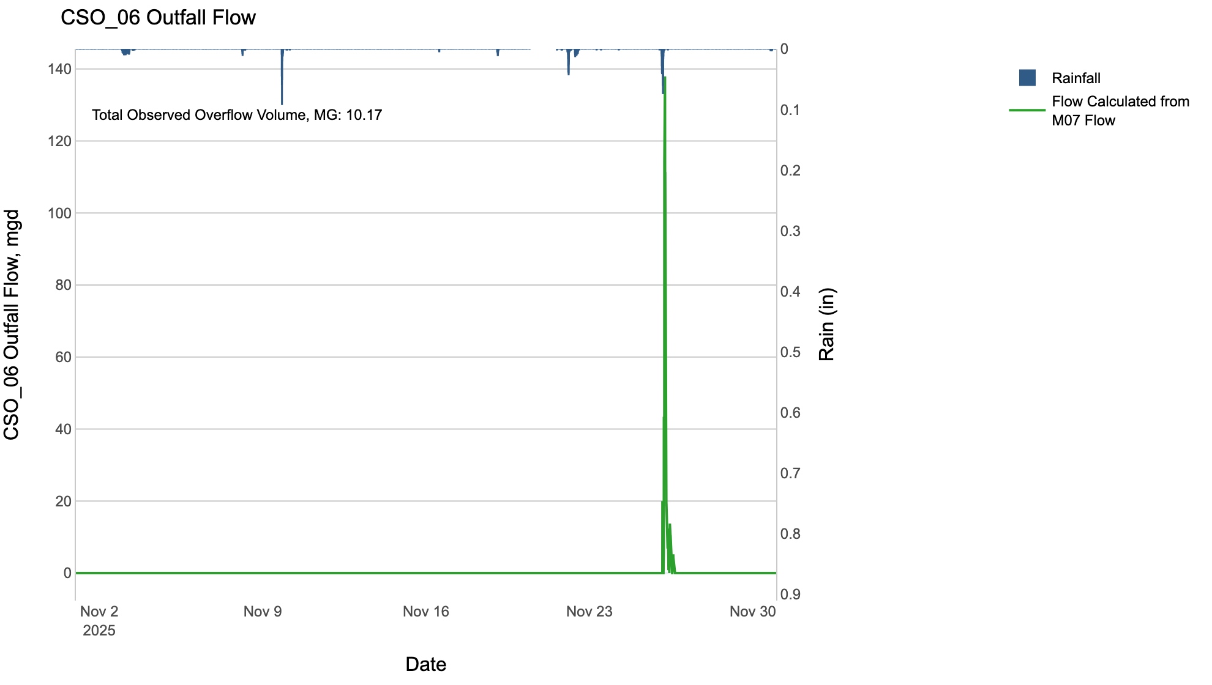

CSO_07-Events
CSO_07 Nov2025 Overflow Events

No Overflow Events Recorded for CSO_07
CSO_07 Bad Data
error_type | time_first_found | time_last_found
gap | 2025-11-20 | 2025-11-21

Note: Activations are defined by CSO volumes > 0.01 MG and an interevent time of 72 hours

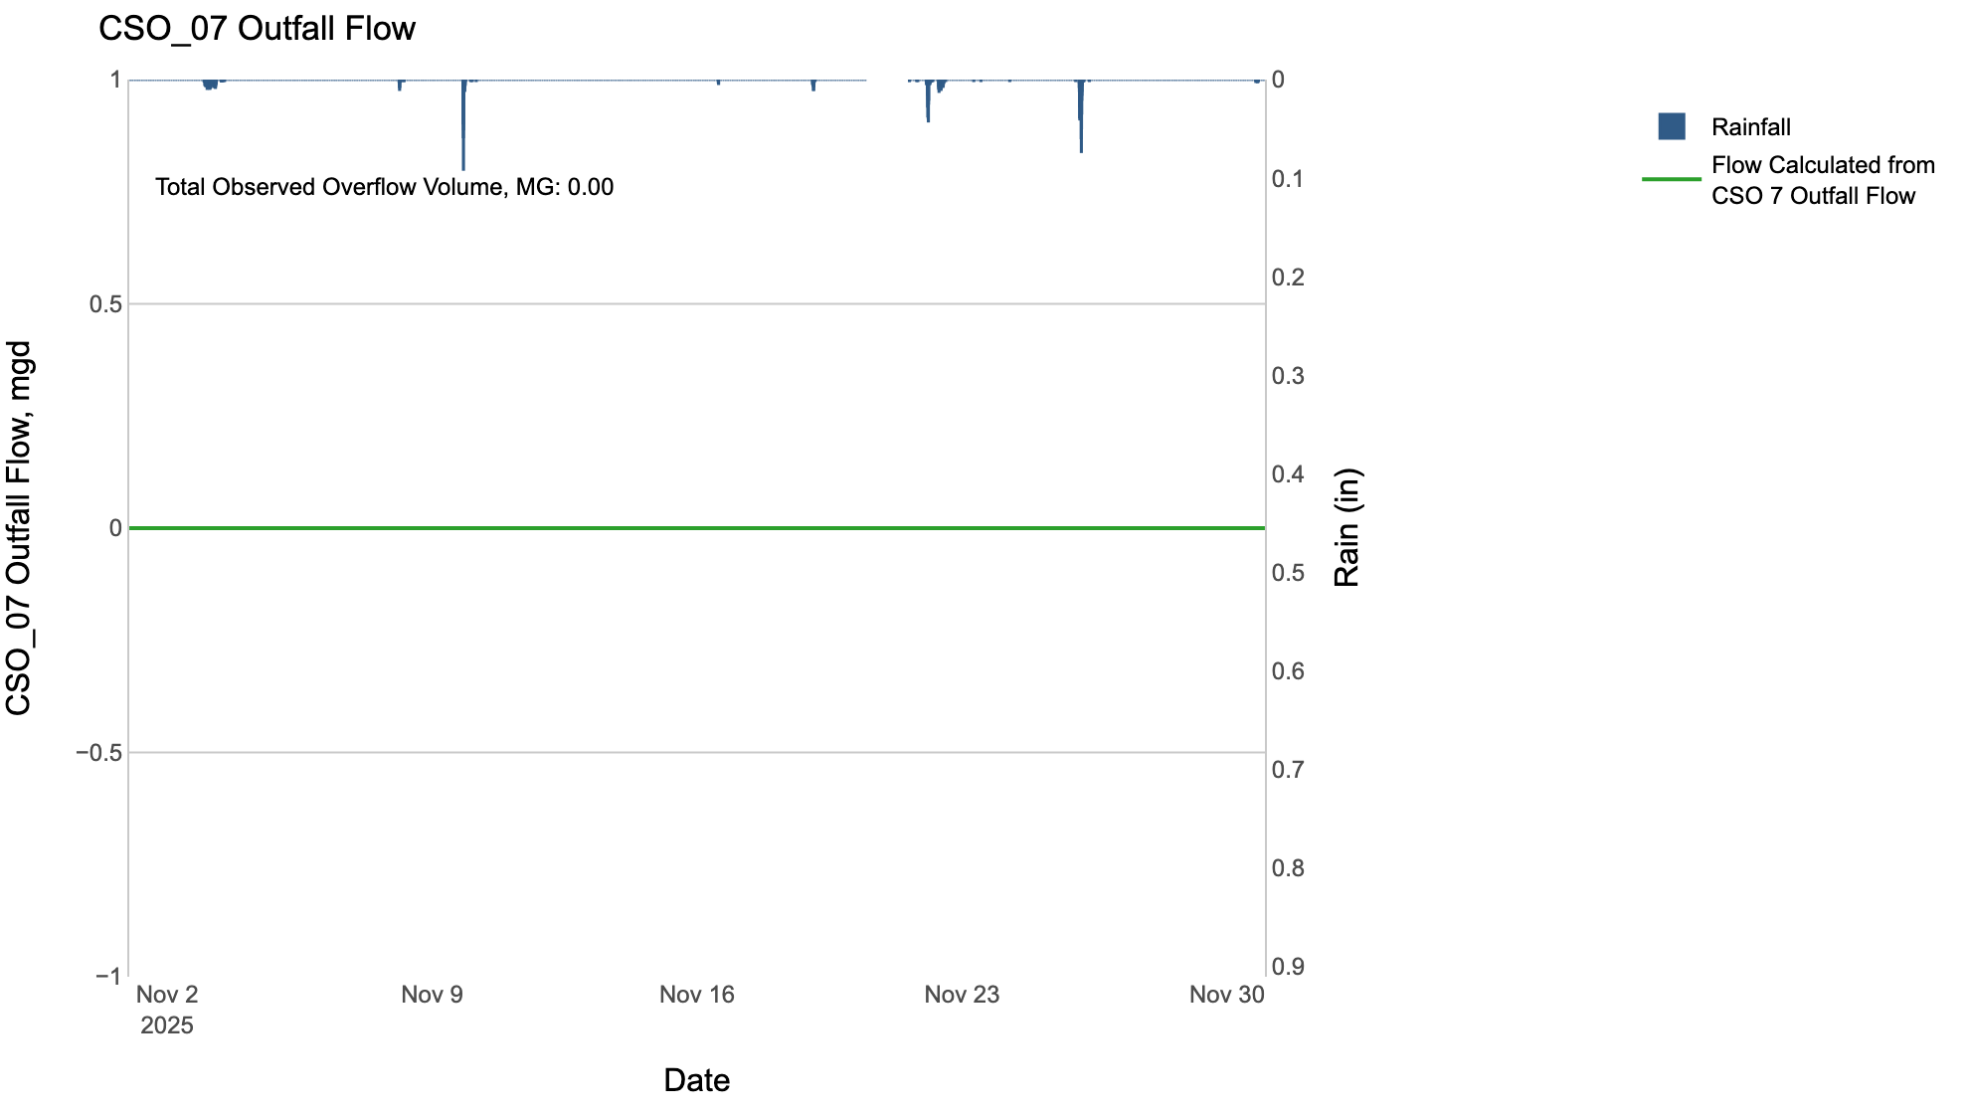

CSO_11-Events
CSO_11 Nov2025 Overflow Events

 | start | end | Rainfall, in | Observed Overflow Volume, mg | overflow_duration_hours
2025Nov09 | 2025-11-09 | 2025-11-09 | 0.44 | 0.06 | 0.25
2025Nov22 | 2025-11-22 | 2025-11-22 | 0.52 | 0.07 | 0.33
2025Nov26 | 2025-11-26 | 2025-11-26 | 0.7 | 0.2 | 0.83

Note: Activations are defined by CSO volumes > 0.01 MG and an interevent time of 72 hours

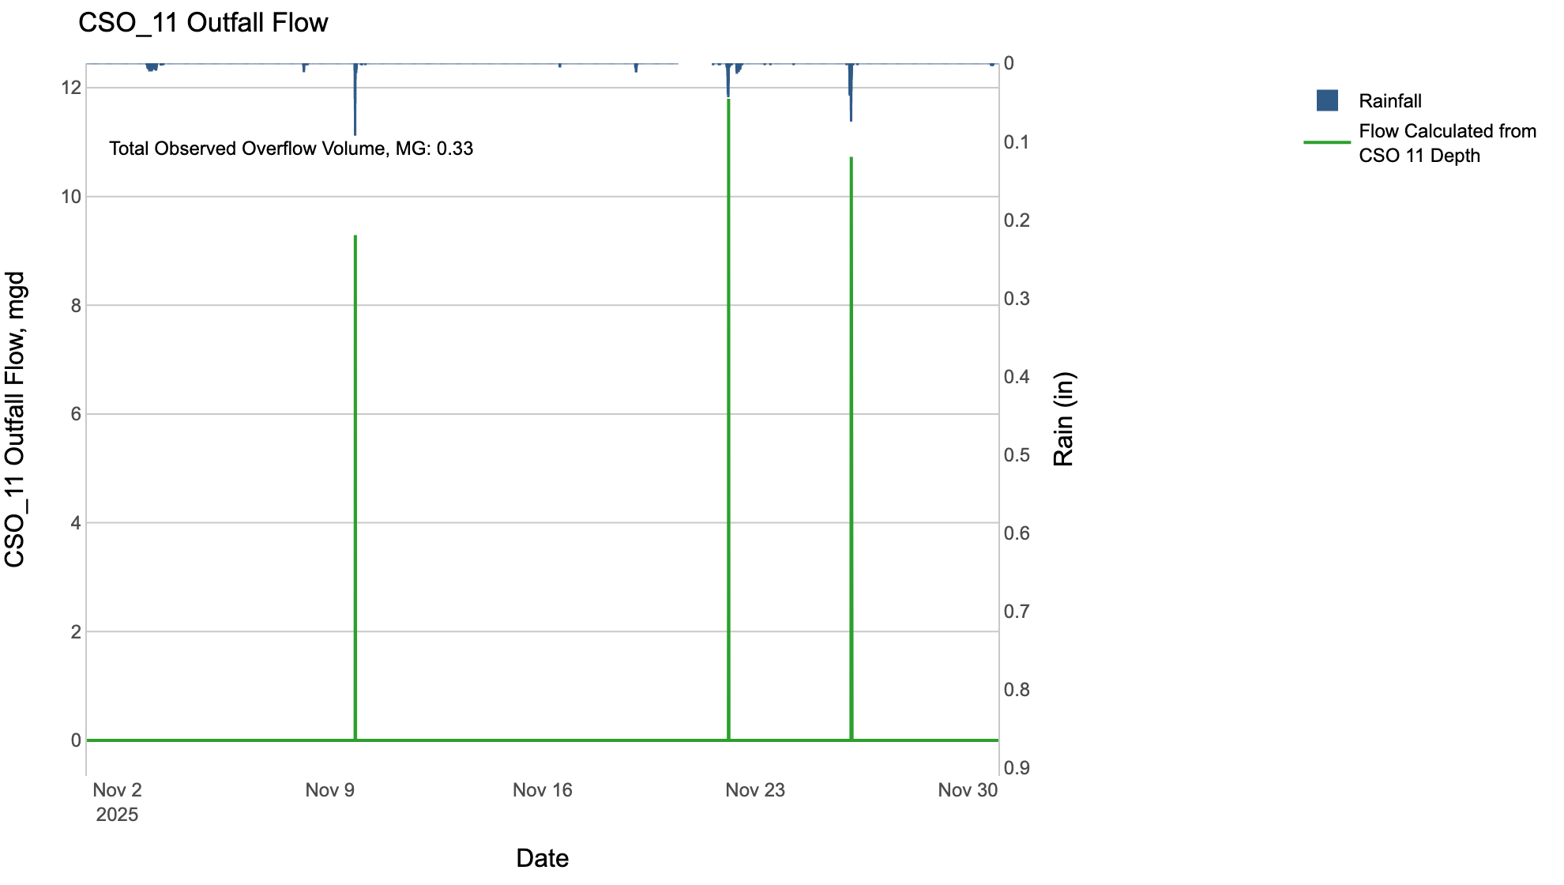

CSO_12-Events
CSO_12 Nov2025 Overflow Events

No Overflow Events Recorded for CSO_12
CSO_12 Bad Data
error_type | time_first_found | time_last_found
gap | 2025-11-20 | 2025-11-21

Note: Activations are defined by CSO volumes > 0.01 MG and an interevent time of 72 hours

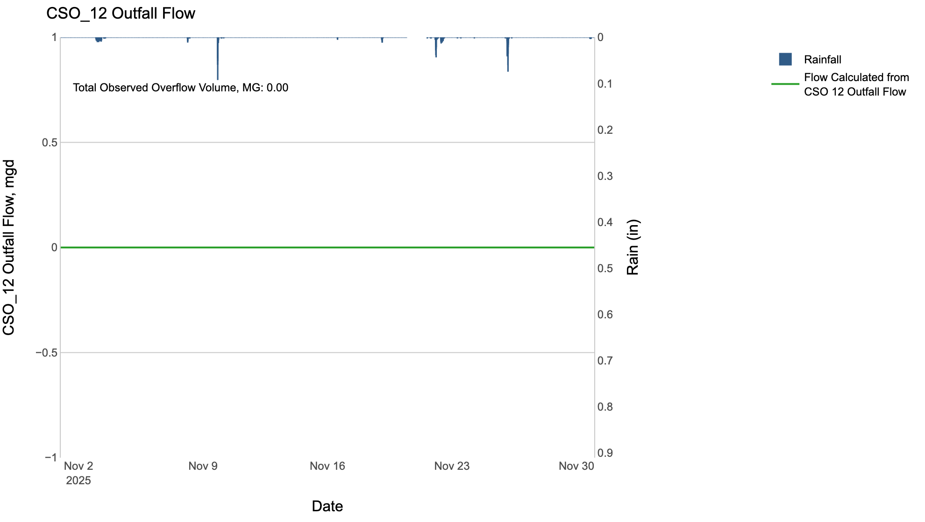

CSO_14-Events
CSO_14 Nov2025 Overflow Events

 | start | end | Rainfall, in | Observed Overflow Volume, mg | overflow_duration_hours
2025Nov09 | 2025-11-09 | 2025-11-09 | 0.44 | 0.06 | 0.25
2025Nov22 | 2025-11-22 | 2025-11-22 | 0.52 | 0.04 | 0.42
2025Nov26 | 2025-11-26 | 2025-11-26 | 0.7 | 0.06 | 0.67

Note: Activations are defined by CSO volumes > 0.01 MG and an interevent time of 72 hours

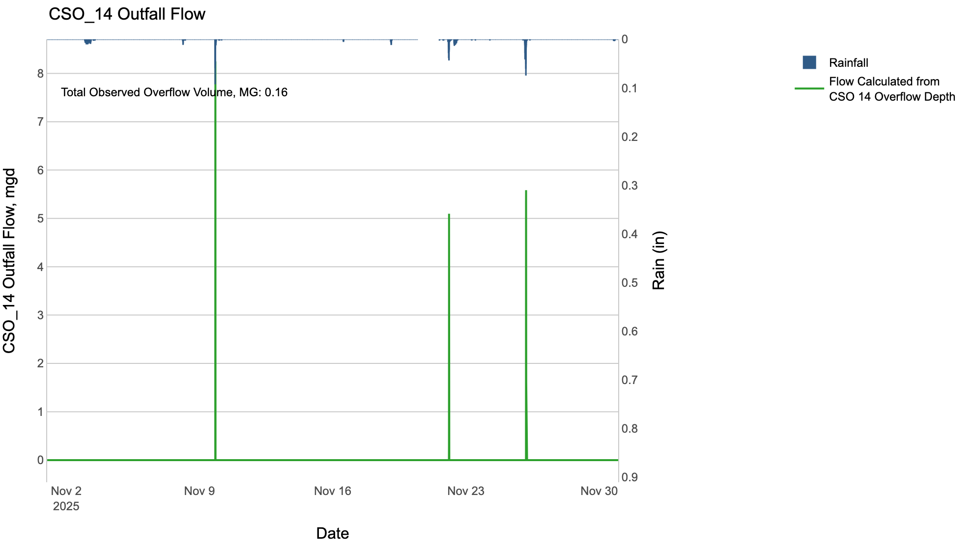

CSO_15-Events
CSO_15 Nov2025 Overflow Events

 | start | end | Rainfall, in | Observed Overflow Volume, mg | overflow_duration_hours
2025Nov09 | 2025-11-09 | 2025-11-09 | 0.45 | 0.01 | 0.5
2025Nov22 | 2025-11-22 | 2025-11-22 | 0.52 | 0.05 | 0.75
2025Nov26 | 2025-11-26 | 2025-11-26 | 0.7 | 0.07 | 1.2

Note: Activations are defined by CSO volumes > 0.01 MG and an interevent time of 72 hours

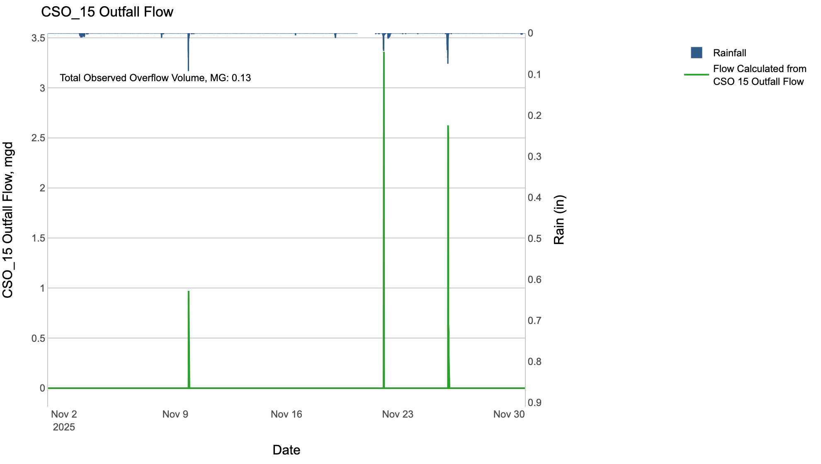

CSO_20-Events
CSO_20 Nov2025 Overflow Events

No Overflow Events Recorded for CSO_20

Note: Activations are defined by CSO volumes > 0.01 MG and an interevent time of 72 hours

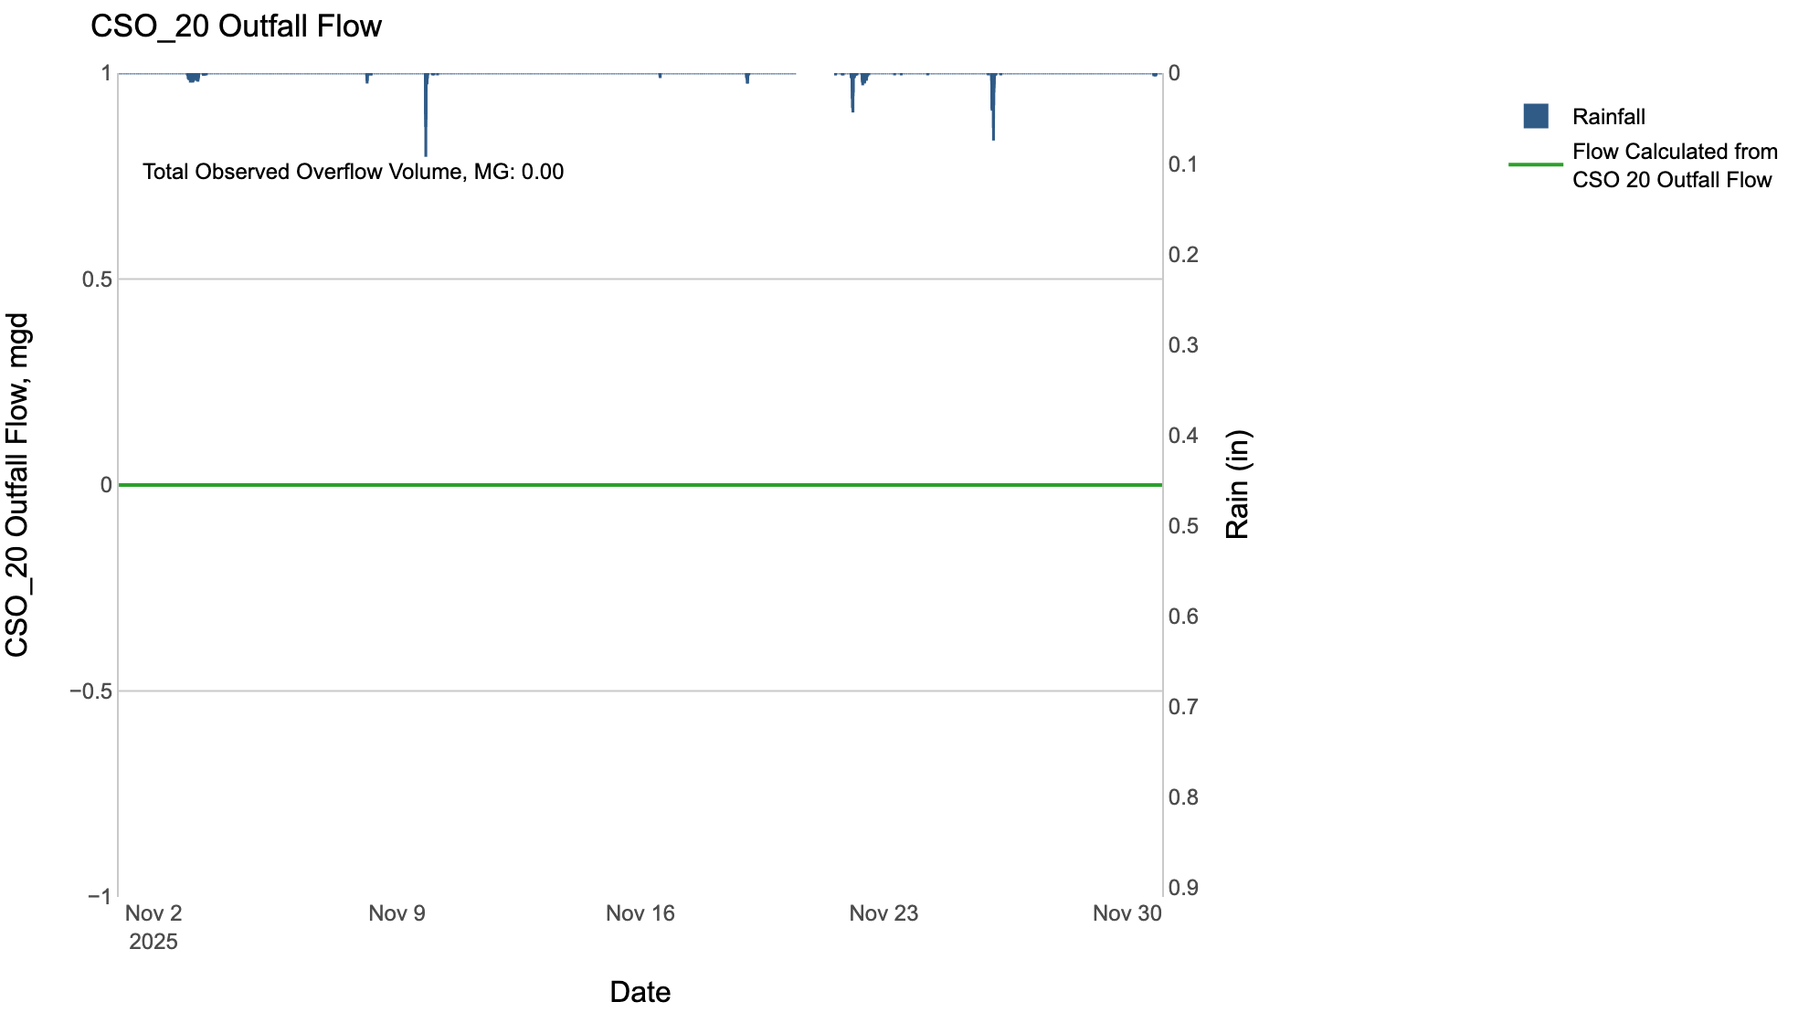

CSO_24-Events
CSO_24 Nov2025 Overflow Events

 | start | end | Rainfall, in | Observed Overflow Volume, mg | overflow_duration_hours
2025Nov09 | 2025-11-09 | 2025-11-09 | 0.5 | 1.6 | 1.3
2025Nov22 | 2025-11-22 | 2025-11-22 | 0.53 | 2.3 | 1.7
2025Nov26 | 2025-11-26 | 2025-11-26 | 0.7 | 2.1 | 1.7

Note: Activations are defined by CSO volumes > 0.01 MG and an interevent time of 72 hours

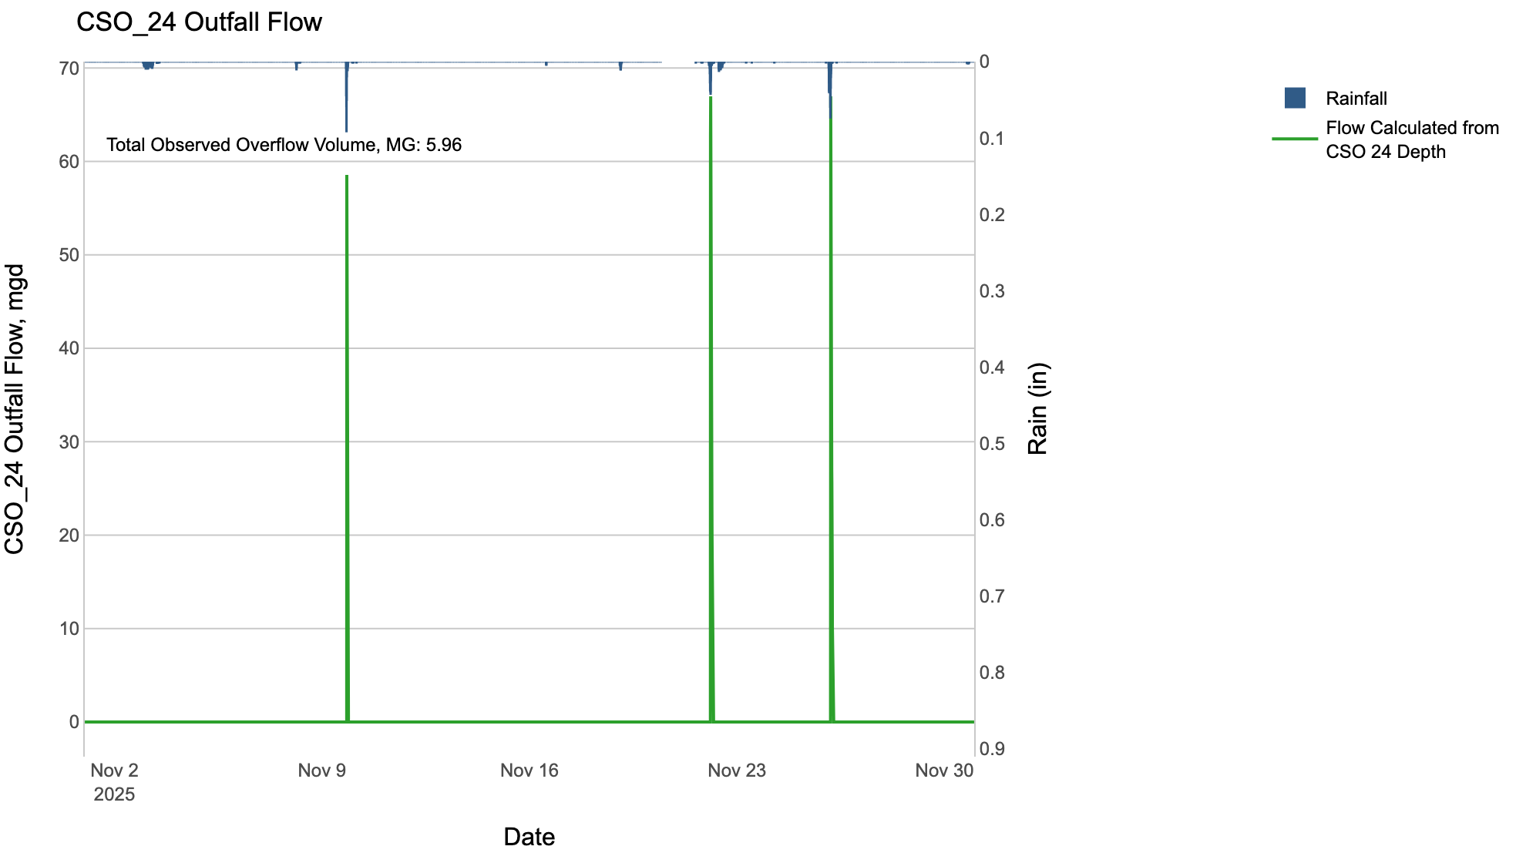

CSO_26-Events
CSO_26 Nov2025 Overflow Events

 | start | end | Rainfall, in | Observed Overflow Volume, mg | overflow_duration_hours
2025Nov09 | 2025-11-09 | 2025-11-09 | 0.44 | 0.09 | 0.17
2025Nov22 | 2025-11-22 | 2025-11-22 | 0.52 | 0.36 | 0.58
2025Nov26 | 2025-11-26 | 2025-11-26 | 0.7 | 0.26 | 0.42

Note: Activations are defined by CSO volumes > 0.01 MG and an interevent time of 72 hours

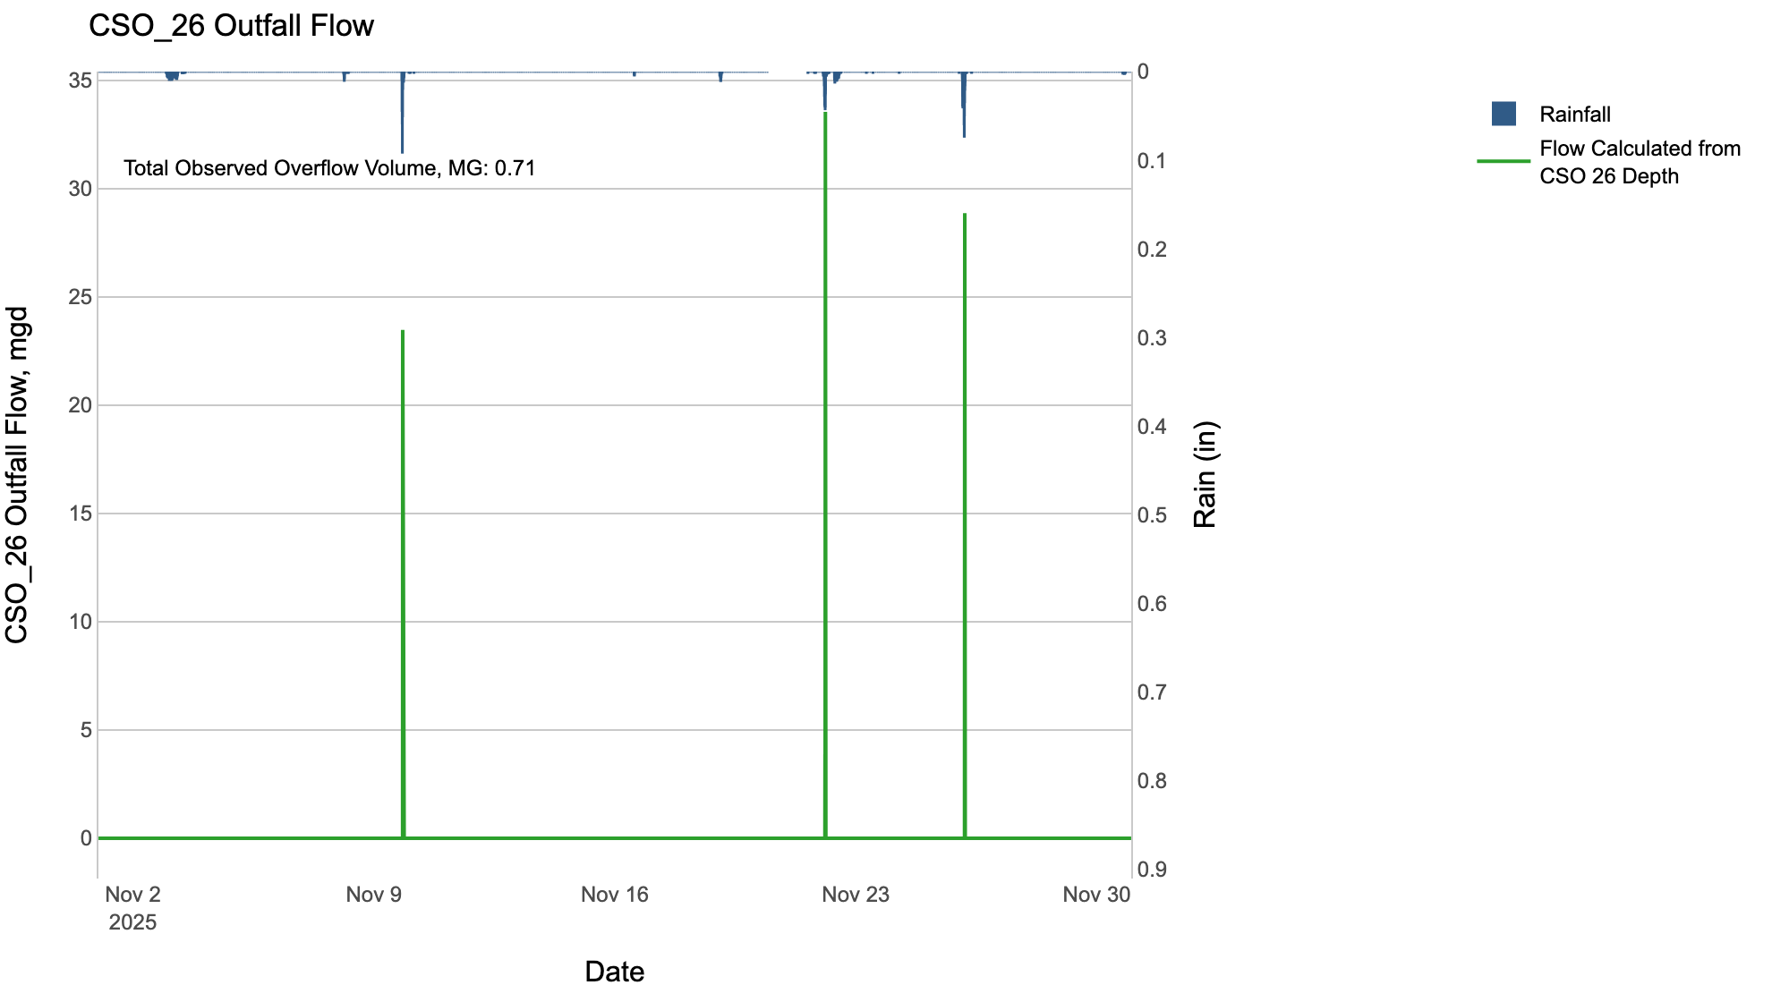

CSO_31-Events
CSO_31 Nov2025 Overflow Events

 | start | end | Rainfall, in | Observed Overflow Volume, mg | overflow_duration_hours
2025Nov09 | 2025-11-09 | 2025-11-09 | 0.44 | 0.18 | 0.17
2025Nov26 | 2025-11-26 | 2025-11-26 | 0.68 | 0.46 | 0.25

Note: Activations are defined by CSO volumes > 0.01 MG and an interevent time of 72 hours

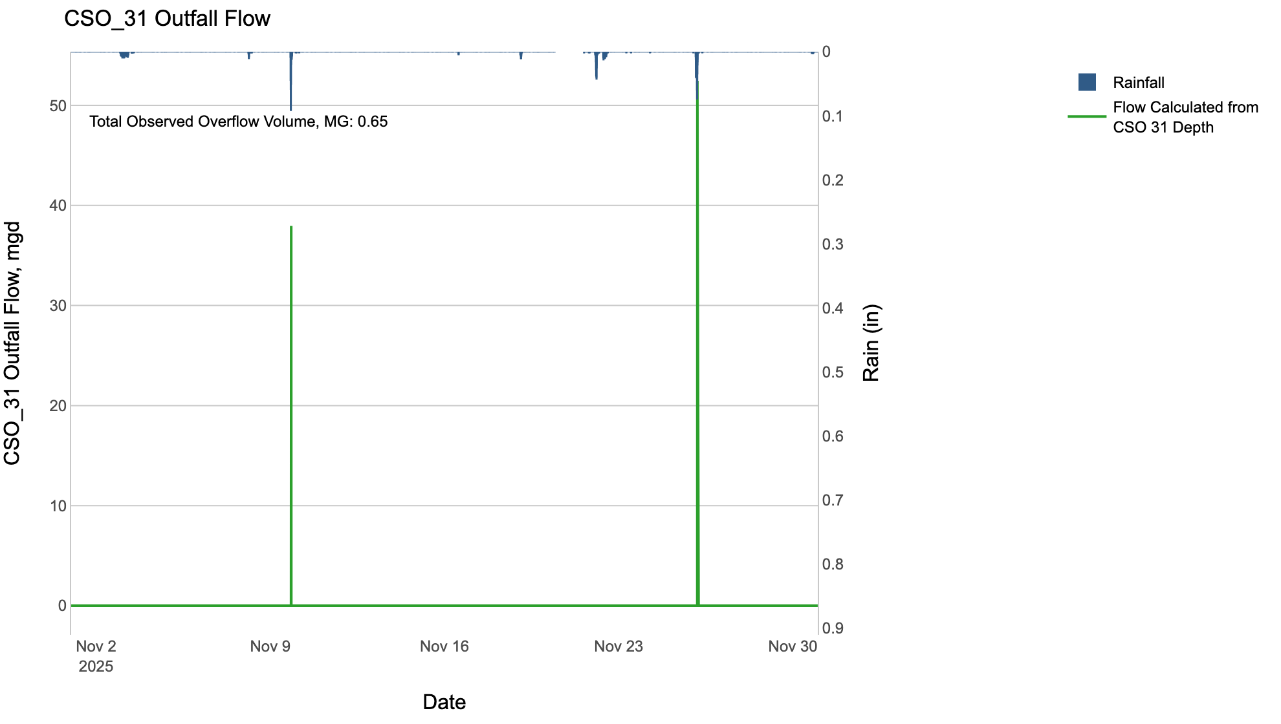

CSO_34-Events
CSO_34 Nov2025 Overflow Events

 | start | end | Rainfall, in | Observed Overflow Volume, mg | overflow_duration_hours
2025Nov09 | 2025-11-09 | 2025-11-09 | 0.44 | 0.13 | 0.33
2025Nov22 | 2025-11-22 | 2025-11-22 | 0.52 | 0.11 | 0.33
2025Nov26 | 2025-11-26 | 2025-11-26 | 0.7 | 0.39 | 0.92

Note: Activations are defined by CSO volumes > 0.01 MG and an interevent time of 72 hours

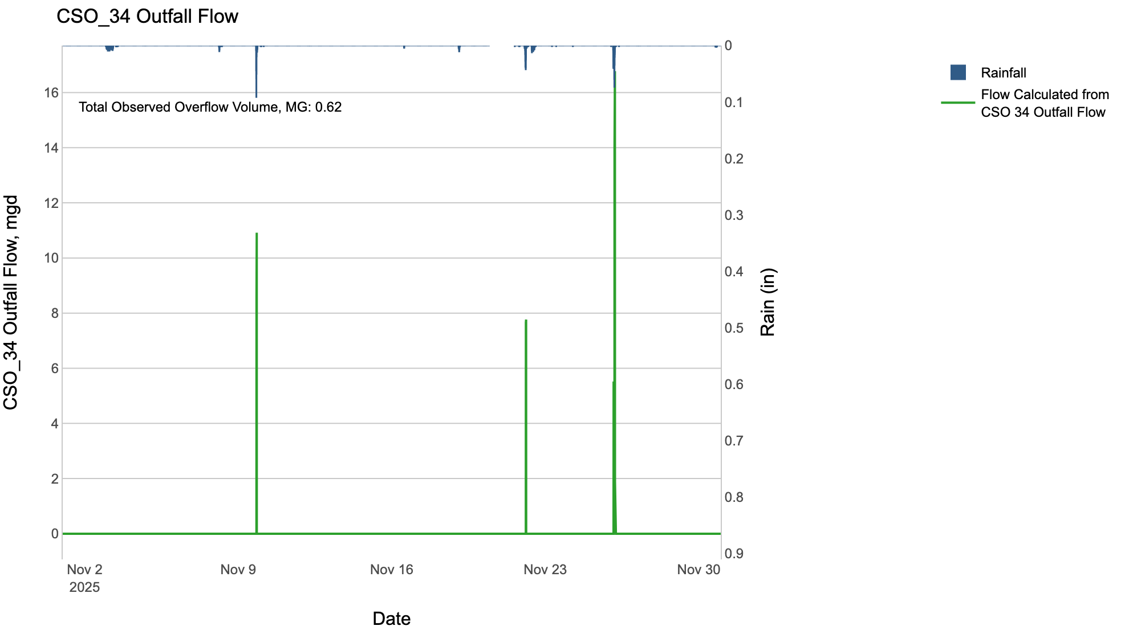

CSO_35-Events
CSO_35 Nov2025 Overflow Events

 | start | end | Rainfall, in | Observed Overflow Volume, mg | overflow_duration_hours
2025Nov22 | 2025-11-22 | 2025-11-22 | 0.7 | 0.03 | 2.8

Note: Activations are defined by CSO volumes > 0.01 MG and an interevent time of 72 hours

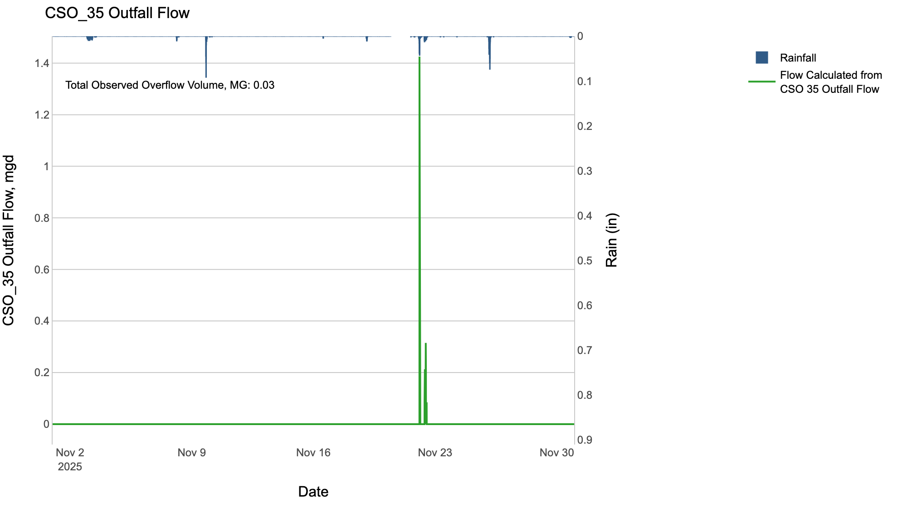

CSO_39-Events
CSO_39 Nov2025 Overflow Events

 | start | end | Rainfall, in | Observed Overflow Volume, mg | overflow_duration_hours
2025Nov09 | 2025-11-09 | 2025-11-09 | 0.44 | 0.05 | 0.17
2025Nov22 | 2025-11-22 | 2025-11-22 | 0.52 | 0.02 | 0.33
2025Nov26 | 2025-11-26 | 2025-11-26 | 0.69 | 0.17 | 0.42

Note: Activations are defined by CSO volumes > 0.01 MG and an interevent time of 72 hours

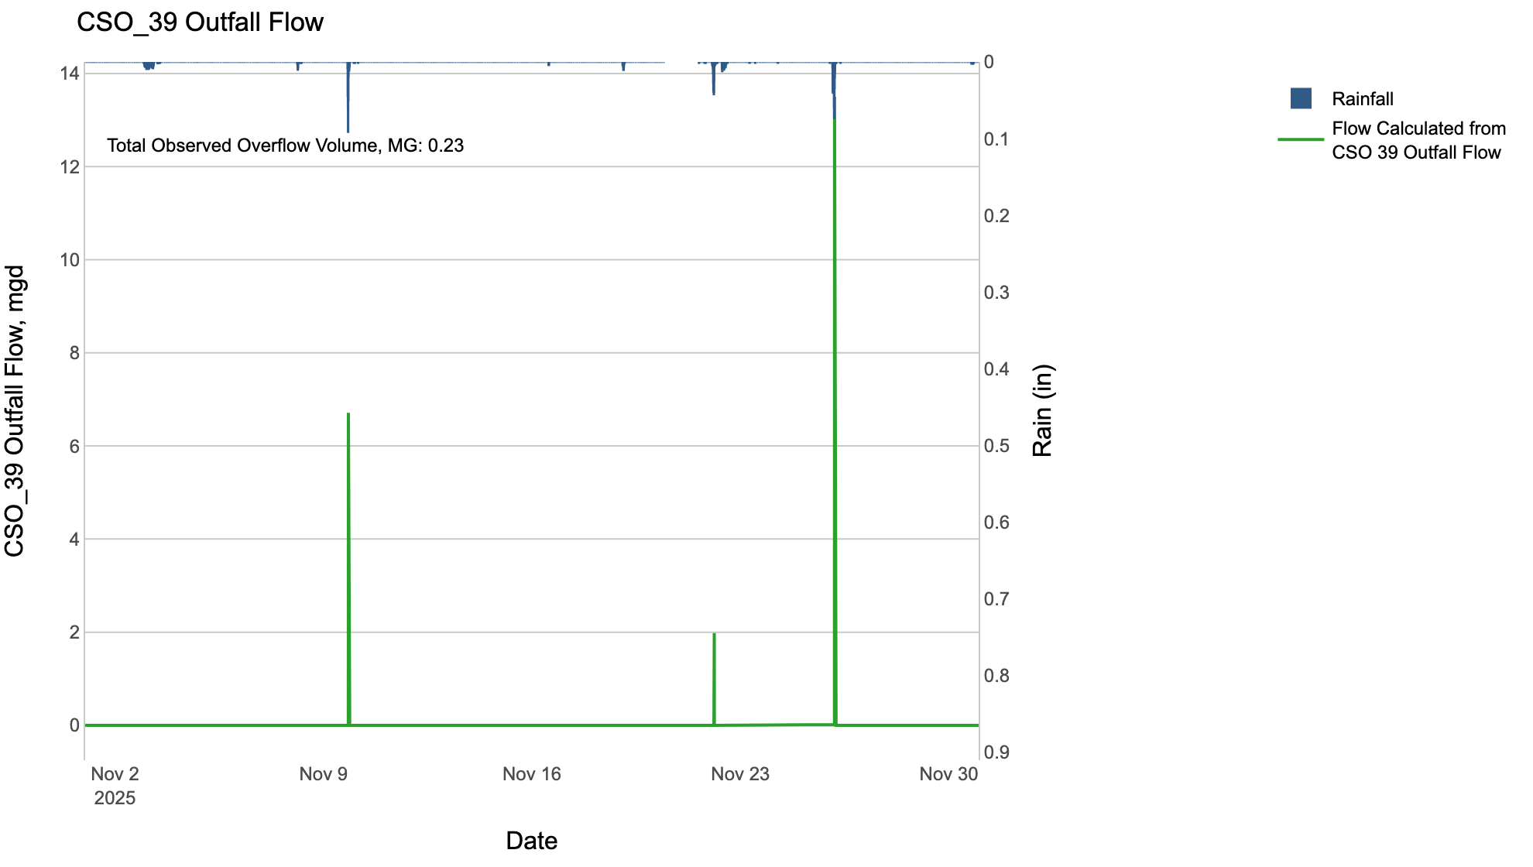

CSO_40-Events
CSO_40 Nov2025 Overflow Events

 | start | end | Rainfall, in | Observed Overflow Volume, mg | overflow_duration_hours
2025Nov09 | 2025-11-09 | 2025-11-09 | 0.5 | 0.02 | 1.2
2025Nov22 | 2025-11-22 | 2025-11-22 | 0.53 | 0.43 | 1.5
2025Nov26 | 2025-11-26 | 2025-11-26 | 0.7 | 0.22 | 1.8

Note: Activations are defined by CSO volumes > 0.01 MG and an interevent time of 72 hours

