CSO Summary
Sep2025 CSO Report
 | Observed
CSO_04 | 2.2
CSO_05 | 5.2
CSO_07 | 0.12
CSO_09 | 0
CSO_10 | 0
CSO_11 | 1.6
CSO_12 | 0.14
CSO_14 | 3
CSO_15 | 1.3
CSO_16 | 0
CSO_17 | 0
CSO_18 | 0
CSO_19 | 0
CSO_20 | 0
CSO_21 | 7.5
CSO_24 | 20
CSO_25 | 0
CSO_26 | 0.96
CSO_31 | 0.7
CSO_33 | 0
CSO_34 | 0.78
CSO_35 | 0.45
CSO_39 | 0
CSO_40 | 1.6
Sep2025 CSO Report
 | Observed
CSO_06 | 116
Sep2025 Overflow Summary
161.0 MG Overflow Observed
 | Sensor Type | % of Report with Good Data | Number of Observed Activations | Observed Overflow Volume, MG
CSO_04 | Flow | 100 | 3 | 2.2
CSO_05 | Flow | 100 | 3 | 5.2
CSO_06 | Flow | 100 | 3 | 116
CSO_07 | Flow | 100 | 1 | 0.12
CSO_09 | Level | 100 | 0 | 0
CSO_10 | Level | 100 | 0 | 0
CSO_11 | Level | 100 | 4 | 1.6
CSO_12 | Flow | 100 | 1 | 0.14
CSO_14 | Level | 100 | 3 | 3
CSO_15 | Flow | 100 | 3 | 1.3
CSO_16 | Level | 100 | 0 | 0
CSO_17 | Level | 100 | 0 | 0
CSO_18 | Level | 100 | 0 | 0
CSO_19 | Level | 95 | 0 | 0
CSO_20 | Flow | 100 | 0 | 0
CSO_21 | Flow | 100 | 3 | 7.5
CSO_24 | Level | 100 | 4 | 20
CSO_25 | Level | 100 | 0 | 0
CSO_26 | Level | 100 | 2 | 0.96
CSO_31 | Level | 100 | 2 | 0.7
CSO_33 | Level | 100 | 0 | 0
CSO_34 | Flow | 100 | 4 | 0.78
CSO_35 | Flow | 100 | 4 | 0.45
CSO_39 | Flow | 100 | 0 | 0
CSO_40 | Flow | 100 | 1 | 1.6
System | N/A | N/A | 3 | 161

CSO_04-Events
CSO_04 Sep2025 Overflow Events

 | start | end | Rainfall, in | Observed Overflow Volume, mg | overflow_duration_hours
2025Sep16 | 2025-09-16 | 2025-09-17 | 1.82 | 0.11 | 3.9
2025Sep20 | 2025-09-20 | 2025-09-20 | 1.08 | 0.11 | 0.83
2025Sep26 | 2025-09-26 | 2025-09-30 | 1.65 | 2 | 84

Note: Activations are defined by CSO volumes > 0.01 MG and an interevent time of 72 hours
Note: Any observed negative flows could be backflow from James River

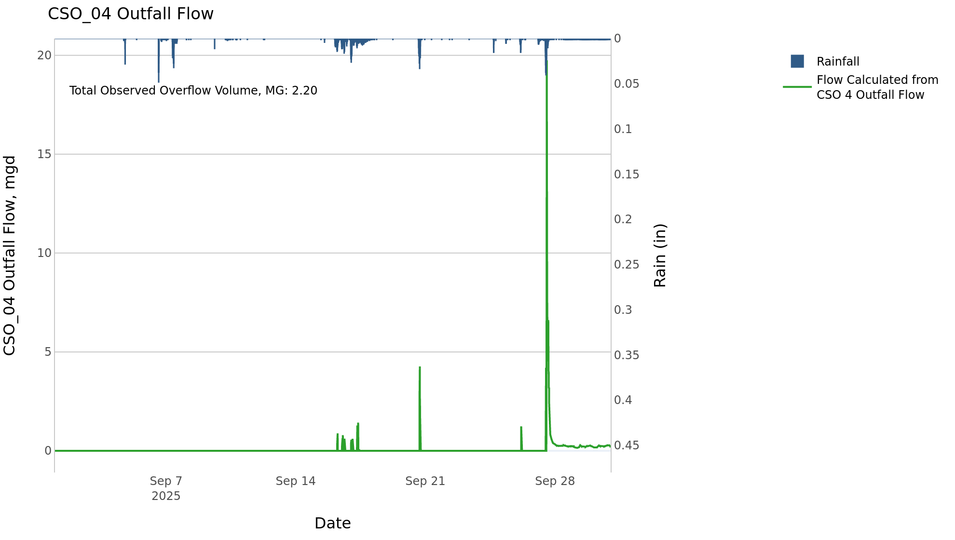

CSO_05-Events
CSO_05 Sep2025 Overflow Events

 | start | end | Rainfall, in | Observed Overflow Volume, mg | overflow_duration_hours
2025Sep17 | 2025-09-17 | 2025-09-17 | 1.64 | 0.69 | 3.7
2025Sep20 | 2025-09-20 | 2025-09-20 | 1.1 | 0.02 | 0.58
2025Sep27 | 2025-09-27 | 2025-09-27 | 1.65 | 4.5 | 9.4

Note: Activations are defined by CSO volumes > 0.01 MG and an interevent time of 72 hours
Note: Any observed negative flows could be backflow from James River

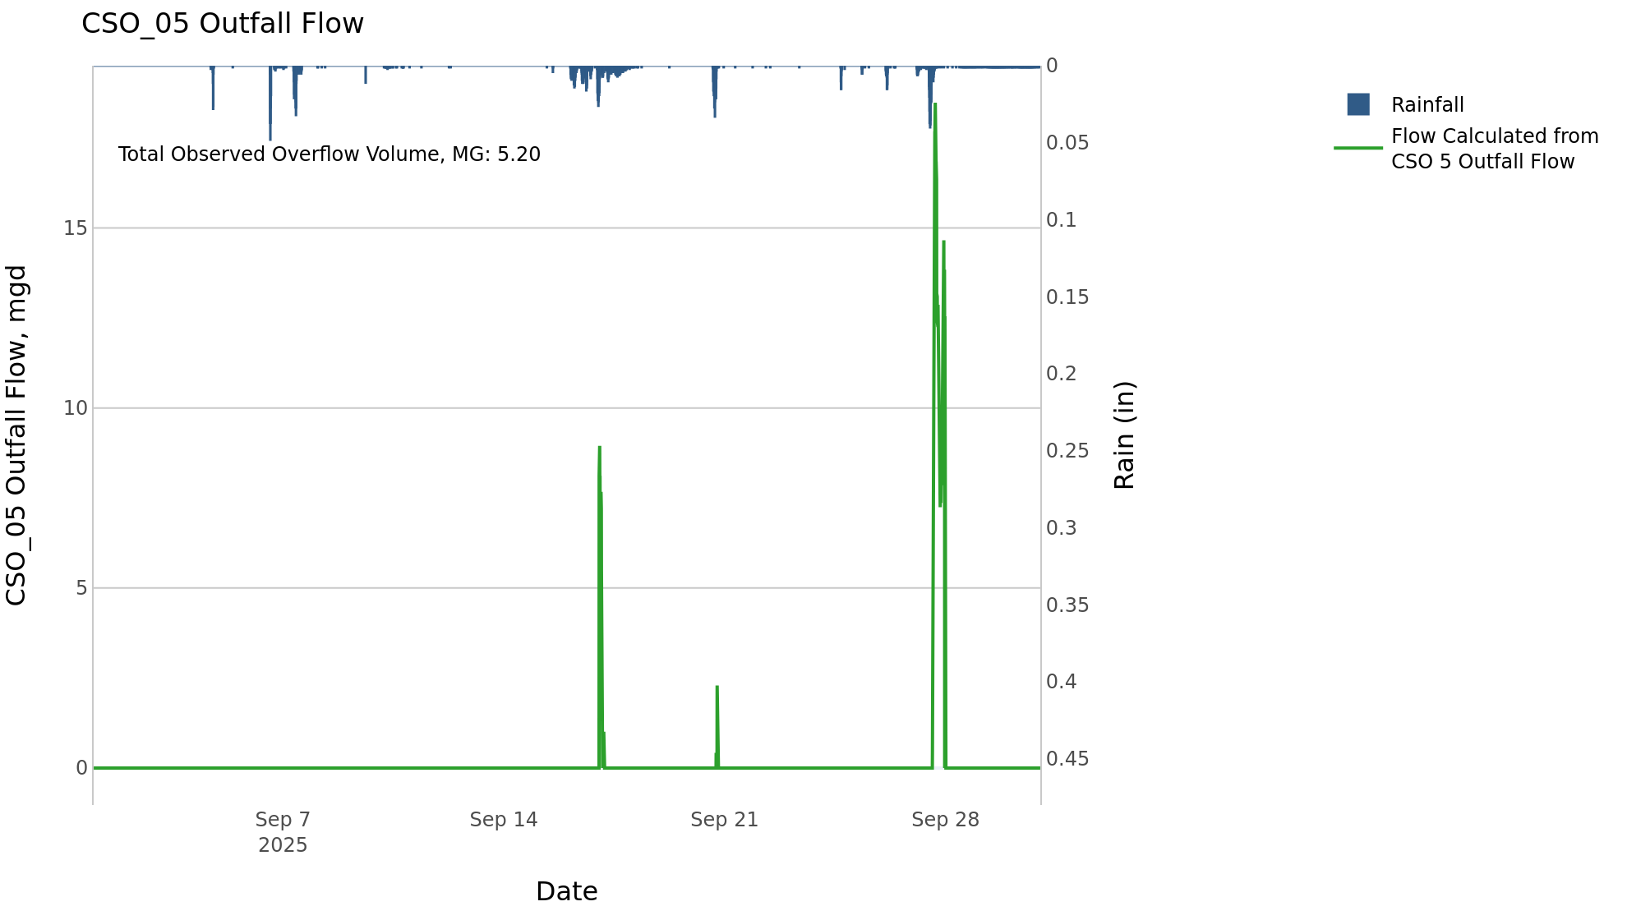

CSO_06-Events
CSO_06 Sep2025 Overflow Events

 | start | end | Rainfall, in | Observed Overflow Volume, mg | overflow_duration_hours
2025Sep06 | 2025-09-06 | 2025-09-09 | 1.26 | 6.7 | 4.6
2025Sep16 | 2025-09-16 | 2025-09-20 | 2.98 | 53 | 16
2025Sep27 | 2025-09-27 | 2025-09-29 | 1.65 | 57 | 29

Note: Activations are defined by CSO volumes > 0.01 MG and an interevent time of 72 hours
Note: Any observed negative flows could be due to high James River levels and flow eddies within structure

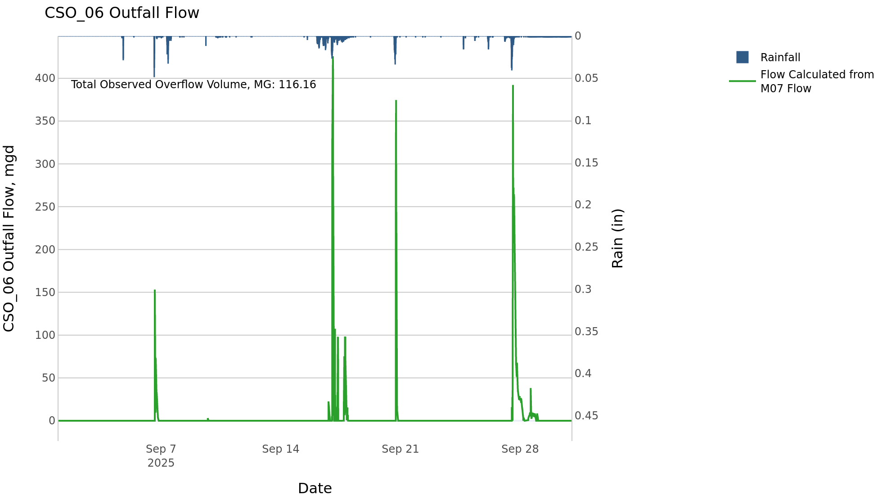

CSO_07-Events
CSO_07 Sep2025 Overflow Events

 | start | end | Rainfall, in | Observed Overflow Volume, mg | overflow_duration_hours
2025Sep20 | 2025-09-20 | 2025-09-20 | 1.05 | 0.12 | 0.75

Note: Activations are defined by CSO volumes > 0.01 MG and an interevent time of 72 hours

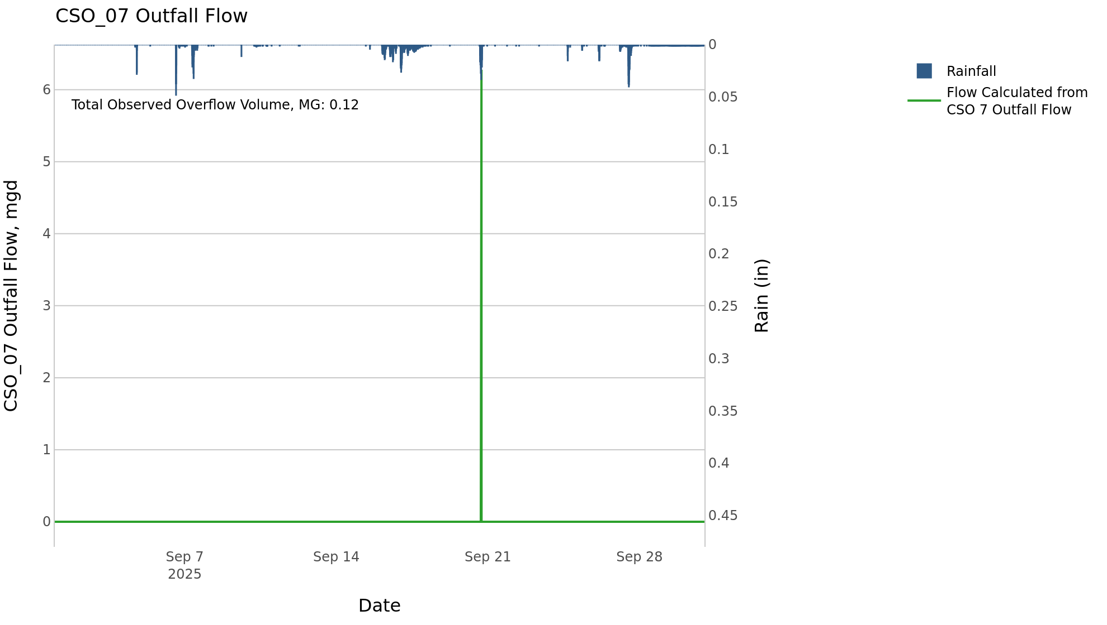

CSO_09-Events
CSO_09 Sep2025 Overflow Events

No Overflow Events Recorded for CSO_09

Note: Activations are defined by CSO volumes > 0.01 MG and an interevent time of 72 hours

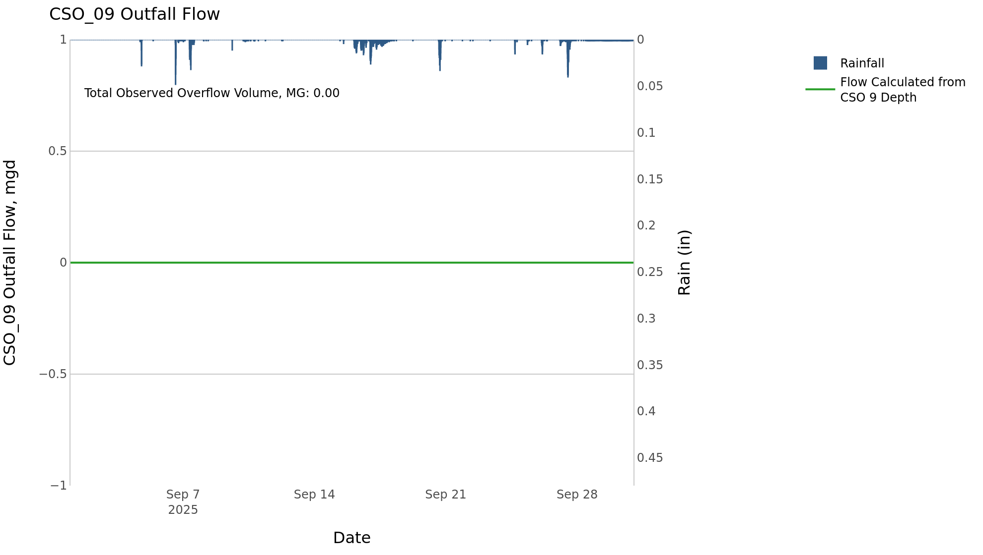

CSO_11-Events
CSO_11 Sep2025 Overflow Events

 | start | end | Rainfall, in | Observed Overflow Volume, mg | overflow_duration_hours
2025Sep06 | 2025-09-06 | 2025-09-07 | 1.12 | 0.08 | 0.67
2025Sep17 | 2025-09-17 | 2025-09-17 | 1.5 | 0.02 | 0.33
2025Sep20 | 2025-09-20 | 2025-09-20 | 1.1 | 0.93 | 1.3
2025Sep27 | 2025-09-27 | 2025-09-27 | 1.49 | 0.52 | 1.6

Note: Activations are defined by CSO volumes > 0.01 MG and an interevent time of 72 hours

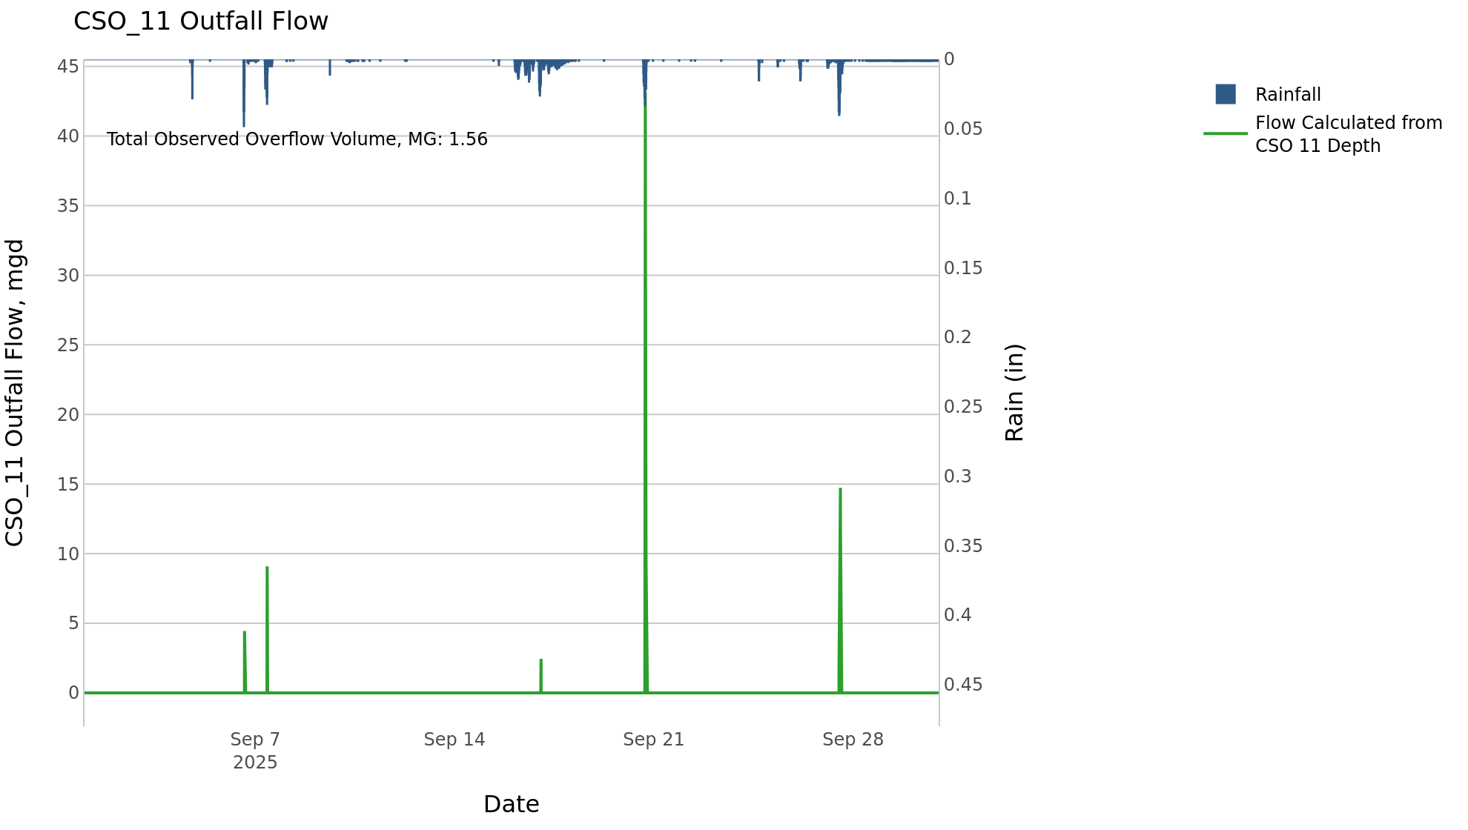

CSO_12-Events
CSO_12 Sep2025 Overflow Events

 | start | end | Rainfall, in | Observed Overflow Volume, mg | overflow_duration_hours
2025Sep20 | 2025-09-20 | 2025-09-20 | 0.75 | 0.14 | 0.42

Note: Activations are defined by CSO volumes > 0.01 MG and an interevent time of 72 hours

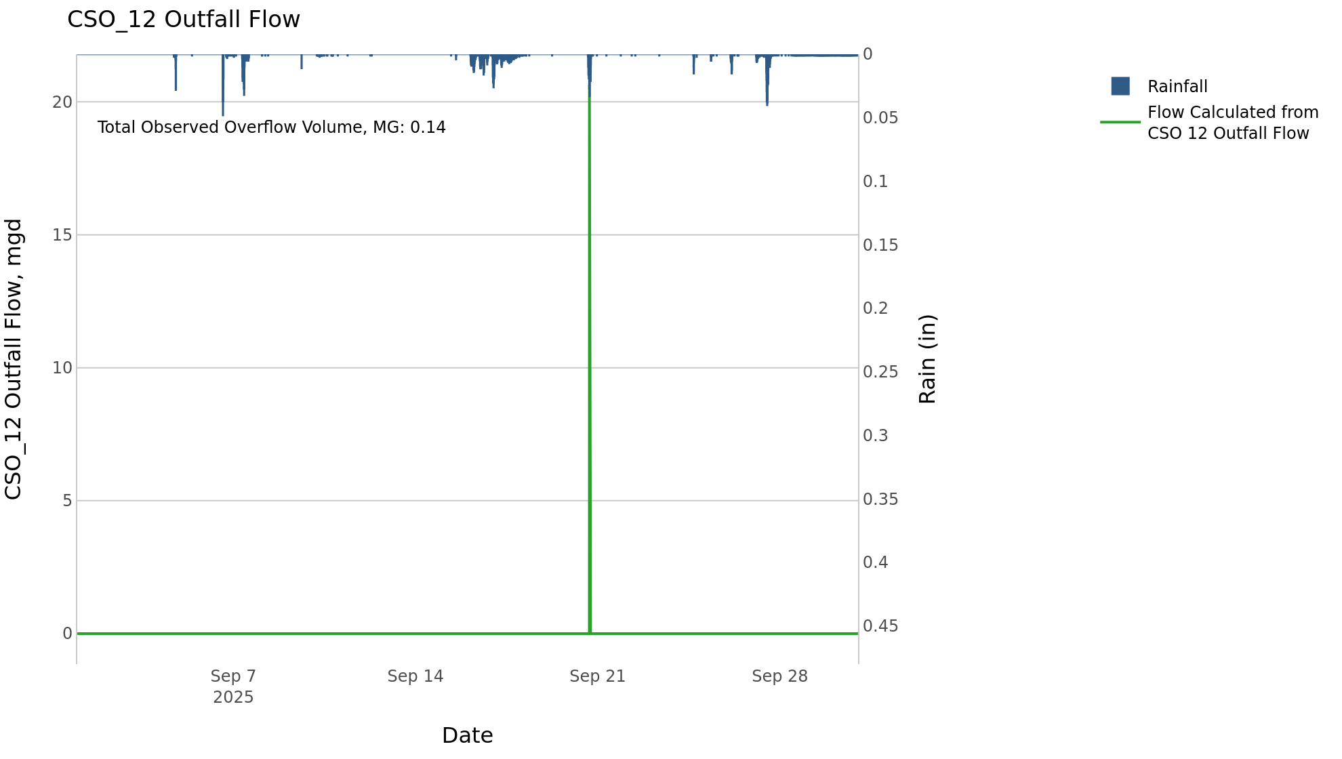

CSO_14-Events
CSO_14 Sep2025 Overflow Events

 | start | end | Rainfall, in | Observed Overflow Volume, mg | overflow_duration_hours
2025Sep17 | 2025-09-17 | 2025-09-17 | 1.53 | 0.14 | 1.5
2025Sep20 | 2025-09-20 | 2025-09-20 | 1.1 | 2.5 | 1.6
2025Sep27 | 2025-09-27 | 2025-09-27 | 1.65 | 0.38 | 3.2

Note: Activations are defined by CSO volumes > 0.01 MG and an interevent time of 72 hours

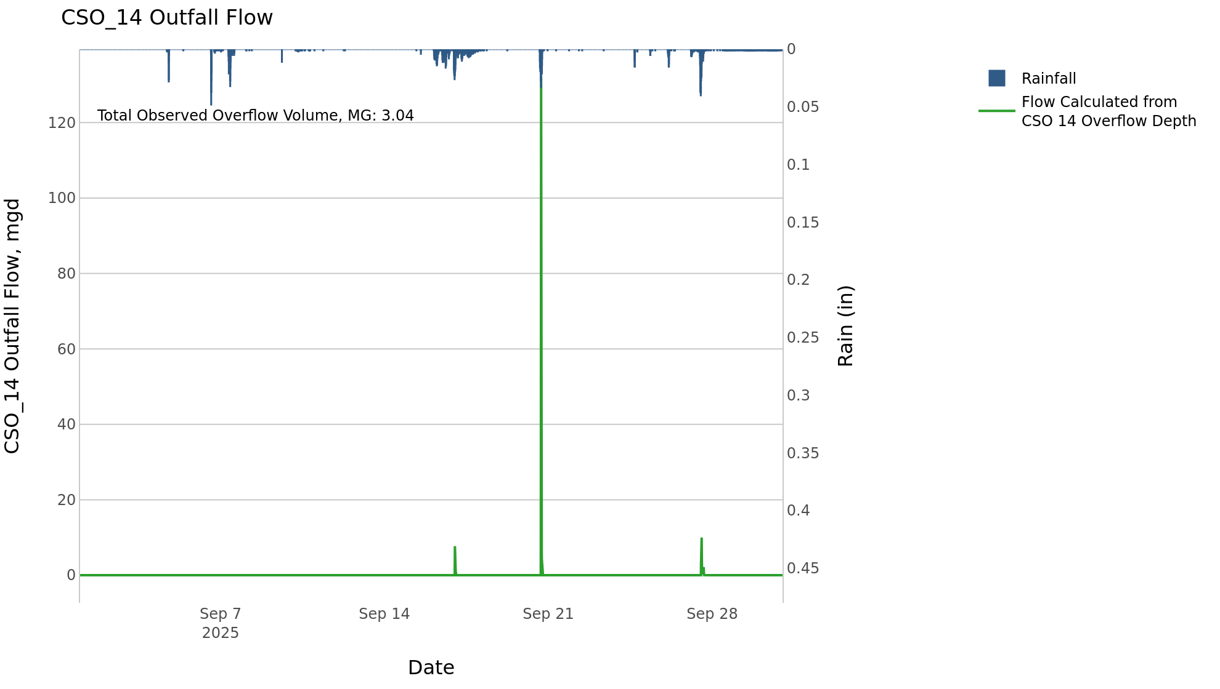

CSO_15-Events
CSO_15 Sep2025 Overflow Events

 | start | end | Rainfall, in | Observed Overflow Volume, mg | overflow_duration_hours
2025Sep17 | 2025-09-17 | 2025-09-17 | 1.54 | 0.02 | 1.8
2025Sep20 | 2025-09-20 | 2025-09-20 | 1.1 | 1.2 | 1.8
2025Sep27 | 2025-09-27 | 2025-09-27 | 1.39 | 0.06 | 1.2

Note: Activations are defined by CSO volumes > 0.01 MG and an interevent time of 72 hours

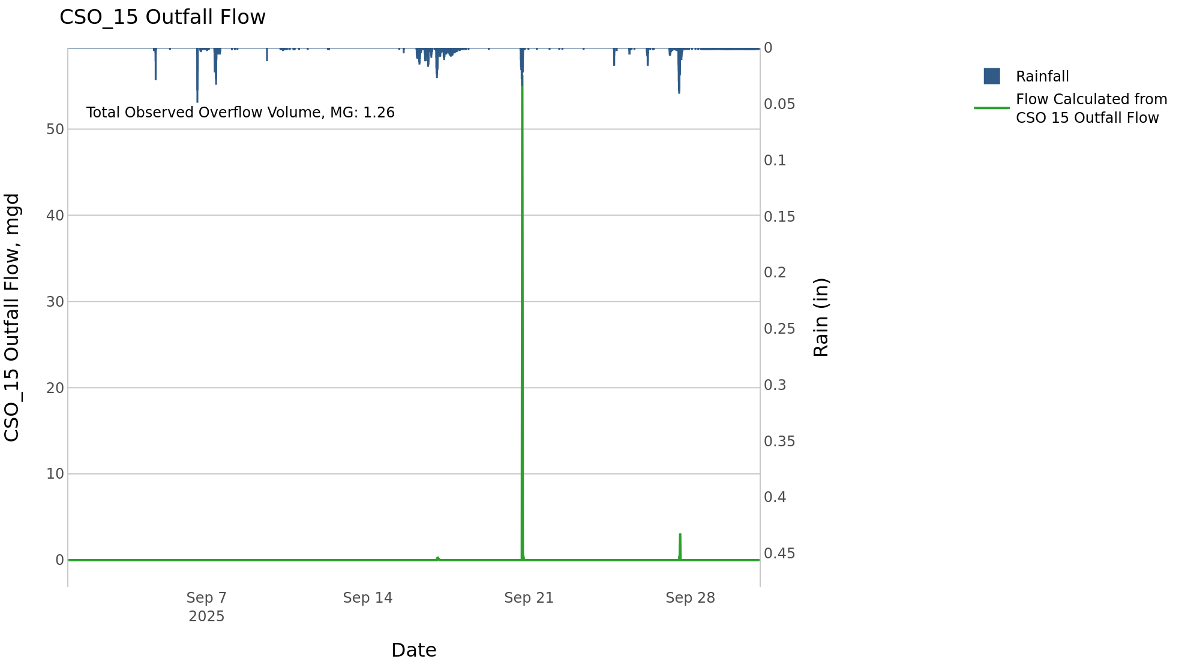

CSO_20-Events
CSO_20 Sep2025 Overflow Events

No Overflow Events Recorded for CSO_20

Note: Activations are defined by CSO volumes > 0.01 MG and an interevent time of 72 hours

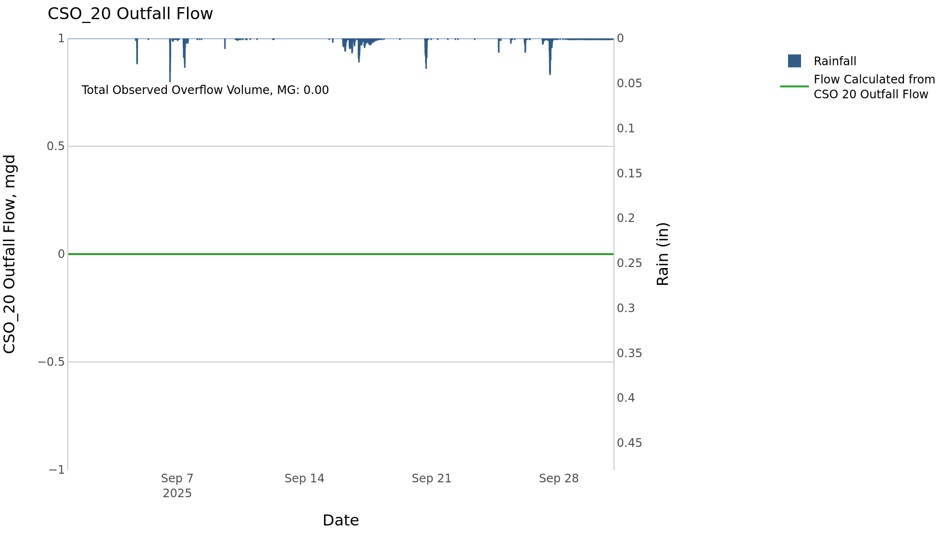

CSO_21-Events
CSO_21 Sep2025 Overflow Events

 | start | end | Rainfall, in | Observed Overflow Volume, mg | overflow_duration_hours
2025Sep16 | 2025-09-16 | 2025-09-17 | 1.64 | 2.5 | 4.6
2025Sep20 | 2025-09-20 | 2025-09-20 | 1.1 | 0.84 | 1.9
2025Sep27 | 2025-09-27 | 2025-09-27 | 1.65 | 4.2 | 11

Note: Activations are defined by CSO volumes > 0.01 MG and an interevent time of 72 hours
Note: Any observed negative flows could be backflow from James River

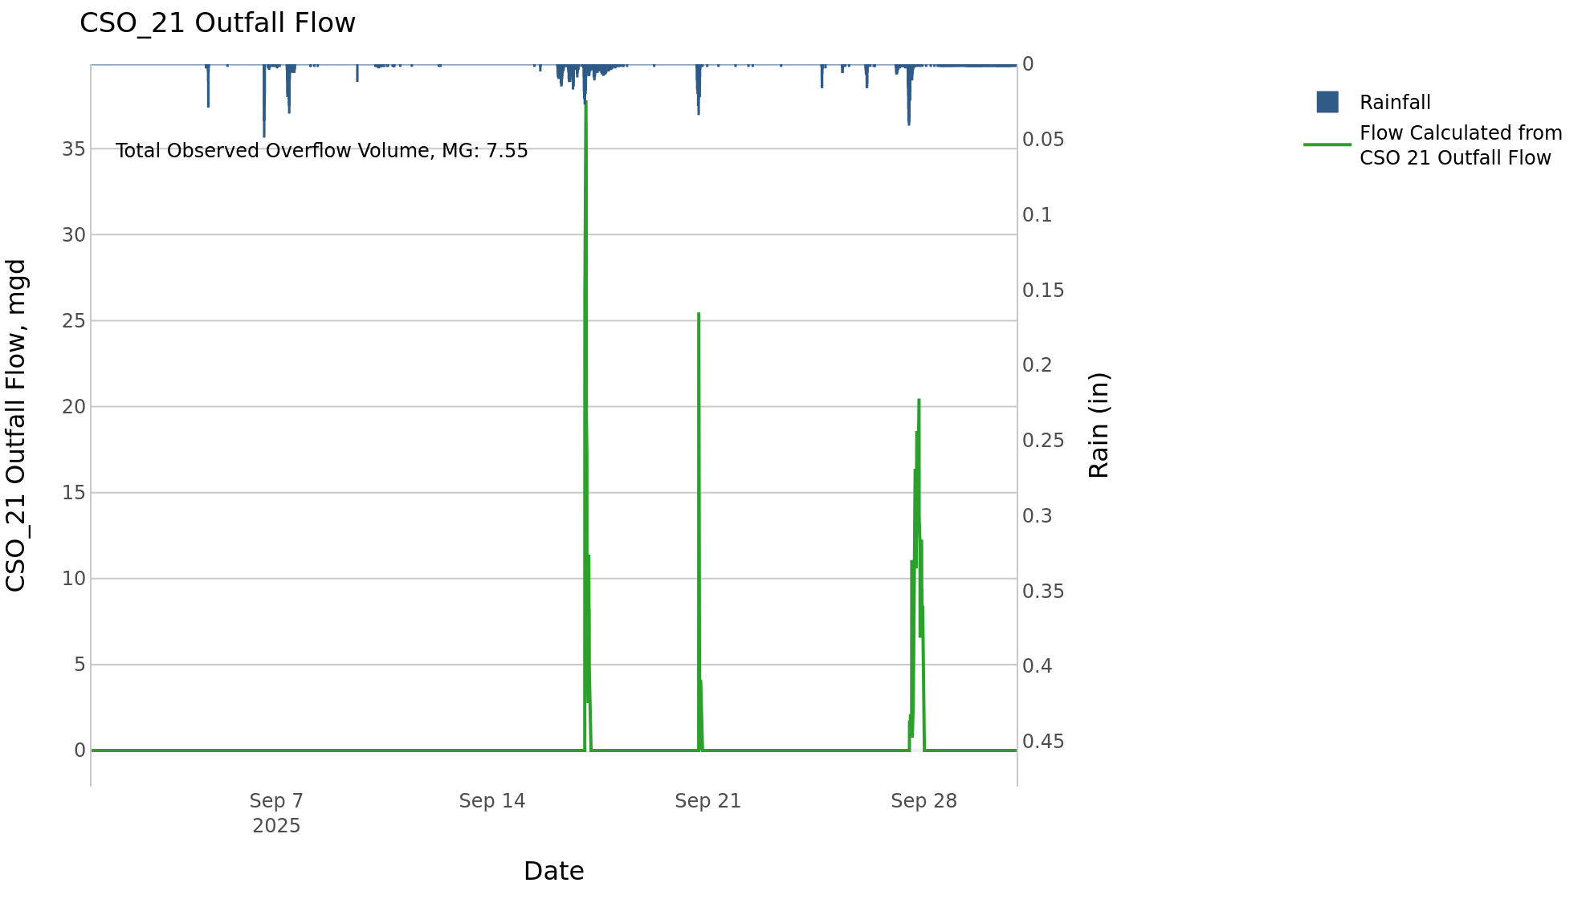

CSO_24-Events
CSO_24 Sep2025 Overflow Events

 | start | end | Rainfall, in | Observed Overflow Volume, mg | overflow_duration_hours
2025Sep04 | 2025-09-04 | 2025-09-07 | 1.13 | 0.98 | 1.2
2025Sep16 | 2025-09-16 | 2025-09-17 | 1.53 | 2.3 | 1.8
2025Sep20 | 2025-09-20 | 2025-09-20 | 1.08 | 3.4 | 1.2
2025Sep27 | 2025-09-27 | 2025-09-27 | 1.65 | 13 | 7.3

Note: Activations are defined by CSO volumes > 0.01 MG and an interevent time of 72 hours

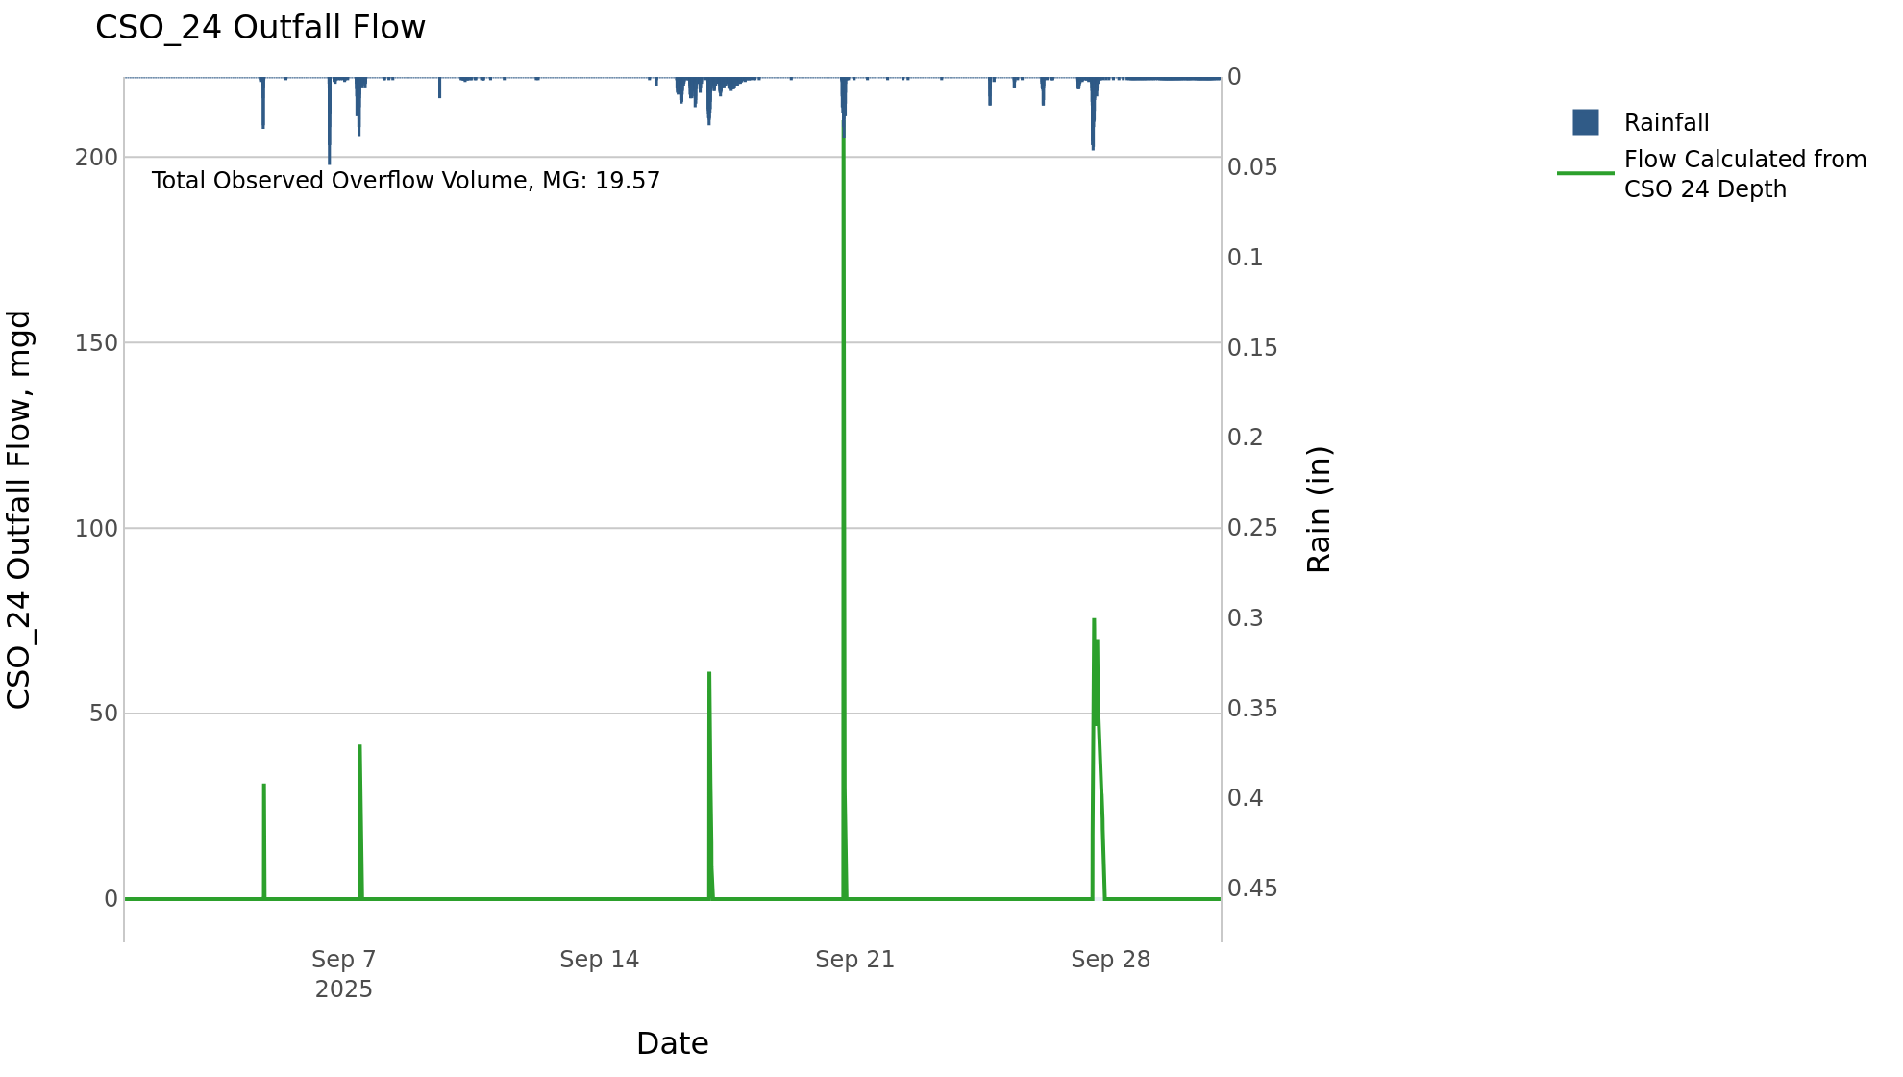

CSO_26-Events
CSO_26 Sep2025 Overflow Events

 | start | end | Rainfall, in | Observed Overflow Volume, mg | overflow_duration_hours
2025Sep20 | 2025-09-20 | 2025-09-20 | 0.95 | 0.49 | 0.5
2025Sep27 | 2025-09-27 | 2025-09-27 | 1.64 | 0.47 | 2.4

Note: Activations are defined by CSO volumes > 0.01 MG and an interevent time of 72 hours

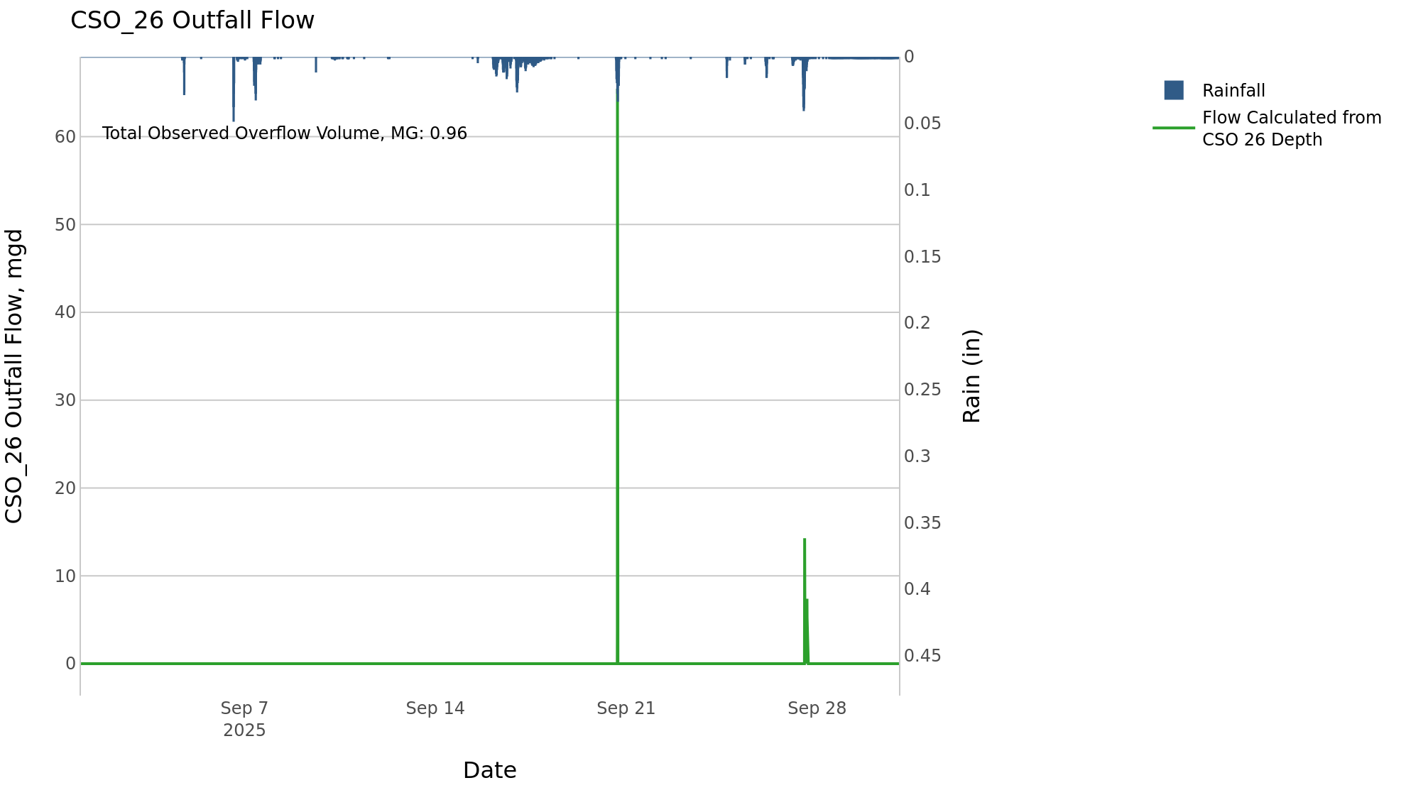

CSO_31-Events
CSO_31 Sep2025 Overflow Events

 | start | end | Rainfall, in | Observed Overflow Volume, mg | overflow_duration_hours
2025Sep17 | 2025-09-17 | 2025-09-17 | 1.38 | 0.46 | 0.33
2025Sep27 | 2025-09-27 | 2025-09-27 | 1.35 | 0.24 | 0.25

Note: Activations are defined by CSO volumes > 0.01 MG and an interevent time of 72 hours

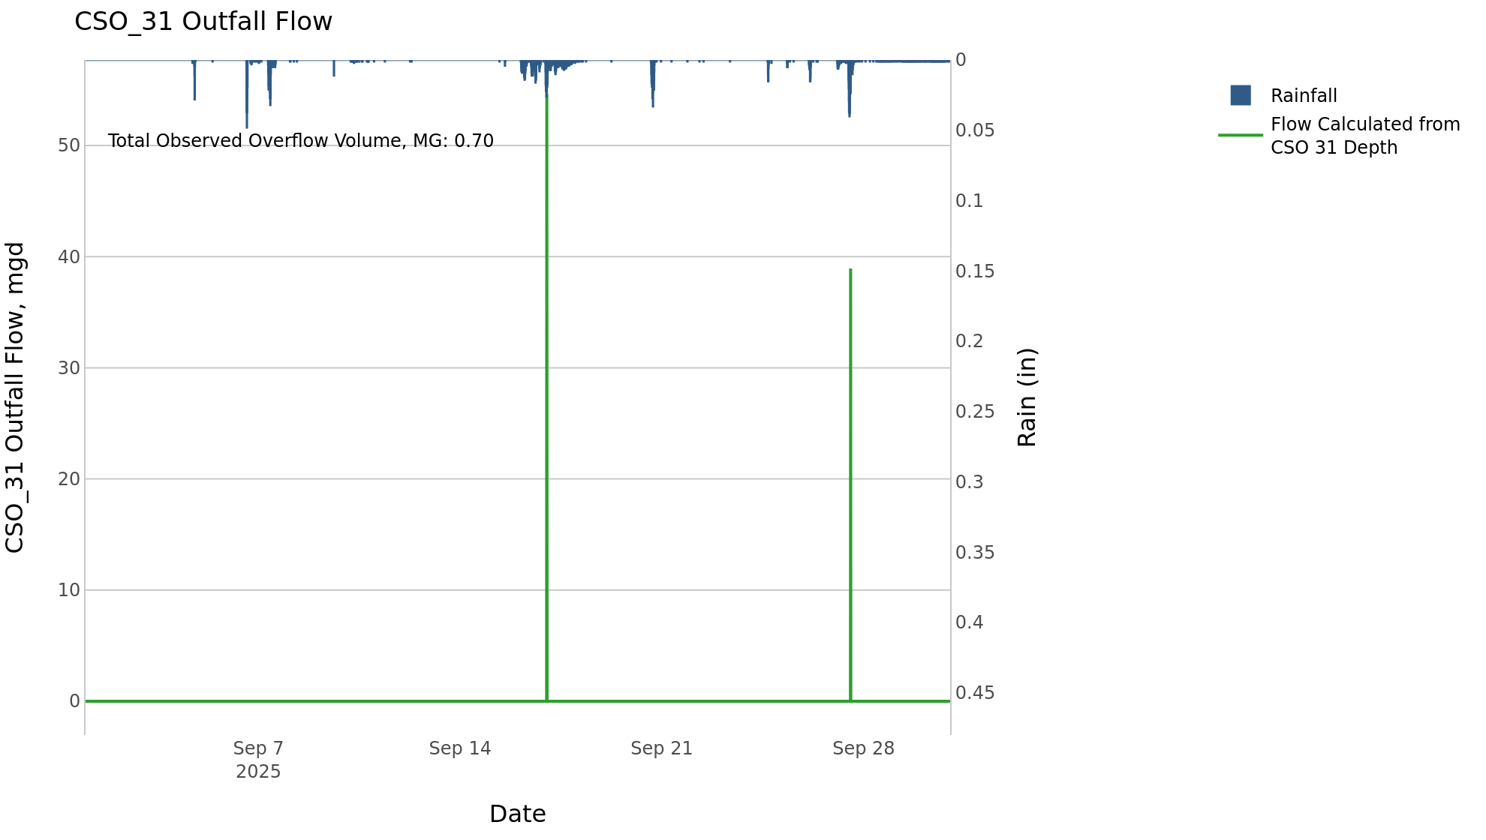

CSO_34-Events
CSO_34 Sep2025 Overflow Events

 | start | end | Rainfall, in | Observed Overflow Volume, mg | overflow_duration_hours
2025Sep07 | 2025-09-07 | 2025-09-07 | 1.11 | 0.04 | 0.25
2025Sep17 | 2025-09-17 | 2025-09-17 | 1.5 | 0.18 | 0.92
2025Sep20 | 2025-09-20 | 2025-09-20 | 1.07 | 0.18 | 0.67
2025Sep27 | 2025-09-27 | 2025-09-27 | 1.63 | 0.38 | 2.1

Note: Activations are defined by CSO volumes > 0.01 MG and an interevent time of 72 hours

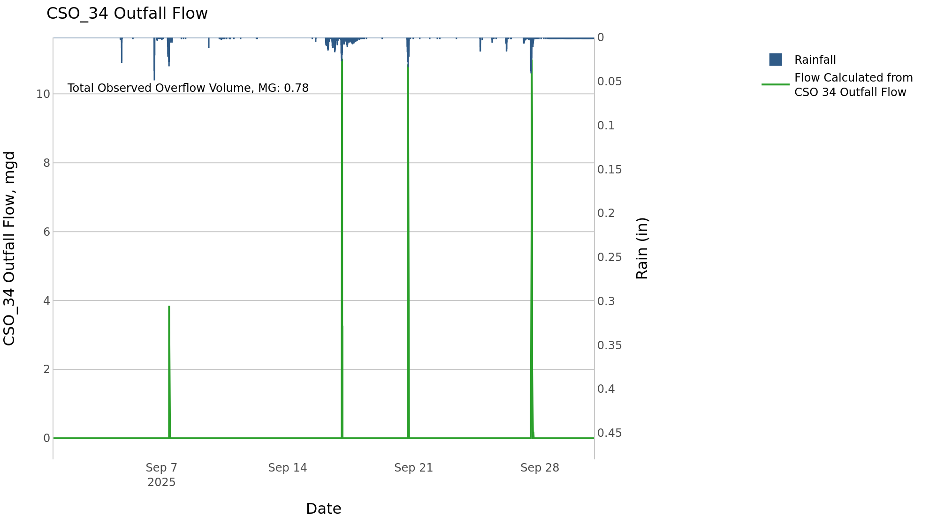

CSO_35-Events
CSO_35 Sep2025 Overflow Events

 | start | end | Rainfall, in | Observed Overflow Volume, mg | overflow_duration_hours
2025Sep04 | 2025-09-04 | 2025-09-07 | 1.13 | 0.03 | 1.4
2025Sep16 | 2025-09-16 | 2025-09-17 | 1.82 | 0.18 | 7.7
2025Sep20 | 2025-09-20 | 2025-09-20 | 1.09 | 0.05 | 1.2
2025Sep24 | 2025-09-24 | 2025-09-27 | 1.66 | 0.2 | 5.2

Note: Activations are defined by CSO volumes > 0.01 MG and an interevent time of 72 hours

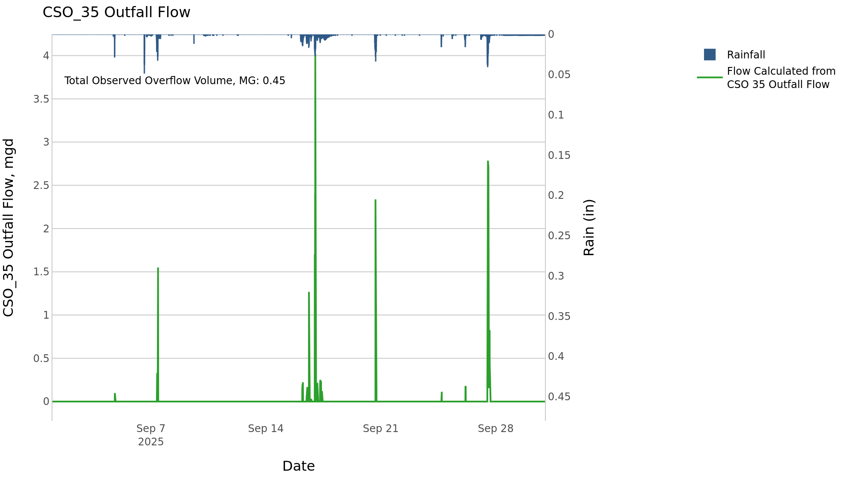

CSO_40-Events
CSO_40 Sep2025 Overflow Events

 | start | end | Rainfall, in | Observed Overflow Volume, mg | overflow_duration_hours
2025Sep24 | 2025-09-24 | 2025-09-27 | 1.66 | 1.6 | 4

Note: Activations are defined by CSO volumes > 0.01 MG and an interevent time of 72 hours

