CSO Summary
Aug2025 CSO Report
 | Observed
CSO_04 | 0
CSO_05 | 0.71
CSO_07 | 0
CSO_09 | 0
CSO_10 | 0
CSO_11 | 0.16
CSO_12 | 0
CSO_14 | 0
CSO_15 | 0
CSO_16 | 0
CSO_17 | 0
CSO_18 | 0
CSO_19 | 0
CSO_20 | 0
CSO_21 | 1.4
CSO_24 | 3.4
CSO_25 | 0
CSO_26 | 0.01
CSO_31 | 0
CSO_33 | 0
CSO_34 | 0.13
CSO_35 | 0.07
CSO_39 | 0
CSO_40 | 0
Aug2025 CSO Report
 | Observed
CSO_06 | 28
Aug2025 Overflow Summary
34.0 MG Overflow Observed
 | Sensor Type | % of Report with Good Data | Number of Observed Activations | Observed Overflow Volume, MG
CSO_04 | Flow | 100 | 0 | 0
CSO_05 | Flow | 100 | 1 | 0.71
CSO_06 | Flow | 100 | 3 | 28
CSO_07 | Flow | 100 | 0 | 0
CSO_09 | Level | 100 | 0 | 0
CSO_10 | Level | 100 | 0 | 0
CSO_11 | Level | 100 | 1 | 0.16
CSO_12 | Flow | 100 | 0 | 0
CSO_14 | Level | 100 | 0 | 0
CSO_15 | Flow | 100 | 0 | 0
CSO_16 | Level | 100 | 0 | 0
CSO_17 | Level | 100 | 0 | 0
CSO_18 | Level | 100 | 0 | 0
CSO_19 | Level | 100 | 0 | 0
CSO_20 | Flow | 100 | 0 | 0
CSO_21 | Flow | 100 | 1 | 1.4
CSO_24 | Level | 100 | 1 | 3.4
CSO_25 | Level | 100 | 0 | 0
CSO_26 | Level | 100 | 1 | 0.01
CSO_31 | Level | 100 | 0 | 0
CSO_33 | Level | 100 | 0 | 0
CSO_34 | Flow | 100 | 2 | 0.13
CSO_35 | Flow | 100 | 2 | 0.07
CSO_39 | Flow | 100 | 0 | 0
CSO_40 | Flow | 100 | 0 | 0
System | N/A | N/A | 4 | 34

CSO_04-Events
CSO_04 Aug2025 Overflow Events

No Overflow Events Recorded for CSO_04

Note: Activations are defined by CSO volumes > 0.01 MG and an interevent time of 72 hours
Note: Any observed negative flows could be backflow from James River

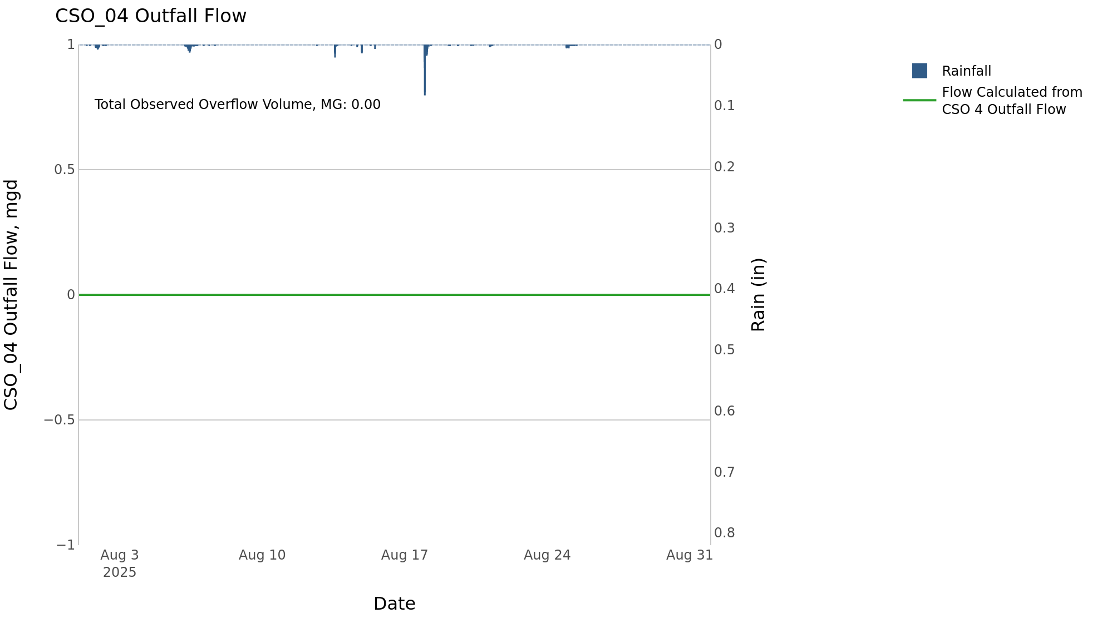

CSO_05-Events
CSO_05 Aug2025 Overflow Events

 | start | end | Rainfall, in | Observed Overflow Volume, mg | overflow_duration_hours
2025Aug18 | 2025-08-18 | 2025-08-18 | 0.77 | 0.71 | 2.8

Note: Activations are defined by CSO volumes > 0.01 MG and an interevent time of 72 hours
Note: Any observed negative flows could be backflow from James River

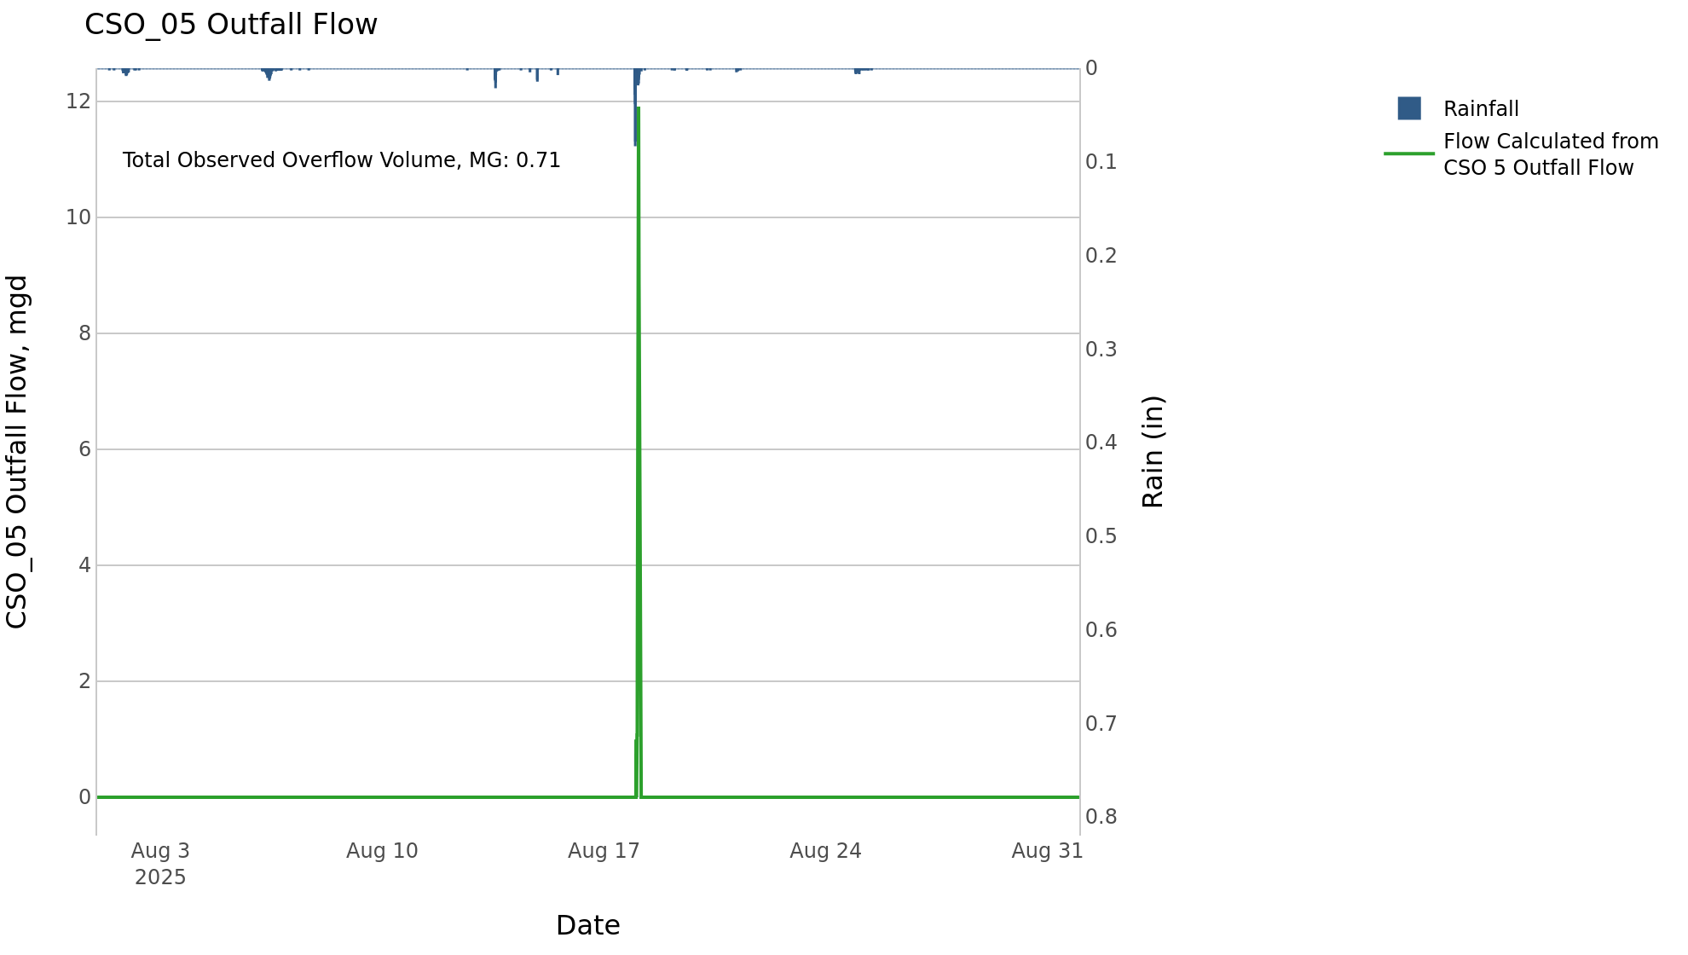

CSO_06-Events
CSO_06 Aug2025 Overflow Events

 | start | end | Rainfall, in | Observed Overflow Volume, mg | overflow_duration_hours
2025Aug01 | 2025-08-01 | 2025-08-02 | 0.21 | 0.24 | 1.7
2025Aug07 | 2025-08-07 | 2025-08-07 | 0.45 | 0.09 | 0.42
2025Aug17 | 2025-08-17 | 2025-08-18 | 0.78 | 27 | 9.7

Note: Activations are defined by CSO volumes > 0.01 MG and an interevent time of 72 hours
Note: Any observed negative flows could be due to high James River levels and flow eddies within structure

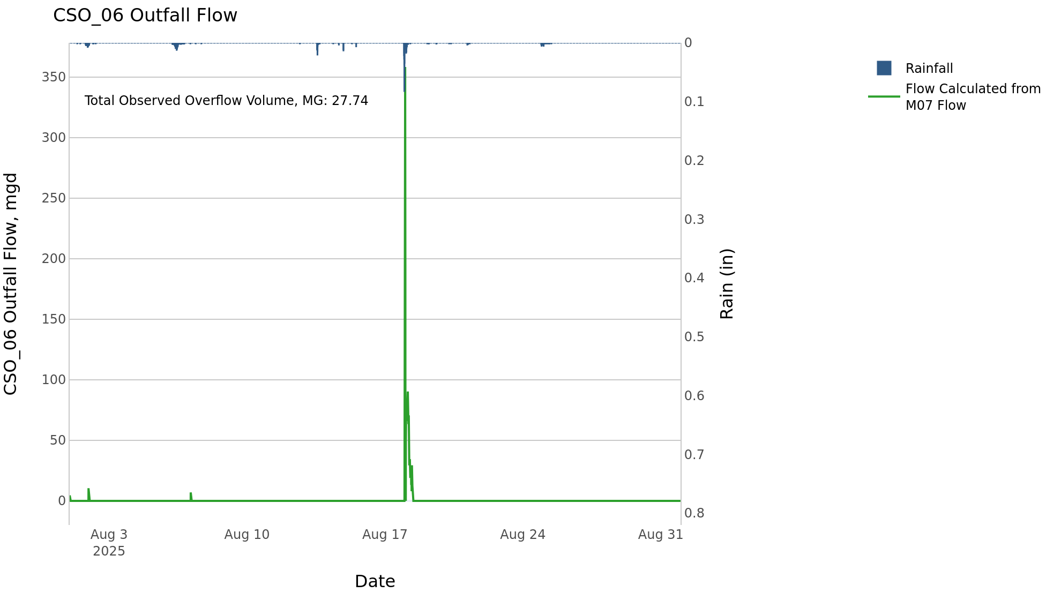

CSO_07-Events
CSO_07 Aug2025 Overflow Events

No Overflow Events Recorded for CSO_07

Note: Activations are defined by CSO volumes > 0.01 MG and an interevent time of 72 hours

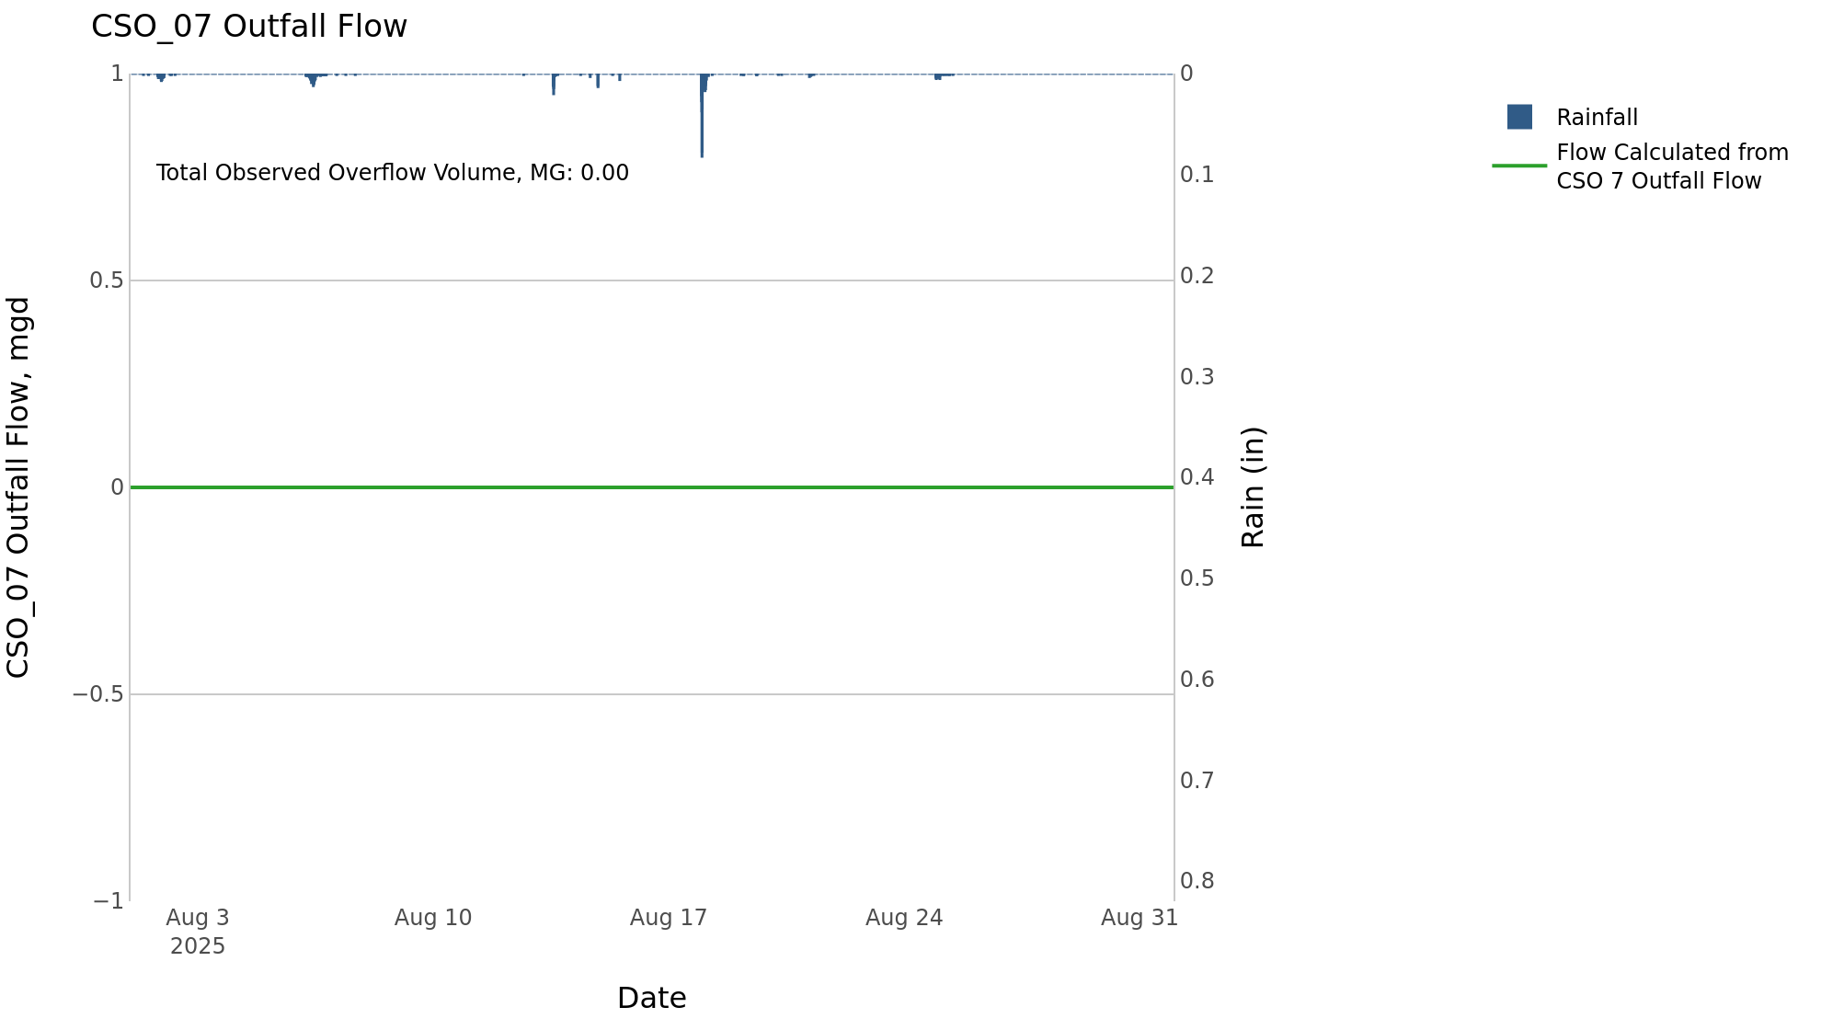

CSO_11-Events
CSO_11 Aug2025 Overflow Events

 | start | end | Rainfall, in | Observed Overflow Volume, mg | overflow_duration_hours
2025Aug17 | 2025-08-17 | 2025-08-18 | 0.59 | 0.16 | 0.5

Note: Activations are defined by CSO volumes > 0.01 MG and an interevent time of 72 hours

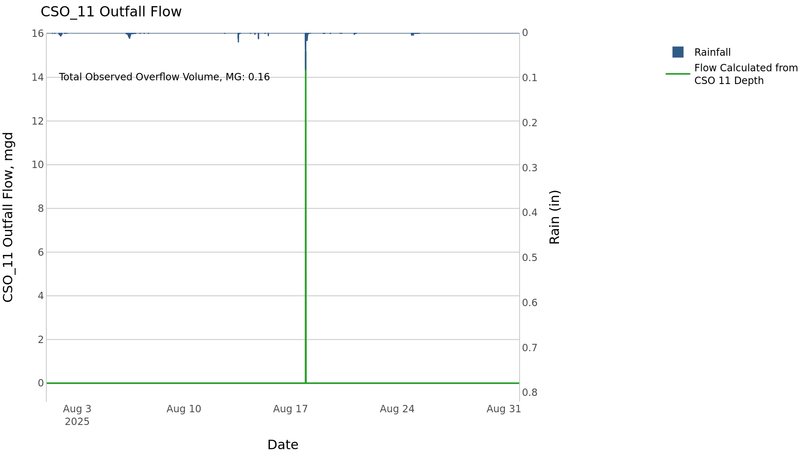

CSO_24-Events
CSO_24 Aug2025 Overflow Events

 | start | end | Rainfall, in | Observed Overflow Volume, mg | overflow_duration_hours
2025Aug17 | 2025-08-17 | 2025-08-18 | 0.74 | 3.4 | 2.2

Note: Activations are defined by CSO volumes > 0.01 MG and an interevent time of 72 hours

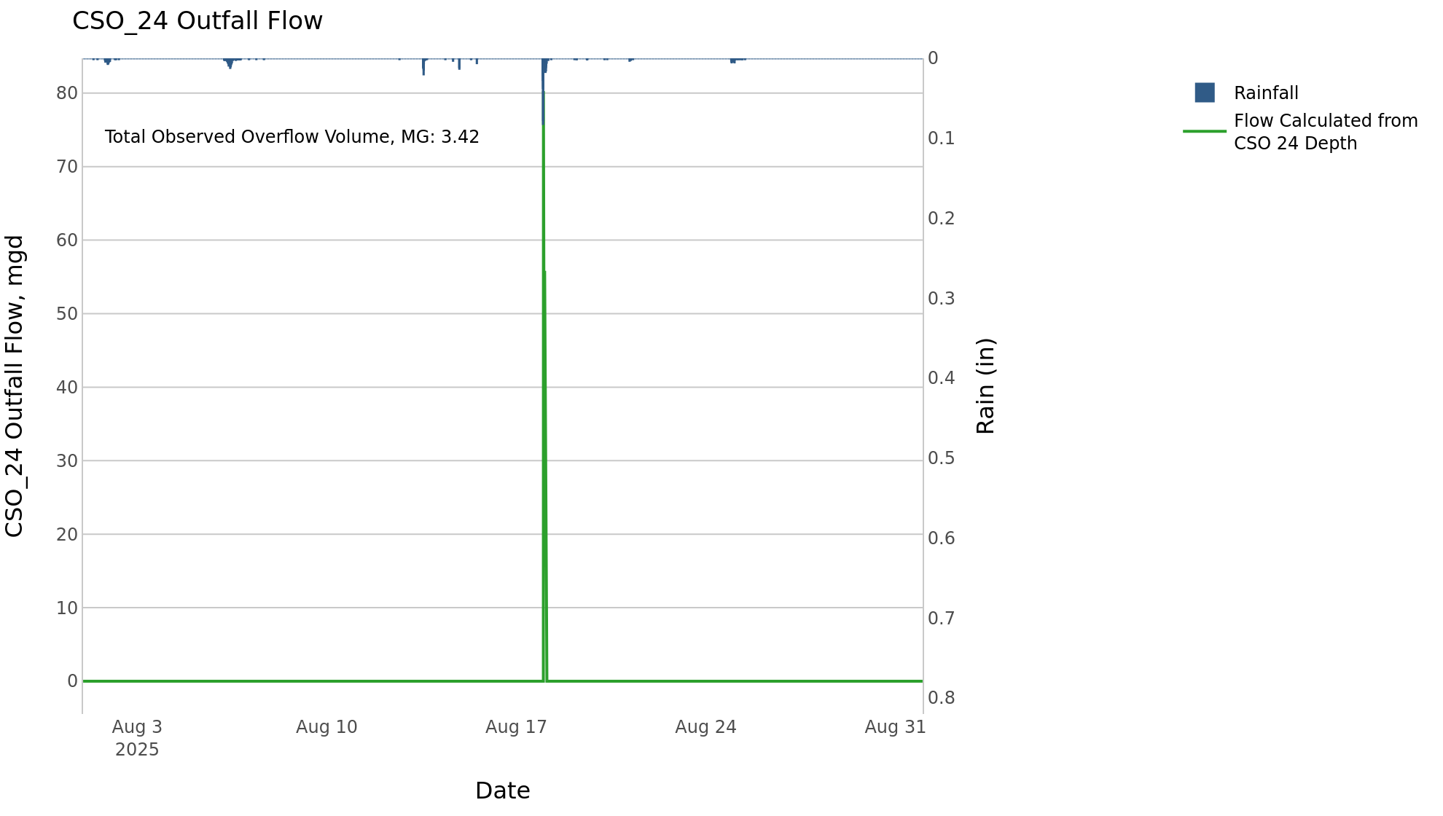

CSO_26-Events
CSO_26 Aug2025 Overflow Events

 | start | end | Rainfall, in | Observed Overflow Volume, mg | overflow_duration_hours
2025Aug17 | 2025-08-17 | 2025-08-17 | 0.58 | 0.01 | 0.08

Note: Activations are defined by CSO volumes > 0.01 MG and an interevent time of 72 hours

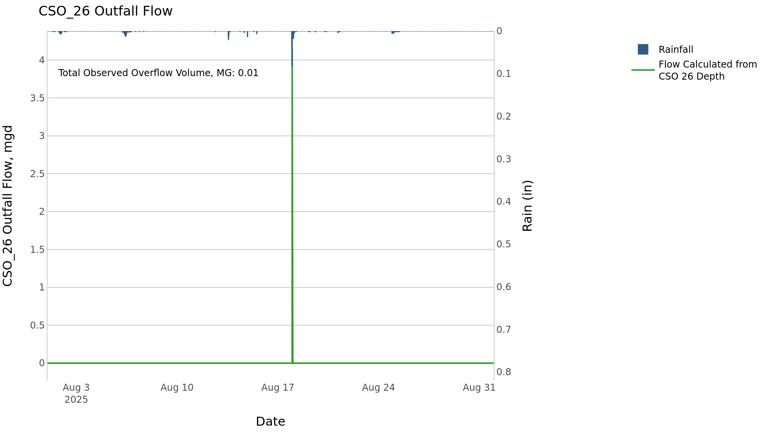

CSO_34-Events
CSO_34 Aug2025 Overflow Events

 | start | end | Rainfall, in | Observed Overflow Volume, mg | overflow_duration_hours
2025Aug14 | 2025-08-14 | 2025-08-14 | 0.33 | 0.02 | 0.17
2025Aug17 | 2025-08-17 | 2025-08-18 | 0.59 | 0.12 | 0.5

Note: Activations are defined by CSO volumes > 0.01 MG and an interevent time of 72 hours

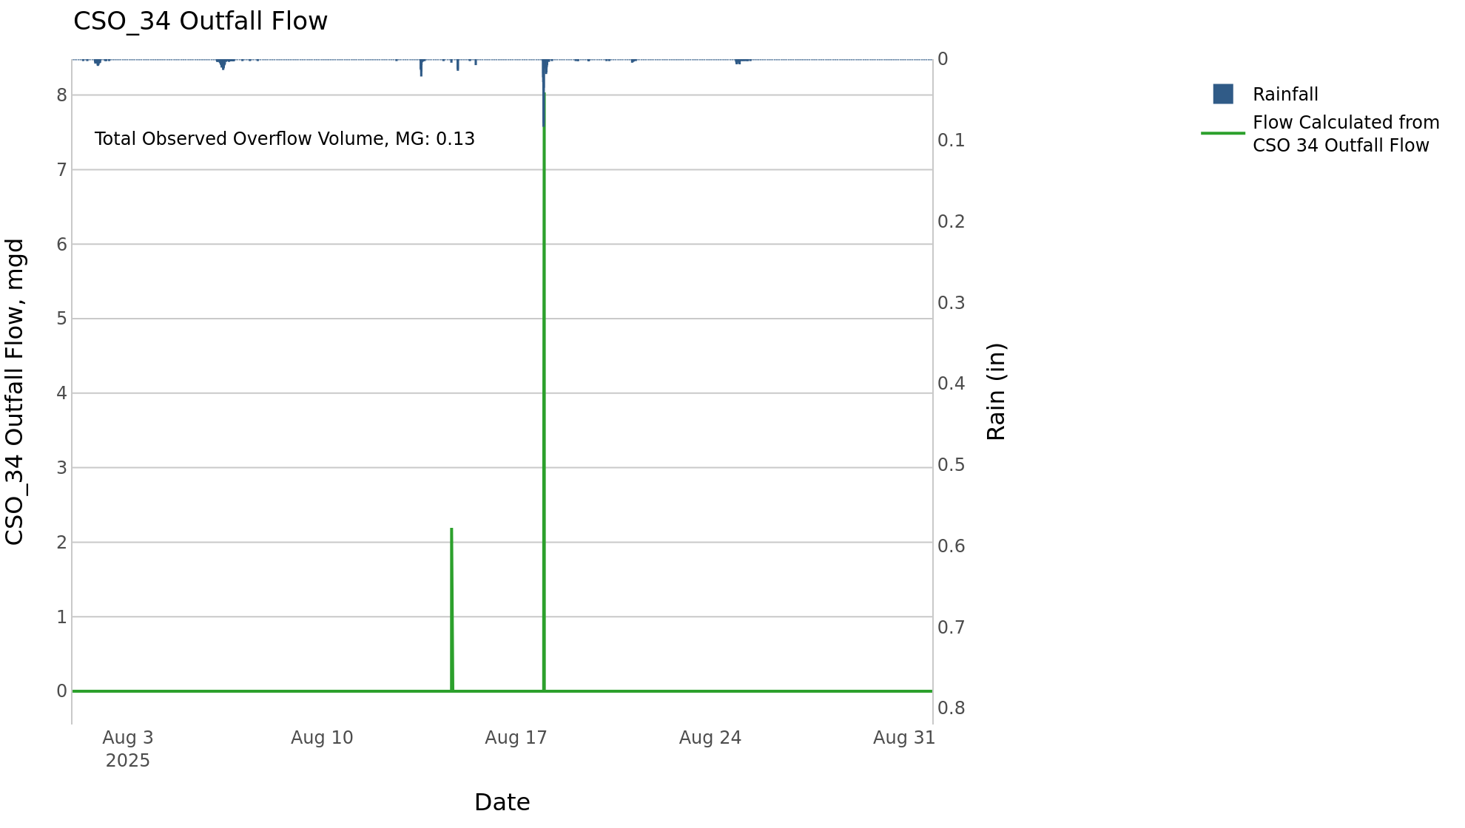

CSO_35-Events
CSO_35 Aug2025 Overflow Events

 | start | end | Rainfall, in | Observed Overflow Volume, mg | overflow_duration_hours
2025Aug14 | 2025-08-14 | 2025-08-14 | 0.33 | 0.02 | 0.5
2025Aug17 | 2025-08-17 | 2025-08-18 | 0.76 | 0.05 | 2.2

Note: Activations are defined by CSO volumes > 0.01 MG and an interevent time of 72 hours

